로그인
목록
RSA
1 | Method | GET
 | URI | /rsa
 | Params
 | RequestBody
 | ResponseBody | { "data": [ { "publicKeyModules" : "", "publicKeyExponent" : "" } ], "status": { "date": "2022-02-09T00:49:50.428+00:00", "code": 200, "message": "OK", "details": "" } }

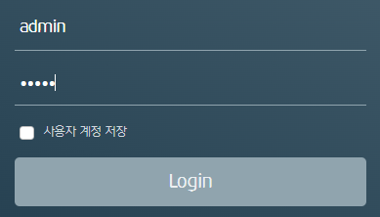
로그인
2 | Method | POST
 | URI | /login
 | Params
 | RequestBody | { "uid" : "admin", "pwd" : "..........." // encryption by rsa }
 | ResponseHeaders | Authorization : Bearer Token
 | ResponseBody | { "data": [ { "uid" : "admin", "uname" : "admin", "level" : 1 } ], "status": { "date": "2022-02-08T13:55:28.615+00:00", "code": 200, "message": "Login Success", "details": "" } }

로그아웃
3 | Method | GET
 | URI | /logout
 | Params
 | RequestBody
 | ResponseBody | { "data": null, "status": { "date": "2022-02-21T07:26:17.759+00:00", "code": 200, "message": "Logout Success", "details": "uri=/logout" } }

설정-업무등록
목록
원본,대상 서버 조회
1 | Method | GET
 | URI | /find/servers
 | Params
 | RequestBody
 | ResponseBody | { "data": [ { "serverid": 1, "server_name": "oracle" }, { "serverid": 2, "server_name": "tibero" } ], "status": { "date": "2022-02-18T08:55:42.907+00:00", "code": 200, "message": "OK", "details": "" } } | 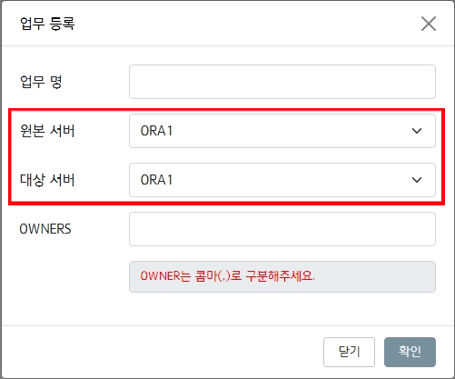

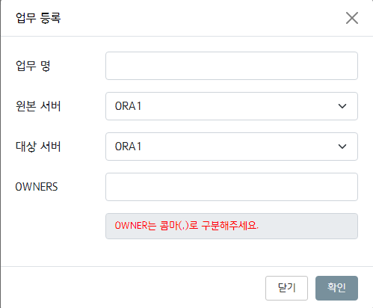
업무 등록
2 | Method | POST
 | URI | /save/systems
 | Params
 | RequestBody | { "system_name": "정보계", "serverid_src": 1, "serverid_dst": 4, "owner_list": "TRANS1, TRANS2, TRANS3" }
 | ResponseBody | { "data": [ { "system_id": 1, "system_name": "정보계", "serverid_src": 1, "serverid_dst": 4, "owner_list": "TRANS1, TRANS2, TRANS3" } ], "status": { "date": "2022-02-08T13:55:28.615+00:00", "code": 201, "message": "OK", "details": "" } }

업무 조회
3 | Method | GET
 | URI | /find/systems
 | Params
 | RequestBody
 | ResponseBody | { "data": [ { "system_id": 1, "system_name": "정보계", "serverid_src": 1, "serverid_dst": 2, "owner_list": "TRANS1, TRANS2, TRANS3", "input_id": "admin", "input_dt": "2022-01-30 22:08:05.706708" }, { "system_id": 2, "system_name": "계정계", "serverid_src": 3, "serverid_dst": 4, "owner_list": "SCOTT1, SCOTT2", "input_id": "admin", "input_dt": "2022-01-30 22:09:42.442476" } ], "status": { "date": "2022-02-08T13:55:28.615+00:00", "code": 200, "message": "OK", "details": "" } }

업무 수정
4 | Method | POST
 | URI | /update/systems
 | Params
 | RequestBody | { "system_id" : 1, "system_name": "정보계", "serverid_src": 1, "serverid_dst": 2, "owner_list": "TRANS1, TRANS2, TRANS3" }
 | ResponseBody | { "data": [ { "system_id" : 1, "system_name": "정보계", "serverid_src": 1, "serverid_dst": 2, "owner_list": "TRANS1, TRANS2, TRANS3" } ], "status": { "date": "2022-02-18T08:55:42.907+00:00", "code": 200, "message": "OK", "details": "" } }

업무 삭제
5 | Method | POST
 | URI | /delete/systems
 | Params
 | RequestBody | { "delete_ids" : [1,2,3] }
 | ResponseBody | { "data": null, "status": { "date": "2022-02-18T08:55:42.907+00:00", "code": 200, "message": "OK", "details": "" } }

설정-테이블동기화
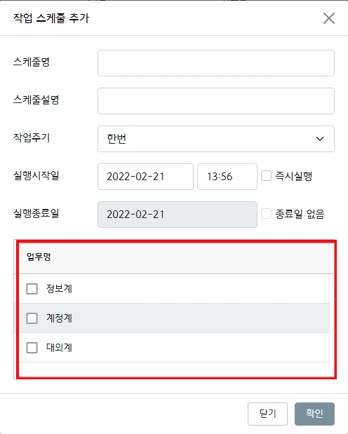
목록
업무 조회 in 작업 스케줄 추가
1 | Method | GET
 | URI | /find/systems
 | Params
 | RequestBody | 설정-업무등록 의 업무 조회 와 동일
 | ResponseBody

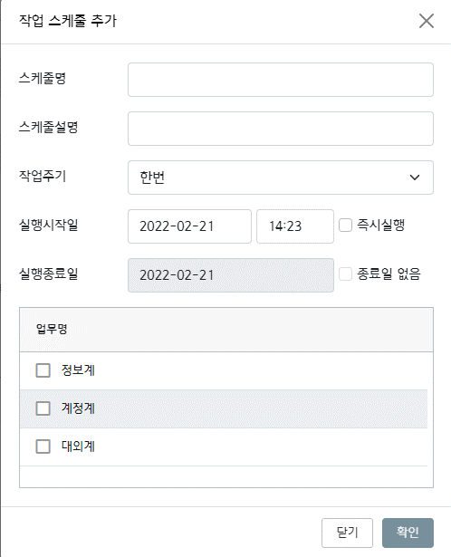
작업 스케줄 추가
2 | Method | POST
 | URI | /save/works
 | Params
 | RequestBody | { "wname" : "스케줄추가", "wdesc" : "스케줄추가", "emin" : "12", "ehour" : "12", "eday" : "*", "emonth" : "", "ewday" : "1 2 3", "ewday_no" : "1", "start_d" : "", "end_d" : "", "pattern" : "month", "system_list" : [ { "system_id" : 44, "system_name" : "정보계" }, { "system_id" : 54, "system_name" : "계정계" } ] }
 | ResponseBody | { "data": null, "status": { "date": "2022-03-07T05:07:18.002+00:00", "code": 200, "message": "OK", "details": "" } }

테이블 동기화 조회
3 | Method | GET
 | URI | /find/works
 | Params
 | RequestBody
 | ResponseBody | { "data": [ { "wid": 20, "exe_cnt": 10, "wname": "계정계 일배치 스케줄", "wdesc": null, "emin": "10", "ehour": "18", "eday": "*", "emonth": "*", "ewday": "*", "ewday_no": "*", "start_d": "2022-03-07", "end_d": "2022-03-08", "pattern": "once", "status": "completed", "success_yn": "y", "system_list": [ { "system_id": 13, "system_name": "정보계2" }, { "system_id": 16, "system_name": "정보계2" } ] }, { "wid": 21, "exe_cnt": 10, "wname": "정보계 일배치 스케줄", "wdesc": null, "emin": "53", "ehour": "13", "eday": "*", "emonth": "*", "ewday": "*", "ewday_no": "*", "start_d": "2022-03-04", "end_d": "2022-03-05", "pattern": "once", "status": "completed", "success_yn": "n", "system_list": [ { "system_id": 12, "system_name": "정보계테스트" } ] } ], "status": { "date": "2022-03-08T00:12:24.537+00:00", "code": 200, "message": "OK", "details": "" } }

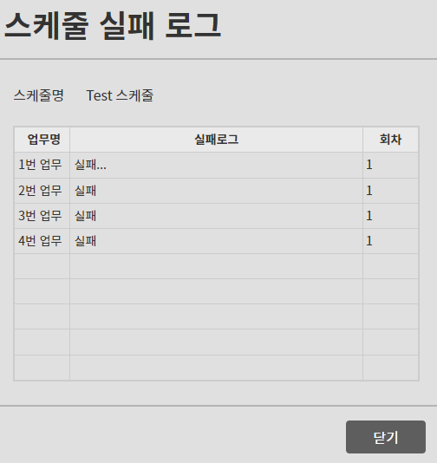
스케줄 실패 로그 조회
3.1 | Method | GET | 3. 테이블 동기화 조회시 결과가 실패일때
 | URI | /find/works/fail
 | Params
 | RequestBody | { "wid": 21, "exe_cnt": 1, "fail_messages": [] }
 | ResponseBody | { "data": [ { "wid": 21, "exe_cnt": 1, "fail_messages": [ { "sid": 12, "exe_cnt": 1, "logmsg": "Could not find <serverid:21> from v_scp_database" }, { "sid": 16, "exe_cnt": 1, "logmsg": "error message" } ] } ], "status": { "date": "2022-03-07T05:49:03.766+00:00", "code": 200, "message": "OK", "details": "" } }

상세내역 조회
4 | Method | GET
 | URI | /find/works/{wid}
 | Params
 | RequestBody
 | ResponseBody | { "data": [ { "wid": 130, "system_id": 22, "system_name": "정보계22", "tbl_owner": "TRANS", "tbl_name": "ACCOUNT_LOG1_20181022", "status": 0, "real_size": 559939584, "dev_size": 559939584, "notes": "test" }, { "wid": 130, "system_id": 22, "system_name": "정보계22", "tbl_owner": "SCOTT2", "tbl_name": "EMP_TRNAS1", "status": 2, "real_size": 63963136, "dev_size": 63963136, "notes": "test" }, { "wid": 130, "system_id": 32, "system_name": "TEST_SYSTEM", "tbl_owner": "dbo", "tbl_name": "TEST_TABLE", "status": 0, "real_size": 0, "dev_size": 0, "notes": "test" }, { "wid": 130, "system_id": 32, "system_name": "TEST_SYSTEM", "tbl_owner": "dbo", "tbl_name": "TEST_TABLE2", "status": 0, "real_size": 0, "dev_size": 0, "notes": "test" } ], "status": { "date": "2022-03-07T05:57:17.560+00:00", "code": 200, "message": "OK", "details": "" } }

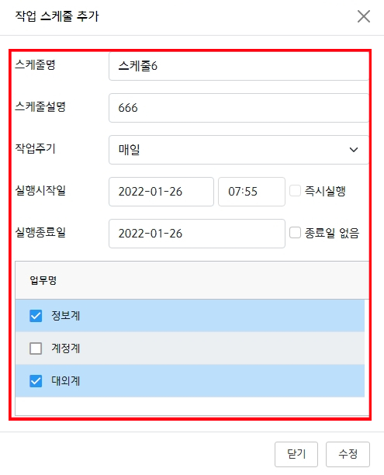
테이블 동기화 - 편집 - 수정
5 | Method | POST
 | URI | /update/works
 | Params
 | RequestBody | { "wid" : 132, "wname" : "스케줄변경", "wdesc" : "스케줄변경", "emin" : "12", "ehour" : "12", "eday" : "*", "emonth" : "", "ewday" : "10", "ewday_no" : "1 2", "start_d" : "", "end_d" : "", "pattern" : "once", "system_list" : [ { "system_id" : 22, "system_name" : "정보계" }, { "system_id" : 32, "system_name" : "계정계" } ] }
 | ResponseBody | { "data": null, "status": { "date": "2022-03-07T06:01:31.972+00:00", "code": 200, "message": "OK", "details": "" } }

테이블 동기화 - 삭제
6 | Method | POST
 | URI | /delete/works/{wid}
 | Params
 | RequestBody
 | ResponseBody | { "data": null, "status": { "date": "2022-03-07T06:02:45.981+00:00", "code": 200, "message": "OK", "details": "" } }

설정-매크로설정
목록
매크로 등록
1 | Method | POST
 | URI | /save/macros
 | Params
 | RequestBody | { "macro_name" : ":V_기준년", "macro_value" : "", "input_id" : "admin", "input_dt" : "", "update_id" : "", "update_dt" : "" } | 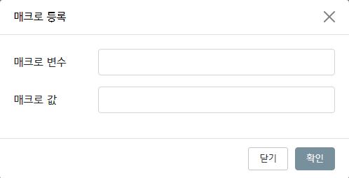
 | ResponseBody | { "data": null, "status": { "date": "2022-02-08T13:55:28.615+00:00", "code": 200, "message": "OK", "details": "" } }

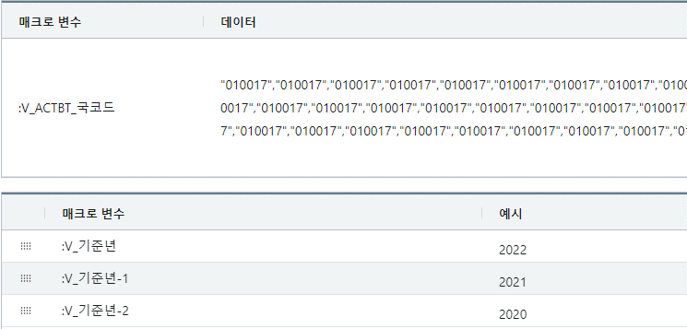
매크로 조회
2 | Method | GET
 | URI | /find/macros
 | Params
 | RequestBody
 | ResponseBody | { "data": [ { "macro_name" : ":V_기준년", "macro_value" : "2022", /*select f_scp_macro_value(':V_기준년')*/ "input_id" : "admin", "input_dt": "2022-01-30 22:08:05.706708", "update_id" : "", "update_dt" : "" }, { "macro_name" : ":V_기준년-1", "macro_value" : "2021", /*select f_scp_macro_value(':V_기준년-1')*/ "input_id" : "admin", "input_dt": "2022-01-30 22:08:05.706708", "update_id" : "", "update_dt" : "" } ], "status": { "date": "2022-02-08T13:55:28.615+00:00", "code": 200, "message": "OK", "details": "" } }

매크로 수정
3 | Method | POST
 | URI | /update/macros
 | Params
 | RequestBody | { "macro_name" : ":V_기준년-3", "macro_value" : "", "update_id" : "admin", "update_dt" : "" }
 | ResponseBody | { "data": null, "status": { "date": "2022-02-18T08:55:42.907+00:00", "code": 200, "message": "OK", "details": "" } }

매크로 삭제
4 | Method | POST
 | URI | /delete/macros/{macroName}
 | Params
 | RequestBody
 | ResponseBody | { "data": null, "status": { "date": "2022-02-18T08:55:42.907+00:00", "code": 200, "message": "OK", "details": "" } }

메세지
목록
받은 메시지 조회
1 | Method | GET
 | URI | /find/messages/receive
 | Params
 | RequestBody | { "address" : "admin", /* 수신인 (로그인 유저) 필수 */ "sender" : "kuller", /* 검색조건(있을 경우 where 조건에 추가 */ "input_dt" : "" /* 검색할 조건(미정) */ }
 | ResponseBody | { "data": [ { "mid" : 1, "mrid" : 1, "m_type" : 1, "sender" : "user1", "content" : "메시지 내용", "read_dt": "2022-03-01 18:30", "input_dt" : "2022-02-28 17:53" }, { "mid" : 2, "mrid" : 5, "m_type" : 2, "sender" : "user1", "content" : "메시지 내용", "read_dt": null, "input_dt" : "2022-02-28 17:53" } ], "status": { "date": "2022-02-08T13:55:28.615+00:00", "code": 200, "message": "OK", "details": "" } } | 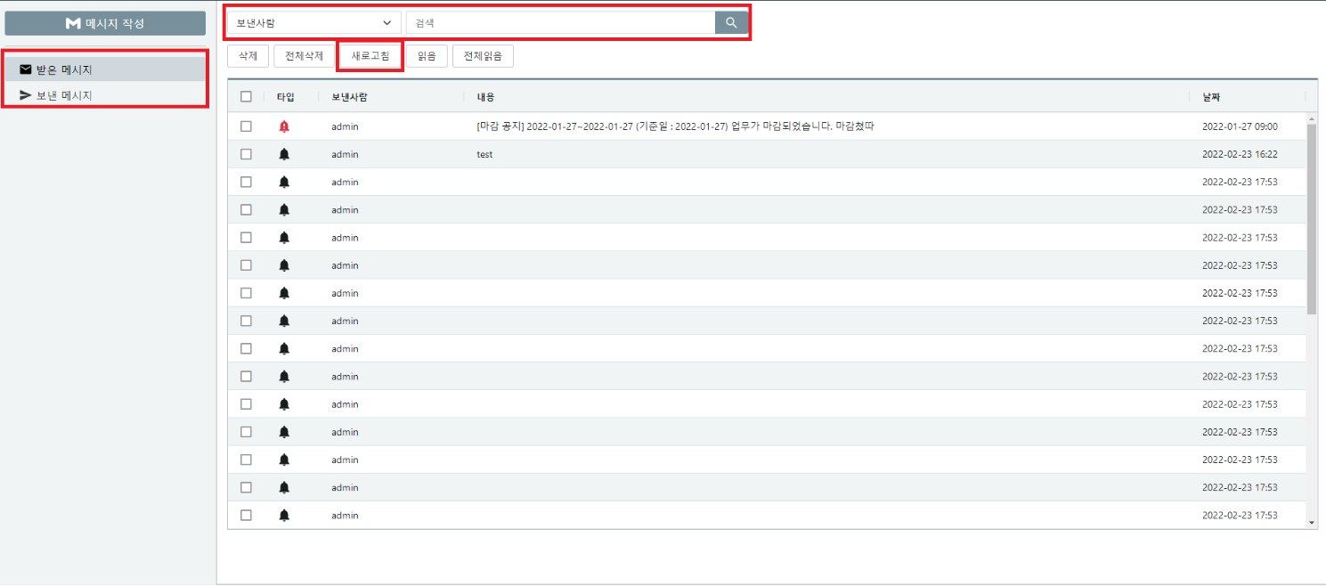

보낸 메시지 조회
2 | Method | GET
 | URI | /find/messages/send
 | Params
 | RequestBody | { "sender" : "admin", /* 발신인 (로그인 유저). 필수 */ "address" : "seya", /* 검색조건(있을 경우 where 조건에 추가 */ "input_dt" : "" /* 검색할 조건(미정) */ }
 | ResponseBody | { "data": [ { "mid" : 1, "mrid" : 1, "m_type" : 1, "receivers" : "user", "content" : "메시지 내용", "read_dt": "2022-03-01 18:30", "input_dt" : "2022-02-28 17:53" }, { "mid" : 2, "mrid" : 5, "m_type" : 2, "receivers" : "user, user1, user2", "content" : "메시지 내용", "read_dt": null, "input_dt" : "2022-02-28 17:53" } ], "status": { "date": "2022-02-08T13:55:28.615+00:00", "code": 200, "message": "OK", "details": "" } }

상세 메시지 조회
3 | Method | GET
 | URI | /find/messages/{mrid}
 | Params
 | RequestBody
 | ResponseBody | { "data": { "mid" : 1, "mrid" : 2, "m_type" : 1, "sender" : "admin" "receivers" : "user, user1, user2", "cc" : "user3, user4, user5", "content" : "메시지 내용", "input_dt" : "2022-02-28 17:53" }, "status": { "date": "2022-02-08T13:55:28.615+00:00", "code": 200, "message": "OK", "details": "" } } | 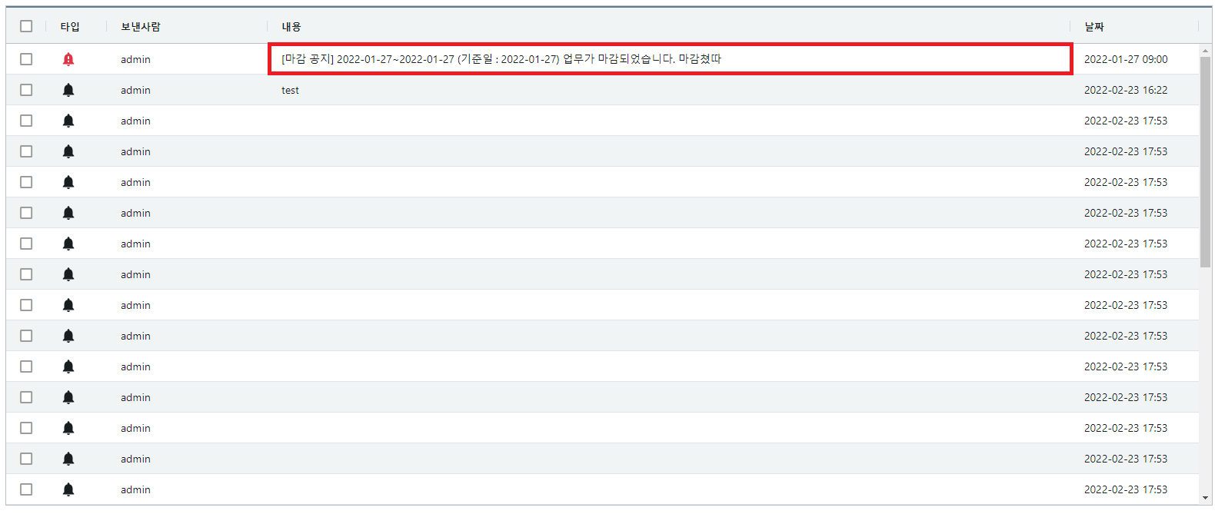

수신 확인 조회
4 | Method | GET
 | URI | /find/messages/read/{mid}
 | Params
 | RequestBody
 | ResponseBody | { "data": [ { "mid" : 1, "mrid" : 2, "address" : "kuller", "read_dt" : "2022-02-28 17:53" }, { "mid" : 1, "mrid" : 3, "address" : "kuller2", "read_dt" : null }, { "mid" : 1, "mrid" : 4, "address" : "kuller3", "read_dt" : "2022-02-28 17:53" } ], "status": { "date": "2022-02-08T13:55:28.615+00:00", "code": 200, "message": "OK", "details": "" } }

메시지 작성
5 | Method | POST
 | URI | /save/messages
 | Params
 | RequestBody | { "m_type" : 1, "sender" : "user", "recivers": "admin, admin2", "cc" : "user2, user3", "content" : "메시지 내용", "scp_msg_info " : [ { "addr_type" : 1, "address" : "user" }, { "addr_type" : 2, "address" : "admin" }, { "addr_type" : 2, "address" : "admin2" }, { "addr_type" : 3, "address" : "user2" }, { "addr_type" : 3, "address" : "user3" } ] } | 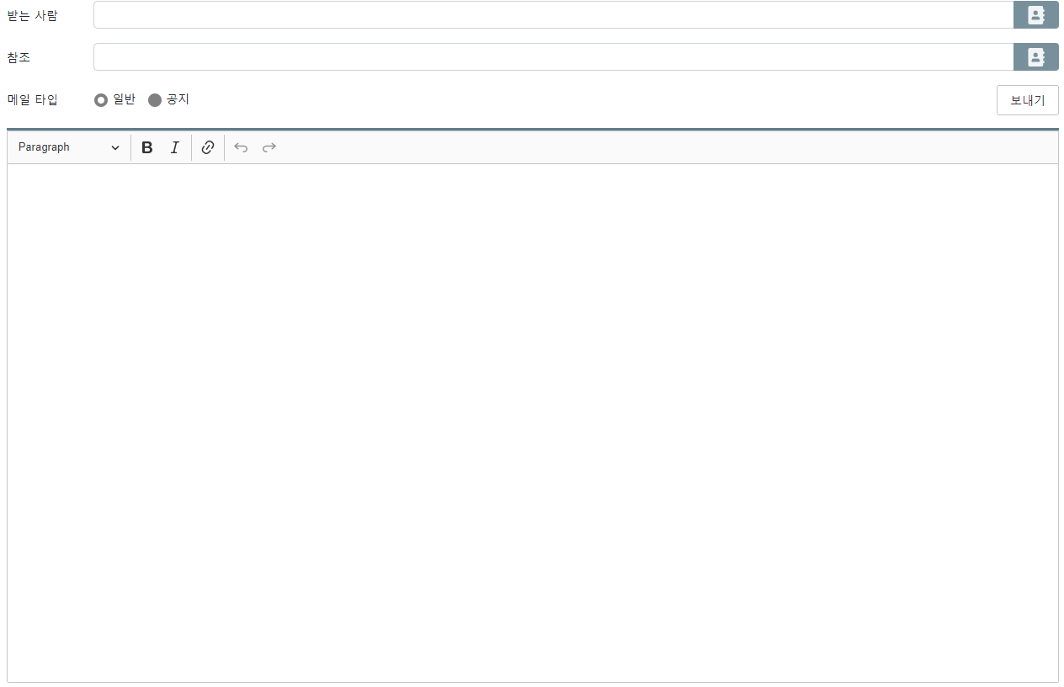
 | ResponseBody | { "data": null, "status": { "date": "2022-02-08T13:55:28.615+00:00", "code": 200, "message": "OK", "details": "" } }

메세지 읽음
6 | Method | POST
 | URI | /update/messages
 | Params
 | RequestBody | { "mrids" : [1, 2, 3] }
 | ResponseBody | { "data": null, "status": { "date": "2022-02-18T08:55:42.907+00:00", "code": 200, "message": "OK", "details": "" } } | 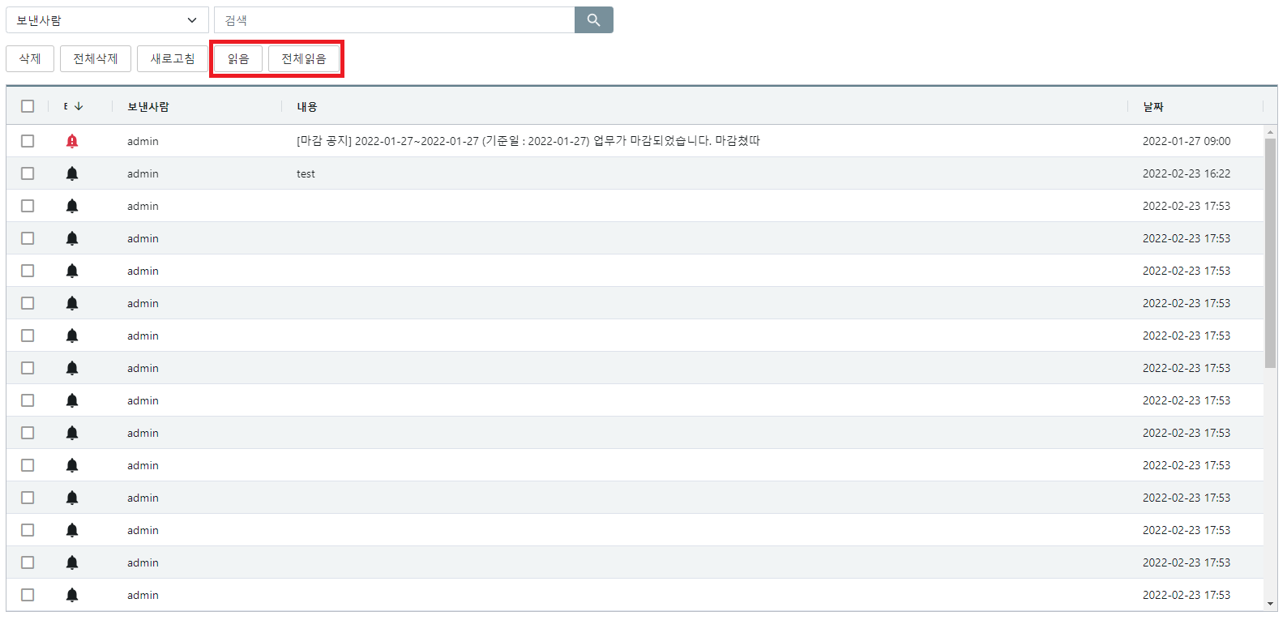

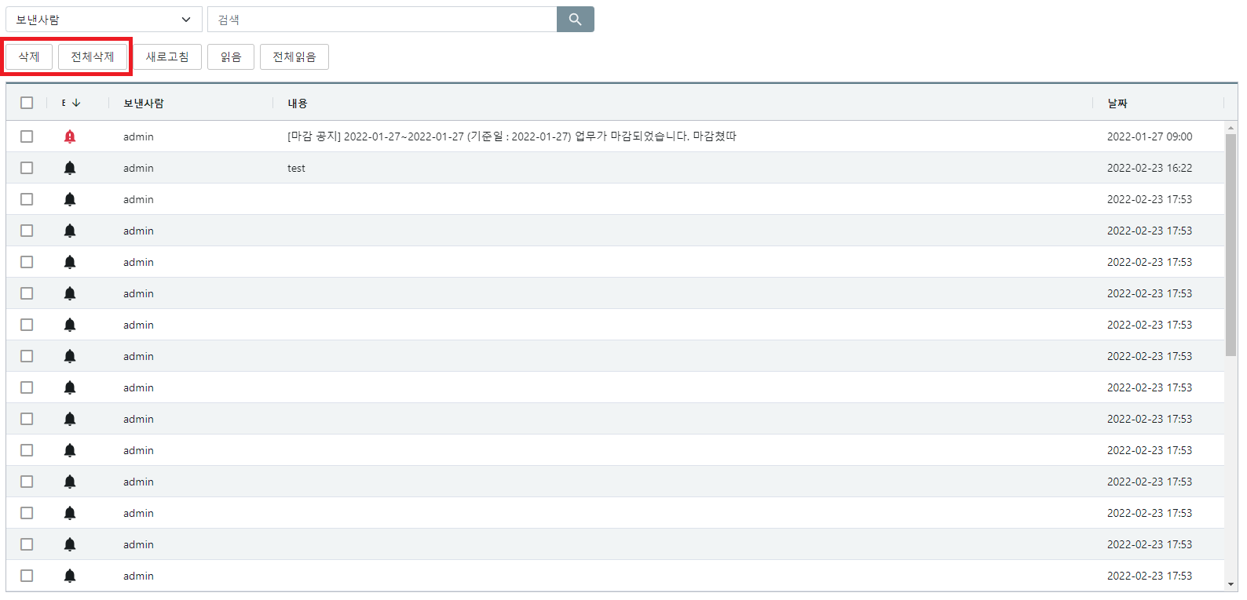
메시지 삭제
7 | Method | POST
 | URI | /delete/messages
 | Params
 | RequestBody | { "mrids" : [1, 2, 3] }
 | ResponseBody | { "data": null, "status": { "date": "2022-02-18T08:55:42.907+00:00", "code": 200, "message": "OK", "details": "" } }

그룹 내 유저조회
8 | Method | GET
 | URI | /find/group-users
 | Params
 | RequestBody
 | ResponseBody | { "data": [ { "group" : "관리자", "uid" : "admin" }, { "group" : "관리자", "uid" : "admin12" }, { "group" : "일반 사용자", "uid" : "user" } ], "status": { "date": "2022-02-08T13:55:28.615+00:00", "code": 200, "message": "OK", "details": "" } } | 