Sheet1
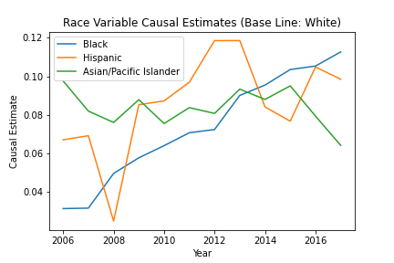
 | 2006 | 2007 | 2008 | 2009 | 2010 | 2011 | 2012 | 2013 | 2014 | 2015 | 2016 | 2017
black | 0.031219365 | 0.03145945 | 0.049482928 | 0.057625148 | 0.063922867 | 0.070633786 | 0.072315323 | 0.090043317 | 0.095404661 | 0.103501845 | 0.105298213 | 0.112658682
hispanic | 0.066964576 | 0.069093714 | 0.02471442 | 0.085203842 | 0.087196597 | 0.096891907 | 0.118525206 | 0.118540699 | 0.084067383 | 0.076638261 | 0.104811754 | 0.09843059
asianpacific | 0.09755939 | 0.08188901 | 0.075993535 | 0.087825538 | 0.075431256 | 0.083691016 | 0.080684736 | 0.093306367 | 0.087954458 | 0.095007806 | 0.079296912 | 0.064083266

