Gambar Pohon Keputusan
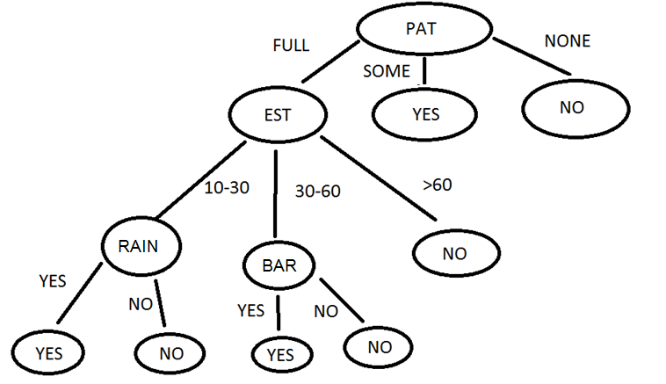
Pohon Keputusan

