Scatter
Accuracy vs Memory Scatter Plot
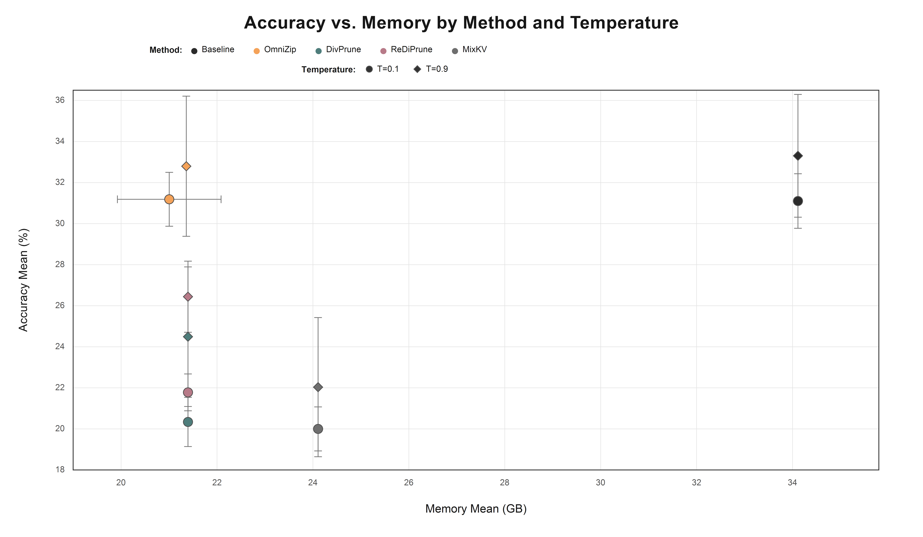

Category | Method | Temperature | Accuracy Mean (%) | Accuracy SD (pp) | Memory Mean (GB) | Memory SD (GB)
Baseline T=0.1 | Baseline | 0.10 | 31.10 | 1.33 | 34.11 | 0.00
Baseline T=0.9 | Baseline | 0.90 | 33.31 | 2.99 | 34.11 | 0.00
OmniZip T=0.1 | OmniZip | 0.10 | 31.19 | 1.31 | 21.00 | 1.08
OmniZip T=0.9 | OmniZip | 0.90 | 32.80 | 3.41 | 21.36 | 0.02
DivPrune T=0.1 | DivPrune | 0.10 | 20.34 | 1.20 | 21.39 | 0.00
DivPrune T=0.9 | DivPrune | 0.90 | 24.49 | 3.40 | 21.39 | 0.00
ReDiPrune T=0.1 | ReDiPrune | 0.10 | 21.78 | 0.90 | 21.39 | 0.00
ReDiPrune T=0.9 | ReDiPrune | 0.90 | 26.44 | 1.73 | 21.39 | 0.00
MixKV T=0.1 | MixKV | 0.10 | 20.00 | 1.07 | 24.11 | 0.00
MixKV T=0.9 | MixKV | 0.90 | 22.03 | 3.39 | 24.11 | 0.00

