Molecules
Molecule | Reward | MW | H-bond donors | H-bond acceptors | Heavy atoms | cLogP | Rotatable bonds | Ligand efficiency | SMILES
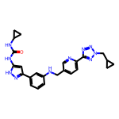 | 8.23 | 470.23 | 4 | 8 | 35 | 3.431 | 9 | 0.2350 | O=C(Nc1cc(-c2cccc(NCc3ccc(-c4nnn(CC5CC5)n4)nc3)c2)n[nH]1)NC1CC1
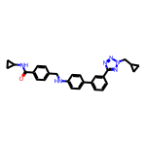 | 8.21 | 464.23 | 2 | 6 | 35 | 4.921 | 9 | 0.2347 | O=C(NC1CC1)c1ccc(CNc2ccc(-c3cccc(-c4nnn(CC5CC5)n4)c3)cc2)cc1
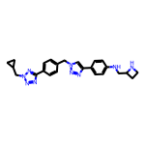 | 8.11 | 441.24 | 2 | 9 | 33 | 2.831 | 9 | 0.2459 | c1cc(-c2nnn(CC3CC3)n2)ccc1Cn1cc(-c2ccc(NCC3CCN3)cc2)nn1
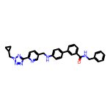 | 8.11 | 515.24 | 2 | 7 | 39 | 5.354 | 10 | 0.2078 | O=C(NCc1ccccc1)c1cccc(-c2ccc(NCc3ccc(-c4nnn(CC5CC5)n4)nc3)cc2)c1
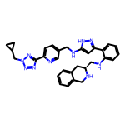 | 8.10 | 532.28 | 4 | 9 | 40 | 4.274 | 10 | 0.2025 | c1ccc2c(c1)CN[C@H](CNc1ccccc1-c1cc(NCc3ccc(-c4nnn(CC5CC5)n4)nc3)[nH]n1)C2
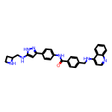 | 8.03 | 503.24 | 5 | 6 | 38 | 5.263 | 9 | 0.2114 | O=C(Nc1ccc(-c2cc(NCC3CCN3)[nH]n2)cc1)c1ccc(CNc2ccnc3ccccc23)cc1
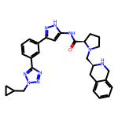 | 8.03 | 523.28 | 3 | 8 | 39 | 3.258 | 8 | 0.2059 | O=C(Nc1cc(-c2cccc(-c3nnn(CC4CC4)n3)c2)n[nH]1)[C@H]1CCCN1C[C@@H]1Cc2ccccc2CN1
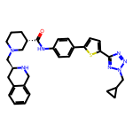 | 8.01 | 553.26 | 2 | 8 | 40 | 4.844 | 8 | 0.2003 | O=C(Nc1ccc(-c2ccc(-c3nnn(CC4CC4)n3)s2)cc1)[C@H]1CCCN(C[C@@H]2Cc3ccccc3CN2)C1

