Molecules
Molecule | Reward | MW | H-bond donors | H-bond acceptors | Heavy atoms | cLogP | Rotatable bonds | Ligand efficiency | SMILES
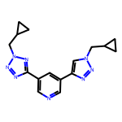 | 8.05 | 322.17 | 0 | 8 | 24 | 1.814 | 6 | 0.3352 | c1ncc(-c2nnn(CC3CC3)n2)cc1-c1cn(CC2CC2)nn1

