Molecules
Molecule | Reward | MW | H-bond donors | H-bond acceptors | Heavy atoms | cLogP | Rotatable bonds | Ligand efficiency | SMILES
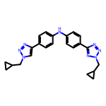 | 8.17 | 412.21 | 1 | 8 | 31 | 4.162 | 8 | 0.2636 | c1cc(-c2cn(CC3CC3)nn2)ccc1Nc1ccc(-c2nnn(CC3CC3)n2)cc1
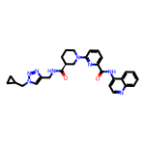 | 8.11 | 510.25 | 2 | 8 | 38 | 3.416 | 8 | 0.2134 | O=C(Nc1ccnc2ccccc12)c1cccc(N2CCC[C@H](C(=O)NCc3cn(CC4CC4)nn3)C2)n1
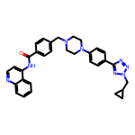 | 8.10 | 544.27 | 1 | 8 | 41 | 4.873 | 8 | 0.1975 | O=C(Nc1ccnc2ccccc12)c1ccc(CN2CCN(c3ccc(-c4nnn(CC5CC5)n4)cc3)CC2)cc1
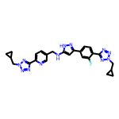 | 8.09 | 512.23 | 2 | 11 | 38 | 3.350 | 10 | 0.2128 | Fc1cc(-c2cc(NCc3ccc(-c4nnn(CC5CC5)n4)nc3)[nH]n2)ccc1-c1nnn(CC2CC2)n1
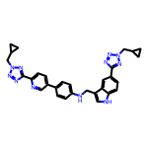 | 8.07 | 543.26 | 2 | 10 | 41 | 4.969 | 10 | 0.1969 | c1cc(-c2ccc(-c3nnn(CC4CC4)n3)nc2)ccc1NCc1c[nH]c2ccc(-c3nnn(CC4CC4)n3)cc12
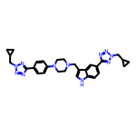 | 8.07 | 535.29 | 1 | 10 | 40 | 3.617 | 9 | 0.2017 | c1cc(N2CCN(Cc3c[nH]c4ccc(-c5nnn(CC6CC6)n5)cc34)CC2)ccc1-c1nnn(CC2CC2)n1
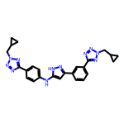 | 8.06 | 479.23 | 2 | 10 | 36 | 3.947 | 9 | 0.2240 | c1cc(-c2cc(Nc3ccc(-c4nnn(CC5CC5)n4)cc3)[nH]n2)cc(-c2nnn(CC3CC3)n2)c1
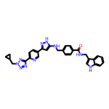 | 8.05 | 544.24 | 4 | 8 | 41 | 4.559 | 10 | 0.1963 | O=C(NCc1c[nH]c2ccccc12)c1ccc(CNc2cc(-c3ccc(-c4nnn(CC5CC5)n4)nc3)n[nH]2)cc1
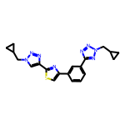 | 8.03 | 404.15 | 0 | 9 | 29 | 3.542 | 7 | 0.2769 | c1cc(-c2csc(-c3cn(CC4CC4)nn3)n2)cc(-c2nnn(CC3CC3)n2)c1
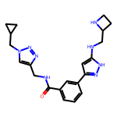 | 8.03 | 406.22 | 4 | 7 | 30 | 1.782 | 9 | 0.2676 | O=C(NCc1cn(CC2CC2)nn1)c1cccc(-c2cc(NCC3CCN3)[nH]n2)c1
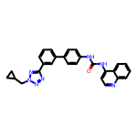 | 8.02 | 461.20 | 2 | 6 | 35 | 5.609 | 6 | 0.2292 | O=C(Nc1ccc(-c2cccc(-c3nnn(CC4CC4)n3)c2)cc1)Nc1ccnc2ccccc12
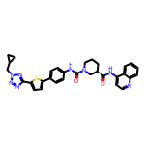 | 8.01 | 578.22 | 2 | 8 | 42 | 5.909 | 7 | 0.1908 | O=C(Nc1ccnc2ccccc12)[C@@H]1CCCN(C(=O)Nc2ccc(-c3ccc(-c4nnn(CC5CC5)n4)s3)cc2)C1
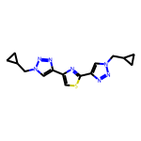 | 8.01 | 327.13 | 0 | 8 | 23 | 2.480 | 6 | 0.3483 | c1sc(-c2cn(CC3CC3)nn2)nc1-c1cn(CC2CC2)nn1
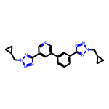 | 8.01 | 399.19 | 0 | 9 | 30 | 2.876 | 7 | 0.2669 | c1cc(-c2cncc(-c3nnn(CC4CC4)n3)c2)cc(-c2nnn(CC3CC3)n2)c1
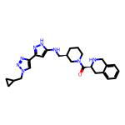 | 8.00 | 460.27 | 3 | 7 | 34 | 2.443 | 7 | 0.2354 | O=C([C@@H]1Cc2ccccc2CN1)N1CCC[C@H](CNc2cc(-c3cn(CC4CC4)nn3)n[nH]2)C1

