Molecules
Molecule | Reward | MW | H-bond donors | H-bond acceptors | Heavy atoms | cLogP | Rotatable bonds | Ligand efficiency | SMILES
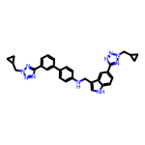 | 8.22 | 542.27 | 2 | 9 | 41 | 5.574 | 10 | 0.2006 | c1cc(-c2ccc(NCc3c[nH]c4ccc(-c5nnn(CC6CC6)n5)cc34)cc2)cc(-c2nnn(CC3CC3)n2)c1
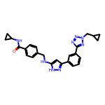 | 8.19 | 454.22 | 3 | 7 | 34 | 3.645 | 9 | 0.2409 | O=C(NC1CC1)c1ccc(CNc2cc(-c3cccc(-c4nnn(CC5CC5)n4)c3)n[nH]2)cc1
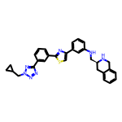 | 8.19 | 519.22 | 2 | 8 | 38 | 5.667 | 8 | 0.2155 | c1cc(NC[C@@H]2Cc3ccccc3CN2)cc(-c2csc(-c3cccc(-c4nnn(CC5CC5)n4)c3)n2)c1
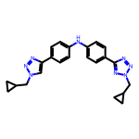 | 8.17 | 412.21 | 1 | 8 | 31 | 4.162 | 8 | 0.2636 | c1cc(-c2cn(CC3CC3)nn2)ccc1Nc1ccc(-c2nnn(CC3CC3)n2)cc1
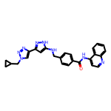 | 8.11 | 464.21 | 3 | 7 | 35 | 4.491 | 8 | 0.2318 | O=C(Nc1ccnc2ccccc12)c1ccc(CNc2cc(-c3cn(CC4CC4)nn3)n[nH]2)cc1
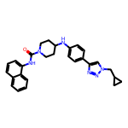 | 8.11 | 466.25 | 2 | 5 | 35 | 5.617 | 6 | 0.2317 | O=C(Nc1cccc2ccccc12)N1CCC(Nc2ccc(-c3cn(CC4CC4)nn3)cc2)CC1
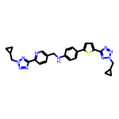 | 8.11 | 510.21 | 1 | 11 | 37 | 4.549 | 10 | 0.2192 | c1cc(-c2nnn(CC3CC3)n2)ncc1CNc1ccc(-c2ccc(-c3nnn(CC4CC4)n3)s2)cc1
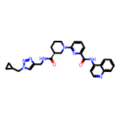 | 8.11 | 510.25 | 2 | 8 | 38 | 3.416 | 8 | 0.2134 | O=C(Nc1ccnc2ccccc12)c1cccc(N2CCC[C@H](C(=O)NCc3cn(CC4CC4)nn3)C2)n1
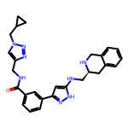 | 8.11 | 482.25 | 4 | 7 | 36 | 3.135 | 9 | 0.2251 | O=C(NCc1cn(CC2CC2)nn1)c1cccc(-c2cc(NC[C@@H]3Cc4ccccc4CN3)[nH]n2)c1
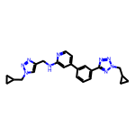 | 8.10 | 427.22 | 1 | 9 | 32 | 3.426 | 9 | 0.2533 | c1cc(-c2ccnc(NCc3cn(CC4CC4)nn3)c2)cc(-c2nnn(CC3CC3)n2)c1
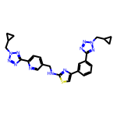 | 8.10 | 511.20 | 1 | 12 | 37 | 3.944 | 10 | 0.2190 | c1cc(-c2csc(NCc3ccc(-c4nnn(CC5CC5)n4)nc3)n2)cc(-c2nnn(CC3CC3)n2)c1
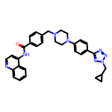 | 8.10 | 544.27 | 1 | 8 | 41 | 4.873 | 8 | 0.1975 | O=C(Nc1ccnc2ccccc12)c1ccc(CN2CCN(c3ccc(-c4nnn(CC5CC5)n4)cc3)CC2)cc1
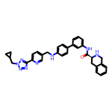 | 8.09 | 556.27 | 3 | 8 | 42 | 5.077 | 9 | 0.1926 | O=C(Nc1cccc(-c2ccc(NCc3ccc(-c4nnn(CC5CC5)n4)nc3)cc2)c1)[C@@H]1Cc2ccccc2CN1
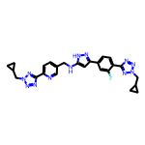 | 8.09 | 512.23 | 2 | 11 | 38 | 3.350 | 10 | 0.2128 | Fc1cc(-c2cc(NCc3ccc(-c4nnn(CC5CC5)n4)nc3)[nH]n2)ccc1-c1nnn(CC2CC2)n1
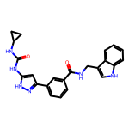 | 8.08 | 414.18 | 5 | 3 | 31 | 3.772 | 6 | 0.2606 | O=C(Nc1cc(-c2cccc(C(=O)NCc3c[nH]c4ccccc34)c2)n[nH]1)NC1CC1
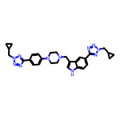 | 8.07 | 535.29 | 1 | 10 | 40 | 3.617 | 9 | 0.2017 | c1cc(N2CCN(Cc3c[nH]c4ccc(-c5nnn(CC6CC6)n5)cc34)CC2)ccc1-c1nnn(CC2CC2)n1
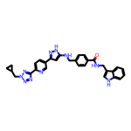 | 8.05 | 544.24 | 4 | 8 | 41 | 4.559 | 10 | 0.1963 | O=C(NCc1c[nH]c2ccccc12)c1ccc(CNc2cc(-c3ccc(-c4nnn(CC5CC5)n4)nc3)n[nH]2)cc1
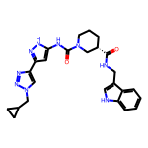 | 8.04 | 487.24 | 4 | 6 | 36 | 3.120 | 7 | 0.2234 | O=C(NCc1c[nH]c2ccccc12)[C@H]1CCCN(C(=O)Nc2cc(-c3cn(CC4CC4)nn3)n[nH]2)C1
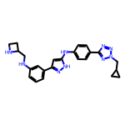 | 8.04 | 441.24 | 4 | 8 | 33 | 3.658 | 9 | 0.2436 | c1cc(NCC2CCN2)cc(-c2cc(Nc3ccc(-c4nnn(CC5CC5)n4)cc3)[nH]n2)c1
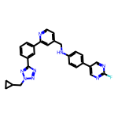 | 8.04 | 478.20 | 1 | 8 | 36 | 5.020 | 8 | 0.2233 | Fc1ncc(-c2ccc(NCc3ccnc(-c4cccc(-c5nnn(CC6CC6)n5)c4)c3)cc2)cn1
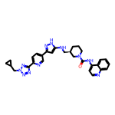 | 8.04 | 549.27 | 3 | 9 | 41 | 4.439 | 8 | 0.1960 | O=C(Nc1ccnc2ccccc12)N1CCC[C@H](CNc2cc(-c3ccc(-c4nnn(CC5CC5)n4)nc3)n[nH]2)C1
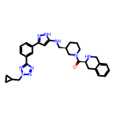 | 8.04 | 537.30 | 3 | 8 | 40 | 3.505 | 8 | 0.2009 | O=C([C@@H]1Cc2ccccc2CN1)N1CCC[C@H](CNc2cc(-c3cccc(-c4nnn(CC5CC5)n4)c3)n[nH]2)C1
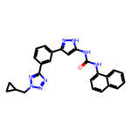 | 8.04 | 450.19 | 3 | 6 | 34 | 4.937 | 6 | 0.2363 | O=C(Nc1cc(-c2cccc(-c3nnn(CC4CC4)n3)c2)n[nH]1)Nc1cccc2ccccc12
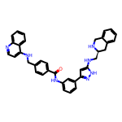 | 8.03 | 579.27 | 5 | 6 | 44 | 6.616 | 9 | 0.1826 | O=C(Nc1cccc(-c2cc(NC[C@@H]3Cc4ccccc4CN3)[nH]n2)c1)c1ccc(CNc2ccnc3ccccc23)cc1
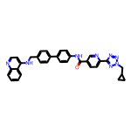 | 8.03 | 552.24 | 2 | 8 | 42 | 6.225 | 9 | 0.1913 | O=C(Nc1ccc(-c2ccc(CNc3ccnc4ccccc34)cc2)cc1)c1ccc(-c2nnn(CC3CC3)n2)nc1
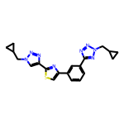 | 8.03 | 404.15 | 0 | 9 | 29 | 3.542 | 7 | 0.2769 | c1cc(-c2csc(-c3cn(CC4CC4)nn3)n2)cc(-c2nnn(CC3CC3)n2)c1
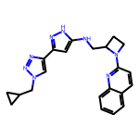 | 8.03 | 400.21 | 2 | 7 | 30 | 3.317 | 7 | 0.2675 | c1ccc2nc(N3CCC3CNc3cc(-c4cn(CC5CC5)nn4)n[nH]3)ccc2c1
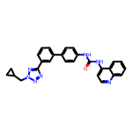 | 8.02 | 461.20 | 2 | 6 | 35 | 5.609 | 6 | 0.2292 | O=C(Nc1ccc(-c2cccc(-c3nnn(CC4CC4)n3)c2)cc1)Nc1ccnc2ccccc12
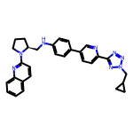 | 8.02 | 502.26 | 1 | 8 | 38 | 5.441 | 8 | 0.2110 | c1ccc2nc(N3CCC[C@H]3CNc3ccc(-c4ccc(-c5nnn(CC6CC6)n5)nc4)cc3)ccc2c1
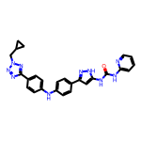 | 8.01 | 492.21 | 4 | 8 | 37 | 4.923 | 8 | 0.2166 | O=C(Nc1ccccn1)Nc1cc(-c2ccc(Nc3ccc(-c4nnn(CC5CC5)n4)cc3)cc2)n[nH]1
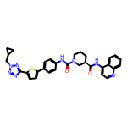 | 8.01 | 578.22 | 2 | 8 | 42 | 5.909 | 7 | 0.1908 | O=C(Nc1ccnc2ccccc12)[C@@H]1CCCN(C(=O)Nc2ccc(-c3ccc(-c4nnn(CC5CC5)n4)s3)cc2)C1
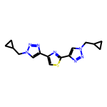 | 8.01 | 327.13 | 0 | 8 | 23 | 2.480 | 6 | 0.3483 | c1sc(-c2cn(CC3CC3)nn2)nc1-c1cn(CC2CC2)nn1
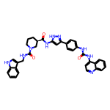 | 8.01 | 627.27 | 6 | 5 | 47 | 6.311 | 7 | 0.1704 | O=C(Nc1ccc(-c2cc(NC(=O)[C@@H]3CCCN(C(=O)NCc4c[nH]c5ccccc45)C3)[nH]n2)cc1)Nc1ccnc2ccccc12
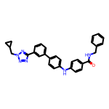 | 8.01 | 500.23 | 2 | 6 | 38 | 6.091 | 9 | 0.2107 | O=C(NCc1ccccc1)c1ccc(Nc2ccc(-c3cccc(-c4nnn(CC5CC5)n4)c3)cc2)cc1
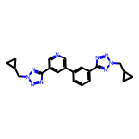 | 8.01 | 399.19 | 0 | 9 | 30 | 2.876 | 7 | 0.2669 | c1cc(-c2cncc(-c3nnn(CC4CC4)n3)c2)cc(-c2nnn(CC3CC3)n2)c1

