Molecules
Molecule | Reward | MW | H-bond donors | H-bond acceptors | Heavy atoms | cLogP | Rotatable bonds | Ligand efficiency | SMILES
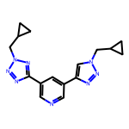 | 8.05 | 322.17 | 0 | 8 | 24 | 1.814 | 6 | 0.3352 | c1ncc(-c2nnn(CC3CC3)n2)cc1-c1cn(CC2CC2)nn1
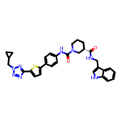 | 8.00 | 580.24 | 3 | 7 | 42 | 5.520 | 8 | 0.1905 | O=C(NCc1c[nH]c2ccccc12)[C@H]1CCCN(C(=O)Nc2ccc(-c3ccc(-c4nnn(CC5CC5)n4)s3)cc2)C1

