Molecules
Molecule | Reward | MW | H-bond donors | H-bond acceptors | Heavy atoms | cLogP | Rotatable bonds | Ligand efficiency | SMILES
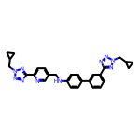 | 8.26 | 504.25 | 1 | 10 | 38 | 4.488 | 10 | 0.2173 | c1cc(-c2ccc(NCc3ccc(-c4nnn(CC5CC5)n4)nc3)cc2)cc(-c2nnn(CC3CC3)n2)c1
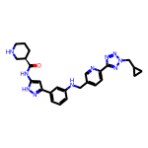 | 8.12 | 498.26 | 4 | 9 | 37 | 3.085 | 9 | 0.2193 | O=C(Nc1cc(-c2cccc(NCc3ccc(-c4nnn(CC5CC5)n4)nc3)c2)n[nH]1)[C@@H]1CCCNC1
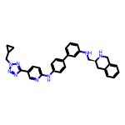 | 8.11 | 528.27 | 3 | 8 | 40 | 5.682 | 9 | 0.2026 | c1cc(NC[C@@H]2Cc3ccccc3CN2)cc(-c2ccc(Nc3ccc(-c4nnn(CC5CC5)n4)cn3)cc2)c1
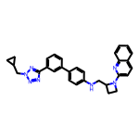 | 8.10 | 487.25 | 1 | 7 | 37 | 5.656 | 8 | 0.2190 | c1cc(-c2ccc(NCC3CCN3c3ccc4ccccc4n3)cc2)cc(-c2nnn(CC3CC3)n2)c1
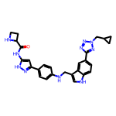 | 8.10 | 508.24 | 5 | 8 | 38 | 3.534 | 9 | 0.2132 | O=C(Nc1cc(-c2ccc(NCc3c[nH]c4ccc(-c5nnn(CC6CC6)n5)cc34)cc2)n[nH]1)C1CCN1
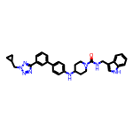 | 8.10 | 546.29 | 3 | 6 | 41 | 5.685 | 8 | 0.1976 | O=C(NCc1c[nH]c2ccccc12)N1CCC(Nc2ccc(-c3cccc(-c4nnn(CC5CC5)n4)c3)cc2)CC1
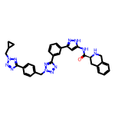 | 8.10 | 598.27 | 3 | 11 | 45 | 3.495 | 9 | 0.1800 | O=C(Nc1cc(-c2cccc(-c3nnn(Cc4ccc(-c5nnn(CC6CC6)n5)cc4)n3)c2)n[nH]1)[C@@H]1Cc2ccccc2CN1
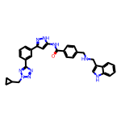 | 8.09 | 543.25 | 4 | 7 | 41 | 5.164 | 10 | 0.1974 | O=C(Nc1cc(-c2cccc(-c3nnn(CC4CC4)n3)c2)n[nH]1)c1ccc(CNCc2c[nH]c3ccccc23)cc1
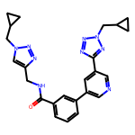 | 8.08 | 455.22 | 1 | 9 | 34 | 2.744 | 9 | 0.2377 | O=C(NCc1cn(CC2CC2)nn1)c1cccc(-c2cncc(-c3nnn(CC4CC4)n3)c2)c1
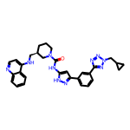 | 8.07 | 548.28 | 3 | 8 | 41 | 5.044 | 8 | 0.1967 | O=C(Nc1cc(-c2cccc(-c3nnn(CC4CC4)n3)c2)n[nH]1)N1CCC[C@H](CNc2ccnc3ccccc23)C1
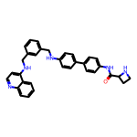 | 8.05 | 513.25 | 4 | 5 | 39 | 6.426 | 9 | 0.2064 | O=C(Nc1ccc(-c2ccc(NCc3cccc(CNc4ccnc5ccccc45)c3)cc2)cc1)C1CCN1
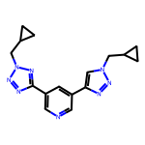 | 8.05 | 322.17 | 0 | 8 | 24 | 1.814 | 6 | 0.3352 | c1ncc(-c2nnn(CC3CC3)n2)cc1-c1cn(CC2CC2)nn1
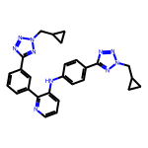 | 8.04 | 490.23 | 1 | 10 | 37 | 4.619 | 9 | 0.2174 | c1cc(-c2nnn(CC3CC3)n2)cc(-c2ncccc2Nc2ccc(-c3nnn(CC4CC4)n3)cc2)c1
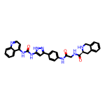 | 8.03 | 560.23 | 6 | 6 | 42 | 4.038 | 7 | 0.1911 | O=C(CNC(=O)[C@@H]1Cc2ccccc2CN1)Nc1ccc(-c2cc(NC(=O)Nc3ccnc4ccccc34)[nH]n2)cc1
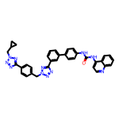 | 8.02 | 619.26 | 2 | 10 | 47 | 6.311 | 9 | 0.1707 | O=C(Nc1ccc(-c2cccc(-c3nnn(Cc4ccc(-c5nnn(CC6CC6)n5)cc4)n3)c2)cc1)Nc1ccnc2ccccc12
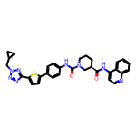 | 8.01 | 578.22 | 2 | 8 | 42 | 5.909 | 7 | 0.1908 | O=C(Nc1ccnc2ccccc12)[C@@H]1CCCN(C(=O)Nc2ccc(-c3ccc(-c4nnn(CC5CC5)n4)s3)cc2)C1
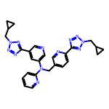 | 8.00 | 506.24 | 0 | 12 | 38 | 3.337 | 10 | 0.2106 | c1ccc(N(Cc2ccc(-c3nnn(CC4CC4)n3)nc2)c2cncc(-c3nnn(CC4CC4)n3)c2)nc1

