Molecules
Molecule | Reward | MW | H-bond donors | H-bond acceptors | Heavy atoms | cLogP | Rotatable bonds | Ligand efficiency | SMILES
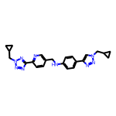 | 8.30 | 427.22 | 1 | 9 | 32 | 3.426 | 9 | 0.2595 | c1cc(-c2nnn(CC3CC3)n2)ncc1CNc1ccc(-c2cn(CC3CC3)nn2)cc1
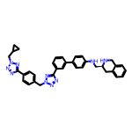 | 8.17 | 594.30 | 2 | 10 | 45 | 5.245 | 10 | 0.1815 | c1cc(-c2ccc(NC[C@@H]3Cc4ccccc4CN3)cc2)cc(-c2nnn(Cc3ccc(-c4nnn(CC5CC5)n4)cc3)n2)c1
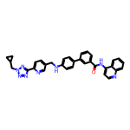 | 8.08 | 552.24 | 2 | 8 | 42 | 6.225 | 9 | 0.1924 | O=C(Nc1ccnc2ccccc12)c1cccc(-c2ccc(NCc3ccc(-c4nnn(CC5CC5)n4)nc3)cc2)c1
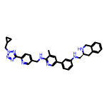 | 8.08 | 557.30 | 3 | 9 | 42 | 5.254 | 10 | 0.1923 | Cc1cc(-c2cccc(NC[C@@H]3Cc4ccccc4CN3)c2)cnc1NCc1ccc(-c2nnn(CC3CC3)n2)nc1
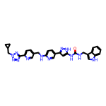 | 8.07 | 560.25 | 5 | 9 | 42 | 4.345 | 10 | 0.1922 | O=C(NCc1c[nH]c2ccccc12)Nc1cc(-c2ccc(NCc3ccc(-c4nnn(CC5CC5)n4)nc3)nc2)n[nH]1
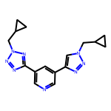 | 8.05 | 322.17 | 0 | 8 | 24 | 1.814 | 6 | 0.3352 | c1ncc(-c2nnn(CC3CC3)n2)cc1-c1cn(CC2CC2)nn1
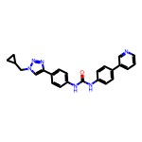 | 8.04 | 410.19 | 2 | 5 | 31 | 5.061 | 6 | 0.2595 | O=C(Nc1ccc(-c2cccnc2)cc1)Nc1ccc(-c2cn(CC3CC3)nn2)cc1

