Molecules
Molecule | Reward | MW | H-bond donors | H-bond acceptors | Heavy atoms | cLogP | Rotatable bonds | Ligand efficiency | SMILES
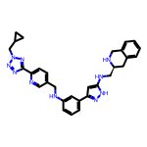 | 8.30 | 532.28 | 4 | 9 | 40 | 4.274 | 10 | 0.2076 | c1cc(NCc2ccc(-c3nnn(CC4CC4)n3)nc2)cc(-c2cc(NC[C@@H]3Cc4ccccc4CN3)[nH]n2)c1
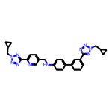 | 8.26 | 504.25 | 1 | 10 | 38 | 4.488 | 10 | 0.2173 | c1cc(-c2ccc(NCc3ccc(-c4nnn(CC5CC5)n4)nc3)cc2)cc(-c2nnn(CC3CC3)n2)c1
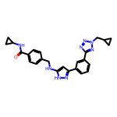 | 8.19 | 454.22 | 3 | 7 | 34 | 3.645 | 9 | 0.2409 | O=C(NC1CC1)c1ccc(CNc2cc(-c3cccc(-c4nnn(CC5CC5)n4)c3)n[nH]2)cc1
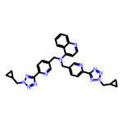 | 8.17 | 570.27 | 0 | 12 | 43 | 4.359 | 11 | 0.1901 | c1ccc2c(N(Cc3ccc(-c4nnn(CC5CC5)n4)nc3)Cc3ccc(-c4nnn(CC5CC5)n4)nc3)ccnc2c1
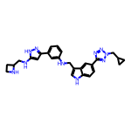 | 8.17 | 494.27 | 5 | 8 | 37 | 4.007 | 10 | 0.2208 | c1cc(NCc2c[nH]c3ccc(-c4nnn(CC5CC5)n4)cc23)cc(-c2cc(NCC3CCN3)[nH]n2)c1
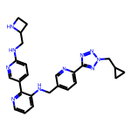 | 8.17 | 468.25 | 3 | 10 | 35 | 2.988 | 10 | 0.2333 | c1cnc(-c2ccc(NCC3CCN3)nc2)c(NCc2ccc(-c3nnn(CC4CC4)n3)nc2)c1
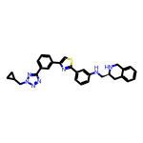 | 8.17 | 519.22 | 2 | 8 | 38 | 5.667 | 8 | 0.2149 | c1cc(-c2csc(-c3cccc(NC[C@@H]4Cc5ccccc5CN4)c3)n2)cc(-c2nnn(CC3CC3)n2)c1
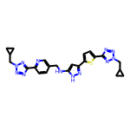 | 8.12 | 500.20 | 2 | 12 | 36 | 3.272 | 10 | 0.2255 | c1cc(-c2nnn(CC3CC3)n2)ncc1CNc1cc(-c2ccc(-c3nnn(CC4CC4)n3)s2)n[nH]1
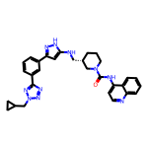 | 8.11 | 548.28 | 3 | 8 | 41 | 5.044 | 8 | 0.1979 | O=C(Nc1ccnc2ccccc12)N1CCC[C@@H](CNc2cc(-c3cccc(-c4nnn(CC5CC5)n4)c3)n[nH]2)C1
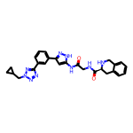 | 8.10 | 497.23 | 4 | 8 | 37 | 1.909 | 8 | 0.2190 | O=C(CNC(=O)[C@@H]1Cc2ccccc2CN1)Nc1cc(-c2cccc(-c3nnn(CC4CC4)n3)c2)n[nH]1
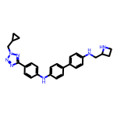 | 8.10 | 451.25 | 3 | 7 | 34 | 4.935 | 9 | 0.2383 | c1cc(-c2ccc(Nc3ccc(-c4nnn(CC5CC5)n4)cc3)cc2)ccc1NCC1CCN1
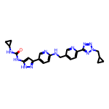 | 8.09 | 471.22 | 4 | 9 | 35 | 2.826 | 9 | 0.2310 | O=C(Nc1cc(-c2ccc(NCc3ccc(-c4nnn(CC5CC5)n4)nc3)nc2)n[nH]1)NC1CC1
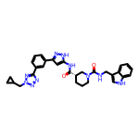 | 8.08 | 564.27 | 4 | 7 | 42 | 4.182 | 8 | 0.1923 | O=C(Nc1cc(-c2cccc(-c3nnn(CC4CC4)n3)c2)n[nH]1)[C@H]1CCCN(C(=O)NCc2c[nH]c3ccccc23)C1
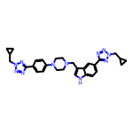 | 8.07 | 535.29 | 1 | 10 | 40 | 3.617 | 9 | 0.2017 | c1cc(N2CCN(Cc3c[nH]c4ccc(-c5nnn(CC6CC6)n5)cc34)CC2)ccc1-c1nnn(CC2CC2)n1
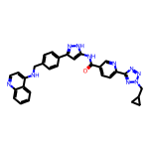 | 8.06 | 542.23 | 3 | 9 | 41 | 4.948 | 9 | 0.1965 | O=C(Nc1cc(-c2ccc(CNc3ccnc4ccccc34)cc2)n[nH]1)c1ccc(-c2nnn(CC3CC3)n2)nc1
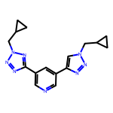 | 8.05 | 322.17 | 0 | 8 | 24 | 1.814 | 6 | 0.3352 | c1ncc(-c2nnn(CC3CC3)n2)cc1-c1cn(CC2CC2)nn1
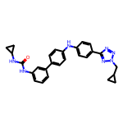 | 8.04 | 465.23 | 3 | 6 | 35 | 5.445 | 8 | 0.2298 | O=C(Nc1cccc(-c2ccc(Nc3ccc(-c4nnn(CC5CC5)n4)cc3)cc2)c1)NC1CC1
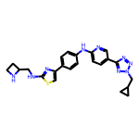 | 8.02 | 459.20 | 3 | 10 | 33 | 3.786 | 9 | 0.2431 | c1cc(-c2csc(NCC3CCN3)n2)ccc1Nc1ccc(-c2nnn(CC3CC3)n2)cn1
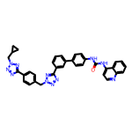 | 8.02 | 619.26 | 2 | 10 | 47 | 6.311 | 9 | 0.1707 | O=C(Nc1ccc(-c2cccc(-c3nnn(Cc4ccc(-c5nnn(CC6CC6)n5)cc4)n3)c2)cc1)Nc1ccnc2ccccc12
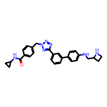 | 8.01 | 479.24 | 3 | 7 | 36 | 3.721 | 9 | 0.2226 | O=C(NC1CC1)c1ccc(Cn2nnc(-c3cccc(-c4ccc(NCC5CCN5)cc4)c3)n2)cc1
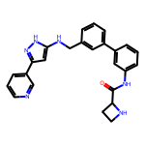 | 8.01 | 424.20 | 4 | 5 | 32 | 4.051 | 7 | 0.2502 | O=C(Nc1cccc(-c2cccc(CNc3cc(-c4cccnc4)n[nH]3)c2)c1)C1CCN1
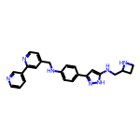 | 8.00 | 411.22 | 4 | 6 | 31 | 3.920 | 8 | 0.2582 | c1cncc(-c2cc(CNc3ccc(-c4cc(NCC5CCN5)[nH]n4)cc3)ccn2)c1

