Molecules
Molecule | Reward | MW | H-bond donors | H-bond acceptors | Heavy atoms | cLogP | Rotatable bonds | Ligand efficiency | SMILES
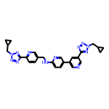 | 8.16 | 506.24 | 1 | 12 | 38 | 3.278 | 10 | 0.2148 | c1cc(-c2nnn(CC3CC3)n2)ncc1CNc1ccc(-c2cncc(-c3nnn(CC4CC4)n3)c2)cn1
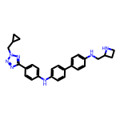 | 8.10 | 451.25 | 3 | 7 | 34 | 4.935 | 9 | 0.2383 | c1cc(-c2ccc(Nc3ccc(-c4nnn(CC5CC5)n4)cc3)cc2)ccc1NCC1CCN1
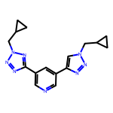 | 8.05 | 322.17 | 0 | 8 | 24 | 1.814 | 6 | 0.3352 | c1ncc(-c2nnn(CC3CC3)n2)cc1-c1cn(CC2CC2)nn1
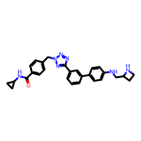 | 8.01 | 479.24 | 3 | 7 | 36 | 3.721 | 9 | 0.2226 | O=C(NC1CC1)c1ccc(Cn2nnc(-c3cccc(-c4ccc(NCC5CCN5)cc4)c3)n2)cc1

