Assignment Dashboard
`
HR ATTRITION DASHBOARD

Average Age
Total Employees
Attrition
Active Employees
Attrition Rate

961
133
828
13.84%
37
Name : Arman Danesh Chomok 2413

Total Employees by Gender
Education wise Attrition
Attrition by Job Role -TOP 5
 | Total
Female | 376842
Male | 590408
 | Total
Doctoral Degree | 3
High School | 19
Associates Degree | 23
Master's Degree | 32
Bachelor's Degree | 56

Attrition by Age Group
Filter Pannel
Department wise Attrition
 | Total
Divorced | 18
Married | 49
Single | 66
Attrition by Maritial Status
 | Total
R&D | 961
 | Total
25 - 34 | 65
35 - 44 | 29
45 - 54 | 8
Over 55 | 9
Under 25 | 22

Dashboard - Sample
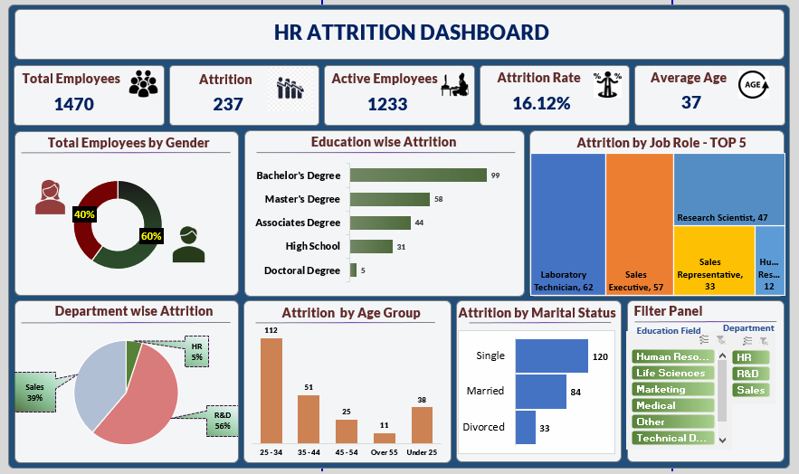

Attrition by Marital Status (Us
Attrition by Marital Status (Use Bar-Chart)

Row Labels | Sum of CF_attrition count
Divorced | 18
Married | 49
Single | 66
Grand Total | 133

Male Vs. Female Ratio (Use Donu
Row Labels | Sum of Employee Number
Female | 376842
Male | 590408
Grand Total | 967250

Department Wise Attrition(Use P
 |  | 1. (Use Pie Chart)
Row Labels | Count of Attrition
R&D | 961
Grand Total | 961

Attrition by Age Group (Use Col
 | 1. Attrition by Age Group (Use Column Chart)

Row Labels | Sum of CF_attrition count
25 - 34 | 65
35 - 44 | 29
45 - 54 | 8
Over 55 | 9
Under 25 | 22
Grand Total | 133

Education-wise Attrition (Use B
 |  | Education-wise Attrition (Use Bar-Chart)

Row Labels | Sum of CF_attrition rate
Doctoral Degree | 3
High School | 19
Associates Degree | 23
Master's Degree | 32
Bachelor's Degree | 56
Grand Total | 133

