SW_info
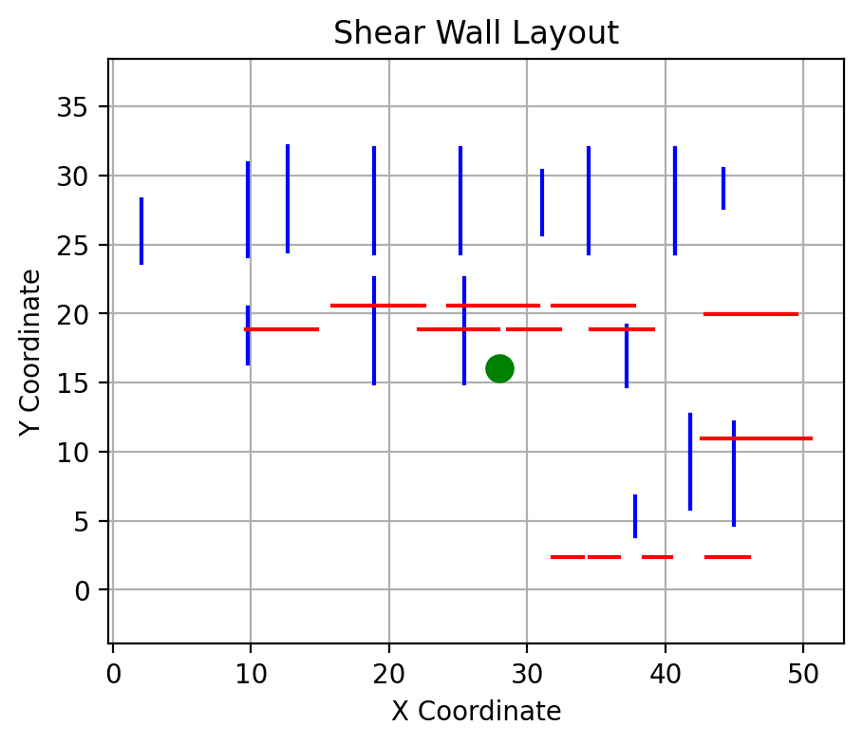
 |  |  |  |  | Project: | Testing
 |  |  |  |  | Job No.:
 |  |  |  |  | Designer: | ACH |  |  | Date: | 8-Jan-25
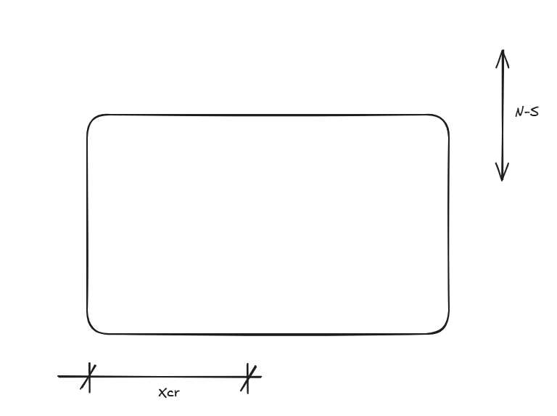

 | 1. Rigid diaphragm analysis output summary

 | Building geometry
 | L | = | Longest dimension of the building |  |  | = |  | m
 | B | = | Shortest dimension of the building |  |  | = |  | m

 | Xcm | = | Distance from origin to CoM in x direction |  |  | = | 28.0 | m
 | Ycm | = | Distance from origin to CoM in y direction |  |  | = | 16.0 | m

 | Xcr | = | Distance from origin to CoR in x direction |  |  | = |  | m
 | Ycr | = | Distance from origin to CoR in y direction |  |  | = |  | m

 | Jpx | = | Polar moment of inertia in x direction |  |  | =
 | Jpy | = | Polar moment of inertia in y direction |  |  | =

 | Input data table

 | North South Direction |  |  |  |  |  |  |  |  |  | East West Direction

Wall ID | Wall No | Length (m) | Height (m) | X Coordinate (m) | Y Coordinate (m) | dx = abs(xcr-x) | kdx2 | Mtor | Vns |  | Wall ID | Wall No | Length (m) | Height (m) | X Coordinate (m) | Y Coordinate (m) | dy = abs(ycr-y) | kdy2 | Mtor | Vew |  | id | length | height | x | y
NS1 | 1 | 4.6 | 3.2 | 2.1 | 23.7 |  | 0.039874081847 |  |  |  | EW1 | 1 | 5.2 | 3.2 | 12.8 | 18.8 |  | 0.082721488008 |  |  | 0 | NS1 | 4.6341463415 | 3.2 | 2.1036585366 | 23.658536585
NS2 | 2 | 6.8 | 3.2 | 9.8 | 24.1 |  | 0.058237145855 |  |  |  | EW2 | 2 | 5.8 | 3.2 | 25.2 | 18.8 |  | 0.093000489476 |  |  | 1 | NS2 | 6.7682926829 | 3.2 | 9.756097561 | 24.115853659
NS3 | 3 | 4.1 | 3.2 | 9.8 | 16.4 |  | 0.035152151102 |  |  |  | EW3 | 3 | 3.8 | 3.2 | 31.7 | 18.8 |  | 0.061674008811 |  |  | 2 | NS3 | 4.0853658537 | 3.2 | 9.756097561 | 16.37195122
NS4 | 4 | 4.1 | 3.2 | 9.8 | 16.4 |  | 0.035152151102 |  |  |  | EW4 | 4 | 4.6 | 3.2 | 37.7 | 18.8 |  | 0.07342143906 |  |  | 3 | NS4 | 4.0853658537 | 3.2 | 9.756097561 | 16.37195122
NS5 | 5 | 7.6 | 3.2 | 12.7 | 24.5 |  | 0.065320041973 |  |  |  | EW5 | 5 | 6.7 | 3.2 | 19.0 | 20.5 |  | 0.10719530103 |  |  | 4 | NS5 | 7.5914634146 | 3.2 | 12.652439024 | 24.527439024
NS6 | 6 | 7.6 | 3.2 | 18.9 | 24.4 |  | 0.065582371459 |  |  |  | EW6 | 6 | 6.5 | 3.2 | 27.4 | 20.5 |  | 0.10474791973 |  |  | 5 | NS6 | 7.6219512195 | 3.2 | 18.902439024 | 24.390243902
NS7 | 7 | 7.6 | 3.2 | 18.9 | 14.9 |  | 0.065582371459 |  |  |  | EW7 | 7 | 5.9 | 3.2 | 35.0 | 20.5 |  | 0.094468918257 |  |  | 6 | NS7 | 7.6219512195 | 3.2 | 18.902439024 | 14.93902439
NS8 | 8 | 7.6 | 3.2 | 25.2 | 24.4 |  | 0.065582371459 |  |  |  | EW8 | 8 | 6.6 | 3.2 | 46.0 | 20.0 |  | 0.10572687225 |  |  | 7 | NS8 | 7.6219512195 | 3.2 | 25.152439024 | 24.390243902
NS9 | 9 | 7.6 | 3.2 | 25.5 | 14.9 |  | 0.065582371459 |  |  |  | EW9 | 9 | 7.9 | 3.2 | 45.7 | 11.0 |  | 0.12677435144 |  |  | 8 | NS9 | 7.6219512195 | 3.2 | 25.457317073 | 14.93902439
NS10 | 10 | 4.6 | 3.2 | 31.1 | 25.8 |  | 0.039349422875 |  |  |  | EW10 | 10 | 2.2 | 3.2 | 34.9 | 2.4 |  | 0.035242290749 |  |  | 9 | NS10 | 4.5731707317 | 3.2 | 31.097560976 | 25.762195122
NS11 | 11 | 7.6 | 3.2 | 34.5 | 24.4 |  | 0.065582371459 |  |  |  | EW11 | 11 | 2.1 | 3.2 | 37.6 | 2.4 |  | 0.033773861968 |  |  | 10 | NS11 | 7.6219512195 | 3.2 | 34.451219512 | 24.390243902
NS12 | 12 | 4.4 | 3.2 | 37.2 | 14.7 |  | 0.038037775446 |  |  |  | EW12 | 12 | 2.0 | 3.2 | 41.5 | 2.4 |  | 0.031815956926 |  |  | 11 | NS12 | 4.4207317073 | 3.2 | 37.195121951 | 14.710365854
NS13 | 13 | 7.6 | 3.2 | 40.7 | 24.4 |  | 0.065582371459 |  |  |  | EW13 | 13 | 3.1 | 3.2 | 46.1 | 2.4 |  | 0.049437102301 |  |  | 12 | NS13 | 7.6219512195 | 3.2 | 40.701219512 | 24.390243902
NS14 | 14 | 7.6 | 3.2 | 40.7 | 24.4 |  | 0.065582371459 |  |  |  |  |  |  |  |  |  |  |  |  |  | 13 | NS14 | 7.6219512195 | 3.2 | 40.701219512 | 24.390243902
NS15 | 15 | 2.9 | 3.2 | 37.8 | 3.9 |  | 0.024921301154 |  |  |  |  |  |  |  |  |  |  |  |  |  | 14 | NS15 | 2.8963414634 | 3.2 | 37.804878049 | 3.887195122
NS16 | 16 | 6.8 | 3.2 | 41.8 | 5.9 |  | 0.058761804827 |  |  |  |  |  |  |  |  |  |  |  |  |  | 15 | NS16 | 6.8292682927 | 3.2 | 41.768292683 | 5.8536585366
NS17 | 17 | 6.8 | 3.2 | 41.8 | 5.9 |  | 0.058761804827 |  |  |  |  |  |  |  |  |  |  |  |  |  | 16 | NS17 | 6.8292682927 | 3.2 | 41.768292683 | 5.8536585366
NS18 | 18 | 4.5 | 3.2 | 45.0 | 4.7 |  | 0.038824763903 |  |  |  |  |  |  |  |  |  |  |  |  |  | 17 | NS18 | 4.512195122 | 3.2 | 44.969512195 | 4.6951219512
NS19 | 19 | 2.8 | 3.2 | 45.0 | 9.3 |  | 0.024134312697 |  |  |  |  |  |  |  |  |  |  |  |  |  | 18 | NS19 | 2.8048780488 | 3.2 | 44.969512195 | 9.3292682927
NS20 | 20 | 2.8 | 3.2 | 44.2 | 27.6 |  | 0.024396642183 |  |  |  |  |  |  |  |  |  |  |  |  |  | 19 | NS20 | 2.8353658537 | 3.2 | 44.207317073 | 27.637195122
 |  |  |  |  |  |  |  |  |  |  |  |  |  |  |  |  |  |  |  |  | 20 | EW1 | 5.1524390244 | 3.2 | 9.6743902439 | 18.841463415
 |  |  |  |  |  |  |  |  |  |  |  |  |  |  |  |  |  |  |  |  | 21 | EW2 | 5.7926829268 | 3.2 | 22.113414634 | 18.841463415
 |  |  |  |  |  |  |  |  |  |  |  |  |  |  |  |  |  |  |  |  | 22 | EW3 | 3.8414634146 | 3.2 | 28.576829268 | 18.841463415
 |  |  |  |  |  |  |  |  |  |  |  |  |  |  |  |  |  |  |  |  | 23 | EW4 | 4.5731707317 | 3.2 | 34.552439024 | 18.841463415
 |  |  |  |  |  |  |  |  |  |  |  |  |  |  |  |  |  |  |  |  | 24 | EW5 | 6.6768292683 | 3.2 | 15.878658537 | 20.548780488
 |  |  |  |  |  |  |  |  |  |  |  |  |  |  |  |  |  |  |  |  | 25 | EW6 | 6.5243902439 | 3.2 | 24.308536585 | 20.548780488
 |  |  |  |  |  |  |  |  |  |  |  |  |  |  |  |  |  |  |  |  | 26 | EW7 | 5.8841463415 | 3.2 | 31.854268293 | 20.548780488
 |  |  |  |  |  |  |  |  |  |  |  |  |  |  |  |  |  |  |  |  | 27 | EW8 | 6.5853658537 | 3.2 | 42.875609756 | 19.969512195
 |  |  |  |  |  |  |  |  |  |  |  |  |  |  |  |  |  |  |  |  | 28 | EW9 | 7.8963414634 | 3.2 | 42.616463415 | 10.975609756
 |  |  |  |  |  |  |  |  |  |  |  |  |  |  |  |  |  |  |  |  | 29 | EW10 | 2.1951219512 | 3.2 | 31.83902439 | 2.3780487805
 |  |  |  |  |  |  |  |  |  |  |  |  |  |  |  |  |  |  |  |  | 30 | EW11 | 2.1036585366 | 3.2 | 34.537195122 | 2.3780487805
 |  |  |  |  |  |  |  |  |  |  |  |  |  |  |  |  |  |  |  |  | 31 | EW12 | 1.9817073171 | 3.2 | 38.439634146 | 2.3780487805
 |  |  |  |  |  |  |  |  |  |  |  |  |  |  |  |  |  |  |  |  | 32 | EW13 | 3.0792682927 | 3.2 | 42.951829268 | 2.3780487805

