SW_info
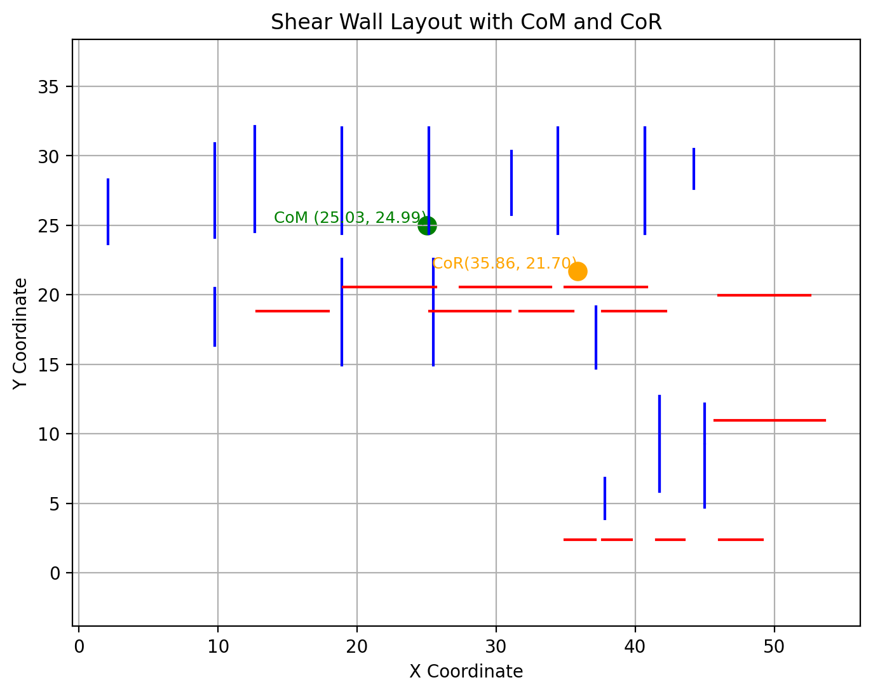
 |  |  |  |  | Project: | Testing
 |  |  |  |  | Job No.:
 |  |  |  |  | Designer: | ACH |  |  | Date: | 12-Jan-25
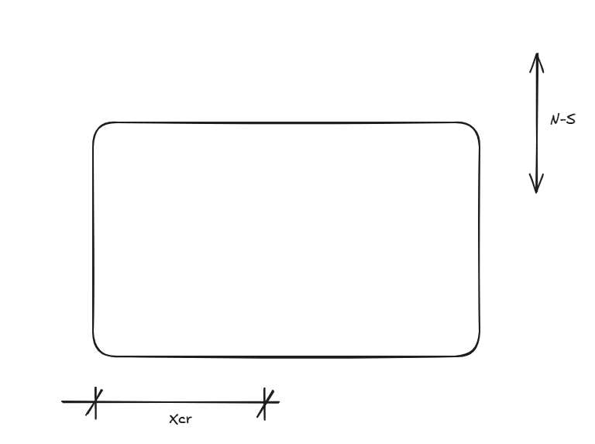

 | 1. Rigid diaphragm analysis output summary

 | Building geometry
 | L | = | Longest dimension of the building |  |  | = | 50.0 | m | x | =
 | B | = | Shortest dimension of the building |  |  | = | 50.0 | m | y | = |  |  |  |  |  |  |  |  |  |  |  |  | NS6 | 6 | 7.6 | 3.2 | 18.9 | 22.2 | 9.1 | 0.066 | 5.060 | 0.067856379907
 |  |  |  |  |  |  |  |  |  |  |  |  |  |  |  |  |  |  |  |  |  |  | NS7 | 7 | 7.6 | 3.2 | 18.9 | 12.7 | 9.1 | 0.066 | 5.060 | 0.067856379907
 | Xcm | = | Distance from origin to CoM in x direction |  |  | = | 25.0 | m | ns_offset | = | 10.8 | m |  |  |  |  |  |  |  |  |  |  | NS8 | 8 | 7.6 | 3.2 | 25.2 | 22.2 | 2.8 | 0.066 | 5.060 | 0.0662872341
 | Ycm | = | Distance from origin to CoM in y direction |  |  | = | 25.0 | m | ew_offset | = | 3.3 | m |  |  |  |  |  |  |  |  |  |  | NS9 | 9 | 7.6 | 3.2 | 25.5 | 12.7 | 2.5 | 0.066 | 5.060 | 0.066210690402
 |  |  |  |  |  |  |  |  |  |  |  |  |  |  |  |  |  |  |  |  |  |  | NS10 | 10 | 4.6 | 3.2 | 31.1 | 23.6 | 3.1 | 0.039 | 5.060 | 0.040137162342
 | Xcr | = | Distance from origin to CoR in x direction |  |  | = | 35.9 | m |  |  |  |  |  |  |  |  |  |  |  |  |  |  | NS11 | 11 | 7.6 | 3.2 | 34.5 | 22.2 | 6.5 | 0.066 | 5.060 | 0.067212091603
 | Ycr | = | Distance from origin to CoR in y direction |  |  | = | 21.7 | m |  |  |  |  |  |  |  |  |  |  |  |  |  |  | NS12 | 12 | 4.4 | 3.2 | 37.2 | 12.5 | 9.2 | 0.038 | 5.060 | 0.040356388871
 |  |  |  |  |  |  |  |  |  |  |  |  |  |  |  |  |  |  |  |  |  |  | NS13 | 13 | 7.6 | 3.2 | 40.7 | 22.2 | 12.7 | 0.066 | 5.060 | 0.06878123741
 | Jpx | = | Polar moment of inertia in x direction |  |  | = | 21153 |  |  |  |  |  |  |  |  |  |  |  |  |  |  |  | NS14 | 14 | 7.6 | 3.2 | 40.7 | 22.2 | 12.7 | 0.066 | 5.060 | 0.06878123741
 | Jpy | = | Polar moment of inertia in y direction |  |  | = | 7608 |  |  |  |  |  |  |  |  |  |  |  |  |  |  |  | NS15 | 15 | 2.9 | 3.2 | 37.8 | 1.7 | 9.8 | 0.025 | 5.060 | 0.027393001975
 |  |  |  |  |  |  |  |  |  |  |  |  |  |  |  |  |  |  |  |  |  |  | NS16 | 16 | 6.8 | 3.2 | 41.8 | 3.7 | 13.8 | 0.059 | 5.060 | 0.062228573721
 | A | = | Roof diaphragm area |  |  | = | 2500 | m2 |  |  |  |  |  |  |  |  |  |  |  |  |  |  | NS17 | 17 | 6.8 | 3.2 | 41.8 | 3.7 | 13.8 | 0.059 | 5.060 | 0.062228573721
 | W | = | Floor DL |  |  | = | 5975 | kN |  |  |  |  |  |  |  |  |  |  |  |  |  |  | NS18 | 18 | 4.5 | 3.2 | 45.0 | 2.5 | 17.0 | 0.039 | 5.060 | 0.043095241625
 |  |  |  |  |  |  |  |  |  |  |  |  |  |  |  |  |  |  |  |  |  |  | NS19 | 19 | 2.8 | 3.2 | 45.0 | 7.1 | 17.0 | 0.024 | 5.060 | 0.028404790418
 | Input data table |  |  |  |  |  |  |  |  |  |  |  |  |  |  |  |  |  |  |  |  |  | NS20 | 20 | 2.8 | 3.2 | 44.2 | 25.4 | 16.2 | 0.024 | 5.060 | 0.02847576066
 | North South Direction |  |  |  |  |  |  |  |  |  |  | East West Direction

Wall ID | Wall No | Length (m) | Height (m) | X Coordinate (m) | Y Coordinate (m) | dx | xV | Mtor | V |  |  | Wall ID | Wall No | Length (m) | Height (m) | X Coordinate (m) | Y Coordinate (m) | dy | xV | Mtor | V |  | id | length | height | x | y
NS1 | 1 | 4.6 | 3.2 | 2.1 | 23.7 | 22.9 | 0.040 | 15.8 | 0.045292763949 |  |  | EW1 | 1 | 5.2 | 3.2 | 12.8 | 18.8 | 6.1 | 0.082721488008 | 8.29 | 0.086760642222 | 0 | NS1 | 4.6341463415 | 3.2 | 2.1036585366 | 21.458536585
NS2 | 2 | 6.8 | 3.2 | 9.8 | 24.1 | 15.3 | 0.058 | 15.8 | 0.061847016078 |  |  | EW2 | 2 | 5.8 | 3.2 | 25.2 | 18.8 | 6.1 | 0.093000489476 | 8.29 | 0.097039643691 | 1 | NS2 | 6.7682926829 | 3.2 | 9.756097561 | 21.915853659
NS3 | 3 | 4.1 | 3.2 | 9.8 | 16.4 | 15.3 | 0.035 | 15.8 | 0.038762021325 |  |  | EW3 | 3 | 3.8 | 3.2 | 31.7 | 18.8 | 6.1 | 0.061674008811 | 8.29 | 0.065713163025 | 2 | NS3 | 4.0853658537 | 3.2 | 9.756097561 | 14.17195122
NS4 | 4 | 4.1 | 3.2 | 9.8 | 16.4 | 15.3 | 0.035 | 15.8 | 0.038762021325 |  |  | EW4 | 4 | 4.6 | 3.2 | 37.7 | 18.8 | 6.1 | 0.07342143906 | 8.29 | 0.077460593275 | 3 | NS4 | 4.0853658537 | 3.2 | 9.756097561 | 14.17195122
NS5 | 5 | 7.6 | 3.2 | 12.7 | 24.5 | 12.4 | 0.065 | 15.8 | 0.068245302122 |  |  | EW5 | 5 | 6.7 | 3.2 | 19.0 | 20.5 | 4.4 | 0.10719530103 | 8.29 | 0.11011235683 | 4 | NS5 | 7.5914634146 | 3.2 | 12.652439024 | 22.327439024
NS6 | 6 | 7.6 | 3.2 | 18.9 | 24.4 | 6.1 | 0.066 | 15.8 | 0.067030315133 |  |  | EW6 | 6 | 6.5 | 3.2 | 27.4 | 20.5 | 4.4 | 0.10474791973 | 8.29 | 0.10766497553 | 5 | NS6 | 7.6219512195 | 3.2 | 18.902439024 | 22.190243902
NS7 | 7 | 7.6 | 3.2 | 18.9 | 14.9 | 6.1 | 0.066 | 15.8 | 0.067030315133 |  |  | EW7 | 7 | 5.9 | 3.2 | 35.0 | 20.5 | 4.4 | 0.094468918257 | 8.29 | 0.097385974057 | 6 | NS7 | 7.6219512195 | 3.2 | 18.902439024 | 12.73902439
NS8 | 8 | 7.6 | 3.2 | 25.2 | 24.4 | 0.1 | 0.066 | 15.8 | 0.065611744258 |  |  | EW8 | 8 | 6.6 | 3.2 | 46.0 | 20.0 | 5.0 | 0.10572687225 | 8.29 | 0.10902464001 | 7 | NS8 | 7.6219512195 | 3.2 | 25.152439024 | 22.190243902
NS9 | 9 | 7.6 | 3.2 | 25.5 | 14.9 | 0.4 | 0.066 | 15.8 | 0.065683808477 |  |  | EW9 | 9 | 7.9 | 3.2 | 45.7 | 11.0 | 14.0 | 0.12677435144 | 8.29 | 0.13598317335 | 8 | NS9 | 7.6219512195 | 3.2 | 25.457317073 | 12.73902439
NS10 | 10 | 4.6 | 3.2 | 31.1 | 25.8 | 6.1 | 0.039 | 15.8 | 0.040784047931 |  |  | EW10 | 10 | 2.2 | 3.2 | 34.9 | 2.4 | 22.6 | 0.035242290749 | 8.29 | 0.050101679677 | 9 | NS10 | 4.5731707317 | 3.2 | 31.097560976 | 23.562195122
NS11 | 11 | 7.6 | 3.2 | 34.5 | 24.4 | 9.4 | 0.066 | 15.8 | 0.067809702916 |  |  | EW11 | 11 | 2.1 | 3.2 | 37.6 | 2.4 | 22.6 | 0.033773861968 | 8.29 | 0.048633250896 | 10 | NS11 | 7.6219512195 | 3.2 | 34.451219512 | 22.190243902
NS12 | 12 | 4.4 | 3.2 | 37.2 | 14.7 | 12.2 | 0.038 | 15.8 | 0.040913684868 |  |  | EW12 | 12 | 2.0 | 3.2 | 41.5 | 2.4 | 22.6 | 0.031815956926 | 8.29 | 0.046675345854 | 11 | NS12 | 4.4207317073 | 3.2 | 37.195121951 | 12.510365854
NS13 | 13 | 7.6 | 3.2 | 40.7 | 24.4 | 15.7 | 0.066 | 15.8 | 0.069287019391 |  |  | EW13 | 13 | 3.1 | 3.2 | 46.1 | 2.4 | 22.6 | 0.049437102301 | 8.29 | 0.064296491228 | 12 | NS13 | 7.6219512195 | 3.2 | 40.701219512 | 22.190243902
NS14 | 14 | 7.6 | 3.2 | 40.7 | 24.4 | 15.7 | 0.066 | 15.8 | 0.069287019391 |  |  |  |  |  |  |  |  |  |  |  |  | 13 | NS14 | 7.6219512195 | 3.2 | 40.701219512 | 22.190243902
NS15 | 15 | 2.9 | 3.2 | 37.8 | 3.9 | 12.8 | 0.025 | 15.8 | 0.027941339013 |  |  |  |  |  |  |  |  |  |  |  |  | 14 | NS15 | 2.8963414634 | 3.2 | 37.804878049 | 1.687195122
NS16 | 16 | 6.8 | 3.2 | 41.8 | 5.9 | 16.7 | 0.059 | 15.8 | 0.062718677523 |  |  |  |  |  |  |  |  |  |  |  |  | 15 | NS16 | 6.8292682927 | 3.2 | 41.768292683 | 3.6536585366
NS17 | 17 | 6.8 | 3.2 | 41.8 | 5.9 | 16.7 | 0.059 | 15.8 | 0.062718677523 |  |  |  |  |  |  |  |  |  |  |  |  | 16 | NS17 | 6.8292682927 | 3.2 | 41.768292683 | 3.6536585366
NS18 | 18 | 4.5 | 3.2 | 45.0 | 4.7 | 19.9 | 0.039 | 15.8 | 0.043538310891 |  |  |  |  |  |  |  |  |  |  |  |  | 17 | NS18 | 4.512195122 | 3.2 | 44.969512195 | 2.4951219512
NS19 | 19 | 2.8 | 3.2 | 45.0 | 9.3 | 19.9 | 0.024 | 15.8 | 0.028847859685 |  |  |  |  |  |  |  |  |  |  |  |  | 18 | NS19 | 2.8048780488 | 3.2 | 44.969512195 | 7.1292682927
NS20 | 20 | 2.8 | 3.2 | 44.2 | 27.6 | 19.2 | 0.024 | 15.8 | 0.028930028625 |  |  |  |  |  |  |  |  |  |  |  |  | 19 | NS20 | 2.8353658537 | 3.2 | 44.207317073 | 25.437195122
 |  |  |  |  |  |  |  |  |  |  |  |  |  |  |  |  |  |  |  |  |  | 20 | EW1 | 5.2 | 3.2 | 12.8 | 18.8
 |  |  |  |  |  |  |  |  |  |  |  |  |  |  |  |  |  |  |  |  |  | 21 | EW2 | 5.7926829268 | 3.2 | 25.213414634 | 18.841463415
 |  |  |  |  |  |  |  |  |  |  |  |  |  |  |  |  |  |  |  |  |  | 22 | EW3 | 3.8414634146 | 3.2 | 31.676829268 | 18.841463415
 |  |  |  |  |  |  |  |  |  |  |  |  |  |  |  |  |  |  |  |  |  | 23 | EW4 | 4.5731707317 | 3.2 | 37.652439024 | 18.841463415
 |  |  |  |  |  |  |  |  |  |  |  |  |  |  |  |  |  |  |  |  |  | 24 | EW5 | 6.6768292683 | 3.2 | 18.978658537 | 20.548780488
 |  |  |  |  |  |  |  |  |  |  |  |  |  |  |  |  |  |  |  |  |  | 25 | EW6 | 6.5243902439 | 3.2 | 27.408536585 | 20.548780488
 |  |  |  |  |  |  |  |  |  |  |  |  |  |  |  |  |  |  |  |  |  | 26 | EW7 | 5.8841463415 | 3.2 | 34.954268293 | 20.548780488
 |  |  |  |  |  |  |  |  |  |  |  |  |  |  |  |  |  |  |  |  |  | 27 | EW8 | 6.5853658537 | 3.2 | 45.975609756 | 19.969512195
 |  |  |  |  |  |  |  |  |  |  |  |  |  |  |  |  |  |  |  |  |  | 28 | EW9 | 7.8963414634 | 3.2 | 45.716463415 | 10.975609756
 |  |  |  |  |  |  |  |  |  |  |  |  |  |  |  |  |  |  |  |  |  | 29 | EW10 | 2.1951219512 | 3.2 | 34.93902439 | 2.3780487805
 |  |  |  |  |  |  |  |  |  |  |  |  |  |  |  |  |  |  |  |  |  | 30 | EW11 | 2.1036585366 | 3.2 | 37.637195122 | 2.3780487805
 |  |  |  |  |  |  |  |  |  |  |  |  |  |  |  |  |  |  |  |  |  | 31 | EW12 | 1.9817073171 | 3.2 | 41.539634146 | 2.3780487805
 |  |  |  |  |  |  |  |  |  |  |  |  |  |  |  |  |  |  |  |  |  | 32 | EW13 | 3.0792682927 | 3.2 | 46.051829268 | 2.3780487805

