SW_info
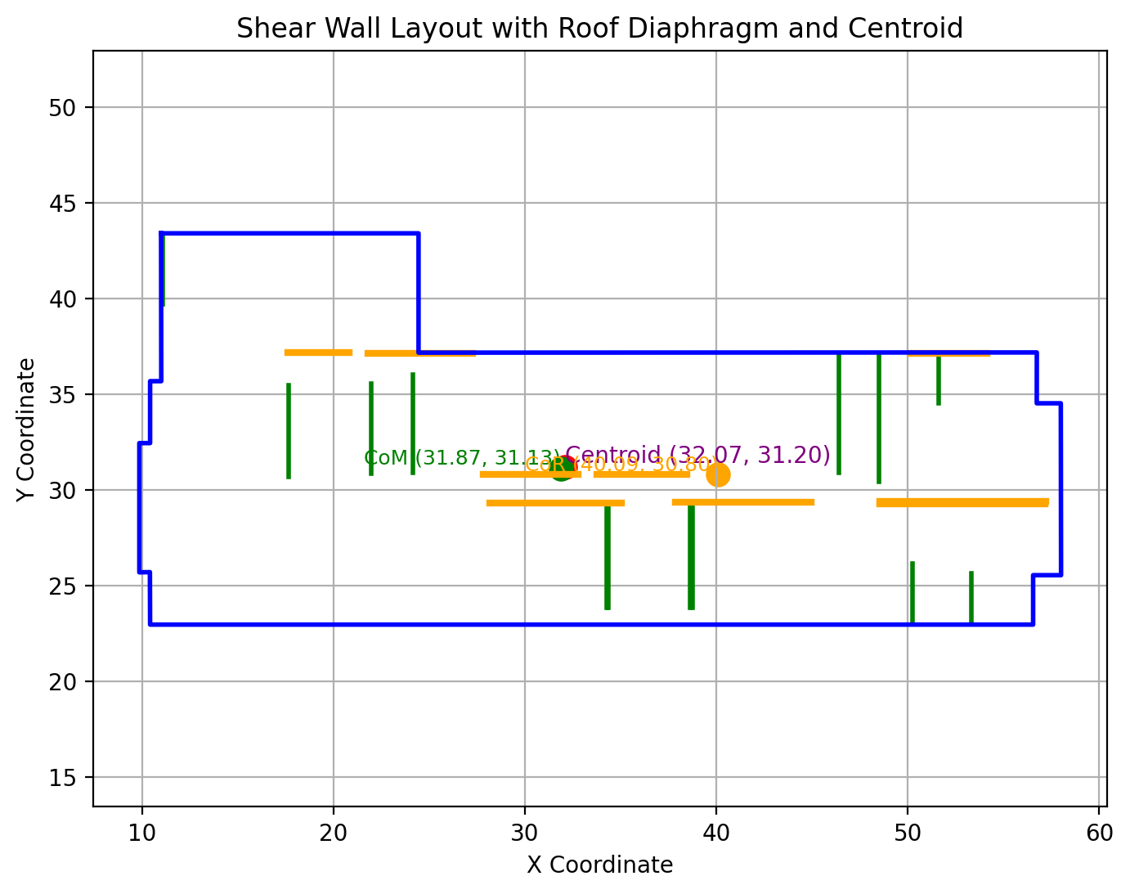
 |  |  |  |  | Project: | 1951 Cross Road
 |  |  |  |  | Job No.: | KEL.139679.0001
 |  |  |  |  | Designer: | ACH |  |  | Date: | 16-Jan-25

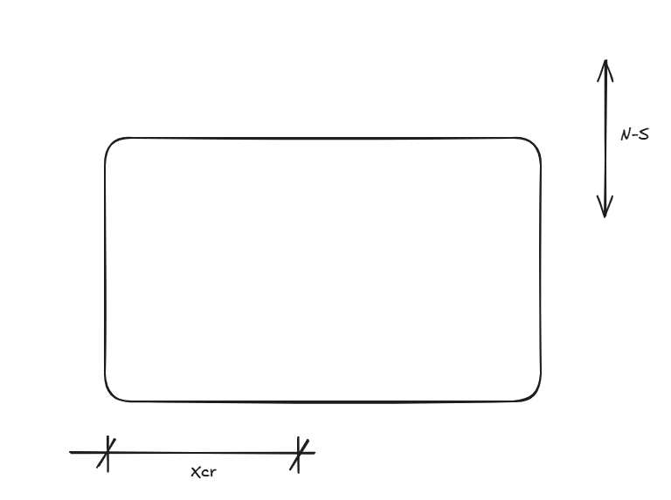

 | 1. Rigid diaphragm analysis output summary

 | Building geometry
 | L | = | Longest dimension of the building |  |  | = | 57.0 | m | x | = |  | m
 | B | = | Shortest dimension of the building |  |  | = | 25.0 | m | y | = |  | m |  |  |  |  |  |  |  |  |  |  | NS6 | 6 | 7.6 | 3.2 | 18.9 | 22.2 | 9.1 | 0.066 | 5.060 | 0.067856379907
 |  |  |  |  |  |  |  |  |  |  |  |  |  |  |  |  |  |  |  |  |  |  | NS7 | 7 | 7.6 | 3.2 | 18.9 | 12.7 | 9.1 | 0.066 | 5.060 | 0.067856379907
 | Xcm | = | Distance from origin to CoM in x direction |  |  | = | 31.9 | m | ns_offset | = | 8.2 | m |  |  |  |  |  |  |  |  |  |  | NS8 | 8 | 7.6 | 3.2 | 25.2 | 22.2 | 2.8 | 0.066 | 5.060 | 0.0662872341
 | Ycm | = | Distance from origin to CoM in y direction |  |  | = | 31.1 | m | ew_offset | = | 0.3 | m |  |  |  |  |  |  |  |  |  |  | NS9 | 9 | 7.6 | 3.2 | 25.5 | 12.7 | 2.5 | 0.066 | 5.060 | 0.066210690402
 |  |  |  |  |  |  |  |  |  |  |  |  |  |  |  |  |  |  |  |  |  |  | NS10 | 10 | 4.6 | 3.2 | 31.1 | 23.6 | 3.1 | 0.039 | 5.060 | 0.040137162342
 | Xcr | = | Distance from origin to CoR in x direction |  |  | = | 40.1 | m |  |  |  |  |  |  |  |  |  |  |  |  |  |  | NS11 | 11 | 7.6 | 3.2 | 34.5 | 22.2 | 6.5 | 0.066 | 5.060 | 0.067212091603
 | Ycr | = | Distance from origin to CoR in y direction |  |  | = | 30.8 | m |  |  |  |  |  |  |  |  |  |  |  |  |  |  | NS12 | 12 | 4.4 | 3.2 | 37.2 | 12.5 | 9.2 | 0.038 | 5.060 | 0.040356388871
 |  |  |  |  |  |  |  |  |  |  |  |  |  |  |  |  |  |  |  |  |  |  | NS13 | 13 | 7.6 | 3.2 | 40.7 | 22.2 | 12.7 | 0.066 | 5.060 | 0.06878123741
 | Jpx | = | Polar moment of inertia in x direction |  |  | = | 10246 |  |  |  |  |  |  |  |  |  |  |  |  |  |  |  | NS14 | 14 | 7.6 | 3.2 | 40.7 | 22.2 | 12.7 | 0.066 | 5.060 | 0.06878123741
 | Jpy | = | Polar moment of inertia in y direction |  |  | = | 557 |  |  |  |  |  |  |  |  |  |  |  |  |  |  |  | NS15 | 15 | 2.9 | 3.2 | 37.8 | 1.7 | 9.8 | 0.025 | 5.060 | 0.027393001975
 |  |  |  |  |  |  |  |  |  |  |  |  |  |  |  |  |  |  |  |  |  |  | NS16 | 16 | 6.8 | 3.2 | 41.8 | 3.7 | 13.8 | 0.059 | 5.060 | 0.062228573721
 | A | = | Roof diaphragm area |  |  | = | 1124 | m2 |  |  |  |  |  |  |  |  |  |  |  |  |  |  | NS17 | 17 | 6.8 | 3.2 | 41.8 | 3.7 | 13.8 | 0.059 | 5.060 | 0.062228573721
 | W | = | Floor DL |  |  | = | 2921 | kN |  |  |  |  |  |  |  |  |  |  |  |  |  |  | NS18 | 18 | 4.5 | 3.2 | 45.0 | 2.5 | 17.0 | 0.039 | 5.060 | 0.043095241625
 |  |  |  |  |  |  |  |  |  |  |  |  |  |  |  |  |  |  |  |  |  |  | NS19 | 19 | 2.8 | 3.2 | 45.0 | 7.1 | 17.0 | 0.024 | 5.060 | 0.028404790418
 | Input data table |  |  |  |  |  |  |  |  |  |  |  |  |  |  |  |  |  |  |  |  |  | NS20 | 20 | 2.8 | 3.2 | 44.2 | 25.4 | 16.2 | 0.024 | 5.060 | 0.02847576066
 | North South Direction |  |  |  |  |  |  |  |  |  |  | East West Direction

Wall ID | Wall No | Length (m) | Height (m) | X Coordinate (m) | Y Coordinate (m) | dx | xV | Mtor | V |  |  | Wall ID | Wall No | Length (m) | Height (m) | X Coordinate (m) | Y Coordinate (m) | dy | xV | Mtor | V |  | id | length | height | x | y
NS1 | 1 | 3.7 | 3.2 | 11.1 | 39.7 | 20.8 | 0.060 | 13.9 | 0.072001327576 |  |  | EW1 | 1 | 3.2 | 3.2 | 17.6 | 37.2 | 6.0 | 0.059988721839 | 2.83 | 0.087112146594 | 0 | NS1 | 4.6341463415 | 3.2 | 2.1036585366 | 21.458536585
NS2 | 2 | 4.8 | 3.2 | 17.7 | 30.7 | 14.2 | 0.079 | 13.9 | 0.086588518301 |  |  | EW2 | 2 | 5.4 | 3.2 | 21.8 | 37.1 | 6.0 | 0.10179441482 | 2.83 | 0.12865947996 | 1 | NS2 | 6.7682926829 | 3.2 | 9.756097561 | 21.915853659
NS3 | 3 | 4.7 | 3.2 | 22.0 | 30.8 | 9.9 | 0.077 | 13.9 | 0.08268535525 |  |  | EW3 | 3 | 4.0 | 3.2 | 50.2 | 37.1 | 6.0 | 0.074147368528 | 2.83 | 0.10108842179 | 2 | NS3 | 4.0853658537 | 3.2 | 9.756097561 | 14.17195122
NS4 | 4 | 5.1 | 3.2 | 24.1 | 30.9 | 7.7 | 0.084 | 13.9 | 0.088488252866 |  |  | EW4 | 4 | 5.0 | 3.2 | 27.8 | 30.8 | 0.3 | 0.092819124707 | 2.83 | 0.09419631208 | 3 | NS4 | 4.0853658537 | 3.2 | 9.756097561 | 14.17195122
NS5 | 5 | 5.4 | 3.2 | 34.3 | 23.9 | 2.5 | 0.089 | 13.9 | 0.090165055308 |  |  | EW5 | 5 | 4.7 | 3.2 | 33.7 | 30.8 | 0.3 | 0.08819234789 | 2.83 | 0.089564469389 | 4 | NS5 | 7.5914634146 | 3.2 | 12.652439024 | 22.327439024
NS6 | 6 | 5.4 | 3.2 | 38.6 | 23.9 | 6.8 | 0.089 | 13.9 | 0.092556587586 |  |  | EW6 | 6 | 8.6 | 3.2 | 48.6 | 29.3 | 1.9 | 0.16126472719 | 2.83 | 0.16959736079 | 5 | NS6 | 7.6219512195 | 3.2 | 18.902439024 | 22.190243902
NS7 | 7 | 5.4 | 3.2 | 38.7 | 23.9 | 6.9 | 0.089 | 13.9 | 0.092615451247 |  |  | EW7 | 7 | 8.6 | 3.2 | 48.6 | 29.4 | 1.7 | 0.16126525441 | 2.83 | 0.16900771358 | 6 | NS7 | 7.6219512195 | 3.2 | 18.902439024 | 12.73902439
NS8 | 8 | 3.1 | 3.2 | 50.3 | 23.1 | 18.4 | 0.051 | 13.9 | 0.060765220796 |  |  | EW8 | 8 | 7.1 | 3.2 | 37.9 | 29.3 | 1.8 | 0.13235178751 | 2.83 | 0.14036527099 | 7 | NS8 | 7.6219512195 | 3.2 | 25.152439024 | 22.190243902
NS9 | 9 | 2.6 | 3.2 | 53.3 | 23.1 | 21.4 | 0.042 | 13.9 | 0.054296167708 |  |  | EW9 | 9 | 6.9 | 3.2 | 28.2 | 29.3 | 1.8 | 0.1281762531 | 2.83 | 0.13629611995 | 8 | NS9 | 7.6219512195 | 3.2 | 25.457317073 | 12.73902439
NS10 | 10 | 6.2 | 3.2 | 46.4 | 30.9 | 14.5 | 0.102 | 13.9 | 0.10963612521 |  |  |  |  |  |  |  |  |  |  |  |  | 9 | NS10 | 4.5731707317 | 3.2 | 31.097560976 | 23.562195122
NS11 | 11 | 6.6 | 3.2 | 48.5 | 30.4 | 16.6 | 0.109 | 13.9 | 0.11775587262 |  |  |  |  |  |  |  |  |  |  |  |  | 10 | NS11 | 7.6219512195 | 3.2 | 34.451219512 | 22.190243902
NS12 | 12 | 2.5 | 3.2 | 51.6 | 34.5 | 19.7 | 0.041 | 13.9 | 0.052358387717 |  |  |  |  |  |  |  |  |  |  |  |  | 11 | NS12 | 4.4207317073 | 3.2 | 37.195121951 | 12.510365854
NS13 | 13 | 5.4 | 3.2 | 34.3 | 23.9 | 2.4 | 0.089 | 13.9 | 0.090114986534 |  |  |  |  |  |  |  |  |  |  |  |  | 12 | NS13 | 7.6219512195 | 3.2 | 40.701219512 | 22.190243902
 |  |  |  |  |  |  |  |  |  |  |  |  |  |  |  |  |  |  |  |  |  | 13 | NS14 | 7.6219512195 | 3.2 | 40.701219512 | 22.190243902
 |  |  |  |  |  |  |  |  |  |  |  |  |  |  |  |  |  |  |  |  |  | 14 | NS15 | 2.8963414634 | 3.2 | 37.804878049 | 1.687195122
 |  |  |  |  |  |  |  |  |  |  |  |  |  |  |  |  |  |  |  |  |  | 15 | NS16 | 6.8292682927 | 3.2 | 41.768292683 | 3.6536585366
 |  |  |  |  |  |  |  |  |  |  |  |  |  |  |  |  |  |  |  |  |  | 16 | NS17 | 6.8292682927 | 3.2 | 41.768292683 | 3.6536585366
 |  |  |  |  |  |  |  |  |  |  |  |  |  |  |  |  |  |  |  |  |  | 17 | NS18 | 4.512195122 | 3.2 | 44.969512195 | 2.4951219512
 |  |  |  |  |  |  |  |  |  |  |  |  |  |  |  |  |  |  |  |  |  | 18 | NS19 | 2.8048780488 | 3.2 | 44.969512195 | 7.1292682927
 |  |  |  |  |  |  |  |  |  |  |  |  |  |  |  |  |  |  |  |  |  | 19 | NS20 | 2.8353658537 | 3.2 | 44.207317073 | 25.437195122
 |  |  |  |  |  |  |  |  |  |  |  |  |  |  |  |  |  |  |  |  |  | 20 | EW1 | 5.2 | 3.2 | 12.8 | 18.8
 |  |  |  |  |  |  |  |  |  |  |  |  |  |  |  |  |  |  |  |  |  | 21 | EW2 | 5.7926829268 | 3.2 | 25.213414634 | 18.841463415
 |  |  |  |  |  |  |  |  |  |  |  |  |  |  |  |  |  |  |  |  |  | 22 | EW3 | 3.8414634146 | 3.2 | 31.676829268 | 18.841463415
 |  |  |  |  |  |  |  |  |  |  |  |  |  |  |  |  |  |  |  |  |  | 23 | EW4 | 4.5731707317 | 3.2 | 37.652439024 | 18.841463415
 |  |  |  |  |  |  |  |  |  |  |  |  |  |  |  |  |  |  |  |  |  | 24 | EW5 | 6.6768292683 | 3.2 | 18.978658537 | 20.548780488
 |  |  |  |  |  |  |  |  |  |  |  |  |  |  |  |  |  |  |  |  |  | 25 | EW6 | 6.5243902439 | 3.2 | 27.408536585 | 20.548780488
 |  |  |  |  |  |  |  |  |  |  |  |  |  |  |  |  |  |  |  |  |  | 26 | EW7 | 5.8841463415 | 3.2 | 34.954268293 | 20.548780488
 |  |  |  |  |  |  |  |  |  |  |  |  |  |  |  |  |  |  |  |  |  | 27 | EW8 | 6.5853658537 | 3.2 | 45.975609756 | 19.969512195
 |  |  |  |  |  |  |  |  |  |  |  |  |  |  |  |  |  |  |  |  |  | 28 | EW9 | 7.8963414634 | 3.2 | 45.716463415 | 10.975609756
 |  |  |  |  |  |  |  |  |  |  |  |  |  |  |  |  |  |  |  |  |  | 29 | EW10 | 2.1951219512 | 3.2 | 34.93902439 | 2.3780487805
 |  |  |  |  |  |  |  |  |  |  |  |  |  |  |  |  |  |  |  |  |  | 30 | EW11 | 2.1036585366 | 3.2 | 37.637195122 | 2.3780487805
 |  |  |  |  |  |  |  |  |  |  |  |  |  |  |  |  |  |  |  |  |  | 31 | EW12 | 1.9817073171 | 3.2 | 41.539634146 | 2.3780487805
 |  |  |  |  |  |  |  |  |  |  |  |  |  |  |  |  |  |  |  |  |  | 32 | EW13 | 3.0792682927 | 3.2 | 46.051829268 | 2.3780487805

