SW_info
 |  |  |  |  | Project: | Testing
 |  |  |  |  | Job No.:
 |  |  |  |  | Designer: | ACH |  |  | Date: | 2-Jan-25
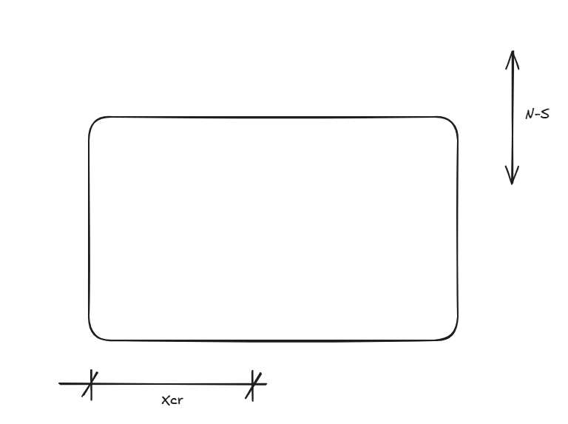

 | 1. Rigid diaphragm analysis output summary

 | Building geometry
 | L | = | Longest dimension of the building |  |  | = |  | m |  | Adjust | x | 3.1 | m
 | B | = | Shortest dimension of the building |  |  | = |  | m |  |  | y | 2.24 | m

 | Xcm | = | Distance from origin to CoM in x direction |  |  | = | 28.0 | m
 | Ycm | = | Distance from origin to CoM in y direction |  |  | = | 16.0 | m

 | Xcr | = | Distance from origin to CoR in x direction |  |  | = |  | m
 | Ycr | = | Distance from origin to CoR in y direction |  |  | = |  | m

 | Jpx | = | Polar moment of inertia in x direction |  |  | =
 | Jpy | = | Polar moment of inertia in y direction |  |  | =

 | Input data table
 |  |  |  |  |  |  |  |  |  |  |  |  |  |  |  |  | 22.34
 | North South Direction |  |  |  | 21.46 |  |  |  |  |  |  | East West Direction |  |  |  |  | 10.12

Wall ID | Wall No | Length (m) | Height (m) | X Coordinate (m) | Y Coordinate (m) | dx = abs(xcr-x) | kdx2 | Mtor | Vns |  |  | Wall ID | Wall No | Length (m) | Height (m) | X Coordinate (m) | Y Coordinate (m) | dy = abs(ycr-y) | kdy2 | Mtor | Vew
NS1 | 1 | 4.6 | 3.2 | 2.1 | 23.7 |  |  |  |  |  |  | EW1 | 1 | 5.2 | 3.2 | 9.7 | 18.8
NS2 | 2 | 6.8 | 3.2 | 9.8 | 24.1 |  |  |  |  |  |  | EW2 | 2 | 5.8 | 3.2 | 22.1 | 18.8
NS3 | 3 | 4.1 | 3.2 | 9.8 | 16.4 |  |  |  |  |  |  | EW3 | 3 | 3.8 | 3.2 | 28.6 | 18.8
NS4 | 4 | 4.1 | 3.2 | 9.8 | 16.4 |  |  |  |  |  |  | EW4 | 4 | 4.6 | 3.2 | 34.6 | 18.8
NS5 | 5 | 7.6 | 3.2 | 12.7 | 24.5 |  |  |  |  |  |  | EW5 | 5 | 6.7 | 3.2 | 15.9 | 20.5
NS6 | 6 | 7.6 | 3.2 | 18.9 | 24.4 |  |  |  |  |  |  | EW6 | 6 | 6.5 | 3.2 | 24.3 | 20.5
NS7 | 7 | 7.6 | 3.2 | 18.9 | 14.9 |  |  |  |  |  |  | EW7 | 7 | 5.9 | 3.2 | 31.9 | 20.5
NS8 | 8 | 7.6 | 3.2 | 25.2 | 24.4 |  |  |  |  |  |  | EW8 | 8 | 6.6 | 3.2 | 42.9 | 20.0
NS9 | 9 | 7.6 | 3.2 | 25.5 | 14.9 |  |  |  |  |  |  | EW9 | 9 | 7.9 | 3.2 | 42.6 | 11.0
NS10 | 10 | 4.6 | 3.2 | 31.1 | 25.8 |  |  |  |  |  |  | EW10 | 10 | 2.2 | 3.2 | 31.8 | 2.4
NS11 | 11 | 7.6 | 3.2 | 34.5 | 24.4 |  |  |  |  |  |  | EW11 | 11 | 2.1 | 3.2 | 34.5 | 2.4
NS12 | 12 | 4.4 | 3.2 | 37.2 | 14.7 |  |  |  |  |  |  | EW12 | 12 | 2.0 | 3.2 | 38.4 | 2.4
NS13 | 13 | 7.6 | 3.2 | 40.7 | 24.4 |  |  |  |  |  |  | EW13 | 13 | 3.1 | 3.2 | 43.0 | 2.4
NS14 | 14 | 7.6 | 3.2 | 40.7 | 24.4
NS15 | 15 | 2.9 | 3.2 | 37.8 | 3.9
NS16 | 16 | 6.8 | 3.2 | 41.8 | 5.9
NS17 | 17 | 6.8 | 3.2 | 41.8 | 5.9
NS18 | 18 | 4.5 | 3.2 | 45.0 | 4.7
NS19 | 19 | 2.8 | 3.2 | 45.0 | 9.3
NS20 | 20 | 2.8 | 3.2 | 44.2 | 27.6

