Calculation Sheet
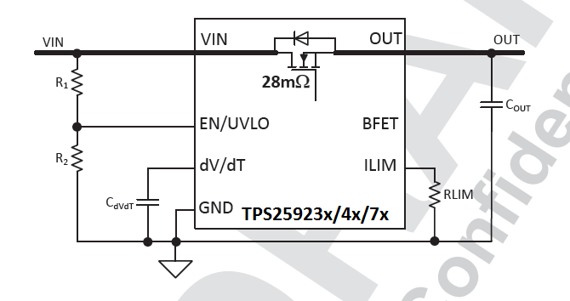
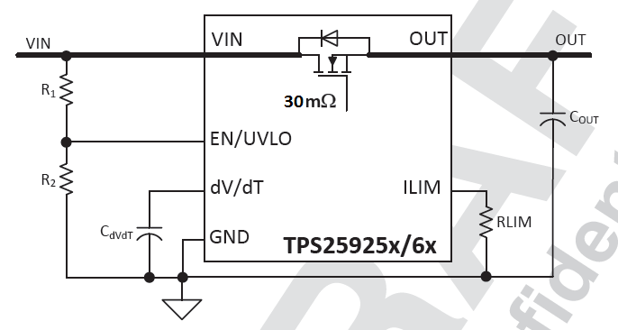
TPS2592xx Design Calculation Tool
Constants Cells | Input/SelectCells | Calculation Cells |  |  | Recommended Value
 | Calculated, but can be over-ridden by user
Parameter | Description | Value | Units | Tolerance |  |  |  | Version | VOVC (V) | Max Rdson (mΩ) @ 25 degC | Max Rdson (mΩ) @ 125 degC
12V or 5V version | Select among TPS25923x/4x/5x/6x for Over Voltage Clamp | TPS25923 |  |  | 6.1 |  |  | TPS25923 | 6.1 | 37 | 48
VIN (max) | Maximum system input voltage (magnitude) | 5.00 | V | % |  |  |  | TPS25924 | 15 | 37 | 48
UVset | Power Failure Detection Threshold (VIN Falling) | 4.00 | V |  |  |  |  | TPS25925 | 6.1 | 39 | 50
Cout | Load Capacitance | 10.0 | uF | 10.0% |  |  |  | TPS25926 | 15 | 39 | 50
Rlstart | Load at start-up (assumed to be resistive) | 4.0 | Ohm |  | 5.7 |  |  | TPS25927 | No Clamp | 37 | 48
Imax | Maximum continuous load current (magnitude) | 0.8 | A
Ilimit | Current Limit, 20% higher than maximum continuous load current | 0.96 | A
VIN Thresholds Progm'd
UVLO set point calculations
R1: Pullup at UVLO Pin | Select a value > 100K to keep I_R12 low | 1000.0 | kOhm | 1.0%
R2_cal | Calculated value of Resistor at UVLO pin | 509.4 | kOhm |  |  | 3.99 | Power Fail (VIN Falling)
SELECT THE VALUE OF RESISTORS AS CLOSEST AVAILABLE VALUE OF R2 |  |  |  |  |  | 4.14 | Release UVLO (VIN Rising)
R2 | Select the closest possible value as R2_cal | 511.00 | kOhm | 1.0% | 511 | 6.1 | OV Clamp (VIN Rising)
UV_final | Power Failure Detection Threshold (VIN Falling) | 3.99 | V | 3.3%
EN_final | Release UVLO, Enable Chip (VIN Rising) | 4.14 | V | 3.3%
I_R12 | Current in R1, R2 Branch | 3.31 | uA
VOVC | Over Voltage Clamp | 6.1 | V | 10.0%

Current Limits Progm'd
Calculations for Ilimit (resistor on Ilimit Pin)
RLIM_cal | Calculated current limit resistor | 8.67 | kOhm |  |  | 0.15 | Inrush Charging Current
SELECT A ILIMIT RESISTOR WITH THE CLOSEST AVAILABLE VALUE OF Rilim_Cal |  |  |  |  |  | 0.97 | Overload Curr Limit
RLIM | Select the closest available value of RLIM_cal | 8.87 | kOhm | 1.0% | 8.87 | 1.55 | Fastrip Curr Limit
Ilimit_final | Final current Limit Set Point | 0.97 | A | 8.1%
Ifstrip | Fast-Trip Current Limit to detect short circuit | 1.55 | A | 21.6%

Calculations for SoftStart control (external cap on dVdT pin)
Parameter | Description | Value | Units | Tolerance
I_dVdT | Internal current charging capacitor on dVdT | 0.22 | uA | 15.0%
Gain_dVdT | Internal Gain for dVdT Control | 4.85 | V/V | 3.0%
Icharge_fastest | Charging current when charging at fastest possible rate If this current is < Ilimit, no capacitor is required at dVdT pin | 0.15 | A
Tchg_fastest | No capacitor on dVdT pin, No Load at start-up | 0.33 | ms | 20.0%
Tchg_req | The charging time required | 1.00 | ms
Icharge_req | Charging (inrush) current desired in the system | 0.50 | A
Cext_dvdt_cal1 | calculated value of capacitor at dVdT pin for required Tcharge | 0.21 | nF
Cext_dvdt_cal2 | calculated value of capacitor at dVdT pin for required Icharge | 0.02 | nF |  | 0.21
SELECT A CAPACITOR WITH THE CLOSEST POSSIBLE VALUE to max(Cext_dvdt_cal1, Cext_dvdt_cal2)
CdVdT_ext | The external capacitor connecetd across dVdT pin | 0.00 | nF | 10.0% | 0.22
Icharge | Charging Current as per dVdT setting | 0.15 | A | 20.8%
Does Device Enter Current Limit during start-up? |  | 1.00 |  |  | #VALUE!
Tchg_dVdT | Charging time set | #VALUE! | ms | 18.3%
Pd_Cout_startup | Power dissipation due to load cap at start-up | 0.38 | W

Total Power dissipation at Start-up
Pd_Rlstart | Power dissipation due to load resistance at start-up | 1.04 | W
Pd_startup | Total power dissipation at start-up | 1.42 | W
 | Max power dissipation allowed for glitch-free startup for the programmed startup time | #VALUE! | W
 | Will the system have glitch-free startup? | #VALUE!

Steady state Voltage drop & Power dissipation
Parameter | Description | Value | Units | Tolerance
Vdrop | Maximum voltage drop across device @ 25 degC | 29.60 | mV
Pdiss_Imax | Steady state power dissipation with Max current @ 25degC | 23.68 | mW

Parameters internal to Device
Internal FET Parameters
Parameter | Description | Value | Units | Tolerance
VDSS (max) | FET drain-source voltage rating (maximum) | 20.0 | V
ID(max) | FET drain-source current rating (maximum) | 5.5 | A
Rds(on) | FET maximum Rds(on) at 25degC | 37 | mOhm
Rds(on)_max | FET maximum Rds(on) at 125degC | 48 | mOhm
Thermal Parameters
Tj(max) | Deice maximum junction temperature | 150.0 | C
TA(max) | Maximum ambient temperature of the application | 125.0 | C
RJC | Junction to case (top) Thermal Resistance | 53.0 | C/W
RJA | Junction to ambient thermal resistance | 45.9 | C/W
RJCbot | Junction-to-case(bottom) thermal resistance | 5.9 | C/W
Internal References
UVref | Internal Undervoltage reference | 1.35 | V | 3.0%
Tchmin | Minimum charging time | 0.40 | ms
Ilimit_vset | reference voltage for setting the current limit | 0.89 | V
Ilimit_offset | Offset at the Ilimit pin |  | A

Thermal Shutdown Limit Plot
Thermal Shutdown Time Vs. Power Dissipation |  |  |  |  |  | Title of Graph |  | Thermal Shutdown Time Vs. Power Dissipation
Power Dissipation | TA = -40 C | TA = 25 C | TA = 85 C | TA = 125 C
0.6 |  |  |  | 11724 | A
0.71 |  |  |  | 2292 | A
0.78 |  |  |  | 1419 | A
1.5 |  |  |  | 118 | A
2.06 |  |  | 12185 | 50 | E | Lable | X-Axis | Power Dissipation (W)
Thermal Shutdown Time Vs. Power Dissipation
 | Calculated Point |  | TA = -40 C |  | TA = 25 C |  | TA = 85 C |  | TA = 125 C
1.42 |  | 2.06 |  | 2.06 |  | 2.06 | 12185 | 0.6 | 11724
 |  | 2.14 |  | 2.14 |  | 2.14 | 10225 | 0.71 | 2292
 |  | 2.25 |  | 2.25 |  | 2.25 | 4228 | 0.78 | 1419
 |  | 2.41 |  | 2.41 |  | 2.41 | 3248 | 1.5 | 118
 |  | 2.57 |  | 2.57 |  | 2.57 | 2011 | 2.06 | 50
 |  | 2.74 |  | 2.74 |  | 2.74 | 1226 | 2.14 | 42
 |  | 2.87 |  | 2.87 |  | 2.87 | 829 | 2.25 | 37
 |  | 3.03 |  | 3.03 |  | 3.03 | 516 | 2.41 | 30
 |  | 3.2 |  | 3.2 | 13698 | 3.2 | 459 | 2.57 | 25
 |  | 3.33 |  | 3.33 | 9564 | 3.33 | 428 | 2.74 | 20
 |  | 5 |  | 5 | 1096 | 5 | 91 | 2.87 | 16
 |  | 7.3 |  | 7.3 | 208 | 7.3 | 22 | 3.03 | 13
 |  | 7.8 | 9357 | 7.8 | 160 | 7.8 | 18 | 3.2 | 12
 |  | 10 | 867 | 10 | 76.5 | 10 | 9.85 | 3.33 | 10
 |  | 15 | 101 | 15 | 19.44 | 15 | 3.03 | 5 | 3.1
 |  | 20 | 33 | 20 | 9.33 | 20 | 1.72 | 7.3 | 1.4
 |  | 25 | 17 | 25 | 4.47 | 25 | 1.19 | 7.8 | 1.2
 |  | 30 | 11 | 30 | 2.73 | 30 | 0.88 | 10 | 0.88
 |  | 35 | 6 | 35 | 2 | 35 | 0.7 | 15 | 0.5
 |  | 40 | 5 | 40 | 1.78 | 40 | 0.611 | 20 | 0.33
 |  | 45 | 3 | 45 | 1.36 | 45 | 0.485 | 25 | 0.255
 |  | 52 | 2 | 52 | 1 | 52 | 0.4 | 30 | 0.197
 |  |  | 1 |  |  |  |  | 35 | 0.173
 |  |  |  |  |  |  |  | 40 | 0.164
 |  |  |  |  |  |  |  | 45 | 0.147
 |  |  |  |  |  |  |  | 52 | 0.11
2.14 |  |  | 10225 | 42 | E
2.25 |  |  | 4228 | 37 | A
2.41 |  |  | 3248 | 30 | E
2.57 |  |  | 2011 | 25 | E
2.74 |  |  | 1226 | 20 | E
2.87 |  |  | 829 | 16 | E
3.03 |  |  | 516 | 13 | E
3.2 |  | 13698 | 459 | 12 | E
3.33 |  | 9564 | 428 | 10 | A
5 |  | 1096 | 91 | 3.1 | A
7.3 |  | 208 | 22 | 1.4 | A
7.8 | 9357 | 160 | 18 | 1.2 | E
10 | 867 | 76.5 | 9.85 | 0.88 | A
15 | 101 | 19.44 | 3.03 | 0.5 | A
20 | 32.7 | 9.33 | 1.72 | 0.33 | A
25 | 17.18 | 4.47 | 1.19 | 0.255 | A
30 | 10.86 | 2.73 | 0.88 | 0.197 | A
35 | 5.96 | 2 | 0.7 | 0.173 | A
40 | 4.6315 | 1.78 | 0.611 | 0.164 | A
45 | 3.18 | 1.36 | 0.485 | 0.147 | A
52 | 2.26 | 1 | 0.4 | 0.11 | A

 |  |  | E: Estimated
 |  |  | A: Actual Measured

 | Pd | Tstart
 | 1.42 | #VALUE!

Taken on 2-Layer board, 2oz.(0.08-mm thick) with GND plane area: 22 cm² (Top) and 25 cm² (Bottom)

