Sheet2
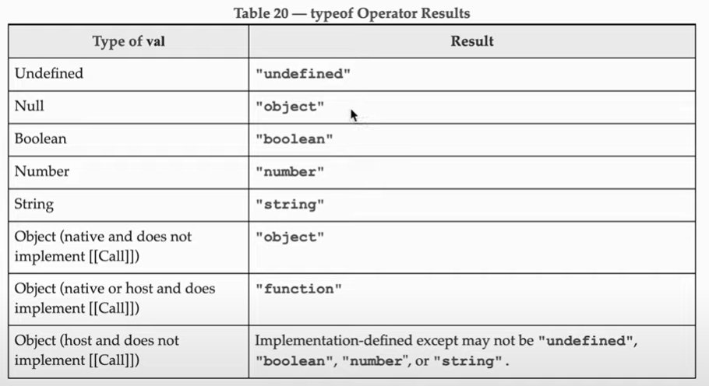
 | KEYWORDS - | for explaination and examples use github javaScript repo in keywords.js file

 | const
 | let
 | var

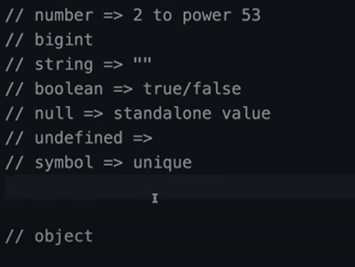
 | DATA TYPES - |  |  | for explaination and examples use github javaScript repo in dataTypes.js file

 |  |  | PRIMITIVE |  |  | NON PRIMITIVE | (Reference Type)

 |  | 7 Types | String |  |  | Array
 |  |  | Number |  |  | Objects
 |  |  | Boolean |  |  | Functions
 |  |  | null
 |  |  | undefined
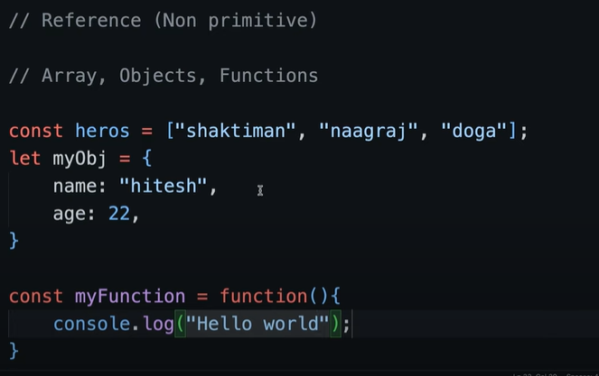
 |  |  | Symbol
 |  |  |  |  | Examples -
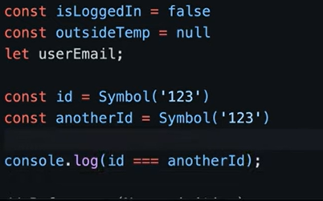

 |  |  |  |  | Array
 | Examples -

 |  |  |  |  | Objects

 |  |  |  |  | Functions

For BigInt dataType we have to set n end of the number -

Sheet3
 |  |  | for explaination and examples use github javaScript repo in typeConversion.js file
TYPE CONVERSION

 |  |  | Example - let score = "45" |  | String convert in to Number
 |  |  |  | let conversionScore = Number(score) | we can convert type of variable like this

OPERATIONS |  | Examples - dry run on your machine for output

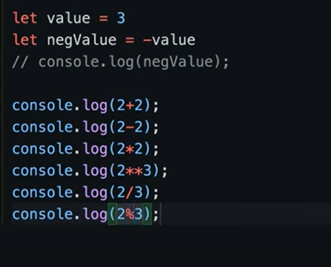
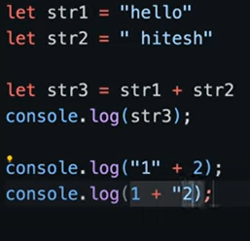
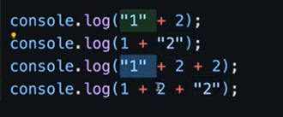
 | Basics

Sheet5
 |  |  |  |  | Maths Library
 | Number - > data type

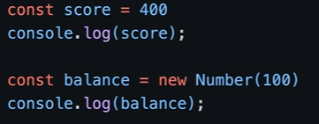
 |  |  |  |  | some Imp methods of Maths library

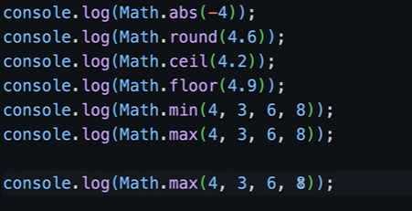

Output - |  |  | score variable type is number this is automatically detect
 |  |  | this is sctrictly says that balance variable type is Number

 |  |  |  |  |  | give the value between 0 and 1

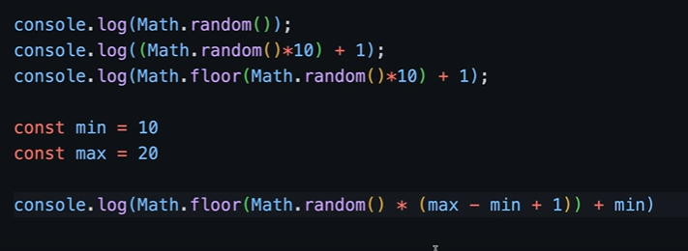

 |  | Output - 123.9
 |  | if we give 3 in the method then o/p is 124 |  | toPrecision(num) method is return that
 |  |  |  | exact value of purticular digit of number

Note - | These are the some imp method but there is some more methods for explore

 |  |  |  |  | did not understand the logic of this but this formula use for take value for best explaination check this link -

 |  |  |  |  | https://www.youtube.com/watch?v=_KqpeDc47Ro&list=PLu71SKxNbfoBuX3f4EOACle2y-tRC5Q37&index=13

Sheet6
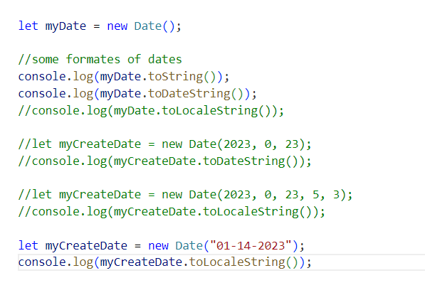
 | Date

 | Example -

Arrays
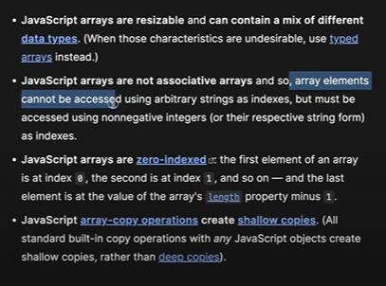
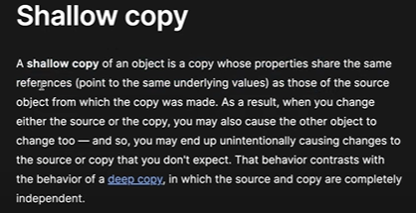
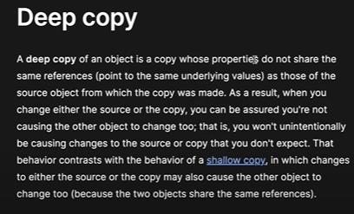

 |  |  |  |  | Note - see the note for stack and queue for more clarification of shallow and deep copy in sheet 4

 | For Examples - |  | for explaination and examples use github javaScript repo in Array.js file

objects |  | for examples use github javaScript repo in objects.js file

functions |  | just like normal functions.

Syntax

function name(parameter1, parameter2, parameter3) { |  |  |  | for explaination and examples use github javaScript repo in function.js file
// code to be executed
}

Example -

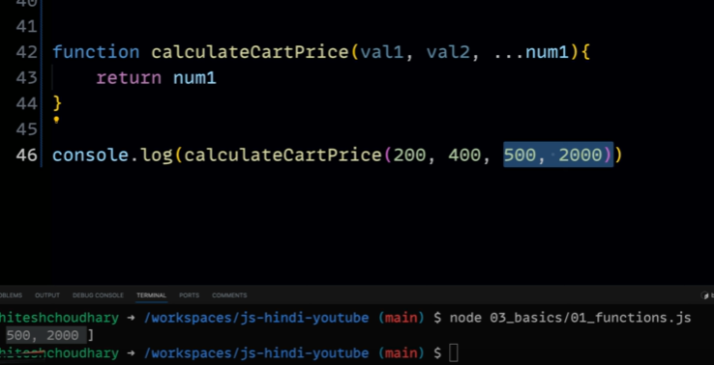

Scope - | for explaination and examples use github javaScript repo in scope.js file

