Version control
Version control: Github (coventry.ac.uk)
Link: | not available due to Anonymous marking
I have been using Github version control to constantly upgrade my project.

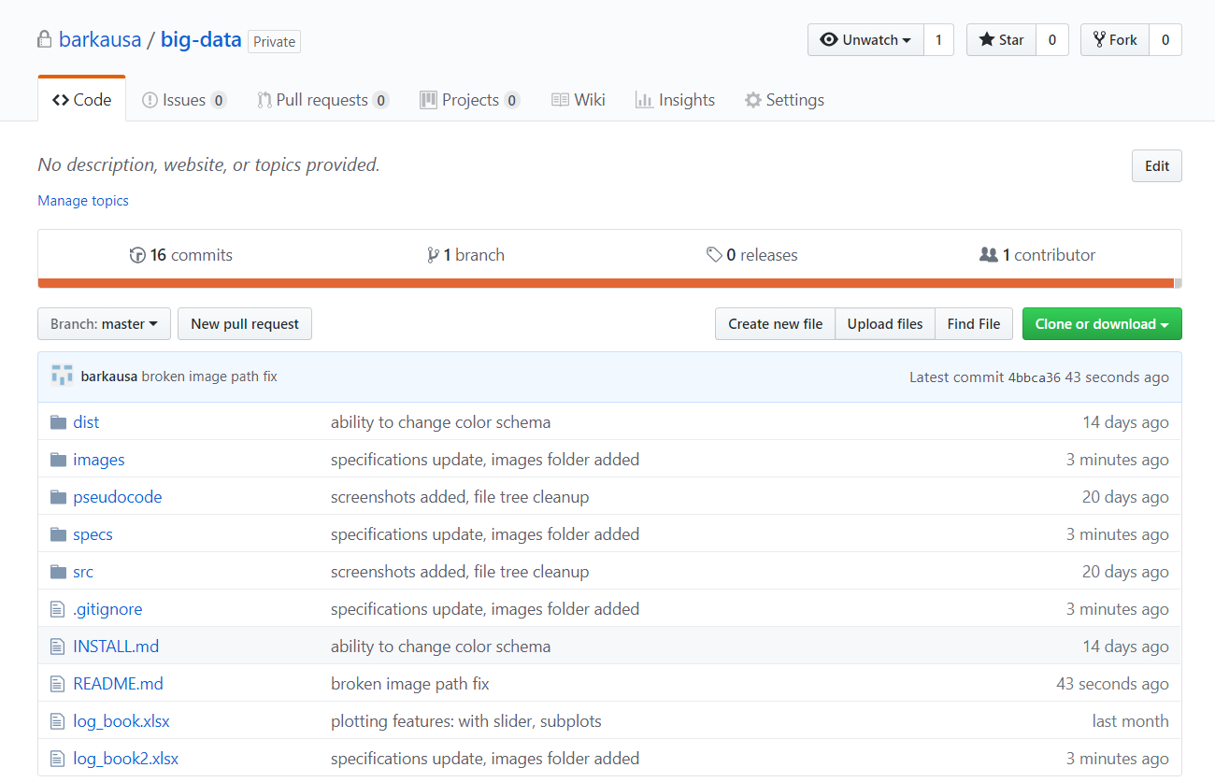
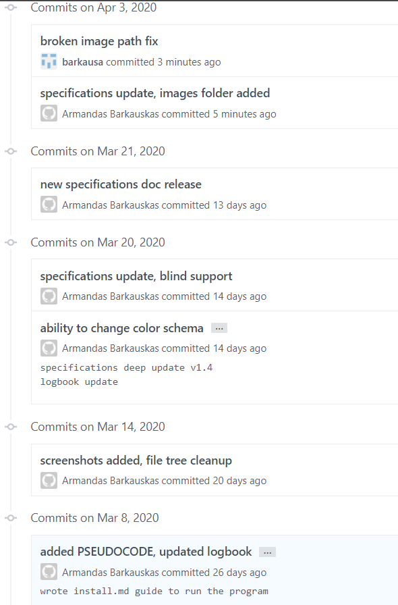

Commit history

Agile
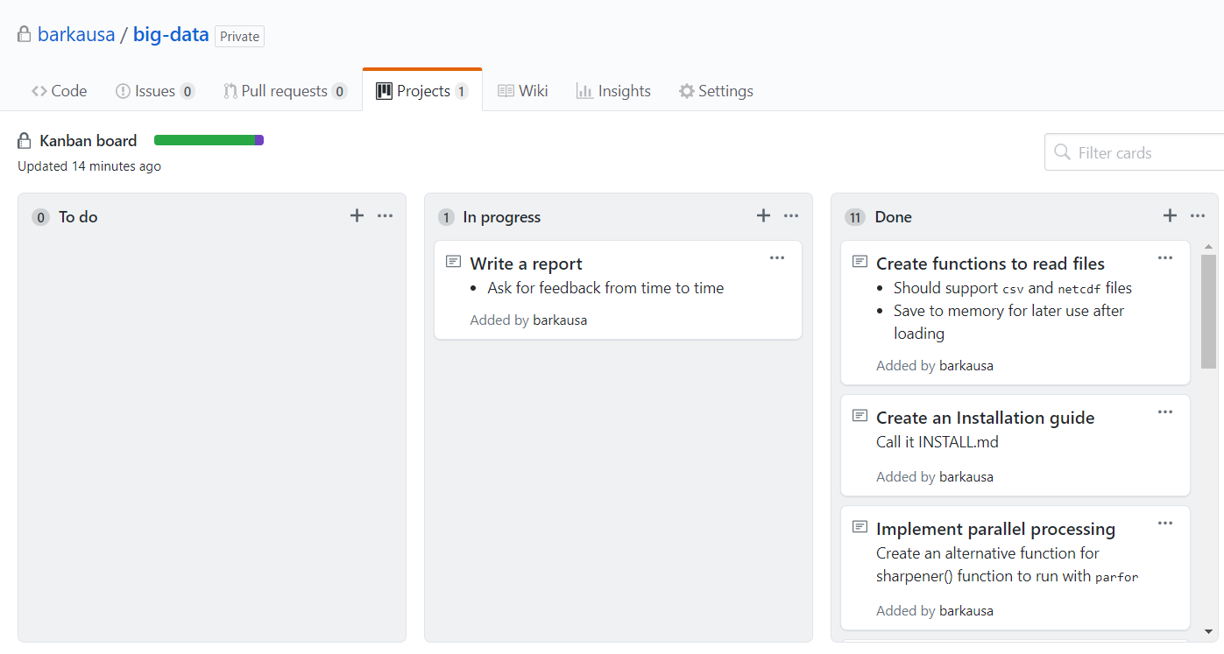
Agile implementation: Kanbar board
I used github kanban board to track the progress of the main project tasks. Ideally, every task here was ment to be a commit to be completed. In addition, I was trying to get the feedback from others to find more improvements.

Projects
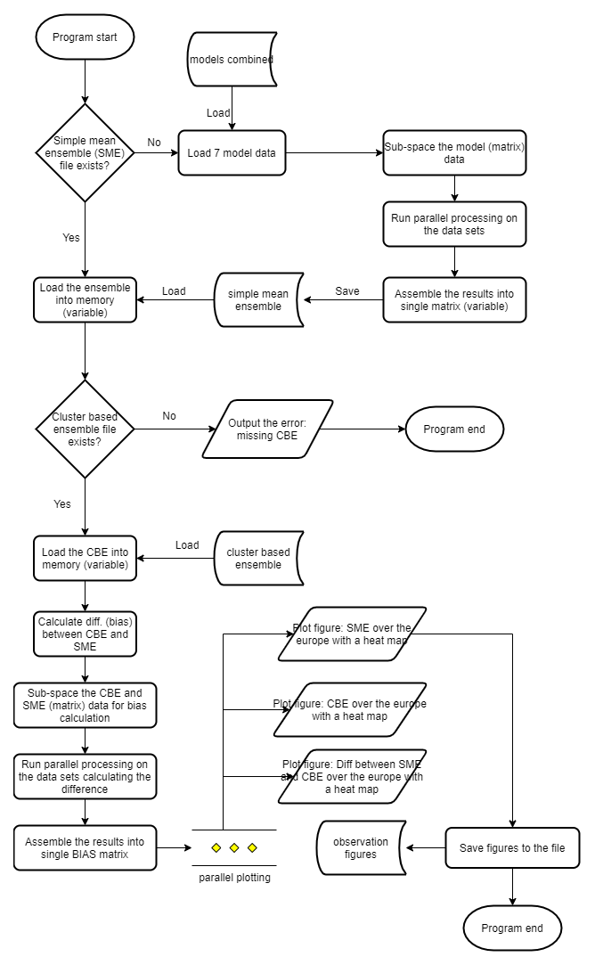
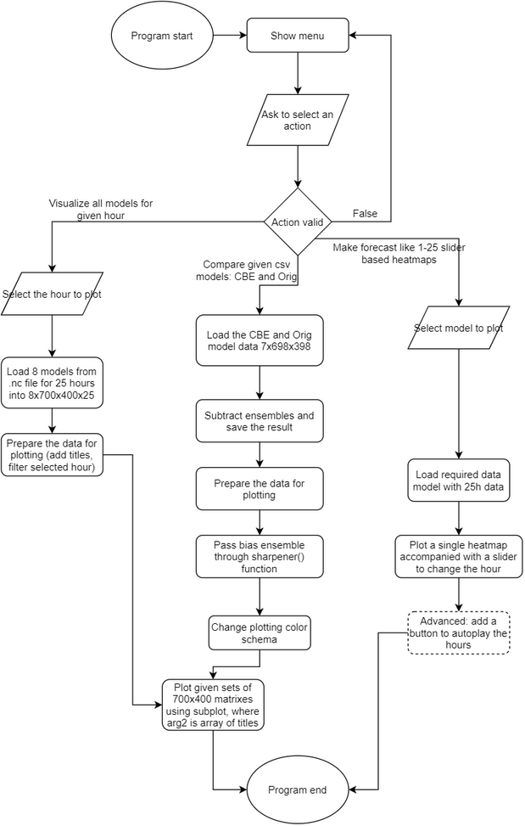
Suggested Sub-Projects | Description | Difficulty
Cluster Based Ensembe | Focus on parallel processing the CBE calculations; DDC clustering algorithm is available in Matlab only | 10 out of 10
Ensemble Comparisons | Focus on comparisons between the CBE and simple ensembles | 8 out of 10
Visualization | Focus on visualizing the results in an east to interpret format | 4 out of 10
Speed comparison | Involves re-writing DDC clustering algorithm in different languages and running tests to compare the execution time | x out of 10

Data flow diagram v1.0
Data flow diagram v2.0

