Projects
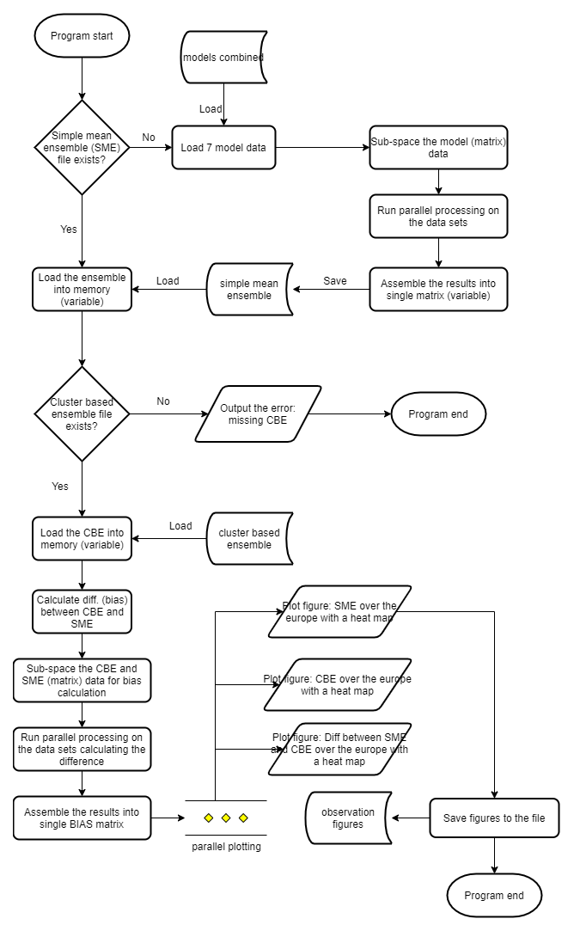
Suggested Sub-Projects | Description | Difficulty
Cluster Based Ensembe | Focus on parallel processing the CBE calculations; DDC clustering algorithm is available in Matlab only | 10 out of 10
Ensemble Comparisons | Focus on comparisons between the CBE and simple ensembles | 8 out of 10
Visualization | Focus on visualizing the results in an east to interpret format | 4 out of 10
Speed comparison | Involves re-writing DDC clustering algorithm in different languages and running tests to compare the execution time | x out of 10

