CPU Clocking System
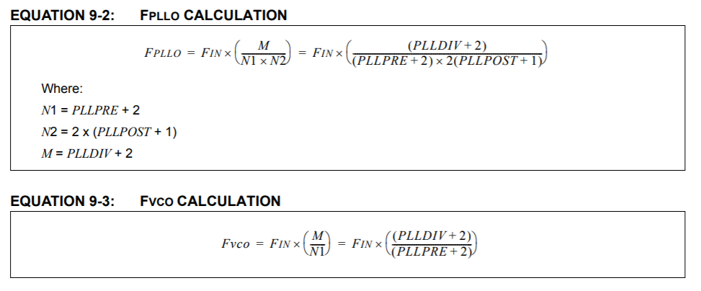

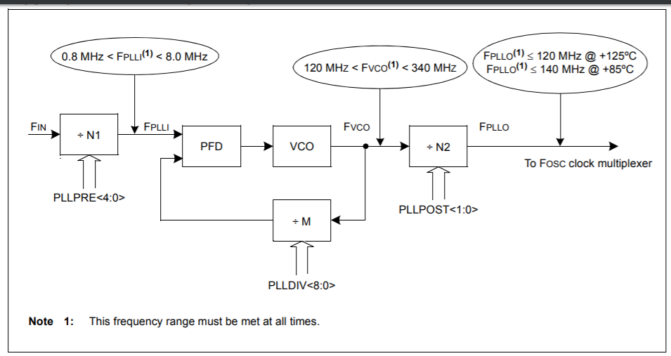

 |  | MIN | MAX
FIN | 11000000 | 8.00E+05 | 8.00E+06 | FPLLI | 2750000 | TRUE
PLLDIV | 56 | 1.20E+08 | 3.40E+08 | FVCO | 159500000 | TRUE
PLLPRE | 2 | 0 | 1.20E+08 | FPLLO | 79750000 | TRUE
PLLPOST | 0

N1 | 4
N2 | 2
M | 58

FPLLO | 79750000

FCY | 39875000

ADC
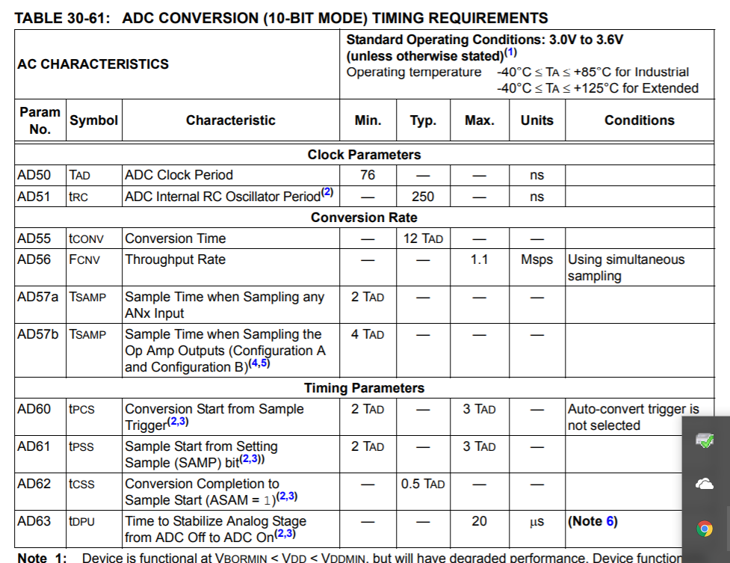
FCY | 39875000
TCY | 2.5078369906E-08 |  |  | 370 | 9.2789968652E-06 | 107770.27027 | 18985404
SAMC | 10 |  | TRUE |  |  |  | 22505553 | 3520149
ADCS | 42 |  |  |  |  |  | 24265390 | 1759837
TAD | 1.078369906E-06 | 7.60E-08 | TRUE |  |  |  | 26025163 | 1759773
TCONV | 1.2940438871E-05 | Conversion Time
TSMP | 1.078369906E-05 | Sampling Time | TRUE
M | 4 | Number of simulatenous channels
TSIM | 6.2545454545E-05 | Total time of sample and convert of simultaneous channels

FREQ | 15988.372093 | 15.988372093 |  |  | 0.0080058181818 |  |  | 0.001759773
 | 77277.131783 | 77.277131783 |  |  | 1.2940438871E-05

 |  |  |  | DMA Interrupt Time | 0.0080058181818

Signal simulation
Base time | 6.2545454545E-05 |  |  | Fs | 15988.372093
Frequency | 2000 |  |  | N | 128
 | Time | Value
0 | 0 | 0 | 0 | fbin | 249.81831395
1 | 6.2545454545E-05 | 0.70751056426 | 0
2 | 0.00012509090909 | 0.99999934746 | 0
3 | 0.00018763636364 | 0.70589404825 | 0 | 0 | 0
4 | 0.00025018181818 | -0.0022847926693 | 0 | 1 | 249.81831395
5 | 0.00031272727273 | -0.70912338686 | 0 | 2 | 499.63662791
6 | 0.00037527272727 | -0.99999412718 | 0 | 3 | 749.45494186
7 | 0.00043781818182 | -0.70427384728 | 0 | 4 | 999.27325581
8 | 0.00050036363636 | 0.0045695734113 | 0 | 5 | 1249.0915698
9 | 0.00056290909091 | 0.71073250763 | 0 | 6 | 1498.9098837
10 | 0.00062545454545 | 0.99998368665 | 0 | 7 | 1748.7281977
11 | 0.000688 | 0.7026499698 | 0 | 8 | 1998.5465116
12 | 0.00075054545455 | -0.0068543302988 | 0 | 9 | 2248.3648256
13 | 0.00081309090909 | -0.71233791818 | 0 | 10 | 2498.1831395
14 | 0.00087563636364 | -0.99996802591 | 0 | 11 | 2748.0014535
15 | 0.00093818181818 | -0.70102242428 | 0 | 12 | 2997.8197674
16 | 0.0010007272727 | 0.0091390514048 | 0 | 13 | 3247.6380814
17 | 0.0010632727273 | 0.71393961012 | 0 | 14 | 3497.4563953
18 | 0.0011258181818 | 0.99994714506 | 0 | 15 | 3747.2747093
19 | 0.0011883636364 | 0.69939121923 | 0 | 16 | 3997.0930233
20 | 0.0012509090909 | -0.011423724802 | 0 | 17 | 4246.9113372
21 | 0.0013134545455 | -0.7155375751 | 0 | 18 | 4496.7296512
22 | 0.001376 | -0.9999210442 | 0 | 19 | 4746.5479651
23 | 0.0014385454545 | -0.69775636316 | 0 | 20 | 4996.3662791
24 | 0.0015010909091 | 0.013708338565 | 0 | 21 | 5246.184593
25 | 0.0015636363636 | 0.71713180476 | 0 | 22 | 5496.002907
26 | 0.0016261818182 | 0.99988972347 | 0 | 23 | 5745.8212209
27 | 0.0016887272727 | 0.6961178646 | 0 | 24 | 5995.6395349
28 | 0.0017512727273 | -0.015992880766 | 0 | 25 | 6245.4578488
29 | 0.0018138181818 | -0.71872229079 | 0 | 26 | 6495.2761628
30 | 0.0018763636364 | -0.99985318303 | 0 | 27 | 6745.0944767
31 | 0.0019389090909 | -0.69447573211 | 0 | 28 | 6994.9127907
32 | 0.0020014545455 | 0.018277339479 | 0 | 29 | 7244.7311047
33 | 0.002064 | 0.72030902489 | 0 | 30 | 7494.5494186
34 | 0.0021265454545 | 0.99981142307 | 0 | 31 | 7744.3677326
35 | 0.0021890909091 | 0.69282997425 | 0 | 32 | 7994.1860465
36 | 0.0022516363636 | -0.02056170278 | 0 | 33 | 8244.0043605
37 | 0.0023141818182 | -0.72189199877 | 0 | 34 | 8493.8226744
38 | 0.0023767272727 | -0.99976444381 | 0 | 35 | 8743.6409884
39 | 0.0024392727273 | -0.69118059963 | 0 | 36 | 8993.4593023
40 | 0.0025018181818 | 0.022845958743 | 0 | 37 | 9243.2776163
41 | 0.0025643636364 | 0.72347120416 | 0 | 38 | 9493.0959302
42 | 0.0026269090909 | 0.9997122455 | 0 | 39 | 9742.9142442
43 | 0.0026894545455 | 0.68952761685 | 0 | 40 | 9992.7325581
44 | 0.002752 | -0.025130095443 | 0 | 41 | 10242.550872
45 | 0.0028145454545 | -0.72504663284 | 0 | 42 | 10492.369186
46 | 0.0028770909091 | -0.99965482841 | 0 | 43 | 10742.1875
47 | 0.0029396363636 | -0.68787103453 | 0 | 44 | 10992.005814
48 | 0.0030021818182 | 0.027414100957 | 0 | 45 | 11241.824128
49 | 0.0030647272727 | 0.72661827656 | 0 | 46 | 11491.642442
50 | 0.0031272727273 | 0.99959219283 | 0 | 47 | 11741.460756
51 | 0.0031898181818 | 0.68621086134 | 0 | 48 | 11991.27907
52 | 0.0032523636364 | -0.029697963362 | 0 | 49 | 12241.097384
53 | 0.0033149090909 | -0.72818612713 | 0 | 50 | 12490.915698
54 | 0.0033774545455 | -0.99952433909 | 0 | 51 | 12740.734012
55 | 0.00344 | -0.68454710593 | 0 | 52 | 12990.552326
56 | 0.0035025454545 | 0.031981670735 | 0 | 53 | 13240.37064
57 | 0.0035650909091 | 0.72975017636 | 0 | 54 | 13490.188953
58 | 0.0036276363636 | 0.99945126756 | 0 | 55 | 13740.007267
59 | 0.0036901818182 | 0.68287977699 | 0 | 56 | 13989.825581
60 | 0.0037527272727 | -0.034265211155 | 0 | 57 | 14239.643895
61 | 0.0038152727273 | -0.73131041608 | 0 | 58 | 14489.462209
62 | 0.0038778181818 | -0.99937297861 | 0 | 59 | 14739.280523
63 | 0.0039403636364 | -0.68120888322 | 0 | 60 | 14989.098837
64 | 0.0040029090909 | 0.0365485727 | 0 | 61 | 15238.917151
65 | 0.0040654545455 | 0.73286683816 | 0 | 62 | 15488.735465
66 | 0.004128 | 0.99928947264 | 0 | 63 | 15738.553779
67 | 0.0041905454545 | 0.67953443335 | 0
68 | 0.0042530909091 | -0.038831743451 | 0
69 | 0.0043156363636 | -0.73441943447 | 0
70 | 0.0043781818182 | -0.9992007501 | 0
71 | 0.0044407272727 | -0.67785643611 | 0
72 | 0.0045032727273 | 0.04111471149 | 0
73 | 0.0045658181818 | 0.73596819689 | 0
74 | 0.0046283636364 | 0.99910681145 | 0
75 | 0.0046909090909 | 0.67617490027 | 0
76 | 0.0047534545455 | -0.043397464898 | 0
77 | 0.004816 | -0.73751311736 | 0
78 | 0.0048785454545 | -0.99900765717 | 0
79 | 0.0049410909091 | -0.67448983461 | 0
80 | 0.0050036363636 | 0.045679991759 | 0
81 | 0.0050661818182 | 0.73905418779 | 0
82 | 0.0051287272727 | 0.99890328779 | 0
83 | 0.0051912727273 | 0.67280124792 | 0
84 | 0.0052538181818 | -0.047962280158 | 0
85 | 0.0053163636364 | -0.74059140016 | 0
86 | 0.0053789090909 | -0.99879370386 | 0
87 | 0.0054414545455 | -0.67110914901 | 0
88 | 0.005504 | 0.05024431818 | 0
89 | 0.0055665454545 | 0.74212474642 | 0
90 | 0.0056290909091 | 0.99867890593 | 0
91 | 0.0056916363636 | 0.66941354673 | 0
92 | 0.0057541818182 | -0.052526093912 | 0
93 | 0.0058167272727 | -0.74365421858 | 0
94 | 0.0058792727273 | -0.99855889462 | 0
95 | 0.0059418181818 | -0.66771444991 | 0
96 | 0.0060043636364 | 0.054807595443 | 0
97 | 0.0060669090909 | 0.74517980866 | 0
98 | 0.0061294545455 | 0.99843367055 | 0
99 | 0.006192 | 0.66601186743 | 0
100 | 0.0062545454545 | -0.057088810863 | 0
101 | 0.0063170909091 | -0.74670150868 | 0
102 | 0.0063796363636 | -0.99830323436 | 0
103 | 0.0064421818182 | -0.66430580819 | 0
104 | 0.0065047272727 | 0.059369728263 | 0
105 | 0.0065672727273 | 0.74821931071 | 0
106 | 0.0066298181818 | 0.99816758676 | 0
107 | 0.0066923636364 | 0.66259628108 | 0
108 | 0.0067549090909 | -0.061650335736 | 0
109 | 0.0068174545455 | -0.74973320683 | 0
110 | 0.00688 | -0.99802672843 | 0
111 | 0.0069425454545 | -0.66088329502 | 0
112 | 0.0070050909091 | 0.063930621377 | 0
113 | 0.0070676363636 | 0.75124318912 | 0
114 | 0.0071301818182 | 0.99788066012 | 0
115 | 0.0071927272727 | 0.65916685897 | 0
116 | 0.0072552727273 | -0.066210573281 | 0
117 | 0.0073178181818 | -0.75274924971 | 0
118 | 0.0073803636364 | -0.99772938259 | 0
119 | 0.0074429090909 | -0.65744698188 | 0
120 | 0.0075054545455 | 0.068490179548 | 0
121 | 0.007568 | 0.75425138074 | 0
122 | 0.0076305454545 | 0.99757289662 | 0
123 | 0.0076930909091 | 0.65572367273 | 0
124 | 0.0077556363636 | -0.070769428277 | 0
125 | 0.0078181818182 | -0.75574957435 | 0
126 | 0.0078807272727 | -0.99741120305 | 0
127 | 0.0079432727273 | -0.65399694052 | 0

InputSignalSim
1022 | 1022 | 1022 | 511 | 511
1022 | 1022 | 1022 | 511 | 511
1022 | 1022 | 1022 | 511 | 511
1022 | 1022 | 1022 | 511 | 511
996.953789 | 997 | 997 | 485.953789 | 486
996.953789 | 997 | 997 | 485.953789 | 486
996.953789 | 997 | 997 | 485.953789 | 486
996.953789 | 997 | 997 | 485.953789 | 486
924.27039 | 924 | 924 | 413.27039 | 413
924.27039 | 924 | 924 | 413.27039 | 413
924.27039 | 924 | 924 | 413.27039 | 413
924.27039 | 924 | 924 | 413.27039 | 413
811.074828 | 811 | 811 | 300.074828 | 300
811.074828 | 811 | 811 | 300.074828 | 300
811.074828 | 811 | 811 | 300.074828 | 300
811.074828 | 811 | 811 | 300.074828 | 300
668.463464 | 668 | 668 | 157.463464 | 157
668.463464 | 668 | 668 | 157.463464 | 157
668.463464 | 668 | 668 | 157.463464 | 157
668.463464 | 668 | 668 | 157.463464 | 157
510.416235 | 510 | 510 | -0.583765 | -1
510.416235 | 510 | 510 | -0.583765 | -1
510.416235 | 510 | 510 | -0.583765 | -1
510.416235 | 510 | 510 | -0.583765 | -1
352.426233 | 352 | 352 | -158.573767 | -159
352.426233 | 352 | 352 | -158.573767 | -159
352.426233 | 352 | 352 | -158.573767 | -159
352.426233 | 352 | 352 | -158.573767 | -159
209.980935 | 210 | 210 | -301.019065 | -301
209.980935 | 210 | 210 | -301.019065 | -301
209.980935 | 210 | 210 | -301.019065 | -301
209.980935 | 210 | 210 | -301.019065 | -301
97.044002 | 97 | 97 | -413.955998 | -414
97.044002 | 97 | 97 | -413.955998 | -414
97.044002 | 97 | 97 | -413.955998 | -414
97.044002 | 97 | 97 | -413.955998 | -414
24.68644 | 25 | 25 | -486.31356 | -486
24.68644 | 25 | 25 | -486.31356 | -486
24.68644 | 25 | 25 | -486.31356 | -486
24.68644 | 25 | 25 | -486.31356 | -486
0.001334 | 0 | 0 | -510.998666 | -511
0.001334 | 0 | 0 | -510.998666 | -511
0.001334 | 0 | 0 | -510.998666 | -511
0.001334 | 0 | 0 | -510.998666 | -511
25.40852 | 25 | 25 | -485.59148 | -486
25.40852 | 25 | 25 | -485.59148 | -486
25.40852 | 25 | 25 | -485.59148 | -486
25.40852 | 25 | 25 | -485.59148 | -486
98.417377 | 98 | 98 | -412.582623 | -413
98.417377 | 98 | 98 | -412.582623 | -413
98.417377 | 98 | 98 | -412.582623 | -413
98.417377 | 98 | 98 | -412.582623 | -413
211.870976 | 212 | 212 | -299.129024 | -299
211.870976 | 212 | 212 | -299.129024 | -299
211.870976 | 212 | 212 | -299.129024 | -299
211.870976 | 212 | 212 | -299.129024 | -299
354.647662 | 355 | 355 | -156.352338 | -156
354.647662 | 355 | 355 | -156.352338 | -156
354.647662 | 355 | 355 | -156.352338 | -156
354.647662 | 355 | 355 | -156.352338 | -156
512.751291 | 513 | 513 | 1.751291 | 2
512.751291 | 513 | 513 | 1.751291 | 2
512.751291 | 513 | 513 | 1.751291 | 2
512.751291 | 513 | 513 | 1.751291 | 2
670.683243 | 671 | 671 | 159.683243 | 160
670.683243 | 671 | 671 | 159.683243 | 160
670.683243 | 671 | 671 | 159.683243 | 160
670.683243 | 671 | 671 | 159.683243 | 160
812.961731 | 813 | 813 | 301.961731 | 302
812.961731 | 813 | 813 | 301.961731 | 302
812.961731 | 813 | 813 | 301.961731 | 302
812.961731 | 813 | 813 | 301.961731 | 302
925.639446 | 926 | 926 | 414.639446 | 415
925.639446 | 926 | 926 | 414.639446 | 415
925.639446 | 926 | 926 | 414.639446 | 415
925.639446 | 926 | 926 | 414.639446 | 415
997.670793 | 998 | 998 | 486.670793 | 487
997.670793 | 998 | 998 | 486.670793 | 487
997.670793 | 998 | 998 | 486.670793 | 487
997.670793 | 998 | 998 | 486.670793 | 487
1021.994665 | 1022 | 1022 | 510.994665 | 511
1021.994665 | 1022 | 1022 | 510.994665 | 511
1021.994665 | 1022 | 1022 | 510.994665 | 511
1021.994665 | 1022 | 1022 | 510.994665 | 511
996.226637 | 996 | 996 | 485.226637 | 485
996.226637 | 996 | 996 | 485.226637 | 485
996.226637 | 996 | 996 | 485.226637 | 485
996.226637 | 996 | 996 | 485.226637 | 485
922.892703 | 923 | 923 | 411.892703 | 412
922.892703 | 923 | 923 | 411.892703 | 412
922.892703 | 923 | 923 | 411.892703 | 412
922.892703 | 923 | 923 | 411.892703 | 412
809.181659 | 809 | 809 | 298.181659 | 298
809.181659 | 809 | 809 | 298.181659 | 298
809.181659 | 809 | 809 | 298.181659 | 298
809.181659 | 809 | 809 | 298.181659 | 298
666.240396 | 666 | 666 | 155.240396 | 155
666.240396 | 666 | 666 | 155.240396 | 155
666.240396 | 666 | 666 | 155.240396 | 155
666.240396 | 666 | 666 | 155.240396 | 155
508.081192 | 508 | 508 | -2.918808 | -3
508.081192 | 508 | 508 | -2.918808 | -3
508.081192 | 508 | 508 | -2.918808 | -3
508.081192 | 508 | 508 | -2.918808 | -3
350.208114 | 350 | 350 | -160.791886 | -161
350.208114 | 350 | 350 | -160.791886 | -161
350.208114 | 350 | 350 | -160.791886 | -161
350.208114 | 350 | 350 | -160.791886 | -161
208.097179 | 208 | 208 | -302.902821 | -303
208.097179 | 208 | 208 | -302.902821 | -303
208.097179 | 208 | 208 | -302.902821 | -303
208.097179 | 208 | 208 | -302.902821 | -303
95.67927 | 96 | 96 | -415.32073 | -415
95.67927 | 96 | 96 | -415.32073 | -415
95.67927 | 96 | 96 | -415.32073 | -415
95.67927 | 96 | 96 | -415.32073 | -415
23.974515 | 24 | 24 | -487.025485 | -487
23.974515 | 24 | 24 | -487.025485 | -487
23.974515 | 24 | 24 | -487.025485 | -487
23.974515 | 24 | 24 | -487.025485 | -487
0.012004 | 0 | 0 | -510.987996 | -511
0.012004 | 0 | 0 | -510.987996 | -511
0.012004 | 0 | 0 | -510.987996 | -511
0.012004 | 0 | 0 | -510.987996 | -511
26.140739 | 26 | 26 | -484.859261 | -485
26.140739 | 26 | 26 | -484.859261 | -485
26.140739 | 26 | 26 | -484.859261 | -485
26.140739 | 26 | 26 | -484.859261 | -485
99.799367 | 100 | 100 | -411.200633 | -411
99.799367 | 100 | 100 | -411.200633 | -411
99.799367 | 100 | 100 | -411.200633 | -411
99.799367 | 100 | 100 | -411.200633 | -411
213.767263 | 214 | 214 | -297.232737 | -297
213.767263 | 214 | 214 | -297.232737 | -297
213.767263 | 214 | 214 | -297.232737 | -297
213.767263 | 214 | 214 | -297.232737 | -297
356.872356 | 357 | 357 | -154.127644 | -154
356.872356 | 357 | 357 | -154.127644 | -154
356.872356 | 357 | 357 | -154.127644 | -154
356.872356 | 357 | 357 | -154.127644 | -154
515.086309 | 515 | 515 | 4.086309 | 4
515.086309 | 515 | 515 | 4.086309 | 4
515.086309 | 515 | 515 | 4.086309 | 4
515.086309 | 515 | 515 | 4.086309 | 4
672.899689 | 673 | 673 | 161.899689 | 162
672.899689 | 673 | 673 | 161.899689 | 162
672.899689 | 673 | 673 | 161.899689 | 162
672.899689 | 673 | 673 | 161.899689 | 162
814.842329 | 815 | 815 | 303.842329 | 304
814.842329 | 815 | 815 | 303.842329 | 304
814.842329 | 815 | 815 | 303.842329 | 304
814.842329 | 815 | 815 | 303.842329 | 304
926.999845 | 927 | 927 | 415.999845 | 416
926.999845 | 927 | 927 | 415.999845 | 416
926.999845 | 927 | 927 | 415.999845 | 416
926.999845 | 927 | 927 | 415.999845 | 416
998.377634 | 998 | 998 | 487.377634 | 487
998.377634 | 998 | 998 | 487.377634 | 487
998.377634 | 998 | 998 | 487.377634 | 487
998.377634 | 998 | 998 | 487.377634 | 487
1021.97866 | 1022 | 1022 | 510.97866 | 511
1021.97866 | 1022 | 1022 | 510.97866 | 511
1021.97866 | 1022 | 1022 | 510.97866 | 511
1021.97866 | 1022 | 1022 | 510.97866 | 511
995.489354 | 995 | 995 | 484.489354 | 484
995.489354 | 995 | 995 | 484.489354 | 484
995.489354 | 995 | 995 | 484.489354 | 484
995.489354 | 995 | 995 | 484.489354 | 484
921.506417 | 922 | 922 | 410.506417 | 411
921.506417 | 922 | 922 | 410.506417 | 411
921.506417 | 922 | 922 | 410.506417 | 411
921.506417 | 922 | 922 | 410.506417 | 411
807.282264 | 807 | 807 | 296.282264 | 296
807.282264 | 807 | 807 | 296.282264 | 296
807.282264 | 807 | 807 | 296.282264 | 296
807.282264 | 807 | 807 | 296.282264 | 296
664.014087 | 664 | 664 | 153.014087 | 153
664.014087 | 664 | 664 | 153.014087 | 153
664.014087 | 664 | 664 | 153.014087 | 153
664.014087 | 664 | 664 | 153.014087 | 153
505.74621 | 506 | 506 | -5.25379 | -5
505.74621 | 506 | 506 | -5.25379 | -5
505.74621 | 506 | 506 | -5.25379 | -5
505.74621 | 506 | 506 | -5.25379 | -5
347.993354 | 348 | 348 | -163.006646 | -163
347.993354 | 348 | 348 | -163.006646 | -163
347.993354 | 348 | 348 | -163.006646 | -163
347.993354 | 348 | 348 | -163.006646 | -163
206.219749 | 206 | 206 | -304.780251 | -305
206.219749 | 206 | 206 | -304.780251 | -305
206.219749 | 206 | 206 | -304.780251 | -305
206.219749 | 206 | 206 | -304.780251 | -305
94.323212 | 94 | 94 | -416.676788 | -417
94.323212 | 94 | 94 | -416.676788 | -417
94.323212 | 94 | 94 | -416.676788 | -417
94.323212 | 94 | 94 | -416.676788 | -417
23.27276 | 23 | 23 | -487.72724 | -488
23.27276 | 23 | 23 | -487.72724 | -488
23.27276 | 23 | 23 | -487.72724 | -488
23.27276 | 23 | 23 | -487.72724 | -488
0.033344 | 0 | 0 | -510.966656 | -511
0.033344 | 0 | 0 | -510.966656 | -511
0.033344 | 0 | 0 | -510.966656 | -511
0.033344 | 0 | 0 | -510.966656 | -511
26.883083 | 27 | 27 | -484.116917 | -484
26.883083 | 27 | 27 | -484.116917 | -484
26.883083 | 27 | 27 | -484.116917 | -484
26.883083 | 27 | 27 | -484.116917 | -484
101.189943 | 101 | 101 | -409.810057 | -410
101.189943 | 101 | 101 | -409.810057 | -410
101.189943 | 101 | 101 | -409.810057 | -410
101.189943 | 101 | 101 | -409.810057 | -410
215.669756 | 216 | 216 | -295.330244 | -295
215.669756 | 216 | 216 | -295.330244 | -295
215.669756 | 216 | 216 | -295.330244 | -295
215.669756 | 216 | 216 | -295.330244 | -295
359.100269 | 359 | 359 | -151.899731 | -152
359.100269 | 359 | 359 | -151.899731 | -152
359.100269 | 359 | 359 | -151.899731 | -152
359.100269 | 359 | 359 | -151.899731 | -152
517.421243 | 517 | 517 | 6.421243 | 6
517.421243 | 517 | 517 | 6.421243 | 6
517.421243 | 517 | 517 | 6.421243 | 6
517.421243 | 517 | 517 | 6.421243 | 6
675.112753 | 675 | 675 | 164.112753 | 164
675.112753 | 675 | 675 | 164.112753 | 164
675.112753 | 675 | 675 | 164.112753 | 164
675.112753 | 675 | 675 | 164.112753 | 164
816.716582 | 817 | 817 | 305.716582 | 306
816.716582 | 817 | 817 | 305.716582 | 306
816.716582 | 817 | 817 | 305.716582 | 306
816.716582 | 817 | 817 | 305.716582 | 306
928.351557 | 928 | 928 | 417.351557 | 417
928.351557 | 928 | 928 | 417.351557 | 417
928.351557 | 928 | 928 | 417.351557 | 417
928.351557 | 928 | 928 | 417.351557 | 417
999.074299 | 999 | 999 | 488.074299 | 488
999.074299 | 999 | 999 | 488.074299 | 488
999.074299 | 999 | 999 | 488.074299 | 488
999.074299 | 999 | 999 | 488.074299 | 488
1021.951985 | 1022 | 1022 | 510.951985 | 511
1021.951985 | 1022 | 1022 | 510.951985 | 511
1021.951985 | 1022 | 1022 | 510.951985 | 511
1021.951985 | 1022 | 1022 | 510.951985 | 511
994.741954 | 995 | 995 | 483.741954 | 484
994.741954 | 995 | 995 | 483.741954 | 484
994.741954 | 995 | 995 | 483.741954 | 484
994.741954 | 995 | 995 | 483.741954 | 484
920.111558 | 920 | 920 | 409.111558 | 409
920.111558 | 920 | 920 | 409.111558 | 409
920.111558 | 920 | 920 | 409.111558 | 409
920.111558 | 920 | 920 | 409.111558 | 409
805.376682 | 805 | 805 | 294.376682 | 294
805.376682 | 805 | 805 | 294.376682 | 294
805.376682 | 805 | 805 | 294.376682 | 294
805.376682 | 805 | 805 | 294.376682 | 294
661.784583 | 662 | 662 | 150.784583 | 151
661.784583 | 662 | 662 | 150.784583 | 151
661.784583 | 662 | 662 | 150.784583 | 151
661.784583 | 662 | 662 | 150.784583 | 151
503.411338 | 503 | 503 | -7.588662 | -8
503.411338 | 503 | 503 | -7.588662 | -8
503.411338 | 503 | 503 | -7.588662 | -8
503.411338 | 503 | 503 | -7.588662 | -8
345.781997 | 346 | 346 | -165.218003 | -165
345.781997 | 346 | 346 | -165.218003 | -165
345.781997 | 346 | 346 | -165.218003 | -165
345.781997 | 346 | 346 | -165.218003 | -165
204.348683 | 204 | 204 | -306.651317 | -307
204.348683 | 204 | 204 | -306.651317 | -307
204.348683 | 204 | 204 | -306.651317 | -307
204.348683 | 204 | 204 | -306.651317 | -307
92.975853 | 93 | 93 | -418.024147 | -418
92.975853 | 93 | 93 | -418.024147 | -418
92.975853 | 93 | 93 | -418.024147 | -418
92.975853 | 93 | 93 | -418.024147 | -418
22.581189 | 23 | 23 | -488.418811 | -488
22.581189 | 23 | 23 | -488.418811 | -488
22.581189 | 23 | 23 | -488.418811 | -488
22.581189 | 23 | 23 | -488.418811 | -488
0.065354 | 0 | 0 | -510.934646 | -511
0.065354 | 0 | 0 | -510.934646 | -511
0.065354 | 0 | 0 | -510.934646 | -511
0.065354 | 0 | 0 | -510.934646 | -511
27.635535 | 28 | 28 | -483.364465 | -483
27.635535 | 28 | 28 | -483.364465 | -483
27.635535 | 28 | 28 | -483.364465 | -483
27.635535 | 28 | 28 | -483.364465 | -483
102.589077 | 103 | 103 | -408.410923 | -408
102.589077 | 103 | 103 | -408.410923 | -408
102.589077 | 103 | 103 | -408.410923 | -408
102.589077 | 103 | 103 | -408.410923 | -408
217.578417 | 218 | 218 | -293.421583 | -293
217.578417 | 218 | 218 | -293.421583 | -293
217.578417 | 218 | 218 | -293.421583 | -293
217.578417 | 218 | 218 | -293.421583 | -293
361.331353 | 361 | 361 | -149.668647 | -150
361.331353 | 361 | 361 | -149.668647 | -150
361.331353 | 361 | 361 | -149.668647 | -150
361.331353 | 361 | 361 | -149.668647 | -150
519.756042 | 520 | 520 | 8.756042 | 9
519.756042 | 520 | 520 | 8.756042 | 9
519.756042 | 520 | 520 | 8.756042 | 9
519.756042 | 520 | 520 | 8.756042 | 9
677.322391 | 677 | 677 | 166.322391 | 166
677.322391 | 677 | 677 | 166.322391 | 166
677.322391 | 677 | 677 | 166.322391 | 166
677.322391 | 677 | 677 | 166.322391 | 166
818.584451 | 819 | 819 | 307.584451 | 308
818.584451 | 819 | 819 | 307.584451 | 308
818.584451 | 819 | 819 | 307.584451 | 308
818.584451 | 819 | 819 | 307.584451 | 308
929.694554 | 930 | 930 | 418.694554 | 419
929.694554 | 930 | 930 | 418.694554 | 419
929.694554 | 930 | 930 | 418.694554 | 419
929.694554 | 930 | 930 | 418.694554 | 419
999.760773 | 1000 | 1000 | 488.760773 | 489
999.760773 | 1000 | 1000 | 488.760773 | 489
999.760773 | 1000 | 1000 | 488.760773 | 489
999.760773 | 1000 | 1000 | 488.760773 | 489
1021.91464 | 1022 | 1022 | 510.91464 | 511
1021.91464 | 1022 | 1022 | 510.91464 | 511
1021.91464 | 1022 | 1022 | 510.91464 | 511
1021.91464 | 1022 | 1022 | 510.91464 | 511
993.984453 | 994 | 994 | 482.984453 | 483
993.984453 | 994 | 994 | 482.984453 | 483
993.984453 | 994 | 994 | 482.984453 | 483
993.984453 | 994 | 994 | 482.984453 | 483
918.708156 | 919 | 919 | 407.708156 | 408
918.708156 | 919 | 919 | 407.708156 | 408
918.708156 | 919 | 919 | 407.708156 | 408
918.708156 | 919 | 919 | 407.708156 | 408
803.464953 | 803 | 803 | 292.464953 | 292
803.464953 | 803 | 803 | 292.464953 | 292
803.464953 | 803 | 803 | 292.464953 | 292
803.464953 | 803 | 803 | 292.464953 | 292
659.55193 | 660 | 660 | 148.55193 | 149
659.55193 | 660 | 660 | 148.55193 | 149
659.55193 | 660 | 660 | 148.55193 | 149
659.55193 | 660 | 660 | 148.55193 | 149
501.076624 | 501 | 501 | -9.923376 | -10
501.076624 | 501 | 501 | -9.923376 | -10
501.076624 | 501 | 501 | -9.923376 | -10
501.076624 | 501 | 501 | -9.923376 | -10
343.57409 | 344 | 344 | -167.42591 | -167
343.57409 | 344 | 344 | -167.42591 | -167
343.57409 | 344 | 344 | -167.42591 | -167
343.57409 | 344 | 344 | -167.42591 | -167
202.48402 | 202 | 202 | -308.51598 | -309
202.48402 | 202 | 202 | -308.51598 | -309
202.48402 | 202 | 202 | -308.51598 | -309
202.48402 | 202 | 202 | -308.51598 | -309
91.637224 | 92 | 92 | -419.362776 | -419
91.637224 | 92 | 92 | -419.362776 | -419
91.637224 | 92 | 92 | -419.362776 | -419
91.637224 | 92 | 92 | -419.362776 | -419
21.899817 | 22 | 22 | -489.100183 | -489
21.899817 | 22 | 22 | -489.100183 | -489
21.899817 | 22 | 22 | -489.100183 | -489
21.899817 | 22 | 22 | -489.100183 | -489
0.108033 | 0 | 0 | -510.891967 | -511
0.108033 | 0 | 0 | -510.891967 | -511
0.108033 | 0 | 0 | -510.891967 | -511
0.108033 | 0 | 0 | -510.891967 | -511
28.398081 | 28 | 28 | -482.601919 | -483
28.398081 | 28 | 28 | -482.601919 | -483
28.398081 | 28 | 28 | -482.601919 | -483
28.398081 | 28 | 28 | -482.601919 | -483
103.996739 | 104 | 104 | -407.003261 | -407
103.996739 | 104 | 104 | -407.003261 | -407
103.996739 | 104 | 104 | -407.003261 | -407
103.996739 | 104 | 104 | -407.003261 | -407
219.493204 | 219 | 219 | -291.506796 | -292
219.493204 | 219 | 219 | -291.506796 | -292
219.493204 | 219 | 219 | -291.506796 | -292
219.493204 | 219 | 219 | -291.506796 | -292
363.565563 | 364 | 364 | -147.434437 | -147
363.565563 | 364 | 364 | -147.434437 | -147
363.565563 | 364 | 364 | -147.434437 | -147
363.565563 | 364 | 364 | -147.434437 | -147
522.090658 | 522 | 522 | 11.090658 | 11
522.090658 | 522 | 522 | 11.090658 | 11
522.090658 | 522 | 522 | 11.090658 | 11
522.090658 | 522 | 522 | 11.090658 | 11
679.528556 | 680 | 680 | 168.528556 | 169
679.528556 | 680 | 680 | 168.528556 | 169
679.528556 | 680 | 680 | 168.528556 | 169
679.528556 | 680 | 680 | 168.528556 | 169
820.445898 | 820 | 820 | 309.445898 | 309
820.445898 | 820 | 820 | 309.445898 | 309
820.445898 | 820 | 820 | 309.445898 | 309
820.445898 | 820 | 820 | 309.445898 | 309
931.028808 | 931 | 931 | 420.028808 | 420
931.028808 | 931 | 931 | 420.028808 | 420
931.028808 | 931 | 931 | 420.028808 | 420
931.028808 | 931 | 931 | 420.028808 | 420
1000.43704 | 1000 | 1000 | 489.43704 | 489
1000.43704 | 1000 | 1000 | 489.43704 | 489
1000.43704 | 1000 | 1000 | 489.43704 | 489
1000.43704 | 1000 | 1000 | 489.43704 | 489
1021.866628 | 1022 | 1022 | 510.866628 | 511
1021.866628 | 1022 | 1022 | 510.866628 | 511
1021.866628 | 1022 | 1022 | 510.866628 | 511
1021.866628 | 1022 | 1022 | 510.866628 | 511
993.216866 | 993 | 993 | 482.216866 | 482
993.216866 | 993 | 993 | 482.216866 | 482
993.216866 | 993 | 993 | 482.216866 | 482
993.216866 | 993 | 993 | 482.216866 | 482
917.296241 | 917 | 917 | 406.296241 | 406
917.296241 | 917 | 917 | 406.296241 | 406
917.296241 | 917 | 917 | 406.296241 | 406
917.296241 | 917 | 917 | 406.296241 | 406
801.547117 | 802 | 802 | 290.547117 | 291
801.547117 | 802 | 802 | 290.547117 | 291
801.547117 | 802 | 802 | 290.547117 | 291
801.547117 | 802 | 802 | 290.547117 | 291
657.316175 | 657 | 657 | 146.316175 | 146
657.316175 | 657 | 657 | 146.316175 | 146
657.316175 | 657 | 657 | 146.316175 | 146
657.316175 | 657 | 657 | 146.316175 | 146
498.742118 | 499 | 499 | -12.257882 | -12
498.742118 | 499 | 499 | -12.257882 | -12
498.742118 | 499 | 499 | -12.257882 | -12
498.742118 | 499 | 499 | -12.257882 | -12
341.369679 | 341 | 341 | -169.630321 | -170
341.369679 | 341 | 341 | -169.630321 | -170
341.369679 | 341 | 341 | -169.630321 | -170
341.369679 | 341 | 341 | -169.630321 | -170
200.625799 | 201 | 201 | -310.374201 | -310
200.625799 | 201 | 201 | -310.374201 | -310
200.625799 | 201 | 201 | -310.374201 | -310
200.625799 | 201 | 201 | -310.374201 | -310
90.307352 | 90 | 90 | -420.692648 | -421
90.307352 | 90 | 90 | -420.692648 | -421
90.307352 | 90 | 90 | -420.692648 | -421
90.307352 | 90 | 90 | -420.692648 | -421
21.228658 | 21 | 21 | -489.771342 | -490
21.228658 | 21 | 21 | -489.771342 | -490
21.228658 | 21 | 21 | -489.771342 | -490
21.228658 | 21 | 21 | -489.771342 | -490
0.161379 | 0 | 0 | -510.838621 | -511
0.161379 | 0 | 0 | -510.838621 | -511
0.161379 | 0 | 0 | -510.838621 | -511
0.161379 | 0 | 0 | -510.838621 | -511
29.170704 | 29 | 29 | -481.829296 | -482
29.170704 | 29 | 29 | -481.829296 | -482
29.170704 | 29 | 29 | -481.829296 | -482
29.170704 | 29 | 29 | -481.829296 | -482
105.412899 | 105 | 105 | -405.587101 | -406
105.412899 | 105 | 105 | -405.587101 | -406
105.412899 | 105 | 105 | -405.587101 | -406
105.412899 | 105 | 105 | -405.587101 | -406
221.414078 | 221 | 221 | -289.585922 | -290
221.414078 | 221 | 221 | -289.585922 | -290
221.414078 | 221 | 221 | -289.585922 | -290
221.414078 | 221 | 221 | -289.585922 | -290
365.802851 | 366 | 366 | -145.197149 | -145
365.802851 | 366 | 366 | -145.197149 | -145
365.802851 | 366 | 366 | -145.197149 | -145
365.802851 | 366 | 366 | -145.197149 | -145
524.425043 | 524 | 524 | 13.425043 | 13
524.425043 | 524 | 524 | 13.425043 | 13
524.425043 | 524 | 524 | 13.425043 | 13
524.425043 | 524 | 524 | 13.425043 | 13
681.731201 | 682 | 682 | 170.731201 | 171
681.731201 | 682 | 682 | 170.731201 | 171
681.731201 | 682 | 682 | 170.731201 | 171
681.731201 | 682 | 682 | 170.731201 | 171
822.300883 | 822 | 822 | 311.300883 | 311
822.300883 | 822 | 822 | 311.300883 | 311
822.300883 | 822 | 822 | 311.300883 | 311
822.300883 | 822 | 822 | 311.300883 | 311
932.354292 | 932 | 932 | 421.354292 | 421
932.354292 | 932 | 932 | 421.354292 | 421
932.354292 | 932 | 932 | 421.354292 | 421
932.354292 | 932 | 932 | 421.354292 | 421
1001.103088 | 1001 | 1001 | 490.103088 | 490
1001.103088 | 1001 | 1001 | 490.103088 | 490
1001.103088 | 1001 | 1001 | 490.103088 | 490
1001.103088 | 1001 | 1001 | 490.103088 | 490
1021.807947 | 1022 | 1022 | 510.807947 | 511
1021.807947 | 1022 | 1022 | 510.807947 | 511
1021.807947 | 1022 | 1022 | 510.807947 | 511
1021.807947 | 1022 | 1022 | 510.807947 | 511
992.439211 | 992 | 992 | 481.439211 | 481
992.439211 | 992 | 992 | 481.439211 | 481
992.439211 | 992 | 992 | 481.439211 | 481
992.439211 | 992 | 992 | 481.439211 | 481
915.875843 | 916 | 916 | 404.875843 | 405
915.875843 | 916 | 916 | 404.875843 | 405
915.875843 | 916 | 916 | 404.875843 | 405
915.875843 | 916 | 916 | 404.875843 | 405
799.623214 | 800 | 800 | 288.623214 | 289
799.623214 | 800 | 800 | 288.623214 | 289
799.623214 | 800 | 800 | 288.623214 | 289
799.623214 | 800 | 800 | 288.623214 | 289
655.077365 | 655 | 655 | 144.077365 | 144
655.077365 | 655 | 655 | 144.077365 | 144
655.077365 | 655 | 655 | 144.077365 | 144
655.077365 | 655 | 655 | 144.077365 | 144
496.407867 | 496 | 496 | -14.592133 | -15
496.407867 | 496 | 496 | -14.592133 | -15
496.407867 | 496 | 496 | -14.592133 | -15
496.407867 | 496 | 496 | -14.592133 | -15
339.16881 | 339 | 339 | -171.83119 | -172
339.16881 | 339 | 339 | -171.83119 | -172
339.16881 | 339 | 339 | -171.83119 | -172
339.16881 | 339 | 339 | -171.83119 | -172
198.774059 | 199 | 199 | -312.225941 | -312
198.774059 | 199 | 199 | -312.225941 | -312
198.774059 | 199 | 199 | -312.225941 | -312
198.774059 | 199 | 199 | -312.225941 | -312

