CPU Clocking System
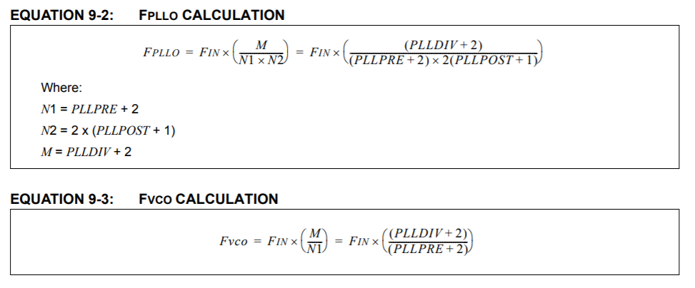

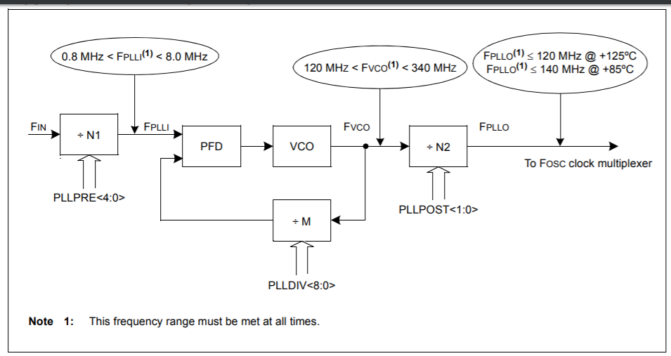

 |  | MIN | MAX
FIN | 11000000 | 8.00E+05 | 8.00E+06 | FPLLI | 5500000 | TRUE
PLLDIV | 40 | 1.20E+08 | 3.40E+08 | FVCO | 231000000 | TRUE
PLLPRE | 0 | 0 | 1.20E+08 | FPLLO | 115500000 | TRUE
PLLPOST | 0

N1 | 2
N2 | 2
M | 42

FPLLO | 115500000

FCY | 57750000

Timer
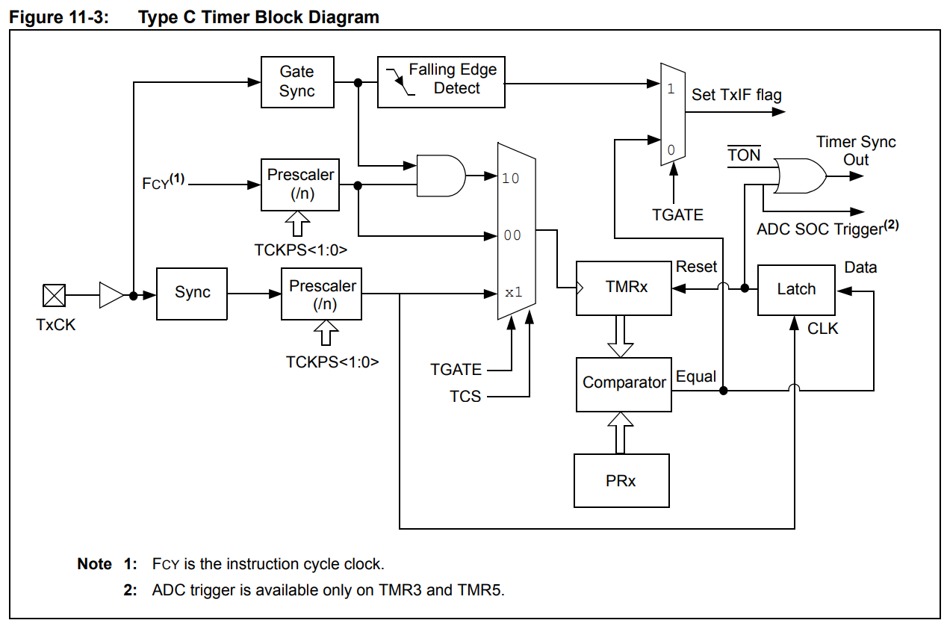

ADC
FCY | 57750000 | 57750000
TCY | 1.7316017316E-08 |  |  | 370 | 6.4069264069E-06 | 156081.08108 | 18985404 |  | 2.2675736961E-05 | 1309.5238095 |  | 0.0029024943311 | 0.0058049886621
SAMC | 3 |  | TRUE |  |  |  | 22505553 | 3520149
ADCS | 4 |  |  |  |  |  | 24265390 | 1759837
TAD | 8.658008658E-08 | 7.60E-08 | TRUE |  |  |  | 26025163 | 1759773 |  |  | 1.90E-05
TCONV | 1.038961039E-06 | Conversion Time |  |  |  |  |  |  |  |  | 3.1168831169E-06
TSMP | 2.5974025974E-07 | Sampling Time | TRUE |  |  |  |  |  |  |  | 2.21E-05 | 45153.080672
M | 4 | Number of simulatenous channels |  |  |  |  |  |  | 5.1353874883
TSIM | 4.4155844156E-06 | Total time of sample and convert of simultaneous channels

FREQ | 226470.58824 | 226.47058824 |  |  | 0.00056519480519 |  |  | 0.001759773
 | 962500 | 962.5 |  |  | 1.038961039E-06
 |  |  |  |  |  |  |  |  | 0.0029024943311
 |  |  |  | DMA Interrupt Time | 0.00056519480519

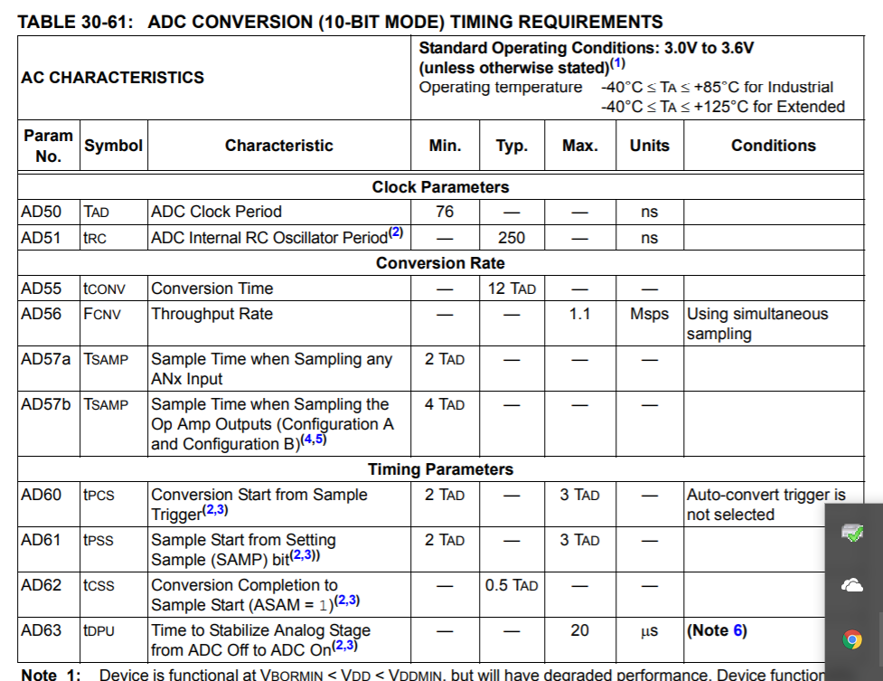

 |  |  |  |  |  |  |  |  | 2.2510822511E-07 | 2.8813852814E-05
 |  |  |  |  |  |  |  |  |  | 2.8813852814E-05
 |  |  |  |  |  |  |  |  |  | 2.2510822511E-07
 |  |  |  |  |  |  |  |  | Interrupt Overhead | 5.7852813853E-05 |  | 0.0028446415172

 |  |  |  |  |  |  |  |  | 26.548462
 |  |  |  |  |  |  |  |  | 26.37268

Signal simulation
Base time | 4.4155844156E-06 |  |  | Fs | 226470.58824
Frequency | 2000 |  |  | N | 128
 | Time | Value
0 | 0 | 0 | 0 | fbin | 3538.6029412
1 | 4.4155844156E-06 | 0.055459400993 | 0
2 | 8.8311688312E-06 | 0.11074809164 | 0
3 | 1.3246753247E-05 | 0.16569588704 | 0 | 0 | 0
4 | 1.7662337662E-05 | 0.22013365164 | 0 | 1 | 3538.6029412
5 | 2.2077922078E-05 | 0.2738938198 | 0 | 2 | 7077.2058824
6 | 2.6493506494E-05 | 0.3268109116 | 0 | 3 | 10615.808824
7 | 3.0909090909E-05 | 0.3787220422 | 0 | 4 | 14154.411765
8 | 3.5324675325E-05 | 0.42946742324 | 0 | 5 | 17693.014706
9 | 3.974025974E-05 | 0.47889085465 | 0 | 6 | 21231.617647
10 | 4.4155844156E-05 | 0.52684020549 | 0 | 7 | 24770.220588
11 | 4.8571428571E-05 | 0.57316788219 | 0 | 8 | 28308.823529
12 | 5.2987012987E-05 | 0.61773128289 | 0 | 9 | 31847.426471
13 | 5.7402597403E-05 | 0.66039323637 | 0 | 10 | 35386.029412
14 | 6.1818181818E-05 | 0.70102242428 | 0 | 11 | 38924.632353
15 | 6.6233766234E-05 | 0.73949378536 | 0 | 12 | 42463.235294
16 | 7.0649350649E-05 | 0.77568890037 | 0 | 13 | 46001.838235
17 | 7.5064935065E-05 | 0.80949635662 | 0 | 14 | 49540.441176
18 | 7.9480519481E-05 | 0.84081209093 | 0 | 15 | 53079.044118
19 | 8.3896103896E-05 | 0.86953970989 | 0 | 16 | 56617.647059
20 | 8.8311688312E-05 | 0.89559078662 | 0 | 17 | 60156.25
21 | 9.2727272727E-05 | 0.91888513294 | 0 | 18 | 63694.852941
22 | 9.7142857143E-05 | 0.93935104621 | 0 | 19 | 67233.455882
23 | 0.00010155844156 | 0.95692553 | 0 | 20 | 70772.058824
24 | 0.00010597402597 | 0.97155448807 | 0 | 21 | 74310.661765
25 | 0.00011038961039 | 0.9831928908 | 0 | 22 | 77849.264706
26 | 0.00011480519481 | 0.99180491387 | 0 | 23 | 81387.867647
27 | 0.00011922077922 | 0.9973640485 | 0 | 24 | 84926.470588
28 | 0.00012363636364 | 0.99985318303 | 0 | 25 | 88465.073529
29 | 0.00012805194805 | 0.99926465563 | 0 | 26 | 92003.676471
30 | 0.00013246753247 | 0.99560027784 | 0 | 27 | 95542.279412
31 | 0.00013688311688 | 0.98887132905 | 0 | 28 | 99080.882353
32 | 0.0001412987013 | 0.97909852171 | 0 | 29 | 102619.48529
33 | 0.00014571428571 | 0.96631193766 | 0 | 30 | 106158.08824
34 | 0.00015012987013 | 0.95055093544 | 0 | 31 | 109696.69118
35 | 0.00015454545455 | 0.93186402921 | 0 | 32 | 113235.29412
36 | 0.00015896103896 | 0.91030873941 | 0 | 33 | 116773.89706
37 | 0.00016337662338 | 0.88595141566 | 0 | 34 | 120312.5
38 | 0.00016779220779 | 0.85886703259 | 0 | 35 | 123851.10294
39 | 0.00017220779221 | 0.829138959 | 0 | 36 | 127389.70588
40 | 0.00017662337662 | 0.7968587013 | 0 | 37 | 130928.30882
41 | 0.00018103896104 | 0.76212562178 | 0 | 38 | 134466.91176
42 | 0.00018545454545 | 0.72504663284 | 0 | 39 | 138005.51471
43 | 0.00018987012987 | 0.6857358678 | 0 | 40 | 141544.11765
44 | 0.00019428571429 | 0.64431432969 | 0 | 41 | 145082.72059
45 | 0.0001987012987 | 0.60090951872 | 0 | 42 | 148621.32353
46 | 0.00020311688312 | 0.55565503983 | 0 | 43 | 152159.92647
47 | 0.00020753246753 | 0.50869019147 | 0 | 44 | 155698.52941
48 | 0.00021194805195 | 0.46015953677 | 0 | 45 | 159237.13235
49 | 0.00021636363636 | 0.41021245864 | 0 | 46 | 162775.73529
50 | 0.00022077922078 | 0.35900269985 | 0 | 47 | 166314.33824
51 | 0.00022519480519 | 0.30668788987 | 0 | 48 | 169852.94118
52 | 0.00022961038961 | 0.25342905966 | 0 | 49 | 173391.54412
53 | 0.00023402597403 | 0.19939014594 | 0 | 50 | 176930.14706
54 | 0.00023844155844 | 0.14473748665 | 0 | 51 | 180468.75
55 | 0.00024285714286 | 0.089639308903 | 0 | 52 | 184007.35294
56 | 0.00024727272727 | 0.034265211155 | 0 | 53 | 187545.95588
57 | 0.00025168831169 | -0.021214358815 | 0 | 54 | 191084.55882
58 | 0.0002561038961 | -0.076628628573 | 0 | 55 | 194623.16176
59 | 0.00026051948052 | -0.13180702669 | 0 | 56 | 198161.76471
60 | 0.00026493506494 | -0.18657970777 | 0 | 57 | 201700.36765
61 | 0.00026935064935 | -0.24077807526 | 0 | 58 | 205238.97059
62 | 0.00027376623377 | -0.29423530043 | 0 | 59 | 208777.57353
63 | 0.00027818181818 | -0.34678683584 | 0 | 60 | 212316.17647
64 | 0.0002825974026 | -0.39827092189 | 0 | 61 | 215854.77941
65 | 0.00028701298701 | -0.4485290847 | 0 | 62 | 219393.38235
66 | 0.00029142857143 | -0.49740662391 | 0 | 63 | 222931.98529
67 | 0.00029584415584 | -0.54475308891 | 0
68 | 0.00030025974026 | -0.59042274187 | 0
69 | 0.00030467532468 | -0.63427500642 | 0
70 | 0.00030909090909 | -0.67617490027 | 0
71 | 0.00031350649351 | -0.7159934508 | 0
72 | 0.00031792207792 | -0.75360809197 | 0
73 | 0.00032233766234 | -0.78890304163 | 0
74 | 0.00032675324675 | -0.82176965791 | 0
75 | 0.00033116883117 | -0.85210677362 | 0
76 | 0.00033558441558 | -0.87982100766 | 0
77 | 0.00034 | -0.90482705247 | 0
78 | 0.00034441558442 | -0.92704793659 | 0
79 | 0.00034883116883 | -0.94641526161 | 0
80 | 0.00035324675325 | -0.96286941271 | 0
81 | 0.00035766233766 | -0.97635974212 | 0
82 | 0.00036207792208 | -0.98684472509 | 0
83 | 0.00036649350649 | -0.99429208764 | 0
84 | 0.00037090909091 | -0.99867890593 | 0
85 | 0.00037532467532 | -0.99999167685 | 0
86 | 0.00037974025974 | -0.99822635953 | 0
87 | 0.00038415584416 | -0.99338838783 | 0
88 | 0.00038857142857 | -0.98549265357 | 0
89 | 0.00039298701299 | -0.97456346071 | 0
90 | 0.0003974025974 | -0.96063445057 | 0
91 | 0.00040181818182 | -0.94374849821 | 0
92 | 0.00040623376623 | -0.92395758052 | 0
93 | 0.00041064935065 | -0.90132261621 | 0
94 | 0.00041506493506 | -0.87591327826 | 0
95 | 0.00041948051948 | -0.84780777952 | 0
96 | 0.0004238961039 | -0.8170926319 | 0
97 | 0.00042831168831 | -0.78386238013 | 0
98 | 0.00043272727273 | -0.74821931071 | 0
99 | 0.00043714285714 | -0.71027313707 | 0
100 | 0.00044155844156 | -0.67014066184 | 0
101 | 0.00044597402597 | -0.62794541735 | 0
102 | 0.00045038961039 | -0.58381728538 | 0
103 | 0.00045480519481 | -0.53789209733 | 0
104 | 0.00045922077922 | -0.49031121616 | 0
105 | 0.00046363636364 | -0.44122110124 | 0
106 | 0.00046805194805 | -0.39077285754 | 0
107 | 0.00047246753247 | -0.3391217705 | 0
108 | 0.00047688311688 | -0.28642682803 | 0
109 | 0.0004812987013 | -0.23285023118 | 0
110 | 0.00048571428571 | -0.1785568948 | 0
111 | 0.00049012987013 | -0.12371393997 | 0
112 | 0.00049454545455 | -0.068490179548 | 0
113 | 0.00049896103896 | -0.013055598556 | 0
114 | 0.00050337662338 | 0.042419169055 | 0
115 | 0.00050779220779 | 0.097763365634 | 0
116 | 0.00051220779221 | 0.15280663544 | 0
117 | 0.00051662337662 | 0.20737954903 | 0
118 | 0.00052103896104 | 0.26131412475 | 0
119 | 0.00052545454545 | 0.31444434585 | 0
120 | 0.00052987012987 | 0.36660667145 | 0
121 | 0.00053428571429 | 0.41764053997 | 0
122 | 0.0005387012987 | 0.46738886336 | 0
123 | 0.00054311688312 | 0.51569851062 | 0
124 | 0.00054753246753 | 0.56242077914 | 0
125 | 0.00055194805195 | 0.60741185248 | 0
126 | 0.00055636363636 | 0.65053324297 | 0
127 | 0.00056077922078 | 0.69165221808 | 0

InputSignalSim
1022 | 1022 | 1022 | 511 | 511
1022 | 1022 | 1022 | 511 | 511
1022 | 1022 | 1022 | 511 | 511
1022 | 1022 | 1022 | 511 | 511
996.953789 | 997 | 997 | 485.953789 | 486
996.953789 | 997 | 997 | 485.953789 | 486
996.953789 | 997 | 997 | 485.953789 | 486
996.953789 | 997 | 997 | 485.953789 | 486
924.27039 | 924 | 924 | 413.27039 | 413
924.27039 | 924 | 924 | 413.27039 | 413
924.27039 | 924 | 924 | 413.27039 | 413
924.27039 | 924 | 924 | 413.27039 | 413
811.074828 | 811 | 811 | 300.074828 | 300
811.074828 | 811 | 811 | 300.074828 | 300
811.074828 | 811 | 811 | 300.074828 | 300
811.074828 | 811 | 811 | 300.074828 | 300
668.463464 | 668 | 668 | 157.463464 | 157
668.463464 | 668 | 668 | 157.463464 | 157
668.463464 | 668 | 668 | 157.463464 | 157
668.463464 | 668 | 668 | 157.463464 | 157
510.416235 | 510 | 510 | -0.583765 | -1
510.416235 | 510 | 510 | -0.583765 | -1
510.416235 | 510 | 510 | -0.583765 | -1
510.416235 | 510 | 510 | -0.583765 | -1
352.426233 | 352 | 352 | -158.573767 | -159
352.426233 | 352 | 352 | -158.573767 | -159
352.426233 | 352 | 352 | -158.573767 | -159
352.426233 | 352 | 352 | -158.573767 | -159
209.980935 | 210 | 210 | -301.019065 | -301
209.980935 | 210 | 210 | -301.019065 | -301
209.980935 | 210 | 210 | -301.019065 | -301
209.980935 | 210 | 210 | -301.019065 | -301
97.044002 | 97 | 97 | -413.955998 | -414
97.044002 | 97 | 97 | -413.955998 | -414
97.044002 | 97 | 97 | -413.955998 | -414
97.044002 | 97 | 97 | -413.955998 | -414
24.68644 | 25 | 25 | -486.31356 | -486
24.68644 | 25 | 25 | -486.31356 | -486
24.68644 | 25 | 25 | -486.31356 | -486
24.68644 | 25 | 25 | -486.31356 | -486
0.001334 | 0 | 0 | -510.998666 | -511
0.001334 | 0 | 0 | -510.998666 | -511
0.001334 | 0 | 0 | -510.998666 | -511
0.001334 | 0 | 0 | -510.998666 | -511
25.40852 | 25 | 25 | -485.59148 | -486
25.40852 | 25 | 25 | -485.59148 | -486
25.40852 | 25 | 25 | -485.59148 | -486
25.40852 | 25 | 25 | -485.59148 | -486
98.417377 | 98 | 98 | -412.582623 | -413
98.417377 | 98 | 98 | -412.582623 | -413
98.417377 | 98 | 98 | -412.582623 | -413
98.417377 | 98 | 98 | -412.582623 | -413
211.870976 | 212 | 212 | -299.129024 | -299
211.870976 | 212 | 212 | -299.129024 | -299
211.870976 | 212 | 212 | -299.129024 | -299
211.870976 | 212 | 212 | -299.129024 | -299
354.647662 | 355 | 355 | -156.352338 | -156
354.647662 | 355 | 355 | -156.352338 | -156
354.647662 | 355 | 355 | -156.352338 | -156
354.647662 | 355 | 355 | -156.352338 | -156
512.751291 | 513 | 513 | 1.751291 | 2
512.751291 | 513 | 513 | 1.751291 | 2
512.751291 | 513 | 513 | 1.751291 | 2
512.751291 | 513 | 513 | 1.751291 | 2
670.683243 | 671 | 671 | 159.683243 | 160
670.683243 | 671 | 671 | 159.683243 | 160
670.683243 | 671 | 671 | 159.683243 | 160
670.683243 | 671 | 671 | 159.683243 | 160
812.961731 | 813 | 813 | 301.961731 | 302
812.961731 | 813 | 813 | 301.961731 | 302
812.961731 | 813 | 813 | 301.961731 | 302
812.961731 | 813 | 813 | 301.961731 | 302
925.639446 | 926 | 926 | 414.639446 | 415
925.639446 | 926 | 926 | 414.639446 | 415
925.639446 | 926 | 926 | 414.639446 | 415
925.639446 | 926 | 926 | 414.639446 | 415
997.670793 | 998 | 998 | 486.670793 | 487
997.670793 | 998 | 998 | 486.670793 | 487
997.670793 | 998 | 998 | 486.670793 | 487
997.670793 | 998 | 998 | 486.670793 | 487
1021.994665 | 1022 | 1022 | 510.994665 | 511
1021.994665 | 1022 | 1022 | 510.994665 | 511
1021.994665 | 1022 | 1022 | 510.994665 | 511
1021.994665 | 1022 | 1022 | 510.994665 | 511
996.226637 | 996 | 996 | 485.226637 | 485
996.226637 | 996 | 996 | 485.226637 | 485
996.226637 | 996 | 996 | 485.226637 | 485
996.226637 | 996 | 996 | 485.226637 | 485
922.892703 | 923 | 923 | 411.892703 | 412
922.892703 | 923 | 923 | 411.892703 | 412
922.892703 | 923 | 923 | 411.892703 | 412
922.892703 | 923 | 923 | 411.892703 | 412
809.181659 | 809 | 809 | 298.181659 | 298
809.181659 | 809 | 809 | 298.181659 | 298
809.181659 | 809 | 809 | 298.181659 | 298
809.181659 | 809 | 809 | 298.181659 | 298
666.240396 | 666 | 666 | 155.240396 | 155
666.240396 | 666 | 666 | 155.240396 | 155
666.240396 | 666 | 666 | 155.240396 | 155
666.240396 | 666 | 666 | 155.240396 | 155
508.081192 | 508 | 508 | -2.918808 | -3
508.081192 | 508 | 508 | -2.918808 | -3
508.081192 | 508 | 508 | -2.918808 | -3
508.081192 | 508 | 508 | -2.918808 | -3
350.208114 | 350 | 350 | -160.791886 | -161
350.208114 | 350 | 350 | -160.791886 | -161
350.208114 | 350 | 350 | -160.791886 | -161
350.208114 | 350 | 350 | -160.791886 | -161
208.097179 | 208 | 208 | -302.902821 | -303
208.097179 | 208 | 208 | -302.902821 | -303
208.097179 | 208 | 208 | -302.902821 | -303
208.097179 | 208 | 208 | -302.902821 | -303
95.67927 | 96 | 96 | -415.32073 | -415
95.67927 | 96 | 96 | -415.32073 | -415
95.67927 | 96 | 96 | -415.32073 | -415
95.67927 | 96 | 96 | -415.32073 | -415
23.974515 | 24 | 24 | -487.025485 | -487
23.974515 | 24 | 24 | -487.025485 | -487
23.974515 | 24 | 24 | -487.025485 | -487
23.974515 | 24 | 24 | -487.025485 | -487
0.012004 | 0 | 0 | -510.987996 | -511
0.012004 | 0 | 0 | -510.987996 | -511
0.012004 | 0 | 0 | -510.987996 | -511
0.012004 | 0 | 0 | -510.987996 | -511
26.140739 | 26 | 26 | -484.859261 | -485
26.140739 | 26 | 26 | -484.859261 | -485
26.140739 | 26 | 26 | -484.859261 | -485
26.140739 | 26 | 26 | -484.859261 | -485
99.799367 | 100 | 100 | -411.200633 | -411
99.799367 | 100 | 100 | -411.200633 | -411
99.799367 | 100 | 100 | -411.200633 | -411
99.799367 | 100 | 100 | -411.200633 | -411
213.767263 | 214 | 214 | -297.232737 | -297
213.767263 | 214 | 214 | -297.232737 | -297
213.767263 | 214 | 214 | -297.232737 | -297
213.767263 | 214 | 214 | -297.232737 | -297
356.872356 | 357 | 357 | -154.127644 | -154
356.872356 | 357 | 357 | -154.127644 | -154
356.872356 | 357 | 357 | -154.127644 | -154
356.872356 | 357 | 357 | -154.127644 | -154
515.086309 | 515 | 515 | 4.086309 | 4
515.086309 | 515 | 515 | 4.086309 | 4
515.086309 | 515 | 515 | 4.086309 | 4
515.086309 | 515 | 515 | 4.086309 | 4
672.899689 | 673 | 673 | 161.899689 | 162
672.899689 | 673 | 673 | 161.899689 | 162
672.899689 | 673 | 673 | 161.899689 | 162
672.899689 | 673 | 673 | 161.899689 | 162
814.842329 | 815 | 815 | 303.842329 | 304
814.842329 | 815 | 815 | 303.842329 | 304
814.842329 | 815 | 815 | 303.842329 | 304
814.842329 | 815 | 815 | 303.842329 | 304
926.999845 | 927 | 927 | 415.999845 | 416
926.999845 | 927 | 927 | 415.999845 | 416
926.999845 | 927 | 927 | 415.999845 | 416
926.999845 | 927 | 927 | 415.999845 | 416
998.377634 | 998 | 998 | 487.377634 | 487
998.377634 | 998 | 998 | 487.377634 | 487
998.377634 | 998 | 998 | 487.377634 | 487
998.377634 | 998 | 998 | 487.377634 | 487
1021.97866 | 1022 | 1022 | 510.97866 | 511
1021.97866 | 1022 | 1022 | 510.97866 | 511
1021.97866 | 1022 | 1022 | 510.97866 | 511
1021.97866 | 1022 | 1022 | 510.97866 | 511
995.489354 | 995 | 995 | 484.489354 | 484
995.489354 | 995 | 995 | 484.489354 | 484
995.489354 | 995 | 995 | 484.489354 | 484
995.489354 | 995 | 995 | 484.489354 | 484
921.506417 | 922 | 922 | 410.506417 | 411
921.506417 | 922 | 922 | 410.506417 | 411
921.506417 | 922 | 922 | 410.506417 | 411
921.506417 | 922 | 922 | 410.506417 | 411
807.282264 | 807 | 807 | 296.282264 | 296
807.282264 | 807 | 807 | 296.282264 | 296
807.282264 | 807 | 807 | 296.282264 | 296
807.282264 | 807 | 807 | 296.282264 | 296
664.014087 | 664 | 664 | 153.014087 | 153
664.014087 | 664 | 664 | 153.014087 | 153
664.014087 | 664 | 664 | 153.014087 | 153
664.014087 | 664 | 664 | 153.014087 | 153
505.74621 | 506 | 506 | -5.25379 | -5
505.74621 | 506 | 506 | -5.25379 | -5
505.74621 | 506 | 506 | -5.25379 | -5
505.74621 | 506 | 506 | -5.25379 | -5
347.993354 | 348 | 348 | -163.006646 | -163
347.993354 | 348 | 348 | -163.006646 | -163
347.993354 | 348 | 348 | -163.006646 | -163
347.993354 | 348 | 348 | -163.006646 | -163
206.219749 | 206 | 206 | -304.780251 | -305
206.219749 | 206 | 206 | -304.780251 | -305
206.219749 | 206 | 206 | -304.780251 | -305
206.219749 | 206 | 206 | -304.780251 | -305
94.323212 | 94 | 94 | -416.676788 | -417
94.323212 | 94 | 94 | -416.676788 | -417
94.323212 | 94 | 94 | -416.676788 | -417
94.323212 | 94 | 94 | -416.676788 | -417
23.27276 | 23 | 23 | -487.72724 | -488
23.27276 | 23 | 23 | -487.72724 | -488
23.27276 | 23 | 23 | -487.72724 | -488
23.27276 | 23 | 23 | -487.72724 | -488
0.033344 | 0 | 0 | -510.966656 | -511
0.033344 | 0 | 0 | -510.966656 | -511
0.033344 | 0 | 0 | -510.966656 | -511
0.033344 | 0 | 0 | -510.966656 | -511
26.883083 | 27 | 27 | -484.116917 | -484
26.883083 | 27 | 27 | -484.116917 | -484
26.883083 | 27 | 27 | -484.116917 | -484
26.883083 | 27 | 27 | -484.116917 | -484
101.189943 | 101 | 101 | -409.810057 | -410
101.189943 | 101 | 101 | -409.810057 | -410
101.189943 | 101 | 101 | -409.810057 | -410
101.189943 | 101 | 101 | -409.810057 | -410
215.669756 | 216 | 216 | -295.330244 | -295
215.669756 | 216 | 216 | -295.330244 | -295
215.669756 | 216 | 216 | -295.330244 | -295
215.669756 | 216 | 216 | -295.330244 | -295
359.100269 | 359 | 359 | -151.899731 | -152
359.100269 | 359 | 359 | -151.899731 | -152
359.100269 | 359 | 359 | -151.899731 | -152
359.100269 | 359 | 359 | -151.899731 | -152
517.421243 | 517 | 517 | 6.421243 | 6
517.421243 | 517 | 517 | 6.421243 | 6
517.421243 | 517 | 517 | 6.421243 | 6
517.421243 | 517 | 517 | 6.421243 | 6
675.112753 | 675 | 675 | 164.112753 | 164
675.112753 | 675 | 675 | 164.112753 | 164
675.112753 | 675 | 675 | 164.112753 | 164
675.112753 | 675 | 675 | 164.112753 | 164
816.716582 | 817 | 817 | 305.716582 | 306
816.716582 | 817 | 817 | 305.716582 | 306
816.716582 | 817 | 817 | 305.716582 | 306
816.716582 | 817 | 817 | 305.716582 | 306
928.351557 | 928 | 928 | 417.351557 | 417
928.351557 | 928 | 928 | 417.351557 | 417
928.351557 | 928 | 928 | 417.351557 | 417
928.351557 | 928 | 928 | 417.351557 | 417
999.074299 | 999 | 999 | 488.074299 | 488
999.074299 | 999 | 999 | 488.074299 | 488
999.074299 | 999 | 999 | 488.074299 | 488
999.074299 | 999 | 999 | 488.074299 | 488
1021.951985 | 1022 | 1022 | 510.951985 | 511
1021.951985 | 1022 | 1022 | 510.951985 | 511
1021.951985 | 1022 | 1022 | 510.951985 | 511
1021.951985 | 1022 | 1022 | 510.951985 | 511
994.741954 | 995 | 995 | 483.741954 | 484
994.741954 | 995 | 995 | 483.741954 | 484
994.741954 | 995 | 995 | 483.741954 | 484
994.741954 | 995 | 995 | 483.741954 | 484
920.111558 | 920 | 920 | 409.111558 | 409
920.111558 | 920 | 920 | 409.111558 | 409
920.111558 | 920 | 920 | 409.111558 | 409
920.111558 | 920 | 920 | 409.111558 | 409
805.376682 | 805 | 805 | 294.376682 | 294
805.376682 | 805 | 805 | 294.376682 | 294
805.376682 | 805 | 805 | 294.376682 | 294
805.376682 | 805 | 805 | 294.376682 | 294
661.784583 | 662 | 662 | 150.784583 | 151
661.784583 | 662 | 662 | 150.784583 | 151
661.784583 | 662 | 662 | 150.784583 | 151
661.784583 | 662 | 662 | 150.784583 | 151
503.411338 | 503 | 503 | -7.588662 | -8
503.411338 | 503 | 503 | -7.588662 | -8
503.411338 | 503 | 503 | -7.588662 | -8
503.411338 | 503 | 503 | -7.588662 | -8
345.781997 | 346 | 346 | -165.218003 | -165
345.781997 | 346 | 346 | -165.218003 | -165
345.781997 | 346 | 346 | -165.218003 | -165
345.781997 | 346 | 346 | -165.218003 | -165
204.348683 | 204 | 204 | -306.651317 | -307
204.348683 | 204 | 204 | -306.651317 | -307
204.348683 | 204 | 204 | -306.651317 | -307
204.348683 | 204 | 204 | -306.651317 | -307
92.975853 | 93 | 93 | -418.024147 | -418
92.975853 | 93 | 93 | -418.024147 | -418
92.975853 | 93 | 93 | -418.024147 | -418
92.975853 | 93 | 93 | -418.024147 | -418
22.581189 | 23 | 23 | -488.418811 | -488
22.581189 | 23 | 23 | -488.418811 | -488
22.581189 | 23 | 23 | -488.418811 | -488
22.581189 | 23 | 23 | -488.418811 | -488
0.065354 | 0 | 0 | -510.934646 | -511
0.065354 | 0 | 0 | -510.934646 | -511
0.065354 | 0 | 0 | -510.934646 | -511
0.065354 | 0 | 0 | -510.934646 | -511
27.635535 | 28 | 28 | -483.364465 | -483
27.635535 | 28 | 28 | -483.364465 | -483
27.635535 | 28 | 28 | -483.364465 | -483
27.635535 | 28 | 28 | -483.364465 | -483
102.589077 | 103 | 103 | -408.410923 | -408
102.589077 | 103 | 103 | -408.410923 | -408
102.589077 | 103 | 103 | -408.410923 | -408
102.589077 | 103 | 103 | -408.410923 | -408
217.578417 | 218 | 218 | -293.421583 | -293
217.578417 | 218 | 218 | -293.421583 | -293
217.578417 | 218 | 218 | -293.421583 | -293
217.578417 | 218 | 218 | -293.421583 | -293
361.331353 | 361 | 361 | -149.668647 | -150
361.331353 | 361 | 361 | -149.668647 | -150
361.331353 | 361 | 361 | -149.668647 | -150
361.331353 | 361 | 361 | -149.668647 | -150
519.756042 | 520 | 520 | 8.756042 | 9
519.756042 | 520 | 520 | 8.756042 | 9
519.756042 | 520 | 520 | 8.756042 | 9
519.756042 | 520 | 520 | 8.756042 | 9
677.322391 | 677 | 677 | 166.322391 | 166
677.322391 | 677 | 677 | 166.322391 | 166
677.322391 | 677 | 677 | 166.322391 | 166
677.322391 | 677 | 677 | 166.322391 | 166
818.584451 | 819 | 819 | 307.584451 | 308
818.584451 | 819 | 819 | 307.584451 | 308
818.584451 | 819 | 819 | 307.584451 | 308
818.584451 | 819 | 819 | 307.584451 | 308
929.694554 | 930 | 930 | 418.694554 | 419
929.694554 | 930 | 930 | 418.694554 | 419
929.694554 | 930 | 930 | 418.694554 | 419
929.694554 | 930 | 930 | 418.694554 | 419
999.760773 | 1000 | 1000 | 488.760773 | 489
999.760773 | 1000 | 1000 | 488.760773 | 489
999.760773 | 1000 | 1000 | 488.760773 | 489
999.760773 | 1000 | 1000 | 488.760773 | 489
1021.91464 | 1022 | 1022 | 510.91464 | 511
1021.91464 | 1022 | 1022 | 510.91464 | 511
1021.91464 | 1022 | 1022 | 510.91464 | 511
1021.91464 | 1022 | 1022 | 510.91464 | 511
993.984453 | 994 | 994 | 482.984453 | 483
993.984453 | 994 | 994 | 482.984453 | 483
993.984453 | 994 | 994 | 482.984453 | 483
993.984453 | 994 | 994 | 482.984453 | 483
918.708156 | 919 | 919 | 407.708156 | 408
918.708156 | 919 | 919 | 407.708156 | 408
918.708156 | 919 | 919 | 407.708156 | 408
918.708156 | 919 | 919 | 407.708156 | 408
803.464953 | 803 | 803 | 292.464953 | 292
803.464953 | 803 | 803 | 292.464953 | 292
803.464953 | 803 | 803 | 292.464953 | 292
803.464953 | 803 | 803 | 292.464953 | 292
659.55193 | 660 | 660 | 148.55193 | 149
659.55193 | 660 | 660 | 148.55193 | 149
659.55193 | 660 | 660 | 148.55193 | 149
659.55193 | 660 | 660 | 148.55193 | 149
501.076624 | 501 | 501 | -9.923376 | -10
501.076624 | 501 | 501 | -9.923376 | -10
501.076624 | 501 | 501 | -9.923376 | -10
501.076624 | 501 | 501 | -9.923376 | -10
343.57409 | 344 | 344 | -167.42591 | -167
343.57409 | 344 | 344 | -167.42591 | -167
343.57409 | 344 | 344 | -167.42591 | -167
343.57409 | 344 | 344 | -167.42591 | -167
202.48402 | 202 | 202 | -308.51598 | -309
202.48402 | 202 | 202 | -308.51598 | -309
202.48402 | 202 | 202 | -308.51598 | -309
202.48402 | 202 | 202 | -308.51598 | -309
91.637224 | 92 | 92 | -419.362776 | -419
91.637224 | 92 | 92 | -419.362776 | -419
91.637224 | 92 | 92 | -419.362776 | -419
91.637224 | 92 | 92 | -419.362776 | -419
21.899817 | 22 | 22 | -489.100183 | -489
21.899817 | 22 | 22 | -489.100183 | -489
21.899817 | 22 | 22 | -489.100183 | -489
21.899817 | 22 | 22 | -489.100183 | -489
0.108033 | 0 | 0 | -510.891967 | -511
0.108033 | 0 | 0 | -510.891967 | -511
0.108033 | 0 | 0 | -510.891967 | -511
0.108033 | 0 | 0 | -510.891967 | -511
28.398081 | 28 | 28 | -482.601919 | -483
28.398081 | 28 | 28 | -482.601919 | -483
28.398081 | 28 | 28 | -482.601919 | -483
28.398081 | 28 | 28 | -482.601919 | -483
103.996739 | 104 | 104 | -407.003261 | -407
103.996739 | 104 | 104 | -407.003261 | -407
103.996739 | 104 | 104 | -407.003261 | -407
103.996739 | 104 | 104 | -407.003261 | -407
219.493204 | 219 | 219 | -291.506796 | -292
219.493204 | 219 | 219 | -291.506796 | -292
219.493204 | 219 | 219 | -291.506796 | -292
219.493204 | 219 | 219 | -291.506796 | -292
363.565563 | 364 | 364 | -147.434437 | -147
363.565563 | 364 | 364 | -147.434437 | -147
363.565563 | 364 | 364 | -147.434437 | -147
363.565563 | 364 | 364 | -147.434437 | -147
522.090658 | 522 | 522 | 11.090658 | 11
522.090658 | 522 | 522 | 11.090658 | 11
522.090658 | 522 | 522 | 11.090658 | 11
522.090658 | 522 | 522 | 11.090658 | 11
679.528556 | 680 | 680 | 168.528556 | 169
679.528556 | 680 | 680 | 168.528556 | 169
679.528556 | 680 | 680 | 168.528556 | 169
679.528556 | 680 | 680 | 168.528556 | 169
820.445898 | 820 | 820 | 309.445898 | 309
820.445898 | 820 | 820 | 309.445898 | 309
820.445898 | 820 | 820 | 309.445898 | 309
820.445898 | 820 | 820 | 309.445898 | 309
931.028808 | 931 | 931 | 420.028808 | 420
931.028808 | 931 | 931 | 420.028808 | 420
931.028808 | 931 | 931 | 420.028808 | 420
931.028808 | 931 | 931 | 420.028808 | 420
1000.43704 | 1000 | 1000 | 489.43704 | 489
1000.43704 | 1000 | 1000 | 489.43704 | 489
1000.43704 | 1000 | 1000 | 489.43704 | 489
1000.43704 | 1000 | 1000 | 489.43704 | 489
1021.866628 | 1022 | 1022 | 510.866628 | 511
1021.866628 | 1022 | 1022 | 510.866628 | 511
1021.866628 | 1022 | 1022 | 510.866628 | 511
1021.866628 | 1022 | 1022 | 510.866628 | 511
993.216866 | 993 | 993 | 482.216866 | 482
993.216866 | 993 | 993 | 482.216866 | 482
993.216866 | 993 | 993 | 482.216866 | 482
993.216866 | 993 | 993 | 482.216866 | 482
917.296241 | 917 | 917 | 406.296241 | 406
917.296241 | 917 | 917 | 406.296241 | 406
917.296241 | 917 | 917 | 406.296241 | 406
917.296241 | 917 | 917 | 406.296241 | 406
801.547117 | 802 | 802 | 290.547117 | 291
801.547117 | 802 | 802 | 290.547117 | 291
801.547117 | 802 | 802 | 290.547117 | 291
801.547117 | 802 | 802 | 290.547117 | 291
657.316175 | 657 | 657 | 146.316175 | 146
657.316175 | 657 | 657 | 146.316175 | 146
657.316175 | 657 | 657 | 146.316175 | 146
657.316175 | 657 | 657 | 146.316175 | 146
498.742118 | 499 | 499 | -12.257882 | -12
498.742118 | 499 | 499 | -12.257882 | -12
498.742118 | 499 | 499 | -12.257882 | -12
498.742118 | 499 | 499 | -12.257882 | -12
341.369679 | 341 | 341 | -169.630321 | -170
341.369679 | 341 | 341 | -169.630321 | -170
341.369679 | 341 | 341 | -169.630321 | -170
341.369679 | 341 | 341 | -169.630321 | -170
200.625799 | 201 | 201 | -310.374201 | -310
200.625799 | 201 | 201 | -310.374201 | -310
200.625799 | 201 | 201 | -310.374201 | -310
200.625799 | 201 | 201 | -310.374201 | -310
90.307352 | 90 | 90 | -420.692648 | -421
90.307352 | 90 | 90 | -420.692648 | -421
90.307352 | 90 | 90 | -420.692648 | -421
90.307352 | 90 | 90 | -420.692648 | -421
21.228658 | 21 | 21 | -489.771342 | -490
21.228658 | 21 | 21 | -489.771342 | -490
21.228658 | 21 | 21 | -489.771342 | -490
21.228658 | 21 | 21 | -489.771342 | -490
0.161379 | 0 | 0 | -510.838621 | -511
0.161379 | 0 | 0 | -510.838621 | -511
0.161379 | 0 | 0 | -510.838621 | -511
0.161379 | 0 | 0 | -510.838621 | -511
29.170704 | 29 | 29 | -481.829296 | -482
29.170704 | 29 | 29 | -481.829296 | -482
29.170704 | 29 | 29 | -481.829296 | -482
29.170704 | 29 | 29 | -481.829296 | -482
105.412899 | 105 | 105 | -405.587101 | -406
105.412899 | 105 | 105 | -405.587101 | -406
105.412899 | 105 | 105 | -405.587101 | -406
105.412899 | 105 | 105 | -405.587101 | -406
221.414078 | 221 | 221 | -289.585922 | -290
221.414078 | 221 | 221 | -289.585922 | -290
221.414078 | 221 | 221 | -289.585922 | -290
221.414078 | 221 | 221 | -289.585922 | -290
365.802851 | 366 | 366 | -145.197149 | -145
365.802851 | 366 | 366 | -145.197149 | -145
365.802851 | 366 | 366 | -145.197149 | -145
365.802851 | 366 | 366 | -145.197149 | -145
524.425043 | 524 | 524 | 13.425043 | 13
524.425043 | 524 | 524 | 13.425043 | 13
524.425043 | 524 | 524 | 13.425043 | 13
524.425043 | 524 | 524 | 13.425043 | 13
681.731201 | 682 | 682 | 170.731201 | 171
681.731201 | 682 | 682 | 170.731201 | 171
681.731201 | 682 | 682 | 170.731201 | 171
681.731201 | 682 | 682 | 170.731201 | 171
822.300883 | 822 | 822 | 311.300883 | 311
822.300883 | 822 | 822 | 311.300883 | 311
822.300883 | 822 | 822 | 311.300883 | 311
822.300883 | 822 | 822 | 311.300883 | 311
932.354292 | 932 | 932 | 421.354292 | 421
932.354292 | 932 | 932 | 421.354292 | 421
932.354292 | 932 | 932 | 421.354292 | 421
932.354292 | 932 | 932 | 421.354292 | 421
1001.103088 | 1001 | 1001 | 490.103088 | 490
1001.103088 | 1001 | 1001 | 490.103088 | 490
1001.103088 | 1001 | 1001 | 490.103088 | 490
1001.103088 | 1001 | 1001 | 490.103088 | 490
1021.807947 | 1022 | 1022 | 510.807947 | 511
1021.807947 | 1022 | 1022 | 510.807947 | 511
1021.807947 | 1022 | 1022 | 510.807947 | 511
1021.807947 | 1022 | 1022 | 510.807947 | 511
992.439211 | 992 | 992 | 481.439211 | 481
992.439211 | 992 | 992 | 481.439211 | 481
992.439211 | 992 | 992 | 481.439211 | 481
992.439211 | 992 | 992 | 481.439211 | 481
915.875843 | 916 | 916 | 404.875843 | 405
915.875843 | 916 | 916 | 404.875843 | 405
915.875843 | 916 | 916 | 404.875843 | 405
915.875843 | 916 | 916 | 404.875843 | 405
799.623214 | 800 | 800 | 288.623214 | 289
799.623214 | 800 | 800 | 288.623214 | 289
799.623214 | 800 | 800 | 288.623214 | 289
799.623214 | 800 | 800 | 288.623214 | 289
655.077365 | 655 | 655 | 144.077365 | 144
655.077365 | 655 | 655 | 144.077365 | 144
655.077365 | 655 | 655 | 144.077365 | 144
655.077365 | 655 | 655 | 144.077365 | 144
496.407867 | 496 | 496 | -14.592133 | -15
496.407867 | 496 | 496 | -14.592133 | -15
496.407867 | 496 | 496 | -14.592133 | -15
496.407867 | 496 | 496 | -14.592133 | -15
339.16881 | 339 | 339 | -171.83119 | -172
339.16881 | 339 | 339 | -171.83119 | -172
339.16881 | 339 | 339 | -171.83119 | -172
339.16881 | 339 | 339 | -171.83119 | -172
198.774059 | 199 | 199 | -312.225941 | -312
198.774059 | 199 | 199 | -312.225941 | -312
198.774059 | 199 | 199 | -312.225941 | -312
198.774059 | 199 | 199 | -312.225941 | -312

