Sheet1
 | Im focusing on ag demand units only
1 | Multiple Demand Units have Demand Variable/Delivery Variable missing

2 | if Du source is surface water (and GW), its annotation starts with dn. why is this delivery variable different?

3 | if the source is gw only, its annotation starts with GP. shouldn’t the ones below be GP as well

 | We have data for DN_64_NA1. does this mean its not only gw?

4 | That’s why we don’t have data for the following delivery variables:
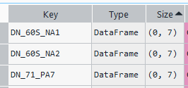

 | This demand unit also doesn’t have data as well.

5 | some demand units have 2 delivery variables. Some delivery variables are seperated with plus sign others with semicolomn. Does this mean this demand units are getting from both sources

