landiq
 | Scripts

 |  | We have identified 21 crop categories and compiled a list of all commodity crops from usda county reports to determine the most suitable proxy crops. This is listed in 'bridging between datasets (work in progress)' excel file.
1 | download_usda_crops | Download usda econ data from 1981 to 2022 (saved in a pckl file). Transformed to only keep econ data from 2018 to 2022 and stored in a csv
 |  | Output | usda_crops_18_22.csv

2 | county_hr_area_analysis | retrieves the hydrologic region
 |  | retrieves the neighboring counties for each county
 |  | retrieves the neighboring hydrologic region for each hydrologic region
 |  | Output | counties_hr_neighbors.csv
 |  |  | figures of all neighboring counties for each county

3 | preprocessing_usda_crops_bridge | Preprocess usda crops data and update the bridge in Python. I've created the 'Bridge OpenAg' Excel file, where I manually map USDA crops to their corresponding OpenAg crop categories.
 |  | usda crops: | 1 - remove commodity crops that are not used
 |  |  | 2 - remove duplicate crops
 |  | bridge: | remove duplicate crops
 |  | Output | processed_usda_crops_18_22.csv

4 | proxy_crop_finder | calculate acreage-weighted price for usda crops in each openag crop categories
 |  | select a proxy crop for each OpenAg crop category within each hydrologic region based on price yield and area coverage criteria.
 |  | Output | hr_crop_analysis_results.pkl
 |  |  | figures of selected proxy crop of each openagag crop withing each hydrologic region

5 | preprocess openag_landiq | process economic data to present, for each county, the price, yield, production, and acreage of each crop (sourced from USDA), along with land area (in acres) derived from LandIQ.
 |  | Additionally, we indicate whether economic data is available for each crop.
 |  | Output | processed_usda_crops_20.csv
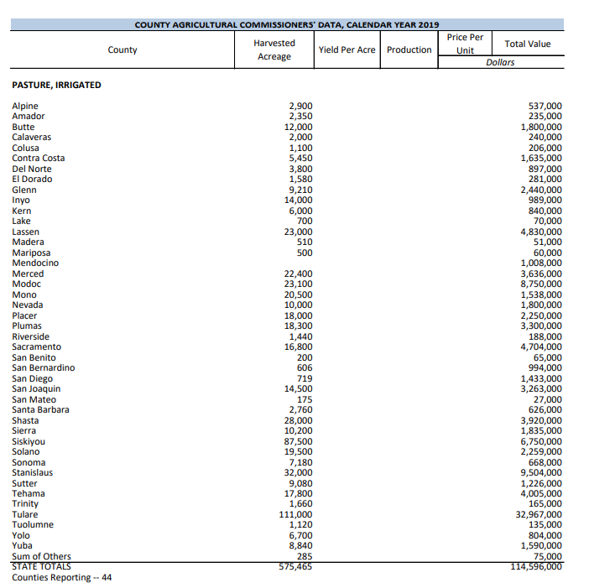
6 | crop_econ_filler | fills missing price values using a hierarchical approach
 |  |  | 1- average price for neighboring counties
 |  |  | 2- average price for each crop in HRs
 |  |  | 3- average price for neighboring HRs
 |  |  | 4- average price for each crop across the entire state
 |  | Output | meta_crop_economic_data.csv
 |  |  | final_crop_economic_data.csv

7 | add_additional_econ_data | add young perennial and pasture econ data
 |  | Output | final_crop_economic_data.csv
8 | groupby_HR
9 | plot econ data

 |  | transform usda data. usda data currenlt has crop type in rows and econ data in columns (price , yield production and acres). each year is a column. from 2018 to 2022. we calculate the 5-year average for each. and do additional preprocessing for exceptional crops.
 |  | we do additional preprocessing for exceptional crops. Exceptional crops are tomatoes and grapes.
 |  | for grapes we have grapes tabler and wine. For tomatoes we have fresh and processing
 |  | instead of

to do
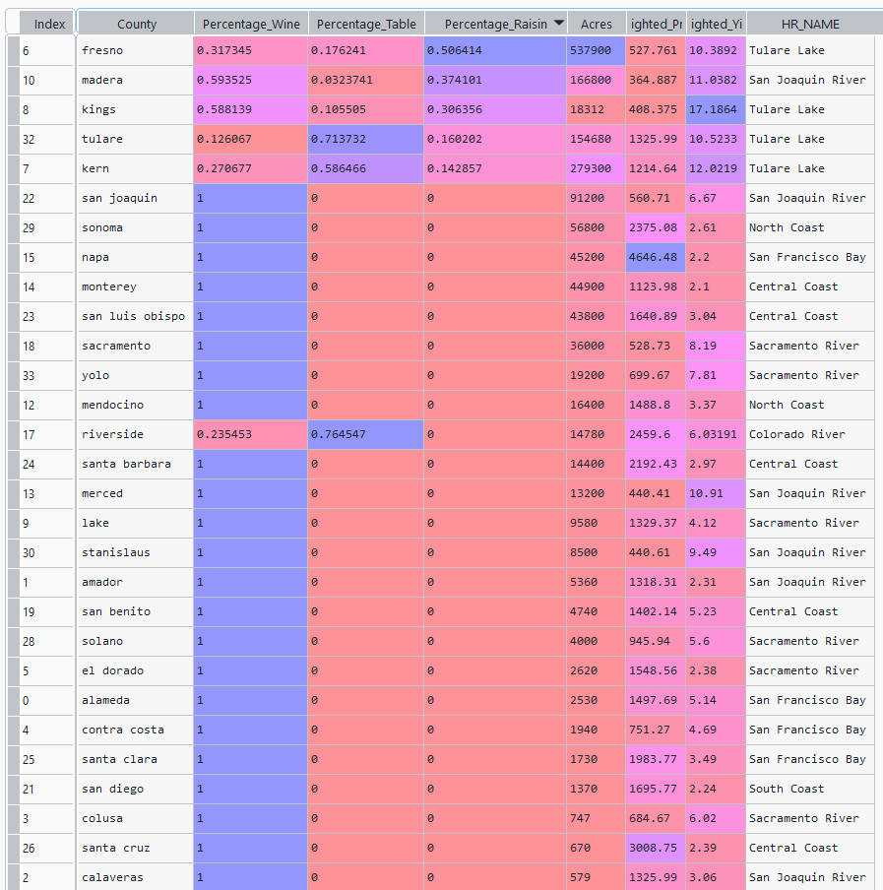
to do

move 5-yr average from 4 to 3

look at the units for crops. This is in preprocessing file

