landiq
 | Scripts
 |  | We have identified 21 crop categories and compiled a list of all commodity crops from usda county reports to determine the most suitable proxy crops. This is listed in 'bridging between datasets (work in progress)' excel file.
1 | download_usda_crops | Download usda econ data from 1981 to 2022 (saved in a pckl file). Dataset transformed such that data is only 2018 to 2022 and stored in a csv
 |  | Output | usda_crops_18_22.csv

2 | county_hr_area_analysis | Retrieves the neighboring counties for each county
 |  | Identifies the hydrologic region corresponding to each county
 |  | Retrieves the neighboring hydrologic region for each hydrologic region
 |  | Thus, each county will have the a column for neighboring counties, the hydrologic region its in and neighboring hydrologic regions
 |  | Output | counties_hr_neighbors.csv
 |  |  | figures of all neighboring counties for each county

3 | preprocess_proxy_crop_finder | Calculates 5-year average of econ data (price, yield, acres, production) for 2018-2022 period
 |  | Clips county information (from step 2) to usda econ dataset
 |  | Removes commodity crops that are not used and duplicate crops that are named different in different reports
 |  | Updates bridge excel between openag and usda by removing duplicate crops
 |  | In 'Bridge OpenAg' excel file, USDA crops have been manually mapped to their corresponding OpenAg crop categories.
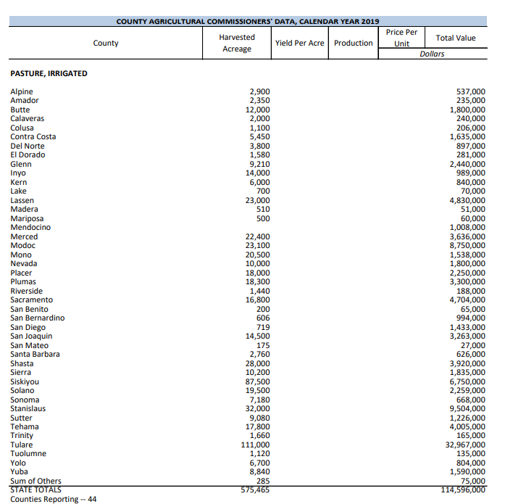
 |  | Output | processed_usda_crops_18_22.csv

4 | proxy_crop_finder | A proxy crop is selected for each OpenAg crop category within each hydrologic region using the following criteria:
 |  |  | 1- If the area of the top crop exceeds the second by more than 10%, the top crop is chosen as the proxy
 |  |  | 2- If multiple crops exhibit an area difference of less than 10%, a weighted average is computed, and the crop with the minimal price-yield disparity is identified as the proxy.
 |  | Output | hr_crop_analysis_results.pkl | calculate acreage-weighted price for usda crops in each openag crop categories
 |  |  | proxy_crops_hr.csv
 |  |  | figures of selected proxy crop of each openagag crop withing each hydrologic region

5 | preprocess_econ_filler | Creates a datarame showing economic data for crops a county can potentially have, along with their proxy crops
 |  | Calculates crops fraction within each proxy crop. This is for exceptional crops (tomatoes and grapes).
 |  | Output | processed_usda_crops_20.csv

6 | crop_econ_filler | fills missing price values using a hierarchical approach
 |  |  | 1- average price for neighboring counties
 |  |  | 2- average price for each crop in HRs
 |  |  | 3- average price for neighboring HRs
 |  |  | 4- average price for each crop across the entire state
 |  | Output | filled_crop_economic_data.csv

7 | postprocessing_spatial_data | Clip econ data to landiq parcels
 |  | Aggregate price and yield econ data based on selected spatial classification
 |  | Add pasture econ data
 |  | Distribute young perennial area to perennial crops
 |  | Output | final_crop_economic_data.csv

