Sheet1
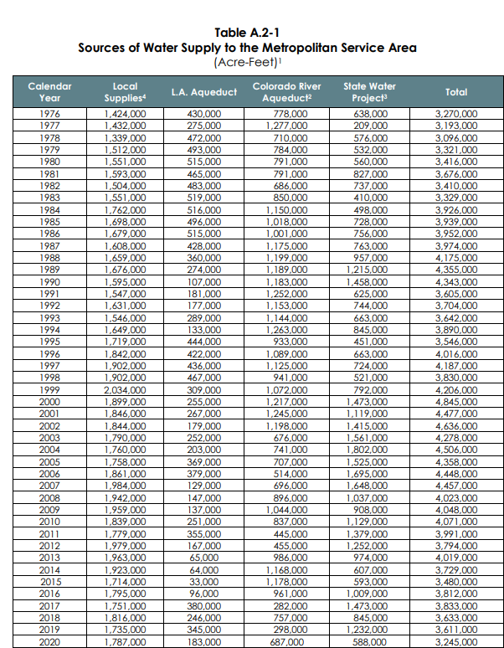

1. Not including system losses.
2. Colorado River Aqueduct supplies are gross Havasu diversions less return flows, deliveries to USBR, Mexico, and storage.
3. State Water Project Supplies include Table A, Art. 21, Art. 14(b), Art. 12(d), Art. 12(e), Art. 55, draws from storage & carryover, DWCV & other exchanges, transfers, Drought Water Bank and Dry Year Pool Purchases, Pools A&B, Flood Water, wheeling, Port Hueneme lease, and SBVMWD Purchases.

4. Local Supplies includes local groundwater, surface water, recycled water, groundwater recovery, and seawater desalination used for MI, AG, SW or GW recharge in MWD service area. Include Santa Ana River Baseflow at Prado Dam for groundwater recharge. Based on best available data at the time of publication, subject to updates without notice. Data for 2020 not available and is estimated based on historical data.

