Introduction
This document contains mappings of the CIS Critical Security Controls (CIS Controls) v8.1 and CIS Safeguards to NIST Special Publication 800-171 Revision 3, Protecting Controlled Unclassified Information in Nonfederal Systems and Organizations (“SP 800-171”)
Last Updated February 2025

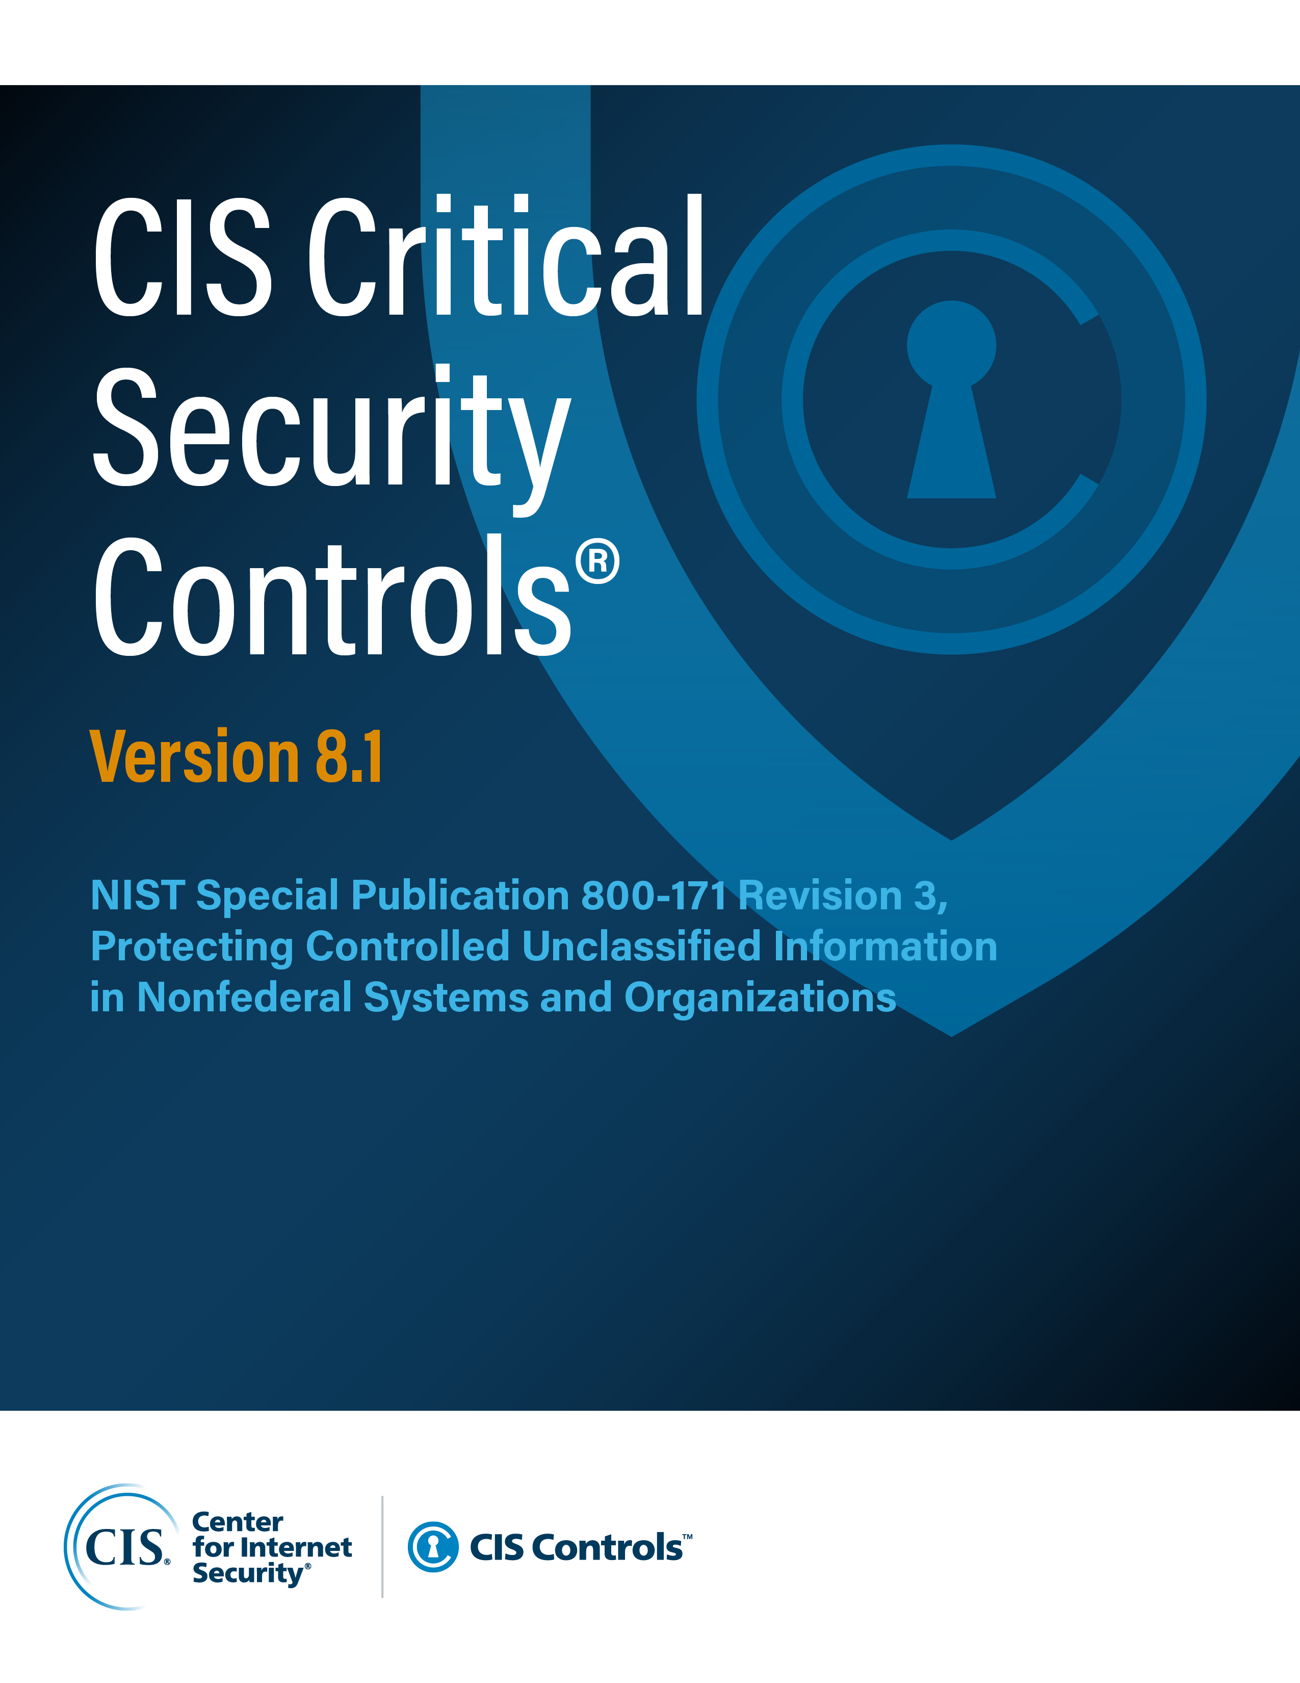

Contact Information
CIS
31 Tech Valley Drive
East Greenbush, NY 12061
518.266.3460
controlsinfo@cisecurity.org

Contact Information
CIS
31 Tech Valley Drive
East Greenbush, NY 12061
518.266.3460
controlsinfo@cisecurity.org

Editors
Thomas Sager

Contributors

