Instructions
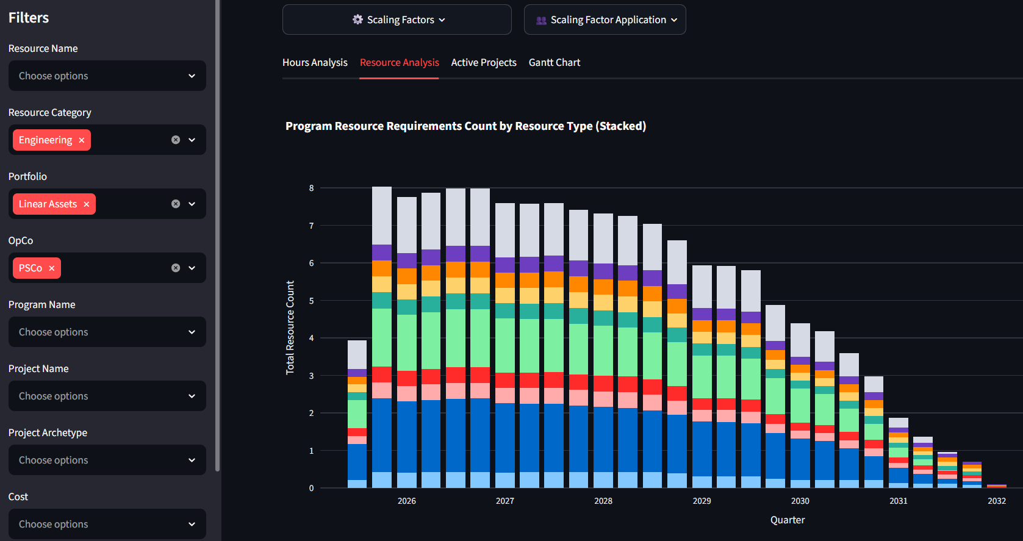
Resource Forecasting Model Workbook
This workbook is intended to be used with the Resource Forecasting Model App found here |  | *Efficiency Factors have been adjusted to default to the MPG work requirements

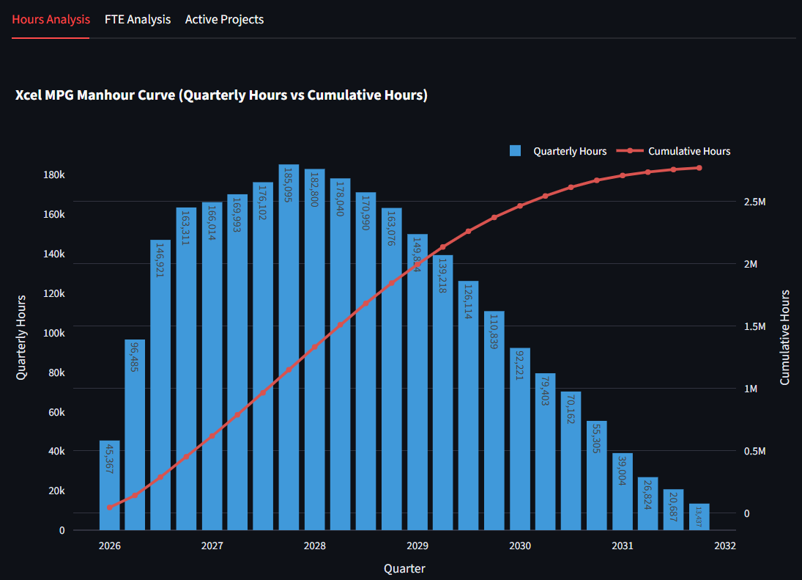
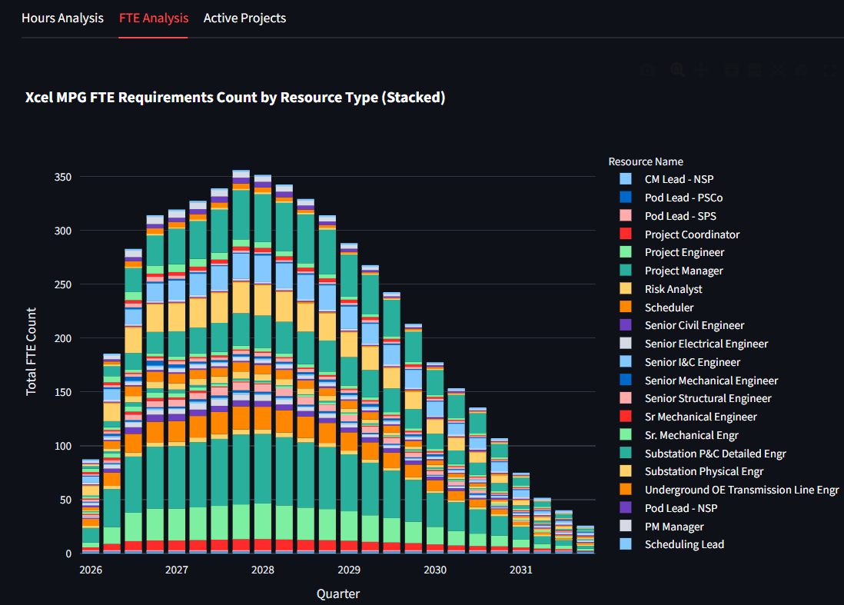
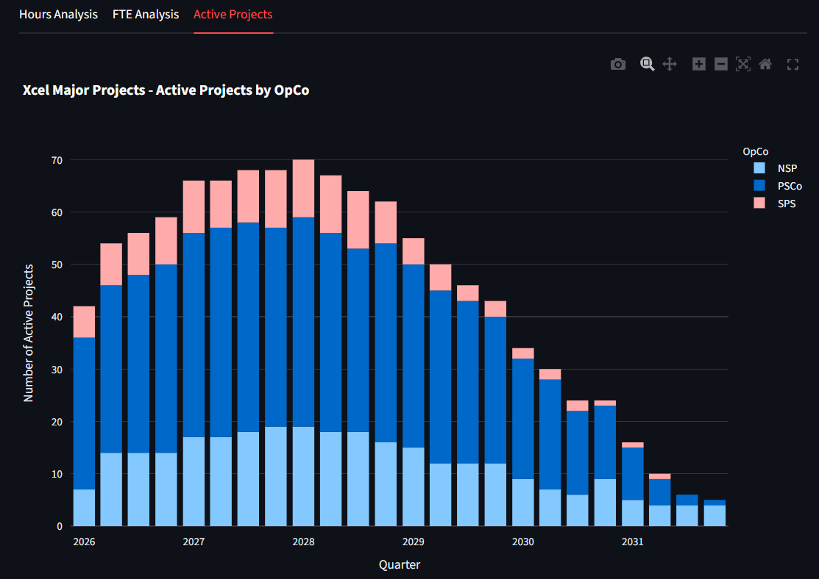
WORKBOOK INSTRUCTIONS | RESOURCE MODEL INSTRUCTIONS | Resourcing Dash > Resources > KPI's >
1. Review and complete all tabs in this workbook | 1. The Resource Model contains three tabs for analyzing and visualizing the aggregated resources.
1.1 Populate the Project List on the "Projects" tab and follow instructions at top of page.
1.2 Review "Duration Table" tab and follow instructions at top of page.
1.3 Review "Program Resources" tab and follow instructions at top of page.
1.4 Review Project Archetype tabs (blue tabs) and follow instructions at top of pages.
2. Once the above steps are complete, save this workbook.
3. Open the MPG Resourcing App (Link) and upload the saved workbook.
3.1 Under "Aggregation", select the time-interval for which you'd like the resource data to be summarized to. (For example, if "quarter" is selected, each bar in the model's charts will represent one quarter)
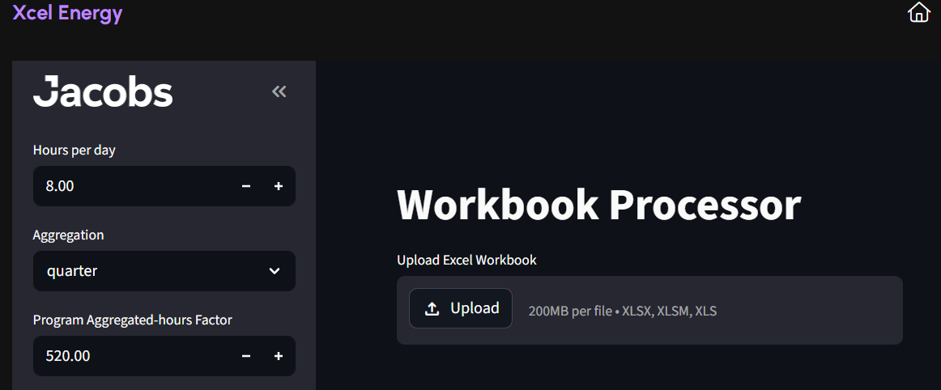

 | 2. Scaling Factors may be applied to resources to scale them up or down according to project value. A scaling factor less than one indicates less resources are required. A scaling factor greater than one indicates more resources are required.
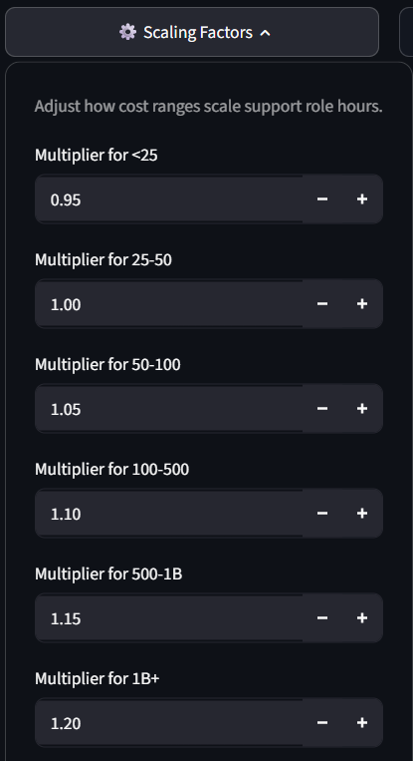

3.2 Click the "Upload" icon in the middle of the page and select the saved workbook.
3.3. Upon uploading the workbook, the model will take a few minutes to process the data

 | 3. Data may be viewed in table format and downloaded as a .csv file below any of the charts

 | 4. Apply Filters to drill down into the data. Filters will also be applied to the data tables below the charts.

Projects
INSTRUCTIONS
Populate the below table, starting in row 11, with the project list against which resources will be forecasted
• Column A, "Program Name", is optional and allows for the grouping and viewing of projects and resources by Program
• Columns B through F must be populated for each project; At least one project date must be provided in columns G through K for each project
• When deleting data, do not right click and click "delete", nor drag and drop cells/rows, instead highlight cells and use the "delete" key ony our keyboard.

PROJECT LIST
Program Name | Project Name | Portfolio | OpCo | Project Archetype | Cost ($M) | Project Kickoff | Engineering Start | Engineering Finish | ISD | Project Finish
Highlands Buildout | High Plains Intertie | Linear Assets | PSCo | Transmission and Distribution | 213.47 | 2026-08-01 | 2026-11-01 |  | 2027-09-01
Highlands Buildout | Canyon Crest Feeder Upgrade | Linear Assets | PSCo | Transmission and Distribution | 37.72 | 2026-08-01 | 2026-09-01 |  | 2027-10-31
Urban Renewal | Summit Crest 115‑kV Station | Linear Assets | SPS | Substation | 146.00 | 2026-08-01 | 2026-10-15 |  | 2027-12-01
Urban Renewal | Canyon Winds Energy Center | Fixed Assets | PSCo | Wind | 345.00 | 2026-08-01 | 2026-08-02 | 2027-04-01 | 2028-08-01
Urban Renewal | Crystal Falls Turbine Renewal | Fixed Assets | PSCo | Hydro | 222.00 |  |  |  | 2028-11-05
Southwest Energy Supply | Copper Ridge BESS Upgrade | Fixed Assets | SPS | BESS | 111.00 | 2026-09-01 | 2026-10-15 |  | 2028-12-15
Highlands Buildout | High Plains 230‑kV Interconnect | Linear Assets | NSP | Substation | 188.00 | 2026-09-01 | 2026-11-01 |  | 2028-12-15
Southwest Energy Supply | Redstone Thermal Repower | Fixed Assets | NSP | Thermal | 642.00 | 2026-10-01 | 2026-12-01 |  | 2028-12-29
Circuit 9991 | Silverline Substation Expansion | Linear Assets | PSCo | Transmission and Distribution | 132.30 |  |  | 2028-05-01 | 2029-02-21
Circuit 9991 | Aurora Grid Upgrade | Linear Assets | PSCo | Transmission and Distribution | 187.69 | 2026-10-01 | 2026-12-01 |  | 2029-05-19
Southwest Energy Supply | Canyon Crest CHP Project | Fixed Assets | NSP | Thermal | 170.00 |  |  |  | 2029-06-01
Highlands Buildout | Desert Bloom Solar Array | Fixed Assets | NSP | Solar | 423.42 | 2026-08-01 | 2026-11-01 |  | 2029-06-29
Urban Gas Upgrades | Mesa Valley Gas Reliability | Linear Assets | PSCo | Gas | 84.00 | 2027-01-01 | 2027-04-01 |  | 2029-07-22
Highlands Buildout | Canyon Ridge Substation Expansion | Linear Assets | SPS | Substation | 80.00 |  |  |  | 2029-08-01
Urban Gas Upgrades | Ironhorse Gas Reinforcement | Linear Assets | PSCo | Gas | 44.00 |  |  |  | 2029-08-01
Southwest Energy Supply | Prairie Gale Wind Park | Fixed Assets | SPS | Wind | 612.00 | 2026-08-15 |  |  | 2029-08-01
Southwest Energy Supply | Sunridge Solar Farm | Fixed Assets | SPS | Solar | 447.73 |  |  |  | 2029-09-15
Southwest Energy Supply | Riverbend Intake Upgrade | Fixed Assets | PSCo | Hydro | 225.13 |  |  |  | 2029-09-26
Urban Renewal | Redstone Valley Substation Upgrade | Linear Assets | PSCo | Substation | 49.00 | 2026-10-01 | 2026-12-01 |  | 2029-12-15
Circuit 9991 | Northstar Transmission Loop | Linear Assets | PSCo | Transmission and Distribution | 312.16 | 2026-10-01 |  | 2027-05-01 | 2029-12-23
Southwest Energy Supply | Horizon Flats Solar Expansion | Fixed Assets | NSP | Solar | 189.33 |  |  |  | 2029-12-31
Urban Gas Upgrades | Sagebrush Lateral Extension | Linear Assets | PSCo | Gas | 78.18 | 2026-08-01 | 2027-05-01 | 2028-08-01 | 2030-02-03
Urban Gas Upgrades | Timberline Storage Expansion | Linear Assets | PSCo | Gas | 38.50 | 2026-08-01 |  |  | 2030-03-26
Highlands Buildout | Pioneer Ridge Line Rebuild | Linear Assets | PSCo | Transmission and Distribution | 65.51 |  |  |  | 2030-05-02
Urban Gas Upgrades | Frontier Peak Metering Project | Linear Assets | PSCo | Gas | 148.16 |  |  |  | 2030-05-22
Highlands Buildout | Golden Mesa Solar Park | Fixed Assets | PSCo | Solar | 113.40 |  |  |  | 2030-07-01
Southwest Energy Supply | Northgate Substation Rebuild | Linear Assets | PSCo | Substation | 115.00 |  |  |  | 2030-08-01
Urban Gas Upgrades | Redwood Compression Upgrade | Linear Assets | PSCo | Gas | 166.28 |  |  |  | 2031-05-15
Highlands Buildout | Skytrail Ridge Wind Project | Fixed Assets | PSCo | Wind | 452.00 |  |  |  | 2031-07-15
Urban Gas Upgrades | Copper Trail Pipeline Integrity | Linear Assets | PSCo | Gas | 53.47 |  |  |  | 2031-08-21
Southwest Energy Supply | Summit Lake Hydro Expansion | Fixed Assets | PSCo | Hydro | 151.93 |  |  |  | 2031-08-30

Duration Table
INSTRUCTIONS
• Confirm "Project Archetypes" list in column C includes all project archetypes as listed in column E of the Project List
Note: Project Archetypes must be an exact match between the Project List and DurationTable
• Define new Project Archetypes, if needed, by renaming "New Archetype 1" and "New Archetype 2"
DURATION TABLE

 | Duration (Months) by Project Archetype / Cost
Project Archetype | <$50M | $50- $100M | $100-$500M | $500-$1000M | $1000M+
Solar | 18 | 30 | 36 | 42 | 48
BESS | 18 | 30 | 36 | 42 | 48
Substation | 24 | 24 | 30 | 36 | 42
Transmission and Distribution | 18 | 30 | 36 | 42 | 54
Gas | 24 | 30 | 36 | 42 | 48
Wind | 18 | 30 | 36 | 42 | 54
Hydro | 24 | 24 | 30 | 36 | 42
Thermal | 24 | 24 | 30 | 36 | 42
Biomass | 24 | 24 | 30 | 36 | 42
New Archetype 1
New Archetype 2

Program Resources
INSTRUCTIONS
• Review required Program Resources listed in column B
• If a listed resource is not needed, it may either be deleted from the table or its allocations may be zeroed out in columns E through G.
• If deleting, do not "right click" > "Delete..", instead, highlight cells and delete their contents using the "Delete" key on your keyboard.
• To add additional resources, select a row > right click > "Insert" and fill in columns B through G
• Review resource allocations in columns E through G and update as necessary
• Column C, "Team", determines how a program resource's time will be distributed - either across all projects ("Program") or only projects of a specified OpCo.
PROGRAM RESOURCES

 |  | % of Program Duration: | 10% | 80% | 10%
Resource Title | Team | Resource Type | Startup | Execution | Closeout
Program Director | Program | Program Management | 100% | 75% | 50%
Program Operations Lead | Program | Program Management | 0% | 0% | 0%
Initiation Lead | Program | Program Management | 100% | 0% | 0%
CM Manager | Program | Program Construction Management | 25% | 75% | 50%
CM SPS Lead | SPS | Program Construction Management | 0% | 75% | 50%
CM NSP Lead | NSP | Program Construction Management | 0% | 75% | 50%
CM PSCo Lead | PSCo | Program Construction Management | 0% | 75% | 50%
H&S Lead | Program | Program Construction Management | 25% | 75% | 0%
Engineering Manager | Program | Program Engineering | 25% | 75% | 50%
SPS Engr Lead | SPS | Program Engineering | 0% | 0% | 0%
NSP Engr Lead | NSP | Program Engineering | 0% | 0% | 0%
PSCO Engr Lead | PSCo | Program Engineering | 0% | 0% | 0%
PM Manager | Program | Program Engineering | 50% | 75% | 50%
SPS Pod Lead | SPS | Program Engineering | 25% | 75% | 50%
NSP Pod Lead | NSP | Program Engineering | 25% | 75% | 50%
PSCO Pod Lead | PSCo | Program Engineering | 25% | 75% | 50%
PC Manager | Program | Program Controls | 50% | 75% | 50%
Cost Estimating Lead | Program | Program Controls | 0% | 75% | 50%
Scheduling Lead | Program | Program Controls | 0% | 75% | 50%
Cost Controls Lead | Program | Program Controls | 50% | 75% | 50%
Doc Controls Lead | Program | Program Controls | 50% | 75% | 50%
PMO Manager | Program | Program Management | 25% | 75% | 50%
QA/QC Lead | Program | Program Management | 25% | 75% | 50%
Resourcing Lead | Program | Program Management | 0% | 0% | 0%
Finance Lead | Program | Program Management | 0% | 0% | 0%

Transmission and Distribution
INSTRUCTIONS
• Review required resources for each Project Archetype in Column B
• If a listed resource is not needed, it may either be deleted from the table or its allocations may be zeroed out.
• If deleting, do not "right click" > "Delete..", instead, highlight cells and delete their contents using the "Delete" key on your keyboard.
• To add additional resources, select a row > right click > "Insert" and fill in columns B through AE
• Review resource allocations across the life of a project in columns E through AE and update as necessary
PROJECT ARCHETYPE: | Transmission and Distribution

Resource Name | Project Archetype | Resource Category | Planning |  |  |  |  |  | Design & Engineering |  |  |  |  |  | Construction |  |  |  |  |  |  |  |  |  |  |  | Closeout
Project Manager | Transmission and Distribution | Project Management | 25% | 25% | 25% | 45% | 45% | 45% | 65% | 65% | 65% | 85% | 85% | 85% | 85% | 85% | 85% | 85% | 85% | 85% | 85% | 85% | 85% | 85% | 85% | 85% | 50% | 40% | 25%
Project Engineer | Transmission and Distribution | Project Management | 5% | 5% | 5% | 5% | 5% | 5% | 5% | 5% | 5% | 5% | 5% | 5% | 5% | 5% | 5% | 5% | 5% | 5% | 5% | 5% | 5% | 5% | 5% | 5% | 5% | 5% | 5%
Project Coordinator | Transmission and Distribution | Project Management | 5% | 5% | 10% | 10% | 15% | 15% | 25% | 25% | 25% | 25% | 25% | 25% | 25% | 25% | 25% | 25% | 25% | 25% | 25% | 25% | 25% | 25% | 25% | 25% | 25% | 25% | 25%
Overhead OE Transmission Line Engineer | Transmission and Distribution | Engineering | 5% | 5% | 5% | 5% | 5% | 5% | 10% | 10% | 10% | 10% | 10% | 10% | 10% | 10% | 10% | 10% | 10% | 10% | 10% | 10% | 10% | 10% | 10% | 10% | 5% | 5% | 0%
Underground OE Transmission Line Engineer | Transmission and Distribution | Engineering | 5% | 5% | 5% | 5% | 5% | 5% | 10% | 10% | 10% | 10% | 10% | 10% | 10% | 10% | 10% | 10% | 10% | 10% | 10% | 10% | 10% | 10% | 10% | 10% | 5% | 5% | 0%
Mechanical Engineer | Transmission and Distribution | Engineering | 5% | 5% | 5% | 5% | 5% | 5% | 10% | 10% | 10% | 10% | 10% | 10% | 10% | 10% | 10% | 10% | 10% | 10% | 10% | 10% | 10% | 10% | 10% | 10% | 5% | 5% | 0%
Construction Manager | Transmission and Distribution | Construction Monitoring | 0% | 0% | 0% | 25% | 25% | 25% | 50% | 50% | 50% | 75% | 75% | 75% | 75% | 75% | 75% | 75% | 75% | 75% | 75% | 75% | 75% | 75% | 75% | 75% | 50% | 40% | 25%
H&S Field | Transmission and Distribution | Construction Monitoring | 0% | 0% | 0% | 0% | 0% | 0% | 0% | 0% | 0% | 0% | 0% | 0% | 50% | 50% | 50% | 50% | 50% | 50% | 50% | 50% | 50% | 50% | 50% | 50% | 25% | 15% | 0%
Estimator | Transmission and Distribution | Project Controls | 10% | 10% | 10% | 10% | 10% | 10% | 15% | 15% | 15% | 15% | 15% | 15% | 10% | 10% | 10% | 10% | 10% | 10% | 10% | 10% | 10% | 10% | 10% | 10% | 5% | 5% | 5%
Risk Analyst | Transmission and Distribution | Project Controls | 10% | 10% | 10% | 10% | 10% | 10% | 10% | 10% | 10% | 10% | 10% | 10% | 10% | 10% | 10% | 10% | 10% | 10% | 10% | 10% | 10% | 10% | 10% | 10% | 5% | 5% | 5%
Document Control Specialist | Transmission and Distribution | Project Controls | 10% | 10% | 10% | 10% | 10% | 10% | 10% | 10% | 10% | 10% | 10% | 10% | 20% | 20% | 20% | 20% | 20% | 20% | 20% | 20% | 20% | 20% | 20% | 20% | 25% | 25% | 25%
Scheduler | Transmission and Distribution | Project Controls | 20% | 20% | 20% | 20% | 20% | 20% | 20% | 20% | 20% | 20% | 20% | 20% | 20% | 20% | 20% | 20% | 20% | 20% | 20% | 20% | 20% | 20% | 20% | 20% | 5% | 5% | 5%
Cost Controls | Transmission and Distribution | Project Controls | 20% | 20% | 20% | 20% | 20% | 20% | 45% | 45% | 45% | 45% | 45% | 45% | 45% | 45% | 45% | 45% | 45% | 45% | 45% | 45% | 45% | 45% | 45% | 45% | 15% | 15% | 15%

Substation
INSTRUCTIONS
• Review required resources for each Project Archetype in Column B
• If a listed resource is not needed, it may either be deleted from the table or its allocations may be zeroed out.
• If deleting, do not "right click" > "Delete..", instead, highlight cells and delete their contents using the "Delete" key on your keyboard.
• To add additional resources, select a row > right click > "Insert" and fill in columns B through AE
• Review resource allocations across the life of a project in columns E through AE and update as necessary
PROJECT ARCHETYPE: | Substation

Resource Name | Project Archetype | Resource Category | Planning |  |  |  |  |  | Design & Engineering |  |  |  |  |  | Construction |  |  |  |  |  |  |  |  |  |  |  | Closeout
Project Manager | Substation | Project Management | 25% | 25% | 25% | 45% | 45% | 45% | 65% | 65% | 65% | 85% | 85% | 85% | 85% | 85% | 85% | 85% | 85% | 85% | 85% | 85% | 85% | 85% | 85% | 85% | 50% | 40% | 25%
Project Engineer | Substation | Project Management | 5% | 5% | 5% | 5% | 5% | 5% | 5% | 5% | 5% | 5% | 5% | 5% | 5% | 5% | 5% | 5% | 5% | 5% | 5% | 5% | 5% | 5% | 5% | 5% | 5% | 5% | 5%
Project Coordinator | Substation | Project Management | 5% | 5% | 10% | 10% | 15% | 15% | 25% | 25% | 25% | 25% | 25% | 25% | 25% | 25% | 25% | 25% | 25% | 25% | 25% | 25% | 25% | 25% | 25% | 25% | 25% | 25% | 25%
Civil Engineer | Substation | Engineering | 5% | 5% | 5% | 5% | 5% | 5% | 10% | 10% | 10% | 10% | 10% | 10% | 10% | 10% | 10% | 10% | 10% | 10% | 10% | 10% | 10% | 10% | 10% | 10% | 5% | 5% | 0%
OE Substation Grading Engineer | Substation | Engineering | 5% | 5% | 5% | 5% | 5% | 5% | 10% | 10% | 10% | 10% | 10% | 10% | 10% | 10% | 10% | 10% | 10% | 10% | 10% | 10% | 10% | 10% | 10% | 10% | 5% | 5% | 0%
P&C System Protection & Settings Engineer | Substation | Engineering | 5% | 5% | 5% | 5% | 5% | 5% | 10% | 10% | 10% | 10% | 10% | 10% | 10% | 10% | 10% | 10% | 10% | 10% | 10% | 10% | 10% | 10% | 10% | 10% | 5% | 5% | 0%
P&C Automation & Integration Engineer | Substation | Engineering | 5% | 5% | 5% | 5% | 5% | 5% | 10% | 10% | 10% | 10% | 10% | 10% | 10% | 10% | 10% | 10% | 10% | 10% | 10% | 10% | 10% | 10% | 10% | 10% | 5% | 5% | 0%
OE Substation Structural Engineer | Substation | Engineering | 5% | 5% | 5% | 5% | 5% | 5% | 10% | 10% | 10% | 10% | 10% | 10% | 10% | 10% | 10% | 10% | 10% | 10% | 10% | 10% | 10% | 10% | 10% | 10% | 5% | 5% | 0%
Substation Physical Engineer | Substation | Engineering | 5% | 5% | 5% | 5% | 5% | 5% | 10% | 10% | 10% | 10% | 10% | 10% | 10% | 10% | 10% | 10% | 10% | 10% | 10% | 10% | 10% | 10% | 10% | 10% | 5% | 5% | 0%
Mechanical Engineer | Substation | Engineering | 5% | 5% | 5% | 5% | 5% | 5% | 10% | 10% | 10% | 10% | 10% | 10% | 10% | 10% | 10% | 10% | 10% | 10% | 10% | 10% | 10% | 10% | 10% | 10% | 5% | 5% | 0%
Substation P&C Detailed Engineer | Substation | Engineering | 5% | 5% | 5% | 5% | 5% | 5% | 10% | 10% | 10% | 10% | 10% | 10% | 10% | 10% | 10% | 10% | 10% | 10% | 10% | 10% | 10% | 10% | 10% | 10% | 5% | 5% | 0%
Construction Manager | Substation | Construction Monitoring | 0% | 0% | 0% | 25% | 25% | 25% | 50% | 50% | 50% | 75% | 75% | 75% | 75% | 75% | 75% | 75% | 75% | 75% | 75% | 75% | 75% | 75% | 75% | 75% | 50% | 40% | 25%
H&S Field | Substation | Construction Monitoring | 0% | 0% | 0% | 0% | 0% | 0% | 0% | 0% | 0% | 0% | 0% | 0% | 50% | 50% | 50% | 50% | 50% | 50% | 50% | 50% | 50% | 50% | 50% | 50% | 25% | 15% | 0%
Estimator | Substation | Project Controls | 10% | 10% | 10% | 10% | 10% | 10% | 15% | 15% | 15% | 15% | 15% | 15% | 10% | 10% | 10% | 10% | 10% | 10% | 10% | 10% | 10% | 10% | 10% | 10% | 5% | 5% | 5%
Risk Analyst | Substation | Project Controls | 10% | 10% | 10% | 10% | 10% | 10% | 10% | 10% | 10% | 10% | 10% | 10% | 10% | 10% | 10% | 10% | 10% | 10% | 10% | 10% | 10% | 10% | 10% | 10% | 5% | 5% | 5%
Document Control Specialist | Substation | Project Controls | 10% | 10% | 10% | 10% | 10% | 10% | 10% | 10% | 10% | 10% | 10% | 10% | 20% | 20% | 20% | 20% | 20% | 20% | 20% | 20% | 20% | 20% | 20% | 20% | 25% | 25% | 25%
Scheduler | Substation | Project Controls | 20% | 20% | 20% | 20% | 20% | 20% | 20% | 20% | 20% | 20% | 20% | 20% | 20% | 20% | 20% | 20% | 20% | 20% | 20% | 20% | 20% | 20% | 20% | 20% | 5% | 5% | 5%
Cost Controls | Substation | Project Controls | 20% | 20% | 20% | 20% | 20% | 20% | 45% | 45% | 45% | 45% | 45% | 45% | 45% | 45% | 45% | 45% | 45% | 45% | 45% | 45% | 45% | 45% | 45% | 45% | 15% | 15% | 15%

Thermal
INSTRUCTIONS
• Review required resources for each Project Archetype in Column B
• If a listed resource is not needed, it may either be deleted from the table or its allocations may be zeroed out.
• If deleting, do not "right click" > "Delete..", instead, highlight cells and delete their contents using the "Delete" key on your keyboard.
• To add additional resources, select a row > right click > "Insert" and fill in columns B through AE
• Review resource allocations across the life of a project in columns E through AE and update as necessary
PROJECT ARCHETYPE: | Thermal

Resource Name | Project Archetype | Resource Category | Planning |  |  |  |  |  | Design & Engineering |  |  |  |  |  | Construction |  |  |  |  |  |  |  |  |  |  |  | Closeout
Project Manager | Thermal | Project Management | 25% | 25% | 25% | 45% | 45% | 45% | 65% | 65% | 65% | 85% | 85% | 85% | 85% | 85% | 85% | 85% | 85% | 85% | 85% | 85% | 85% | 85% | 85% | 85% | 50% | 40% | 25%
Project Engineer | Thermal | Project Management | 5% | 5% | 5% | 5% | 5% | 5% | 5% | 5% | 5% | 5% | 5% | 5% | 5% | 5% | 5% | 5% | 5% | 5% | 5% | 5% | 5% | 5% | 5% | 5% | 5% | 5% | 5%
Project Coordinator | Thermal | Project Management | 5% | 5% | 10% | 10% | 15% | 15% | 25% | 25% | 25% | 25% | 25% | 25% | 25% | 25% | 25% | 25% | 25% | 25% | 25% | 25% | 25% | 25% | 25% | 25% | 25% | 25% | 25%
Civil Engineer | Thermal | Engineering | 5% | 5% | 5% | 5% | 5% | 5% | 10% | 10% | 10% | 10% | 10% | 10% | 10% | 10% | 10% | 10% | 10% | 10% | 10% | 10% | 10% | 10% | 10% | 10% | 5% | 5% | 0%
I&C Engineer | Thermal | Engineering | 5% | 5% | 5% | 5% | 5% | 5% | 10% | 10% | 10% | 10% | 10% | 10% | 10% | 10% | 10% | 10% | 10% | 10% | 10% | 10% | 10% | 10% | 10% | 10% | 5% | 5% | 0%
Electrical Engineer | Thermal | Engineering | 5% | 5% | 5% | 5% | 5% | 5% | 10% | 10% | 10% | 10% | 10% | 10% | 10% | 10% | 10% | 10% | 10% | 10% | 10% | 10% | 10% | 10% | 10% | 10% | 5% | 5% | 0%
Mechanical Engineer | Thermal | Engineering | 5% | 5% | 5% | 5% | 5% | 5% | 10% | 10% | 10% | 10% | 10% | 10% | 10% | 10% | 10% | 10% | 10% | 10% | 10% | 10% | 10% | 10% | 10% | 10% | 5% | 5% | 0%
Structural Engineer | Thermal | Engineering | 5% | 5% | 5% | 5% | 5% | 5% | 10% | 10% | 10% | 10% | 10% | 10% | 10% | 10% | 10% | 10% | 10% | 10% | 10% | 10% | 10% | 10% | 10% | 10% | 5% | 5% | 0%
Construction Manager | Thermal | Construction Monitoring | 0% | 0% | 0% | 25% | 25% | 25% | 50% | 50% | 50% | 75% | 75% | 75% | 75% | 75% | 75% | 75% | 75% | 75% | 75% | 75% | 75% | 75% | 75% | 75% | 50% | 40% | 25%
H&S Field | Thermal | Construction Monitoring | 0% | 0% | 0% | 0% | 0% | 0% | 0% | 0% | 0% | 0% | 0% | 0% | 50% | 50% | 50% | 50% | 50% | 50% | 50% | 50% | 50% | 50% | 50% | 50% | 25% | 15% | 0%
Estimator | Thermal | Project Controls | 10% | 10% | 10% | 10% | 10% | 10% | 10% | 10% | 10% | 10% | 10% | 10% | 10% | 10% | 10% | 10% | 10% | 10% | 10% | 10% | 10% | 10% | 10% | 10% | 10% | 10% | 10%
Risk Analyst | Thermal | Project Controls | 5% | 5% | 5% | 5% | 5% | 5% | 5% | 5% | 5% | 5% | 5% | 5% | 5% | 5% | 5% | 5% | 5% | 5% | 5% | 5% | 5% | 5% | 5% | 5% | 5% | 0% | 0%
Document Control Specialist | Thermal | Project Controls | 15% | 15% | 15% | 15% | 15% | 15% | 15% | 15% | 15% | 15% | 15% | 15% | 15% | 15% | 15% | 15% | 15% | 15% | 15% | 15% | 15% | 15% | 15% | 15% | 15% | 15% | 15%
Scheduler | Thermal | Project Controls | 10% | 10% | 10% | 10% | 10% | 10% | 10% | 10% | 10% | 10% | 10% | 10% | 10% | 10% | 10% | 10% | 10% | 10% | 10% | 10% | 10% | 10% | 10% | 10% | 10% | 10% | 10%
Cost Controls | Thermal | Project Controls | 10% | 10% | 10% | 10% | 10% | 10% | 10% | 10% | 10% | 10% | 10% | 10% | 10% | 10% | 10% | 10% | 10% | 10% | 10% | 10% | 10% | 10% | 10% | 10% | 10% | 10% | 10%

Gas
INSTRUCTIONS
• Review required resources for each Project Archetype in Column B
• If a listed resource is not needed, it may either be deleted from the table or its allocations may be zeroed out.
• If deleting, do not "right click" > "Delete..", instead, highlight cells and delete their contents using the "Delete" key on your keyboard.
• To add additional resources, select a row > right click > "Insert" and fill in columns B through AE
• Review resource allocations across the life of a project in columns E through AE and update as necessary
PROJECT ARCHETYPE: | Gas

Resource Name | Project Archetype | Resource Category | Planning |  |  |  |  |  | Design & Engineering |  |  |  |  |  | Construction |  |  |  |  |  |  |  |  |  |  |  | Closeout
Project Manager | Gas | Project Management | 25% | 25% | 25% | 45% | 45% | 45% | 65% | 65% | 65% | 85% | 85% | 85% | 85% | 85% | 85% | 85% | 85% | 85% | 85% | 85% | 85% | 85% | 85% | 85% | 50% | 40% | 25%
Project Engineer | Gas | Project Management | 5% | 5% | 5% | 5% | 5% | 5% | 5% | 5% | 5% | 5% | 5% | 5% | 5% | 5% | 5% | 5% | 5% | 5% | 5% | 5% | 5% | 5% | 5% | 5% | 5% | 5% | 5%
Project Coordinator | Gas | Project Management | 5% | 5% | 10% | 10% | 15% | 15% | 25% | 25% | 25% | 25% | 25% | 25% | 25% | 25% | 25% | 25% | 25% | 25% | 25% | 25% | 25% | 25% | 25% | 25% | 25% | 25% | 25%
Civil Engineer | Gas | Engineering | 5% | 5% | 5% | 5% | 5% | 5% | 10% | 10% | 10% | 10% | 10% | 10% | 10% | 10% | 10% | 10% | 10% | 10% | 10% | 10% | 10% | 10% | 10% | 10% | 5% | 5% | 0%
Structural Engineer | Gas | Engineering | 5% | 5% | 5% | 5% | 5% | 5% | 10% | 10% | 10% | 10% | 10% | 10% | 10% | 10% | 10% | 10% | 10% | 10% | 10% | 10% | 10% | 10% | 10% | 10% | 5% | 5% | 0%
Mechanical Engineer | Gas | Engineering | 5% | 5% | 5% | 5% | 5% | 5% | 10% | 10% | 10% | 10% | 10% | 10% | 10% | 10% | 10% | 10% | 10% | 10% | 10% | 10% | 10% | 10% | 10% | 10% | 5% | 5% | 0%
Construction Manager | Gas | Construction Monitoring | 0% | 0% | 0% | 25% | 25% | 25% | 50% | 50% | 50% | 75% | 75% | 75% | 75% | 75% | 75% | 75% | 75% | 75% | 75% | 75% | 75% | 75% | 75% | 75% | 50% | 40% | 25%
H&S Field | Gas | Construction Monitoring | 0% | 0% | 0% | 0% | 0% | 0% | 0% | 0% | 0% | 0% | 0% | 0% | 50% | 50% | 50% | 50% | 50% | 50% | 50% | 50% | 50% | 50% | 50% | 50% | 25% | 15% | 0%
Estimator | Gas | Project Controls | 10% | 10% | 10% | 10% | 10% | 10% | 15% | 15% | 15% | 15% | 15% | 15% | 10% | 10% | 10% | 10% | 10% | 10% | 10% | 10% | 10% | 10% | 10% | 10% | 5% | 5% | 5%
Risk Analyst | Gas | Project Controls | 10% | 10% | 10% | 10% | 10% | 10% | 10% | 10% | 10% | 10% | 10% | 10% | 10% | 10% | 10% | 10% | 10% | 10% | 10% | 10% | 10% | 10% | 10% | 10% | 5% | 5% | 5%
Document Control Specialist | Gas | Project Controls | 10% | 10% | 10% | 10% | 10% | 10% | 10% | 10% | 10% | 10% | 10% | 10% | 20% | 20% | 20% | 20% | 20% | 20% | 20% | 20% | 20% | 20% | 20% | 20% | 25% | 25% | 25%
Scheduler | Gas | Project Controls | 20% | 20% | 20% | 20% | 20% | 20% | 20% | 20% | 20% | 20% | 20% | 20% | 20% | 20% | 20% | 20% | 20% | 20% | 20% | 20% | 20% | 20% | 20% | 20% | 5% | 5% | 5%
Cost Controls | Gas | Project Controls | 20% | 20% | 20% | 20% | 20% | 20% | 45% | 45% | 45% | 45% | 45% | 45% | 45% | 45% | 45% | 45% | 45% | 45% | 45% | 45% | 45% | 45% | 45% | 45% | 15% | 15% | 15%

Wind
INSTRUCTIONS
• Review required resources for each Project Archetype in Column B
• If a listed resource is not needed, it may either be deleted from the table or its allocations may be zeroed out.
• If deleting, do not "right click" > "Delete..", instead, highlight cells and delete their contents using the "Delete" key on your keyboard.
• To add additional resources, select a row > right click > "Insert" and fill in columns B through AE
• Review resource allocations across the life of a project in columns E through AE and update as necessary
PROJECT ARCHETYPE: | Wind

Resource Name | Project Archetype | Resource Category | Planning |  |  |  |  |  | Design & Engineering |  |  |  |  |  | Construction |  |  |  |  |  |  |  |  |  |  |  | Closeout
Project Manager | Wind | Project Management | 25% | 25% | 25% | 45% | 45% | 45% | 65% | 65% | 65% | 85% | 85% | 85% | 85% | 85% | 85% | 85% | 85% | 85% | 85% | 85% | 85% | 85% | 85% | 85% | 50% | 40% | 25%
Project Engineer | Wind | Project Management | 5% | 5% | 5% | 5% | 5% | 5% | 5% | 5% | 5% | 5% | 5% | 5% | 5% | 5% | 5% | 5% | 5% | 5% | 5% | 5% | 5% | 5% | 5% | 5% | 5% | 5% | 5%
Project Coordinator | Wind | Project Management | 5% | 5% | 10% | 10% | 15% | 15% | 25% | 25% | 25% | 25% | 25% | 25% | 25% | 25% | 25% | 25% | 25% | 25% | 25% | 25% | 25% | 25% | 25% | 25% | 25% | 25% | 25%
Civil Engineer | Wind | Engineering | 5% | 5% | 5% | 5% | 5% | 5% | 10% | 10% | 10% | 10% | 10% | 10% | 10% | 10% | 10% | 10% | 10% | 10% | 10% | 10% | 10% | 10% | 10% | 10% | 5% | 5% | 0%
I&C Engineer | Wind | Engineering | 5% | 5% | 5% | 5% | 5% | 5% | 10% | 10% | 10% | 10% | 10% | 10% | 10% | 10% | 10% | 10% | 10% | 10% | 10% | 10% | 10% | 10% | 10% | 10% | 5% | 5% | 0%
Electrical Engineer | Wind | Engineering | 5% | 5% | 5% | 5% | 5% | 5% | 10% | 10% | 10% | 10% | 10% | 10% | 10% | 10% | 10% | 10% | 10% | 10% | 10% | 10% | 10% | 10% | 10% | 10% | 5% | 5% | 0%
Mechanical Engineer | Wind | Engineering | 5% | 5% | 5% | 5% | 5% | 5% | 10% | 10% | 10% | 10% | 10% | 10% | 10% | 10% | 10% | 10% | 10% | 10% | 10% | 10% | 10% | 10% | 10% | 10% | 5% | 5% | 0%
Structural Engineer | Wind | Engineering | 5% | 5% | 5% | 5% | 5% | 5% | 10% | 10% | 10% | 10% | 10% | 10% | 10% | 10% | 10% | 10% | 10% | 10% | 10% | 10% | 10% | 10% | 10% | 10% | 5% | 5% | 0%
Construction Manager | Wind | Construction Monitoring | 0% | 0% | 0% | 25% | 25% | 25% | 50% | 50% | 50% | 75% | 75% | 75% | 75% | 75% | 75% | 75% | 75% | 75% | 75% | 75% | 75% | 75% | 75% | 75% | 50% | 40% | 25%
H&S Field | Wind | Construction Monitoring | 0% | 0% | 0% | 0% | 0% | 0% | 0% | 0% | 0% | 0% | 0% | 0% | 50% | 50% | 50% | 50% | 50% | 50% | 50% | 50% | 50% | 50% | 50% | 50% | 25% | 15% | 0%
Estimator | Wind | Project Controls | 10% | 10% | 10% | 10% | 10% | 10% | 10% | 10% | 10% | 10% | 10% | 10% | 10% | 10% | 10% | 10% | 10% | 10% | 10% | 10% | 10% | 10% | 10% | 10% | 10% | 10% | 10%
Risk Analyst | Wind | Project Controls | 5% | 5% | 5% | 5% | 5% | 5% | 5% | 5% | 5% | 5% | 5% | 5% | 5% | 5% | 5% | 5% | 5% | 5% | 5% | 5% | 5% | 5% | 5% | 5% | 5% | 0% | 0%
Document Control Specialist | Wind | Project Controls | 15% | 15% | 15% | 15% | 15% | 15% | 15% | 15% | 15% | 15% | 15% | 15% | 15% | 15% | 15% | 15% | 15% | 15% | 15% | 15% | 15% | 15% | 15% | 15% | 15% | 15% | 15%
Scheduler | Wind | Project Controls | 10% | 10% | 10% | 10% | 10% | 10% | 10% | 10% | 10% | 10% | 10% | 10% | 10% | 10% | 10% | 10% | 10% | 10% | 10% | 10% | 10% | 10% | 10% | 10% | 10% | 10% | 10%
Cost Controls | Wind | Project Controls | 10% | 10% | 10% | 10% | 10% | 10% | 10% | 10% | 10% | 10% | 10% | 10% | 10% | 10% | 10% | 10% | 10% | 10% | 10% | 10% | 10% | 10% | 10% | 10% | 10% | 10% | 10%

Hydro
INSTRUCTIONS
• Review required resources for each Project Archetype in Column B
• If a listed resource is not needed, it may either be deleted from the table or its allocations may be zeroed out.
• If deleting, do not "right click" > "Delete..", instead, highlight cells and delete their contents using the "Delete" key on your keyboard.
• To add additional resources, select a row > right click > "Insert" and fill in columns B through AE
• Review resource allocations across the life of a project in columns E through AE and update as necessary
PROJECT ARCHETYPE: | Hydro

Resource Name | Project Archetype | Resource Category | Planning |  |  |  |  |  | Design & Engineering |  |  |  |  |  | Construction |  |  |  |  |  |  |  |  |  |  |  | Closeout
Project Manager | Hydro | Project Management | 25% | 25% | 25% | 45% | 45% | 45% | 65% | 65% | 65% | 85% | 85% | 85% | 85% | 85% | 85% | 85% | 85% | 85% | 85% | 85% | 85% | 85% | 85% | 85% | 50% | 40% | 25%
Project Engineer | Hydro | Project Management | 5% | 5% | 5% | 5% | 5% | 5% | 5% | 5% | 5% | 5% | 5% | 5% | 5% | 5% | 5% | 5% | 5% | 5% | 5% | 5% | 5% | 5% | 5% | 5% | 5% | 5% | 5%
Project Coordinator | Hydro | Project Management | 5% | 5% | 10% | 10% | 15% | 15% | 25% | 25% | 25% | 25% | 25% | 25% | 25% | 25% | 25% | 25% | 25% | 25% | 25% | 25% | 25% | 25% | 25% | 25% | 25% | 25% | 25%
Geotech Engineer | Hydro | Engineering | 5% | 5% | 5% | 5% | 5% | 5% | 10% | 10% | 10% | 10% | 10% | 10% | 10% | 10% | 10% | 10% | 10% | 10% | 10% | 10% | 10% | 10% | 10% | 10% | 5% | 5% | 0%
Civil Engineer | Hydro | Engineering | 5% | 5% | 5% | 5% | 5% | 5% | 10% | 10% | 10% | 10% | 10% | 10% | 10% | 10% | 10% | 10% | 10% | 10% | 10% | 10% | 10% | 10% | 10% | 10% | 5% | 5% | 0%
Hydraulics/Hydrology Engineer | Hydro | Engineering | 5% | 5% | 5% | 5% | 5% | 5% | 10% | 10% | 10% | 10% | 10% | 10% | 10% | 10% | 10% | 10% | 10% | 10% | 10% | 10% | 10% | 10% | 10% | 10% | 5% | 5% | 0%
I&C Engineer | Hydro | Engineering | 5% | 5% | 5% | 5% | 5% | 5% | 10% | 10% | 10% | 10% | 10% | 10% | 10% | 10% | 10% | 10% | 10% | 10% | 10% | 10% | 10% | 10% | 10% | 10% | 5% | 5% | 0%
Electrical Engineer | Hydro | Engineering | 5% | 5% | 5% | 5% | 5% | 5% | 10% | 10% | 10% | 10% | 10% | 10% | 10% | 10% | 10% | 10% | 10% | 10% | 10% | 10% | 10% | 10% | 10% | 10% | 5% | 5% | 0%
Mechanical Engineer | Hydro | Engineering | 5% | 5% | 5% | 5% | 5% | 5% | 10% | 10% | 10% | 10% | 10% | 10% | 10% | 10% | 10% | 10% | 10% | 10% | 10% | 10% | 10% | 10% | 10% | 10% | 5% | 5% | 0%
Structural Engineer | Hydro | Engineering | 5% | 5% | 5% | 5% | 5% | 5% | 10% | 10% | 10% | 10% | 10% | 10% | 10% | 10% | 10% | 10% | 10% | 10% | 10% | 10% | 10% | 10% | 10% | 10% | 5% | 5% | 0%
Construction Manager | Hydro | Construction Monitoring | 0% | 0% | 0% | 25% | 25% | 25% | 50% | 50% | 50% | 75% | 75% | 75% | 75% | 75% | 75% | 75% | 75% | 75% | 75% | 75% | 75% | 75% | 75% | 75% | 50% | 40% | 25%
H&S Field | Hydro | Construction Monitoring | 0% | 0% | 0% | 0% | 0% | 0% | 0% | 0% | 0% | 0% | 0% | 0% | 50% | 50% | 50% | 50% | 50% | 50% | 50% | 50% | 50% | 50% | 50% | 50% | 25% | 15% | 0%
Estimator | Hydro | Project Controls | 10% | 10% | 10% | 10% | 10% | 10% | 10% | 10% | 10% | 10% | 10% | 10% | 10% | 10% | 10% | 10% | 10% | 10% | 10% | 10% | 10% | 10% | 10% | 10% | 10% | 10% | 10%
Risk Analyst | Hydro | Project Controls | 5% | 5% | 5% | 5% | 5% | 5% | 5% | 5% | 5% | 5% | 5% | 5% | 5% | 5% | 5% | 5% | 5% | 5% | 5% | 5% | 5% | 5% | 5% | 5% | 5% | 0% | 0%
Document Control Specialist | Hydro | Project Controls | 15% | 15% | 15% | 15% | 15% | 15% | 15% | 15% | 15% | 15% | 15% | 15% | 15% | 15% | 15% | 15% | 15% | 15% | 15% | 15% | 15% | 15% | 15% | 15% | 15% | 15% | 15%
Scheduler | Hydro | Project Controls | 10% | 10% | 10% | 10% | 10% | 10% | 10% | 10% | 10% | 10% | 10% | 10% | 10% | 10% | 10% | 10% | 10% | 10% | 10% | 10% | 10% | 10% | 10% | 10% | 10% | 10% | 10%
Cost Controls | Hydro | Project Controls | 10% | 10% | 10% | 10% | 10% | 10% | 10% | 10% | 10% | 10% | 10% | 10% | 10% | 10% | 10% | 10% | 10% | 10% | 10% | 10% | 10% | 10% | 10% | 10% | 10% | 10% | 10%

Biomass
INSTRUCTIONS
• Review required resources for each Project Archetype in Column B
• If a listed resource is not needed, it may either be deleted from the table or its allocations may be zeroed out.
• If deleting, do not "right click" > "Delete..", instead, highlight cells and delete their contents using the "Delete" key on your keyboard.
• To add additional resources, select a row > right click > "Insert" and fill in columns B through AE
• Review resource allocations across the life of a project in columns E through AE and update as necessary
PROJECT ARCHETYPE: | Biomass

Resource Name | Project Archetype | Resource Category | Planning |  |  |  |  |  | Design & Engineering |  |  |  |  |  | Construction |  |  |  |  |  |  |  |  |  |  |  | Closeout
Project Manager | Biomass | Project Management | 25% | 25% | 25% | 45% | 45% | 45% | 65% | 65% | 65% | 85% | 85% | 85% | 85% | 85% | 85% | 85% | 85% | 85% | 85% | 85% | 85% | 85% | 85% | 85% | 50% | 40% | 25%
Project Engineer | Biomass | Project Management | 5% | 5% | 5% | 5% | 5% | 5% | 5% | 5% | 5% | 5% | 5% | 5% | 5% | 5% | 5% | 5% | 5% | 5% | 5% | 5% | 5% | 5% | 5% | 5% | 5% | 5% | 5%
Project Coordinator | Biomass | Project Management | 5% | 5% | 10% | 10% | 15% | 15% | 25% | 25% | 25% | 25% | 25% | 25% | 25% | 25% | 25% | 25% | 25% | 25% | 25% | 25% | 25% | 25% | 25% | 25% | 25% | 25% | 25%
Civil Engineer | Biomass | Engineering | 5% | 5% | 5% | 5% | 5% | 5% | 10% | 10% | 10% | 10% | 10% | 10% | 10% | 10% | 10% | 10% | 10% | 10% | 10% | 10% | 10% | 10% | 10% | 10% | 5% | 5% | 0%
Structural Engineer | Biomass | Engineering | 5% | 5% | 5% | 5% | 5% | 5% | 10% | 10% | 10% | 10% | 10% | 10% | 10% | 10% | 10% | 10% | 10% | 10% | 10% | 10% | 10% | 10% | 10% | 10% | 5% | 5% | 0%
Mechanical Engineer | Biomass | Engineering | 5% | 5% | 5% | 5% | 5% | 5% | 10% | 10% | 10% | 10% | 10% | 10% | 10% | 10% | 10% | 10% | 10% | 10% | 10% | 10% | 10% | 10% | 10% | 10% | 5% | 5% | 0%
Construction Manager | Biomass | Construction Monitoring | 0% | 0% | 0% | 25% | 25% | 25% | 50% | 50% | 50% | 75% | 75% | 75% | 75% | 75% | 75% | 75% | 75% | 75% | 75% | 75% | 75% | 75% | 75% | 75% | 50% | 40% | 25%
H&S Field | Biomass | Construction Monitoring | 0% | 0% | 0% | 0% | 0% | 0% | 0% | 0% | 0% | 0% | 0% | 0% | 50% | 50% | 50% | 50% | 50% | 50% | 50% | 50% | 50% | 50% | 50% | 50% | 25% | 15% | 0%
Estimator | Biomass | Project Controls | 10% | 10% | 10% | 10% | 10% | 10% | 10% | 10% | 10% | 10% | 10% | 10% | 10% | 10% | 10% | 10% | 10% | 10% | 10% | 10% | 10% | 10% | 10% | 10% | 10% | 10% | 10%
Risk Analyst | Biomass | Project Controls | 5% | 5% | 5% | 5% | 5% | 5% | 5% | 5% | 5% | 5% | 5% | 5% | 5% | 5% | 5% | 5% | 5% | 5% | 5% | 5% | 5% | 5% | 5% | 5% | 5% | 0% | 0%
Document Control Specialist | Biomass | Project Controls | 15% | 15% | 15% | 15% | 15% | 15% | 15% | 15% | 15% | 15% | 15% | 15% | 15% | 15% | 15% | 15% | 15% | 15% | 15% | 15% | 15% | 15% | 15% | 15% | 15% | 15% | 15%
Scheduler | Biomass | Project Controls | 10% | 10% | 10% | 10% | 10% | 10% | 10% | 10% | 10% | 10% | 10% | 10% | 10% | 10% | 10% | 10% | 10% | 10% | 10% | 10% | 10% | 10% | 10% | 10% | 10% | 10% | 10%
Cost Controls | Biomass | Project Controls | 10% | 10% | 10% | 10% | 10% | 10% | 10% | 10% | 10% | 10% | 10% | 10% | 10% | 10% | 10% | 10% | 10% | 10% | 10% | 10% | 10% | 10% | 10% | 10% | 10% | 10% | 10%

Solar
INSTRUCTIONS
• Review required resources for each Project Archetype in Column B
• If a listed resource is not needed, it may either be deleted from the table or its allocations may be zeroed out.
• If deleting, do not "right click" > "Delete..", instead, highlight cells and delete their contents using the "Delete" key on your keyboard.
• To add additional resources, select a row > right click > "Insert" and fill in columns B through AE
• Review resource allocations across the life of a project in columns E through AE and update as necessary
PROJECT ARCHETYPE: | Solar

Resource Name | Project Archetype | Resource Category | Planning |  |  |  |  |  | Design & Engineering |  |  |  |  |  | Construction |  |  |  |  |  |  |  |  |  |  |  | Closeout
Project Manager | Solar | Project Management | 25% | 25% | 25% | 45% | 45% | 45% | 65% | 65% | 65% | 85% | 85% | 85% | 85% | 85% | 85% | 85% | 85% | 85% | 85% | 85% | 85% | 85% | 85% | 85% | 50% | 40% | 25%
Project Engineer | Solar | Project Management | 5% | 5% | 5% | 5% | 5% | 5% | 5% | 5% | 5% | 5% | 5% | 5% | 5% | 5% | 5% | 5% | 5% | 5% | 5% | 5% | 5% | 5% | 5% | 5% | 5% | 5% | 5%
Project Coordinator | Solar | Project Management | 5% | 5% | 10% | 10% | 15% | 15% | 25% | 25% | 25% | 25% | 25% | 25% | 25% | 25% | 25% | 25% | 25% | 25% | 25% | 25% | 25% | 25% | 25% | 25% | 25% | 25% | 25%
Civil Engineer | Solar | Engineering | 5% | 5% | 5% | 5% | 5% | 5% | 10% | 10% | 10% | 10% | 10% | 10% | 10% | 10% | 10% | 10% | 10% | 10% | 10% | 10% | 10% | 10% | 10% | 10% | 5% | 5% | 0%
I&C Engineer | Solar | Engineering | 5% | 5% | 5% | 5% | 5% | 5% | 10% | 10% | 10% | 10% | 10% | 10% | 10% | 10% | 10% | 10% | 10% | 10% | 10% | 10% | 10% | 10% | 10% | 10% | 5% | 5% | 0%
Electrical Engineer | Solar | Engineering | 5% | 5% | 5% | 5% | 5% | 5% | 10% | 10% | 10% | 10% | 10% | 10% | 10% | 10% | 10% | 10% | 10% | 10% | 10% | 10% | 10% | 10% | 10% | 10% | 5% | 5% | 0%
Mechanical Engineer | Solar | Engineering | 5% | 5% | 5% | 5% | 5% | 5% | 10% | 10% | 10% | 10% | 10% | 10% | 10% | 10% | 10% | 10% | 10% | 10% | 10% | 10% | 10% | 10% | 10% | 10% | 5% | 5% | 0%
Structural Engineer | Solar | Engineering | 5% | 5% | 5% | 5% | 5% | 5% | 10% | 10% | 10% | 10% | 10% | 10% | 10% | 10% | 10% | 10% | 10% | 10% | 10% | 10% | 10% | 10% | 10% | 10% | 5% | 5% | 0%
Construction Manager | Solar | Construction Monitoring | 0% | 0% | 0% | 25% | 25% | 25% | 50% | 50% | 50% | 75% | 75% | 75% | 75% | 75% | 75% | 75% | 75% | 75% | 75% | 75% | 75% | 75% | 75% | 75% | 50% | 40% | 25%
H&S Field | Solar | Construction Monitoring | 0% | 0% | 0% | 0% | 0% | 0% | 0% | 0% | 0% | 0% | 0% | 0% | 50% | 50% | 50% | 50% | 50% | 50% | 50% | 50% | 50% | 50% | 50% | 50% | 25% | 15% | 0%
Estimator | Solar | Project Controls | 10% | 10% | 10% | 10% | 10% | 10% | 10% | 10% | 10% | 10% | 10% | 10% | 10% | 10% | 10% | 10% | 10% | 10% | 10% | 10% | 10% | 10% | 10% | 10% | 10% | 10% | 10%
Risk Analyst | Solar | Project Controls | 5% | 5% | 5% | 5% | 5% | 5% | 5% | 5% | 5% | 5% | 5% | 5% | 5% | 5% | 5% | 5% | 5% | 5% | 5% | 5% | 5% | 5% | 5% | 5% | 5% | 0% | 0%
Document Control Specialist | Solar | Project Controls | 15% | 15% | 15% | 15% | 15% | 15% | 15% | 15% | 15% | 15% | 15% | 15% | 15% | 15% | 15% | 15% | 15% | 15% | 15% | 15% | 15% | 15% | 15% | 15% | 15% | 15% | 15%
Scheduler | Solar | Project Controls | 10% | 10% | 10% | 10% | 10% | 10% | 10% | 10% | 10% | 10% | 10% | 10% | 10% | 10% | 10% | 10% | 10% | 10% | 10% | 10% | 10% | 10% | 10% | 10% | 10% | 10% | 10%
Cost Controls | Solar | Project Controls | 10% | 10% | 10% | 10% | 10% | 10% | 10% | 10% | 10% | 10% | 10% | 10% | 10% | 10% | 10% | 10% | 10% | 10% | 10% | 10% | 10% | 10% | 10% | 10% | 10% | 10% | 10%

BESS
INSTRUCTIONS
• Review required resources for each Project Archetype in Column B
• If a listed resource is not needed, it may either be deleted from the table or its allocations may be zeroed out.
• If deleting, do not "right click" > "Delete..", instead, highlight cells and delete their contents using the "Delete" key on your keyboard.
• To add additional resources, select a row > right click > "Insert" and fill in columns B through AE
• Review resource allocations across the life of a project in columns E through AE and update as necessary
PROJECT ARCHETYPE: | BESS

Resource Name | Project Archetype | Resource Category | Planning |  |  |  |  |  | Design & Engineering |  |  |  |  |  | Construction |  |  |  |  |  |  |  |  |  |  |  | Closeout
Project Manager | BESS | Project Management | 25% | 25% | 25% | 45% | 45% | 45% | 65% | 65% | 65% | 85% | 85% | 85% | 85% | 85% | 85% | 85% | 85% | 85% | 85% | 85% | 85% | 85% | 85% | 85% | 50% | 40% | 25%
Project Engineer | BESS | Project Management | 5% | 5% | 5% | 5% | 5% | 5% | 5% | 5% | 5% | 5% | 5% | 5% | 5% | 5% | 5% | 5% | 5% | 5% | 5% | 5% | 5% | 5% | 5% | 5% | 5% | 5% | 5%
Project Coordinator | BESS | Project Management | 5% | 5% | 10% | 10% | 15% | 15% | 25% | 25% | 25% | 25% | 25% | 25% | 25% | 25% | 25% | 25% | 25% | 25% | 25% | 25% | 25% | 25% | 25% | 25% | 25% | 25% | 25%
Civil Engineer | BESS | Engineering | 5% | 5% | 5% | 5% | 5% | 5% | 10% | 10% | 10% | 10% | 10% | 10% | 10% | 10% | 10% | 10% | 10% | 10% | 10% | 10% | 10% | 10% | 10% | 10% | 5% | 5% | 0%
I&C Engineer | BESS | Engineering | 5% | 5% | 5% | 5% | 5% | 5% | 10% | 10% | 10% | 10% | 10% | 10% | 10% | 10% | 10% | 10% | 10% | 10% | 10% | 10% | 10% | 10% | 10% | 10% | 5% | 5% | 0%
Electrical Engineer | BESS | Engineering | 5% | 5% | 5% | 5% | 5% | 5% | 10% | 10% | 10% | 10% | 10% | 10% | 10% | 10% | 10% | 10% | 10% | 10% | 10% | 10% | 10% | 10% | 10% | 10% | 5% | 5% | 0%
Mechanical Engineer | BESS | Engineering | 5% | 5% | 5% | 5% | 5% | 5% | 10% | 10% | 10% | 10% | 10% | 10% | 10% | 10% | 10% | 10% | 10% | 10% | 10% | 10% | 10% | 10% | 10% | 10% | 5% | 5% | 0%
Structural Engineer | BESS | Engineering | 5% | 5% | 5% | 5% | 5% | 5% | 10% | 10% | 10% | 10% | 10% | 10% | 10% | 10% | 10% | 10% | 10% | 10% | 10% | 10% | 10% | 10% | 10% | 10% | 5% | 5% | 0%
Construction Manager | BESS | Construction Monitoring | 0% | 0% | 0% | 25% | 25% | 25% | 50% | 50% | 50% | 75% | 75% | 75% | 75% | 75% | 75% | 75% | 75% | 75% | 75% | 75% | 75% | 75% | 75% | 75% | 50% | 40% | 25%
H&S Field | BESS | Construction Monitoring | 0% | 0% | 0% | 0% | 0% | 0% | 0% | 0% | 0% | 0% | 0% | 0% | 50% | 50% | 50% | 50% | 50% | 50% | 50% | 50% | 50% | 50% | 50% | 50% | 25% | 15% | 0%
Estimator | BESS | Project Controls | 10% | 10% | 10% | 10% | 10% | 10% | 10% | 10% | 10% | 10% | 10% | 10% | 10% | 10% | 10% | 10% | 10% | 10% | 10% | 10% | 10% | 10% | 10% | 10% | 10% | 10% | 10%
Risk Analyst | BESS | Project Controls | 5% | 5% | 5% | 5% | 5% | 5% | 5% | 5% | 5% | 5% | 5% | 5% | 5% | 5% | 5% | 5% | 5% | 5% | 5% | 5% | 5% | 5% | 5% | 5% | 5% | 0% | 0%
Document Control Specialist | BESS | Project Controls | 15% | 15% | 15% | 15% | 15% | 15% | 15% | 15% | 15% | 15% | 15% | 15% | 15% | 15% | 15% | 15% | 15% | 15% | 15% | 15% | 15% | 15% | 15% | 15% | 15% | 15% | 15%
Scheduler | BESS | Project Controls | 10% | 10% | 10% | 10% | 10% | 10% | 10% | 10% | 10% | 10% | 10% | 10% | 10% | 10% | 10% | 10% | 10% | 10% | 10% | 10% | 10% | 10% | 10% | 10% | 10% | 10% | 10%
Cost Controls | BESS | Project Controls | 10% | 10% | 10% | 10% | 10% | 10% | 10% | 10% | 10% | 10% | 10% | 10% | 10% | 10% | 10% | 10% | 10% | 10% | 10% | 10% | 10% | 10% | 10% | 10% | 10% | 10% | 10%

New Archetype 1
INSTRUCTIONS
• Review required resources for each Project Archetype in Column B
• If a listed resource is not needed, it may either be deleted from the table or its allocations may be zeroed out.
• If deleting, do not "right click" > "Delete..", instead, highlight cells and delete their contents using the "Delete" key on your keyboard.
• To add additional resources, select a row > right click > "Insert" and fill in columns B through AE
• Review resource allocations across the life of a project in columns E through AE and update as necessary
PROJECT ARCHETYPE: | New Archetype 1

Resource Name | Project Archetype | Resource Category | Planning | Design & Engineering | Construction | Closeout
Project Manager | New Archetype 1 | Project Management
Project Engineer | New Archetype 1 | Project Management
Project Coordinator | New Archetype 1 | Project Management
Civil Engineer | New Archetype 1 | Engineering
I&C Engineer | New Archetype 1 | Engineering
Electrical Engineer | New Archetype 1 | Engineering
Mechanical Engineer | New Archetype 1 | Engineering
Structural Engineer | New Archetype 1 | Engineering
Construction Manager | New Archetype 1 | Construction Monitoring
H&S Field | New Archetype 1 | Construction Monitoring
Estimator | New Archetype 1 | Project Controls
Risk Analyst | New Archetype 1 | Project Controls
Document Control Specialist | New Archetype 1 | Project Controls
Scheduler | New Archetype 1 | Project Controls
Cost Controls | New Archetype 1 | Project Controls

New Archetype 2
INSTRUCTIONS
• Review required resources for each Project Archetype in Column B
• If a listed resource is not needed, it may either be deleted from the table or its allocations may be zeroed out.
• If deleting, do not "right click" > "Delete..", instead, highlight cells and delete their contents using the "Delete" key on your keyboard.
• To add additional resources, select a row > right click > "Insert" and fill in columns B through AE
• Review resource allocations across the life of a project in columns E through AE and update as necessary
PROJECT ARCHETYPE: | New Archetype 2

Resource Name | Project Archetype | Resource Category | Planning | Design & Engineering | Construction | Closeout
Project Manager | New Archetype 2 | Project Management
Project Engineer | New Archetype 2 | Project Management
Project Coordinator | New Archetype 2 | Project Management
Civil Engineer | New Archetype 2 | Engineering
I&C Engineer | New Archetype 2 | Engineering
Electrical Engineer | New Archetype 2 | Engineering
Mechanical Engineer | New Archetype 2 | Engineering
Structural Engineer | New Archetype 2 | Engineering
Construction Manager | New Archetype 2 | Construction Monitoring
H&S Field | New Archetype 2 | Construction Monitoring
Estimator | New Archetype 2 | Project Controls
Risk Analyst | New Archetype 2 | Project Controls
Document Control Specialist | New Archetype 2 | Project Controls
Scheduler | New Archetype 2 | Project Controls
Cost Controls | New Archetype 2 | Project Controls

