Work
Table 1: Difference between married and unmarried individuals in 2016-17
 |  |  |  |  |  |  |  |  |  |  |  |  |  |  |  | Male |  |  | Female |  |  | Normalement mariage intra caste
 | Male |  |  | Female |  |  |  | Male |  |  | Female |  |  |  |  | Dalits | Middle | Upper | Dalits | Middle | Upper | Possibilité d'ascension sociale si tu femmes se marie avec un homme de caste plus élevée
 | Unmarried | Married | ttest | Unmarried | Married | ttest |  | 2010 | 2016 | ttest | 2010 | 2016 | ttest |  | Number of individual | n=58 | n=39 | n=15 | n=60 | n=53 | n=15 | Gros souci si c'est un homme qui se marie avec une femme de caste plus élevée
Number of individual | n=190 | n=112 |  | n=134 | n=128 |  | Number of individual | n=89 | n=89 |  | n=110 | n=110 |  |  | Caste of husband / wife (%)
Age in 2016-17 |  |  |  |  |  |  | Main occupation (%) |  |  |  |  |  |  |  | Dalits | 100.00 | 2.63 | 0.00 | 98.31 | 3.77 | 0.00
Mean | 25.38 | 29.76 |  | 21.41 | 25.12 |  | Agri SE | 3.37 | 4.49 | 1.12 | 0.00 | 0.00 | 0.00 |  | Middle | 0.00 | 97.37 | 13.33 | 0.00 | 96.23 | 21.43
SD | 3.79 | 4.30 |  | 3.45 | 4.26 |  | Agri casual | 7.87 | 7.87 | 0.00 | 2.73 | 0.91 | -1.82 |  | Upper | 0.00 | 0.00 | 86.67 | 1.69 | 0.00 | 78.57
Median | 24.50 | 29.00 |  | 20.00 | 24.50 |  | Non-agri casual | 19.10 | 10.11 | -8.99 | 2.73 | 0.00 | -2.73 |  | Dowry amount (1,000 INR)*
Min | 21.00 | 21.00 |  | 18.00 | 18.00 |  | Non-agri reg non-qual | 13.48 | 20.22 | 6.74 | 0.00 | 0.00 | 0.00 |  | Mean | 121.00 | 156.92 | 223.00 | 180.10 | 183.11 | 183.67
Max | 40.00 | 42.00 |  | 37.00 | 42.00 |  | Non-agri reg quali | 17.98 | 11.24 | -6.74 | 1.82 | 0.00 | -1.82 | *versé d'un côté, recu de l'autre | SD | 76.70 | 114.79 | 157.68 | 113.00 | 101.28 | 100.42
Caste (%) |  |  |  |  |  |  | SE | 8.99 | 11.24 | 2.25 | 0.91 | 0.00 | -0.91 |  | Median | 100.00 | 100.00 | 150.00 | 150.00 | 180.00 | 150.00
Dalits | 50.00 | 51.79 |  | 52.99 | 46.88 |  | NREGA | 0.00 | 0.00 | 0.00 | 0.91 | 0.00 | -0.91 |  | Marriage cost (1,000 INR)
Middle | 32.63 | 34.82 |  | 39.55 | 41.41 |  | Inactive | 4.49 | 0.00 | -4.49 | 12.73 | 0.00 | -12.73 |  | Mean | 173.48 | 276.54 | 289.33 | 294.51 | 287.55 | 321.00
Upper | 17.37 | 13.39 |  | 7.46 | 11.72 |  | Unoccupied active | 24.72 | 34.83 | 10.11 | 78.18 | 99.09 | 20.91 |  | SD | 89.87 | 148.43 | 112.22 | 182.23 | 207.62 | 227.80
Relationship to head (%) |  |  |  |  |  |  |  |  |  |  |  |  |  |  | Median | 150.00 | 250.00 | 300.00 | 275.00 | 270.00 | 250.00
Head | 4.21 | 7.14 |  | 0.00 | 0.00
Children | 87.89 | 83.93 |  | 92.54 | 88.28
Brother / sister | 3.16 | 5.36 |  | 0.75 | 6.25
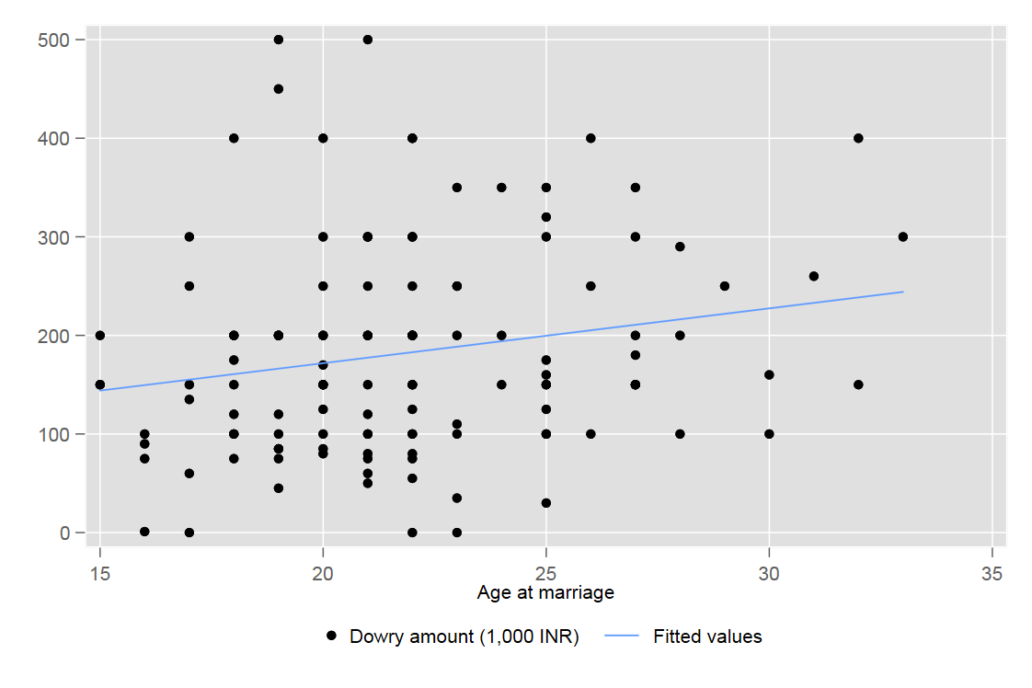
Daughter-in-law | 0.00 | 0.00 |  | 1.49 | 1.56
Grandchild | 2.63 | 1.79 |  | 3.73 | 2.34
Grandmother | 0.53 | 0.89 |  | 0.00 | 0.00
Other | 1.58 | 0.89 |  | 1.49 | 1.56
Living home (%)
Yes | 62.11 | 62.50 |  | 78.36 | 4.69
Temporarily migrating | 31.58 | 8.93 |  | 20.15 | 0.00
Left permanently | 6.32 | 28.57 |  | 1.49 | 95.31
Marital status (%)
Married | 0.00 | 98.21 | 98.21 | 0.00 | 97.66
Unmarried (above 10) | 100.00 | 1.79 | -98.21 | 100.00 | 0.00
Widowed | 0.00 | 0.00 | 0.00 | 0.00 | 1.56
Separated/divorced | 0.00 | 0.00 | 0.00 | 0.00 | 0.78
Main occupation (%)
Agri SE | 4.76 | 4.46 | -0.3
Agri casual | 2.65 | 8.93 | 6.28** | 2.24 | 1.57 | -0.66
Non-agri casual | 7.94 | 8.93 | 0.99 | 5.22 | 0.00 | -5.22***
Non-agri reg non-qual | 22.75 | 19.64 | -3.11 | 8.21 | 0.00 | -8.21***
Non-agri reg quali | 18.52 | 11.61 | -6.91 | 11.94 | 0.00 | -11.94***
SE | 5.29 | 12.50 | 7.21** | 1.49 | 0.00 | -1.49
NREGA | 0.53 | 0.00 | -0.53 | 1.49 | 0.00 | -1.49
Inactive | 6.88 | 1.79 | -5.09** | 1.49 | 0.00 | -1.49
Unoccupied active | 30.69 | 32.14 | 1.46 | 67.91 | 98.43 | 30.51***
Unmarried in the same range of age to avoid a life cycle effect

