Product Comp
 |  | Riskalyze | HiddenLevers | Kwanti | FactorE |  | Two Sigma Venn

Client Questionnaire
 | Risk questionnaire | TRUE | TRUE |  | 0
Financial Planning
 | Retirement Map | TRUE | FALSE | FALSE | 0

Portfolio Construction | Create / Share model portfolios | TRUE | TRUE | TRUE | 0.75 |  | TRUE
 | Import / Blend model portfolios | TRUE | TRUE | TRUE | 0 |  | TRUE
 | Customize client portfolios | TRUE

Portfolio Analytics | Interactive stress testing | TRUE | TRUE | TRUE | 0 |  | TRUE
 | Alts stress testing |  | TRUE | N/A |  |  | TRUE
 | Dynamic Benchmarking | TRUE |  | TRUE | 0.75 | only one index at a time | TRUE
 | Fee and expense analysis |  | TRUE | TRUE | 0.5 |  | 0
 | Performance and risk statistics | TRUE | TRUE | TRUE | 0.75 |  | TRUE |  | HIDDENLEVERS | KWANTI | TWO SIGMA
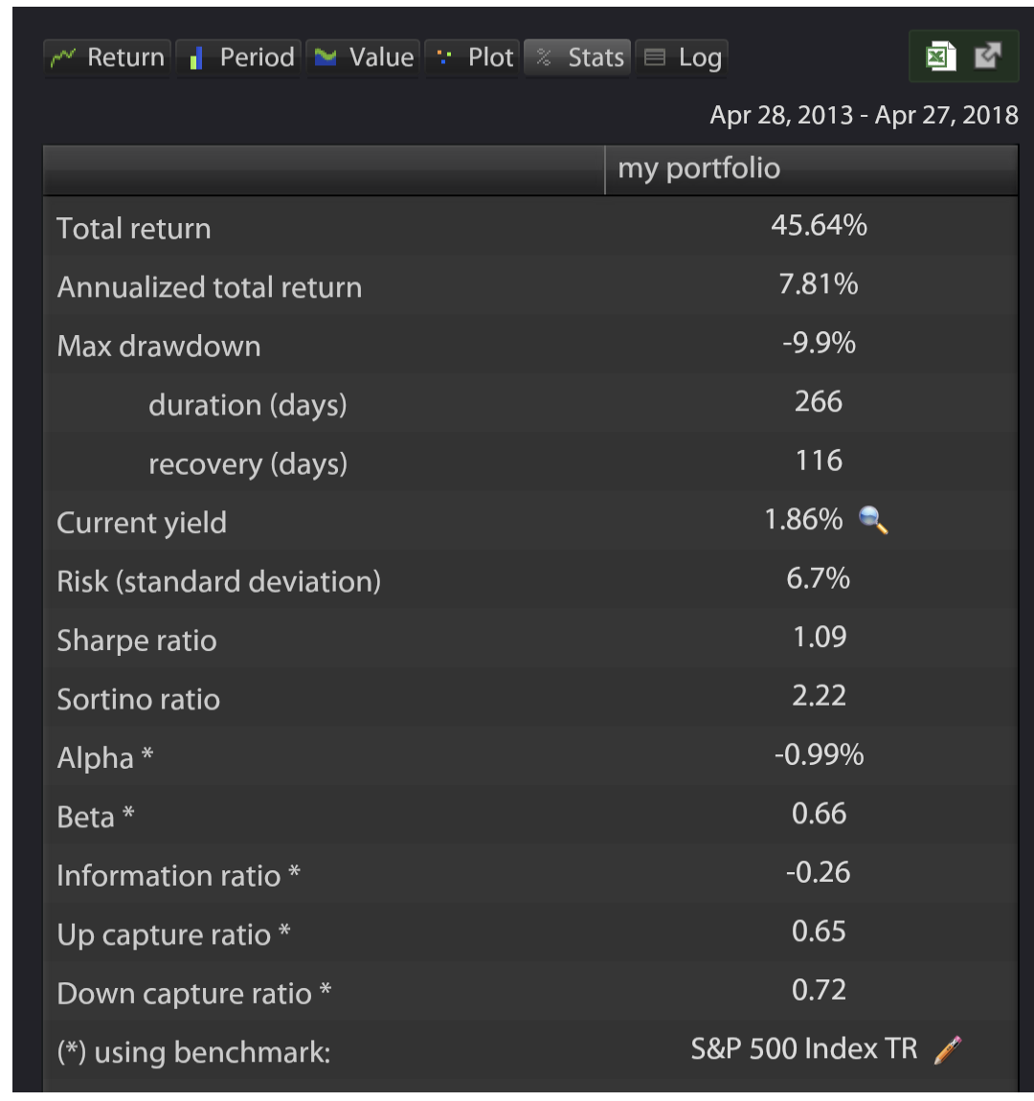
 | Cashflow analysis |  | TRUE | TRUE | 0
 | Factor analysis | FALSE | TRUE | FALSE | 0.5 |  | TRUE
 | Equity Style Analysis | TRUE | TRUE | TRUE | 1 |  | TRUE
 | Sector Analysis | TRUE | TRUE | TRUE | 0
 | Geographic Analysis | TRUE | TRUE | TRUE | 0
 | Bond Style Analysis | FALSE | TRUE | TRUE | 0
 | Holding-level analysis | TRUE |  | TRUE | 0
 | Correlation matrix | TRUE |  | TRUE | 0.75 | only for 17 assets in portfolio | TRUE
 | Attribution anlysis |  |  |  | 0.1 |  | TRUE | winner vs. lower
 | Performance projection |  |  |  | 0 |  | TRUE
 | Desmooth iliquid asset returns |  |  |  | 0 |  | TRUE
 | Portfolio Optimization |  |  | TRUE | 0 |  | TRUE |  | regression
Trading
 | Trading & cash management | TRUE
Client Proposal
 | Branded investment proposals |  | TRUE | TRUE | 0.25 |  | 0.5
 | Portfolio Comparison | TRUE | TRUE | TRUE | 0.75 | only two at a time | TRUE

API |  |  | TRUE |  | 0

3rd Party Integration
 | Black Diamond |  |  | TRUE | 1
Trading & Reporting | Orion |  |  | TRUE | 1
 | Addepar |  |  | TRUE
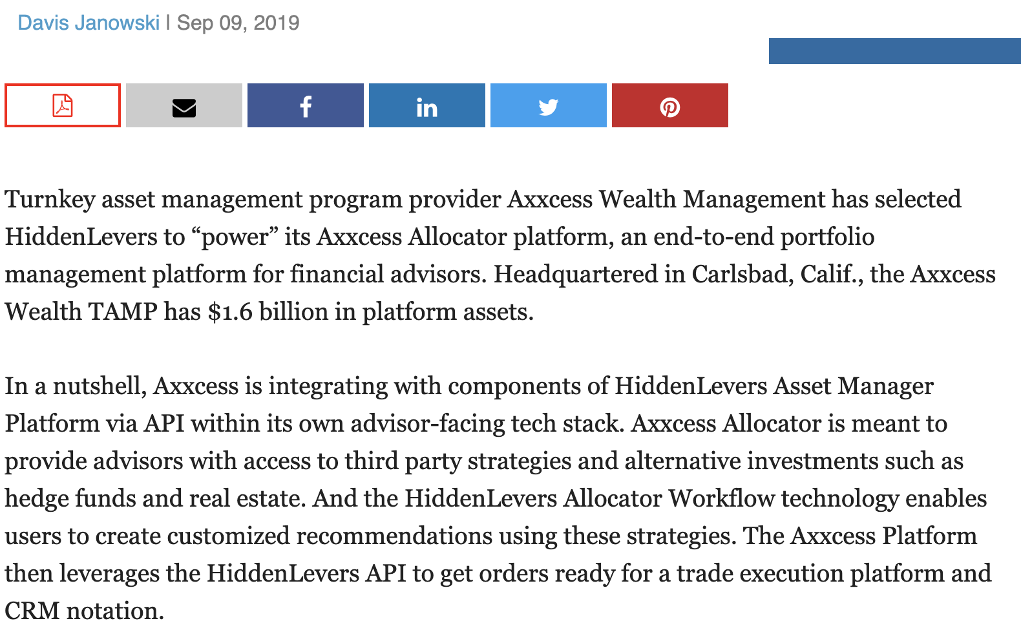
 | Riskalyze |  |  | TRUE
 | Advyzon |  |  | TRUE
 | Blueleaf |  |  | TRUE
 | Capitect |  |  | TRUE
 | Portfoliopathway |  |  | TRUE
Custodian | Pershing |  |  | TRUE
Custodian | Charles Schwab Advisor Center |  |  | TRUE
 | TradePMR |  |  | TRUE
 | Wealthscape |  |  | TRUE
Custodian | TD Ameritrade Institutional |  |  | TRUE
 | Folio Institutional |  |  | TRUE
CRM | Redtail |  |  | TRUE
Rebalance | iRebal

Sheet1
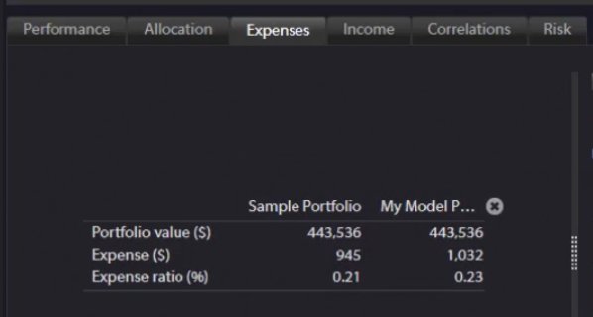
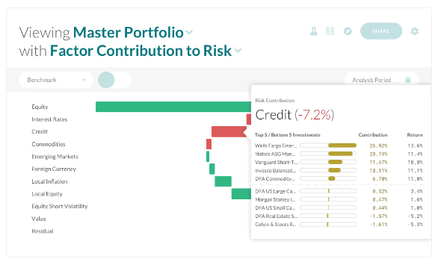
 |  |  |  | Architect
 | Riskalyze | HiddenLevers | Kwanti | Now | Plan | Two Sigma Venn |  | Annual Per User | Monthly Per User | Plans
Client Questionnaire | 1 | 1 |  | 0.5 | 1 |  | Architect | $1,800 / $800 / $540 / $ 280 | $175 | 25 / 250 / 500 / 1000
Financial Planning | 1 |  |  | 0 | ? |  | Riskalyze | $3,000 / $4,200 / $5,400 | $250 / $350 / $450 | Select / Elite / Enterprise
Portfolio Construction |  |  |  |  |  |  | HiddenLevers | $3,600 / $14,400 / $28,800 | $300 / $1,200 / $2,400 | Basic / Elite / Prime for advisors
Create & share portfolios | 1 | 1 | 1 | 0.75 | 1 | 1 | Kwanti | $2,100/$2,100/$6,900 | $195/$175/$575 | Single / Multi / Publisher
Import & blend model portfolios | 1 | 1 | 1 | 0 | 1 | 0.6 | Two Sigma Venn
Portfolio Analytics
Factor analysis |  | 1 |  | 1 |  | 1
Stress testing | 1 | 1 | 1 | 0.5 | 1 | 1
Projection/Optimization | 1 | 1 | 1 | 0 | 1 | 1
Holding-level analytics | 1 | 1 | 1 | 0 | ? | 1
Cashflow analysis | 0.6 | 0.6 | 1 | 0 | 1
Alternative investments | 0.6 | 0.6 |  | 1 |  | 1
Risk Score / Alignment Score | 1 | 1 |  | 0.5 | 1
Portfolio Proposal
Portfolio comparison | 1 | 1 | 0.6 | 0.75 | 1 | 1
Customizable report | 1 | 1 | 1 | 0.25 | 1 | 1
Trading & Reporting | 1 |  |  | 0 | 0.5

 | Rebrand as Nitrogen in 2023 | Orion bought in 2021

Edge |  | Flexible stress test | Upload portfolio, compare with model portfolio or benchmark. 1K growth, yearly return, scatter plot on return-volatility chart, standard risk metrics, stock style, bond style, correlation, stress test, customizable pdf proposal, |  | Supports Alts holisticly, factor exposure and contribution to risk, alignment score, cashflow management | Factor exposure analysis, contribution to risk

