Sheet1
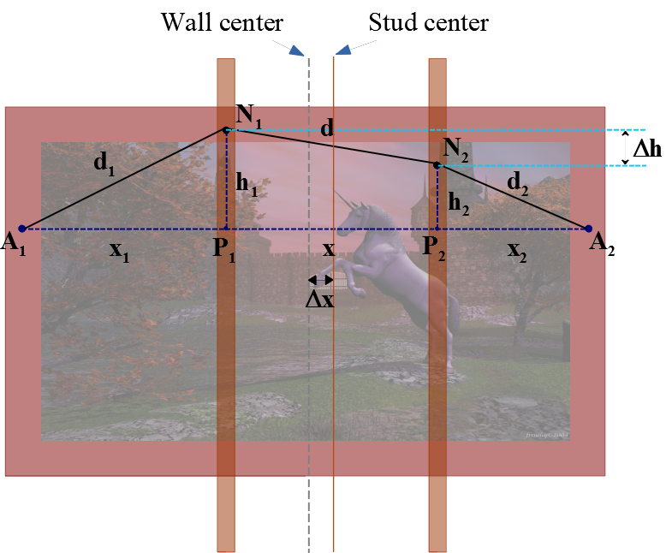
INPUTS:
Enter your measurements here, referring to the picture on the right.
Make sure all units are consistent!

Anchor separation | D= | 122.5
Wire length | W= | 126.5
Stud separation | X= | 70
Horizontal shift | ∆x= | 4.8

OUTPUT:
Vertical separation of nails | ∆h= | 3.77

AUXILIARY QUANTITIES:
Max horizonl shift | Max ∆x= | 26.25
 | Epsilon= | 5.46875
 | Q= | 8346
 | A= | 835.62774754
 | B= | 1113110.0664
 | C= | 15633216

