ARO DCE
Amaroq Minerals Ltd.
Transparency - ARO payment to DCE
Year ended 2018-12-31, 2019-12-31, 2020-12-31, 2021-12-31 and updated 2022-12-31

An analysis has been completed to determine if DCE is an agency of the Government.

Here is the link for the DCE website: | http://dce.au.dk/en/about-dce/departments/

According to the website, this company provides services to public and private sector clients.

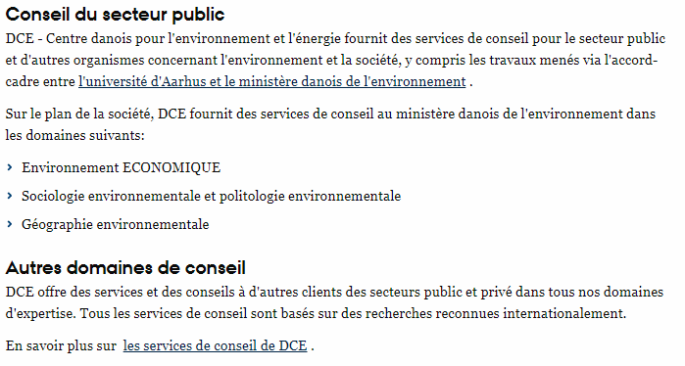
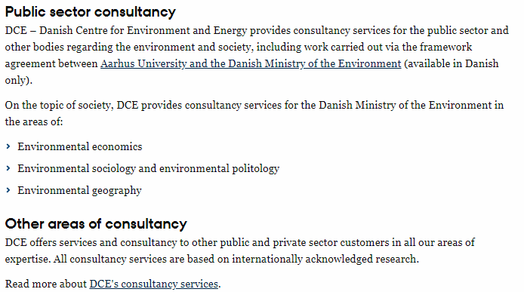

Here is the description of their company:

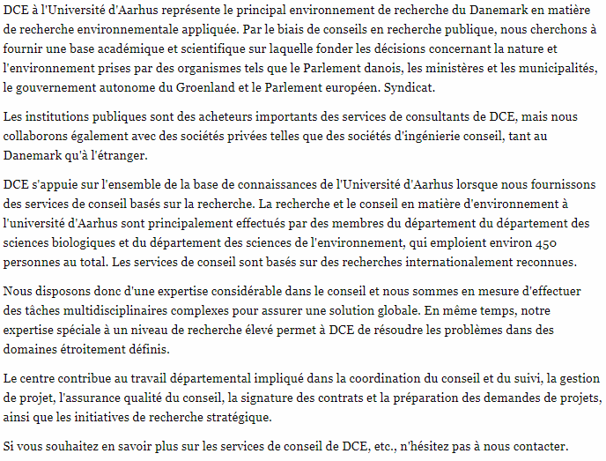
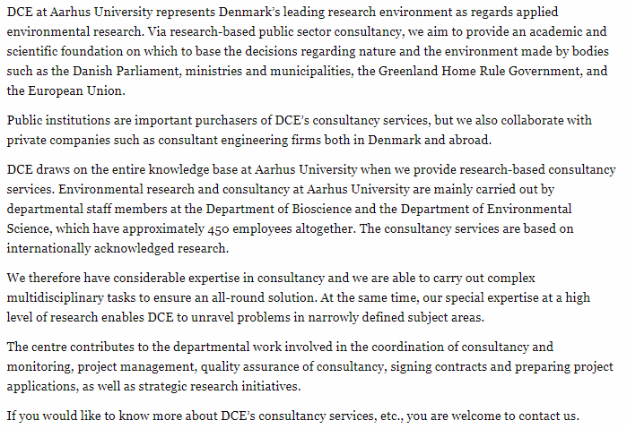

Here are the agreements and possible financing

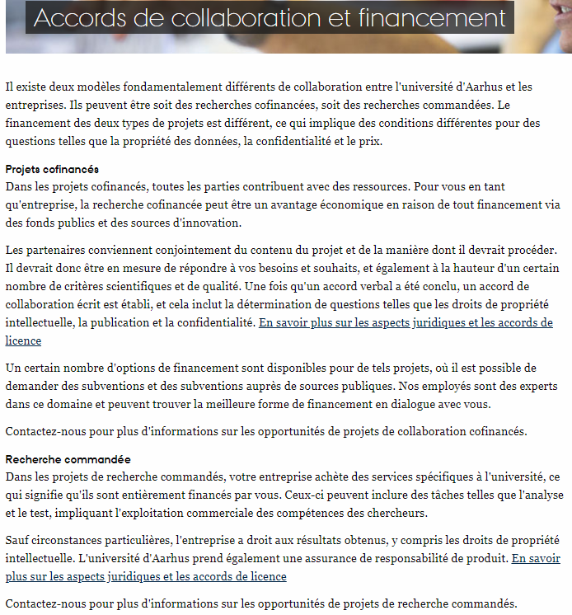
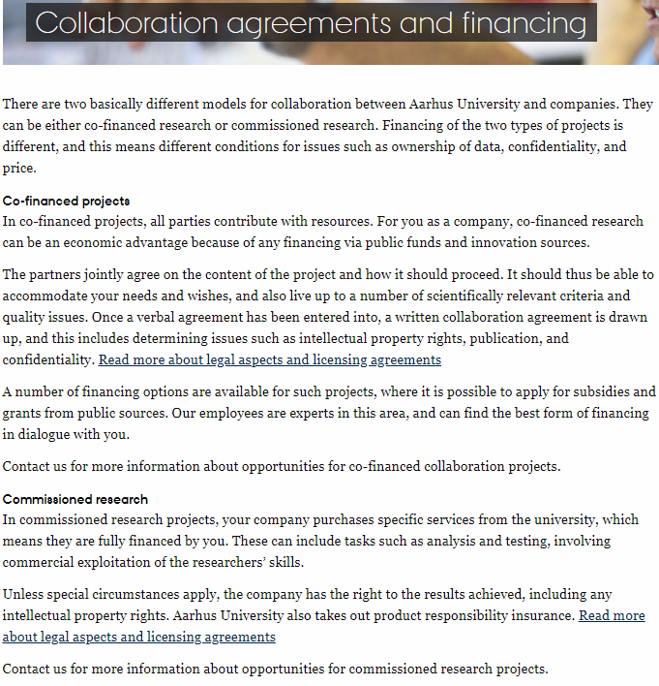

Here is the link with the Annual report 2017: |  | http://dce.au.dk/fileadmin/dce.au.dk/Udgivelser/Oevrige_udgivelser/DCE_AArsberetning_2017.pdf

Here is the summary at the income level according to the report:

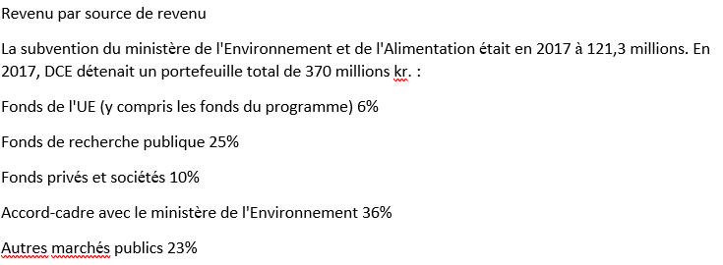
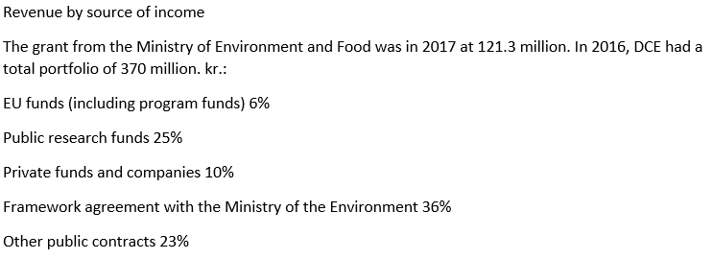

The 2019, 2020 or 2021, 2022 Annual report was not available as of 2023-05-24.

Conclusion:

Nalunaq A/S (his predecessor) has agreed with the Government of Greenland on has a monitoring agreement with DCE and reserved funds are in a bank account.

With this agreement, the Greenland government pays the DCE bills from this bank account.

Regarding DCE, at no point I was able to trace the owner or shareholder of DCE.

On the other hand, in the 2017 annual report, we find that the source of revenue with the public sector represents 90%.

So, given the large proportion of revenue / public funding and the close connection with the university, I consider that DCE should be disclosed in the transparency report.

The only question left, could this work be considered as done by an external party?

The answer in my opinion is no.

