Data Visualization
On going inside more of the Data I found following Visualizations:

Now If I have to start survueying, I will ask the people If they trust the Police | Next I would ask, whether They have expierenced previous sexual assault |  | Then, I would come to the present situatuon of the world | Covid 19 affects on mental health VS Age groups

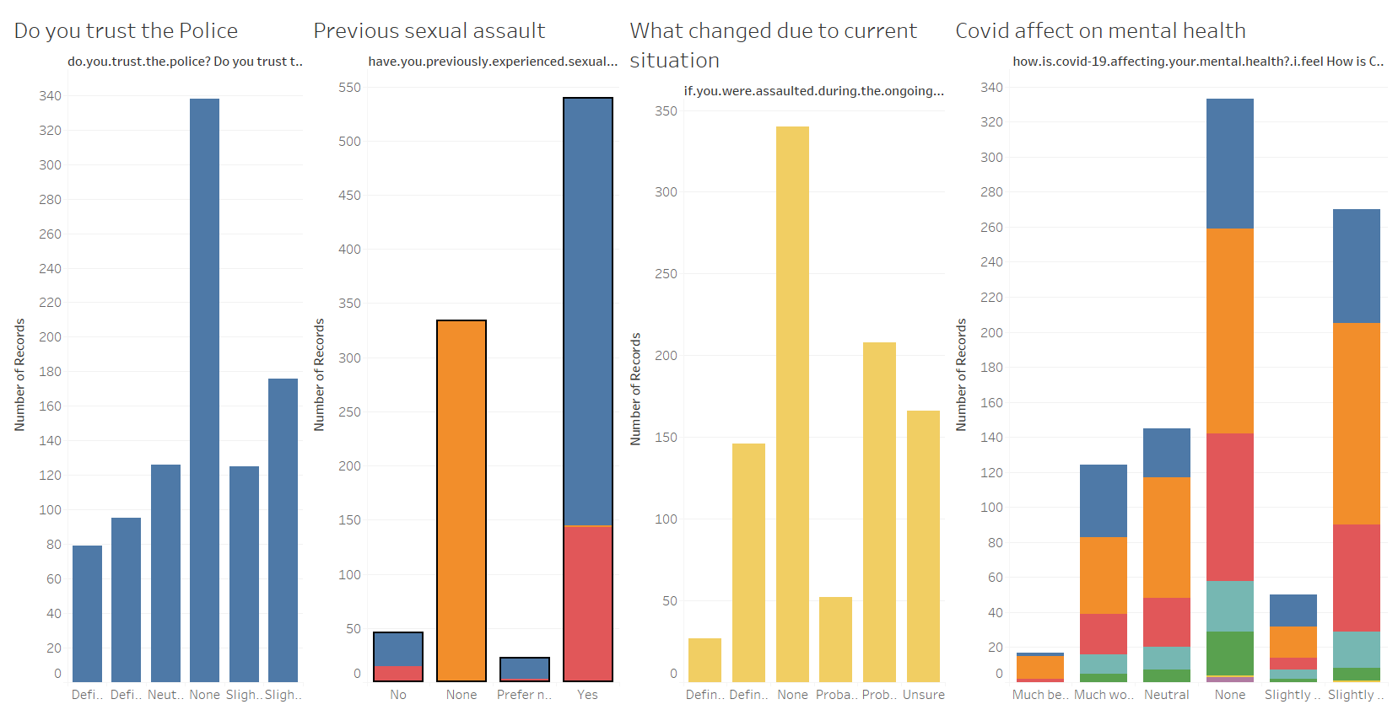

 |  |  |  |  | AGE
 |  | NO |  |  |  | 18-24
 |  | None |  |  |  | 25-34
 |  | Yes |  |  |  | 35-44
 |  |  |  |  |  | 55-74
 |  |  |  |  |  | 45-54
 |  |  |  |  |  | 75 or older

Data Correlation
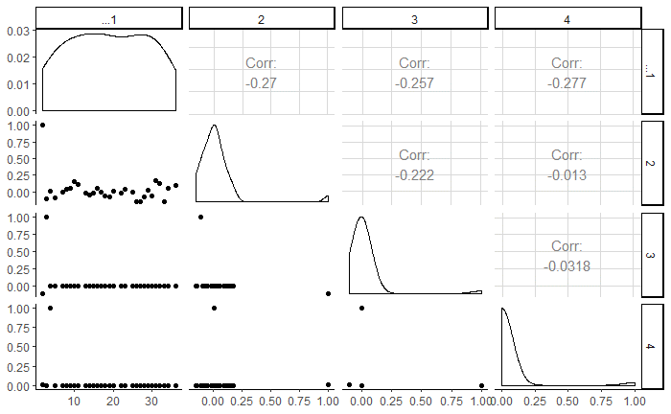
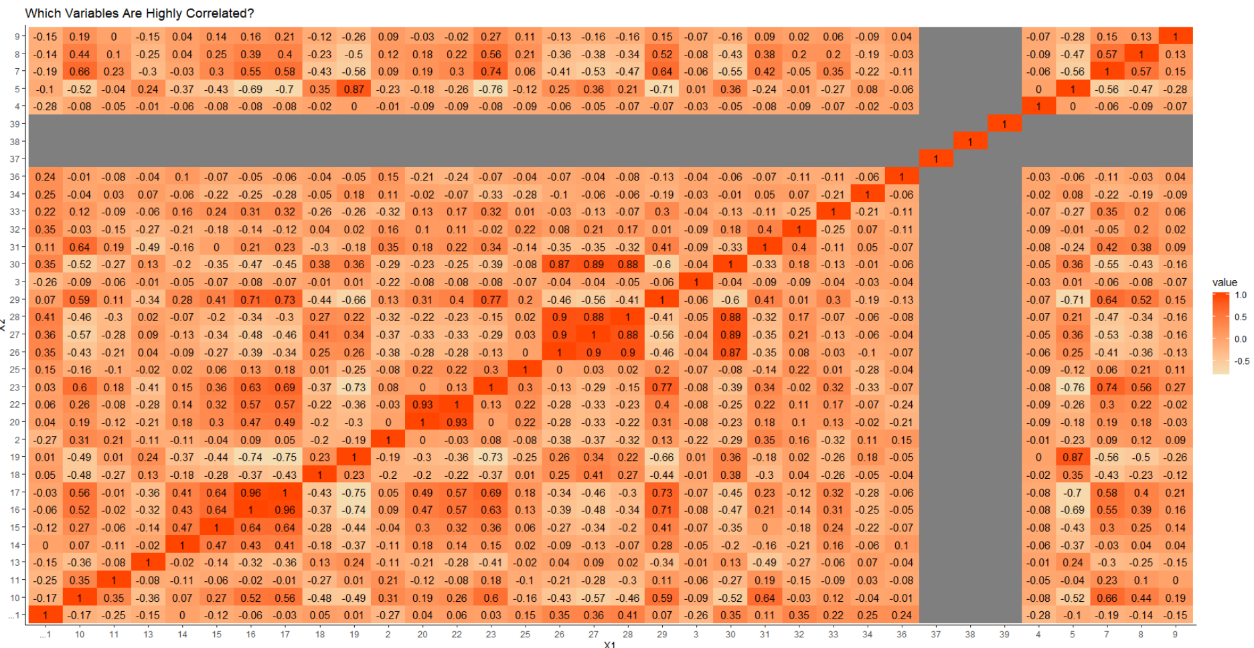
Now I had to find correlation between various data, so I did a Bivariate analysis and made following heatmap | And I found many observations such as what.gender.do.you.identify.as depends greatly on was.the.assailant.the.same.or.opposite.sex? And would.you.feel.like.you.had.more.autonomy.over.your.body.as.a.sexual.assault.survivor.if.you.could.perform.an.saek.sexual.assault.evidence.kit.on. yourself depends greatly on do.you.trust.the.police? As their correlations were higher. | Next I did a correlation matrix plot on these 4 variables and mad a scatter plot: age are.you.a.survivor.of.sexual.assault? are.you.a.survivor.of.sexual.assault? are.you.located.in.the.united.states?

