Sheet1
 |  |  | Hypothesis Test
 |  |  | One Sample t Test

Sample | Results | Sample | Results | Sample | Results
1 | 8 | 11 | 7 | 21 | 5
2 | 7 | 12 | 8 | 22 | 9
3 | 7 | 13 | 8 | 23 | 10
4 | 10 | 14 | 9 | 24 | 6
5 | 7 | 15 | 8 | 25 | 8
6 | 10 | 16 | 10 | 26 | 9
7 | 9 | 17 | 7 | 27 | 10
8 | 6 | 18 | 9 | 28 | 7
9 | 7 | 19 | 6 | 29
10 | 10 | 20 | 8 | 30

Null Hypothesis
The process fails to exceed satisfaction level of 7.5

Alternative Hypothesis
The process succeeds at meeting satisfaction level of 7.5.

To conduct this test, swipe and copy the URL below and then paste it into your browser.
http://www.socscistatistics.com/tests/tsinglesample/Default.aspx

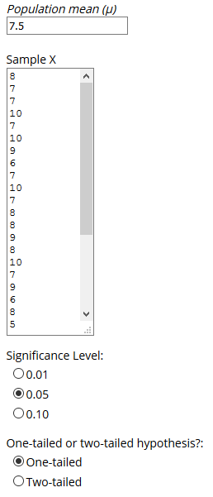

Here are the results:
The t-value is 1.951609. The value of p is .030715. The result is significant at p < .05.

Since the p value is significant, the null hypothesis is rejected in favor of the alternative hypothesis which states that the population mean from which the sample has been taken is equal to or greater than 7.5.

As a result the target of 7.5 has been met and the process is therefore performing well.

