Sheet1
Github Overview:

What is Github?
It's an Internet Hosting service/platform for software development and version control using Git. It can be used for Bug trcaking, software feature requests, task management, continuous integration etc..
Eg: If a Software Project is uploaded in Github, the access can be given to the several developers working on same project - whatever the changes they do can be updated under same platform.

How to upload your website code into Github?
- First we need to create repository in github
- By clicking on upload documents, can select files and directly upload under repository

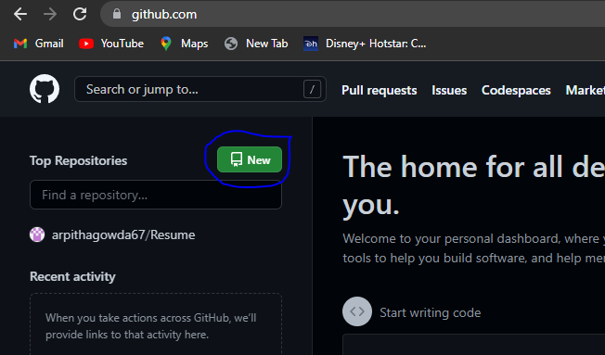
How to create Github account?
- Go to Github Website | Github_link
- Give UserName, Email id and set a password
- Account will be created
- Create a Repository by clicking on New
- Name the Repository

