Centrality
Centrality Graph

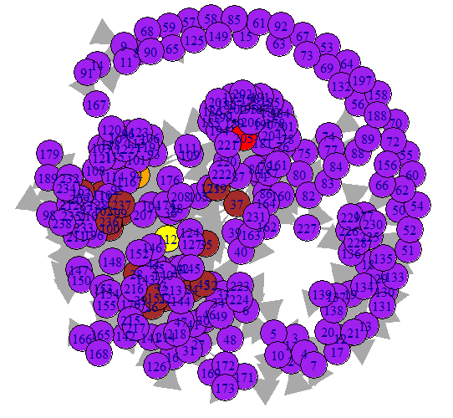
 | Centrality Person
 | Node-205: michael.norden@enron.com

