K-means with all rows
p- 1988 e - 2074 | p - 1928 e - 2134 | p - 2323 e - 2551 | p - 1593 e - 1657 | p - 2746 e - 2940 | p - 1170 e - 1268

K-means Clustering train 50 % | K-means Clustering test 50 % | K-means Clustering train 60 % | K-means Clustering test 40 % | K-means Clustering train 70 % | K-means Clustering test 30 %
K = 2 | K = 2 | K = 2 | K = 2 | K = 2 | K = 2
1 2 2345 1717 | 1 2 1707 2355 | 1 2 2056 2818 | 1 2 1874 1376 | 1 2 2417 3269 | 1 2 1015 1423

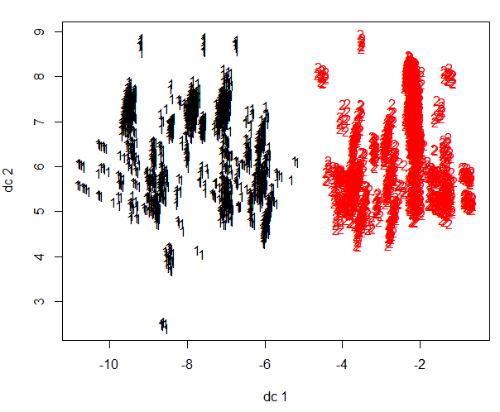
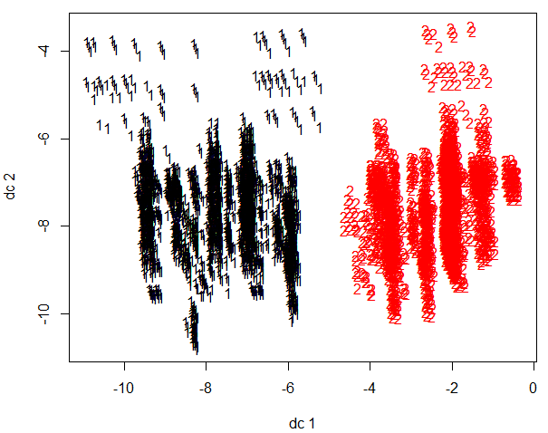
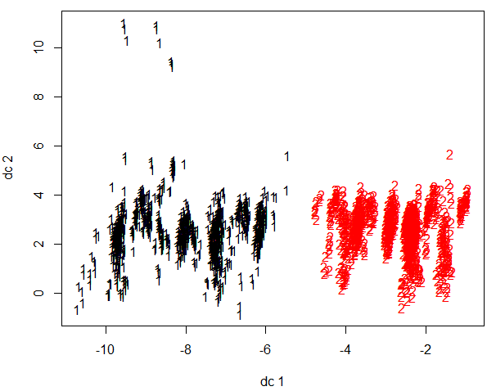
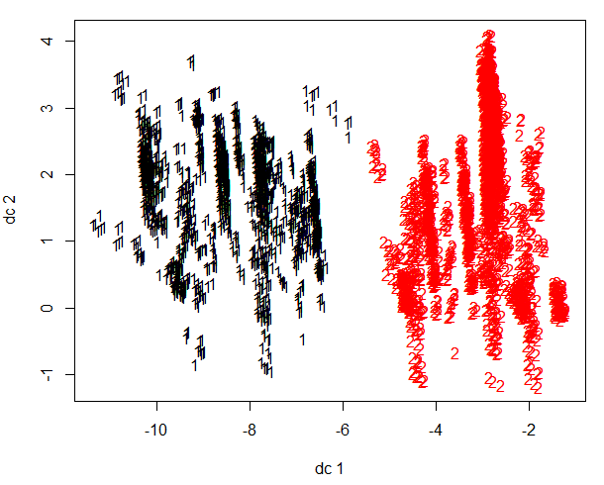
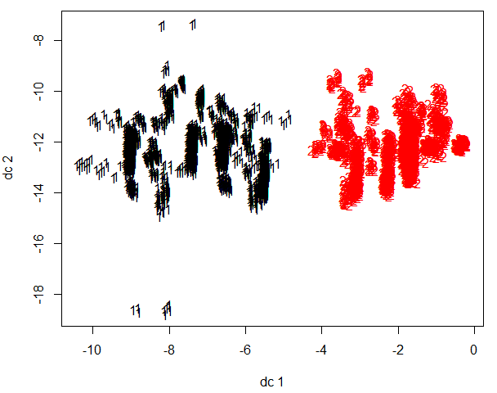
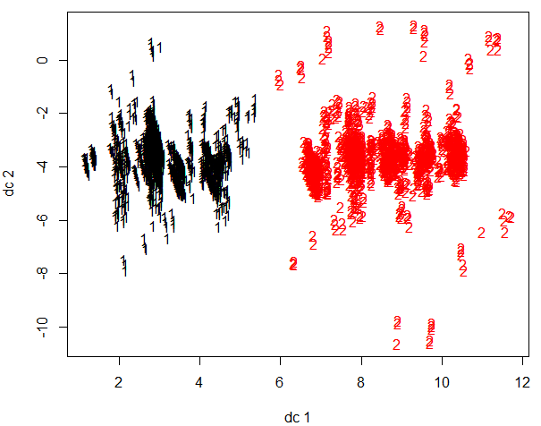

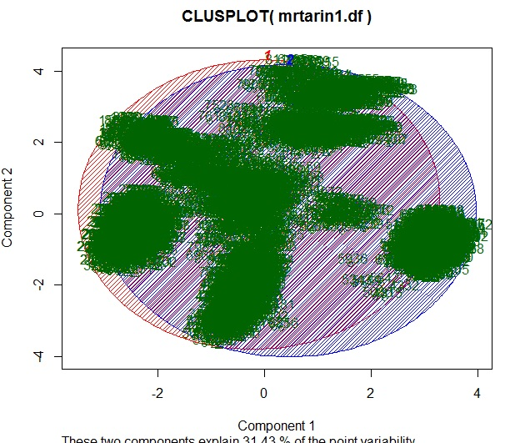
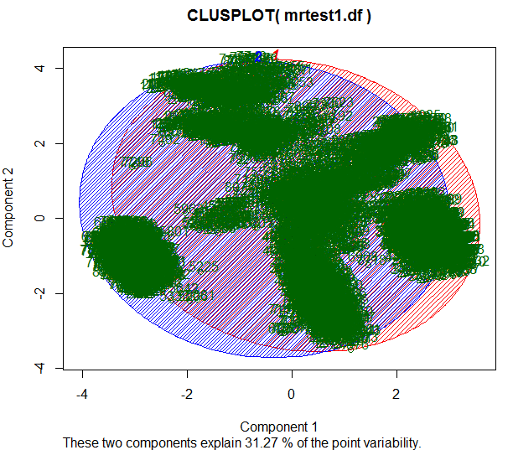
 |  | K = 3 | K = 3 | K = 3 | K = 3
 |  | 1 2 3 2690 1332 852 | 1 2 3 1087 2261 714 | 1 2 3 1391 2658 1637 | 1 2 3 844 671 923

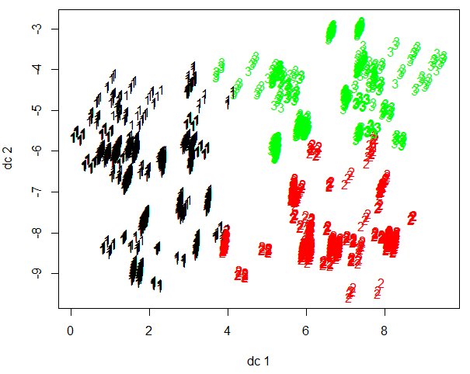
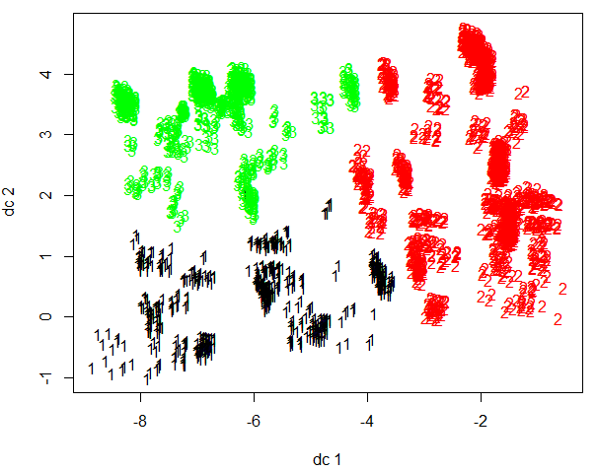
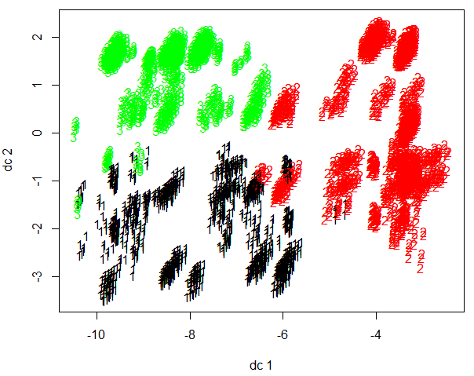
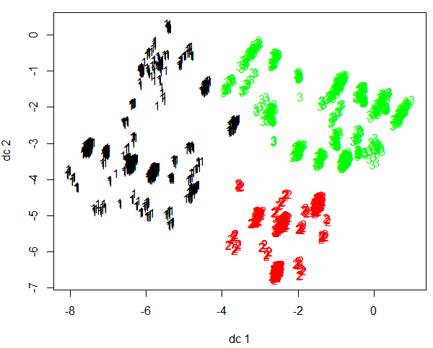

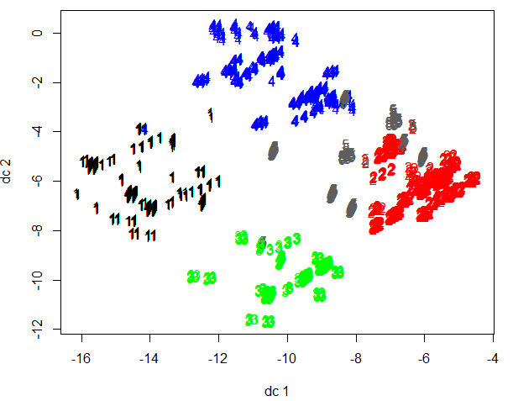
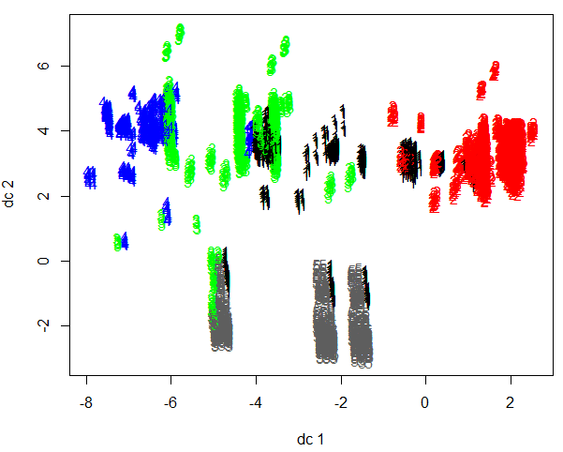
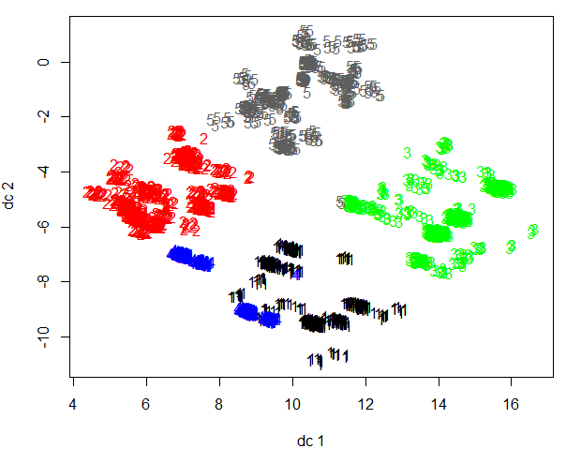
 |  | K = 5 | K = 5 | K = 5 | K = 5
K = 3 | K = 3 | 1 2 3 4 5 532 897 660 479 682 | 1 2 3 4 5 532 897 660 479 682 | 1 2 3 4 5 852 2239 1251 626 718 | 1 2 3 4 5 418 664 600 341 415
1 2 3 1696 1557 809 | 1 2 3 1514 1597 951
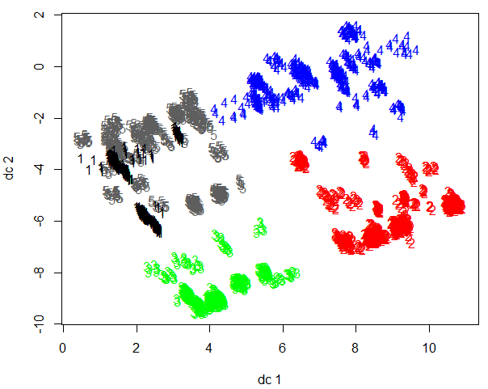
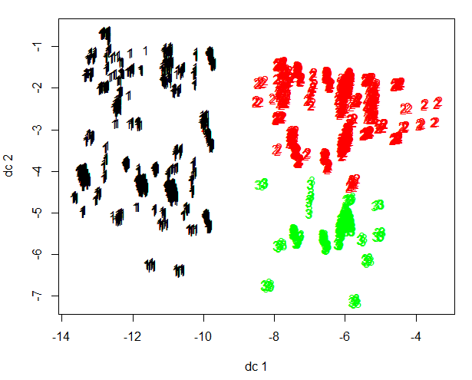
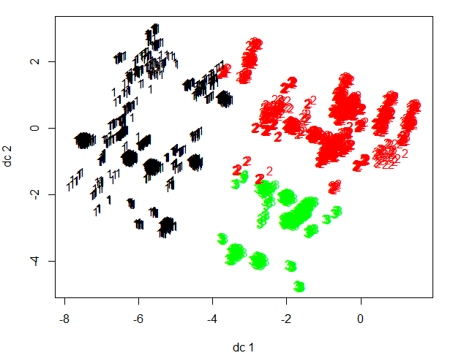

 |  | K = 7 | K = 7 | K = 7 | K = 7
 |  | 1 2 3 4 5 6 7 227 166 1190 1023 490 1163 615 | 1 2 3 4 5 6 7 118 721 417 489 298 364 843 | 1 2 3 4 5 6 7 1253 1262 711 317 842 403 898 | 1 2 3 4 5 6 7 382 430 140 291 376 309 510
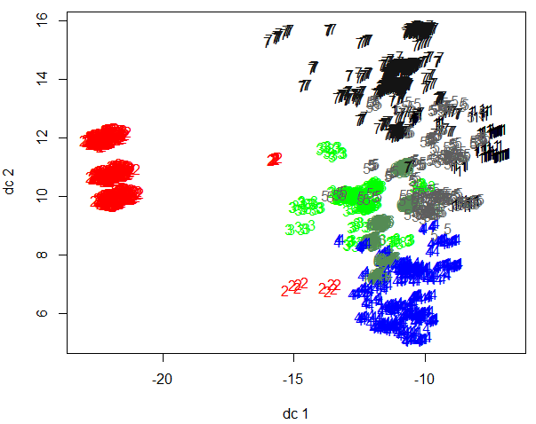
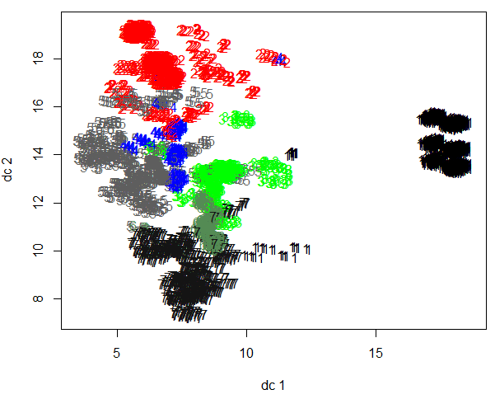
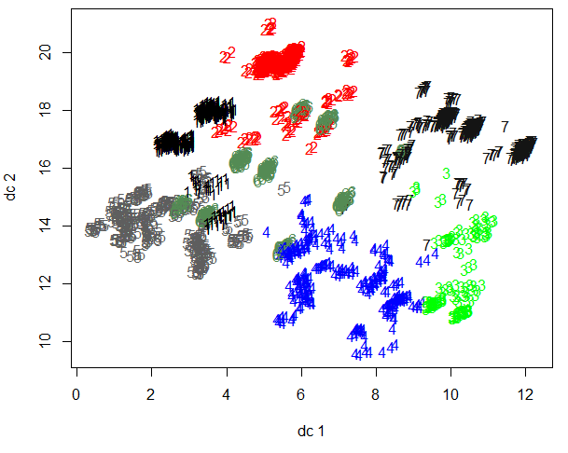
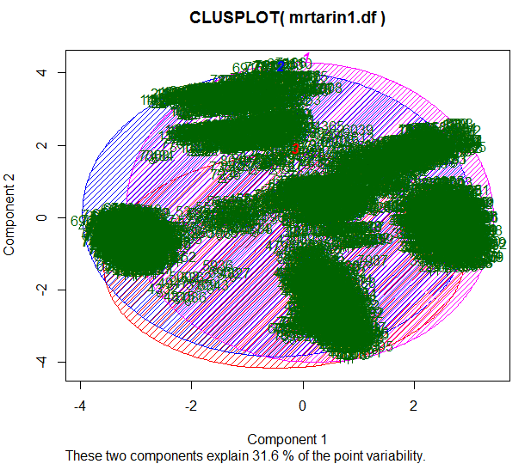
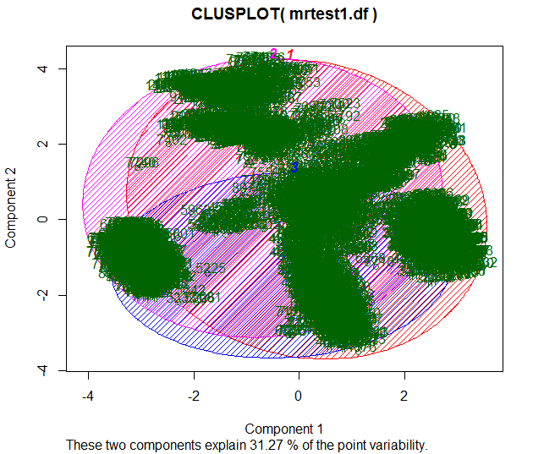
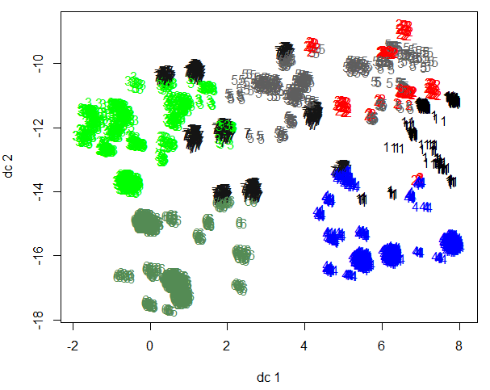

K = 5 | K = 5
1 2 3 4 5 1099 680 710 929 644 | 1 2 3 4 5 868 687 1101 593 813
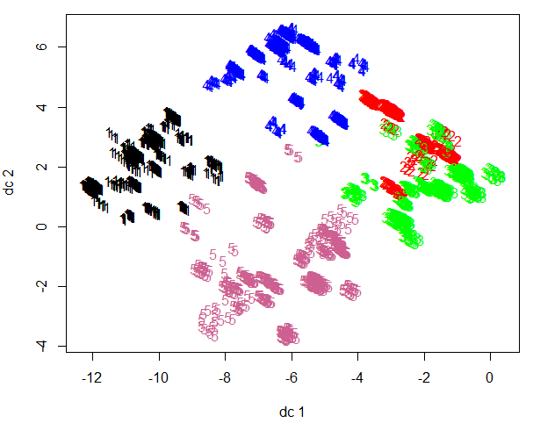
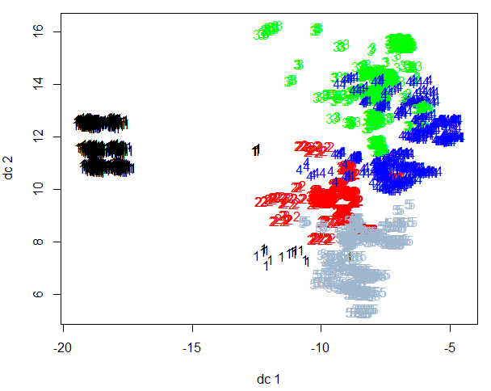

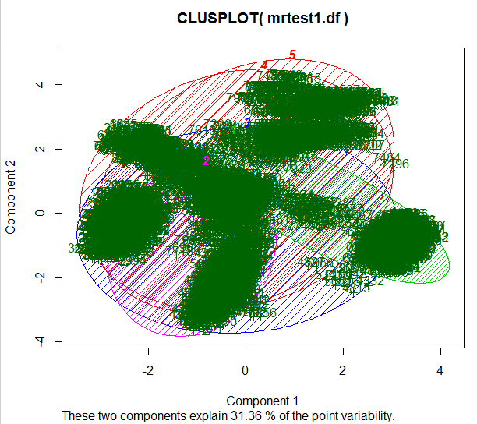
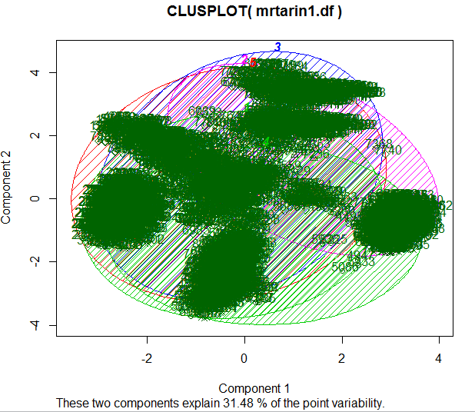

K = 7 | K = 7
1 2 3 4 5 6 7 524 832 517 930 605 487 167 | 1 2 3 4 5 6 7 1101 646 538 337 292 551 597
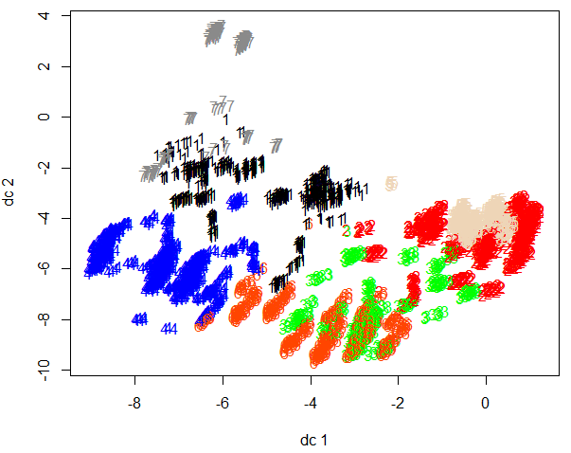
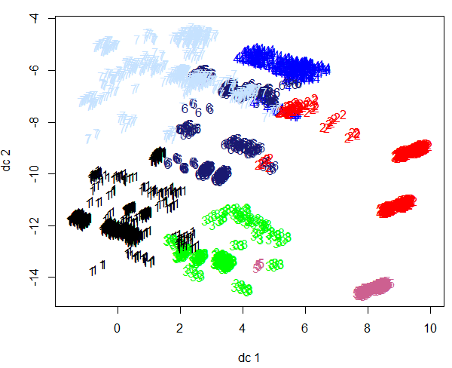

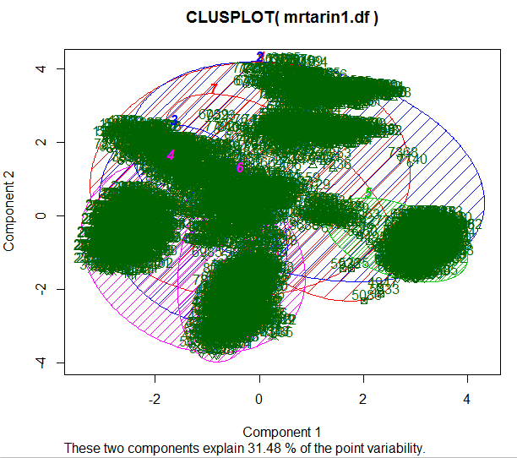
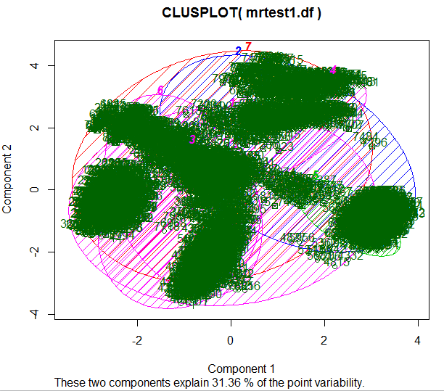

//

k-nearest neibhour plots
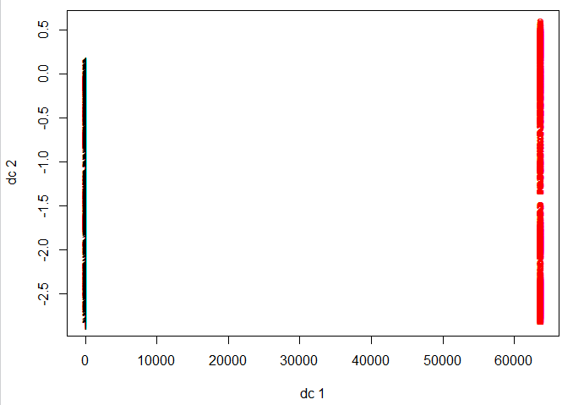
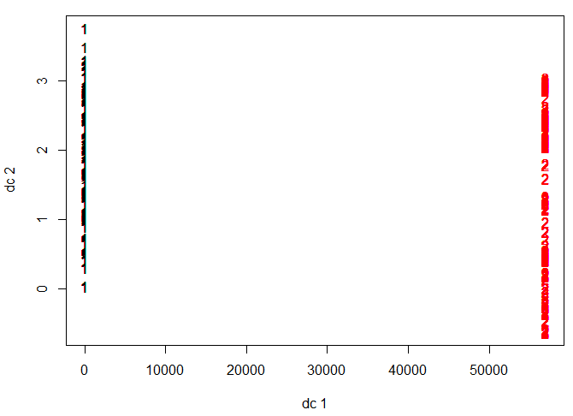
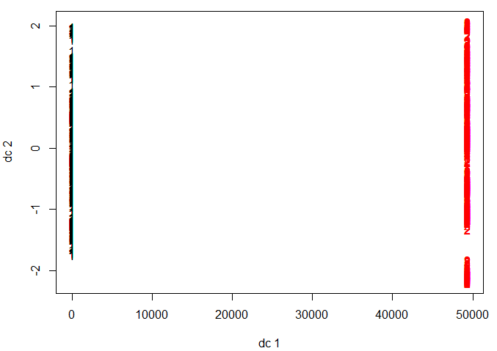
K-nearest neighbour Clustering train 50 % - 50% | K-nearest neighbour Clustering train 60 % - 40% | K-nearest neighbour Clustering train 60 % - 40%
Training Set | Training Set | Training Set
0 1 | 0 1 | 0 1
1942 2120 | 2303 2571 | 2732 2954
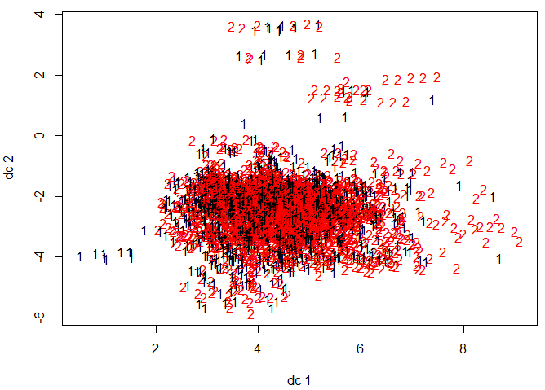
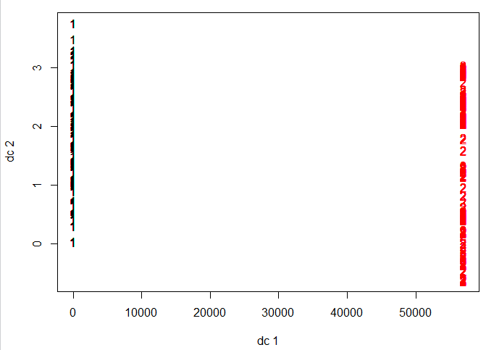
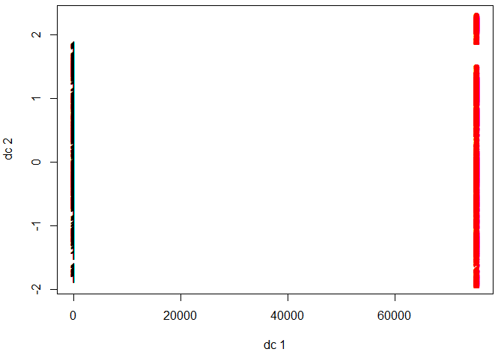

Test set | Test set | Test set
0 1 | 0 1 | 0 1
1964 2098 | 1613 1637 | 1184 1254

Hierarchical with all rows
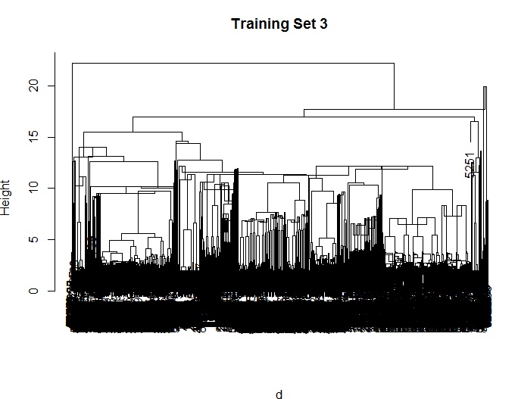
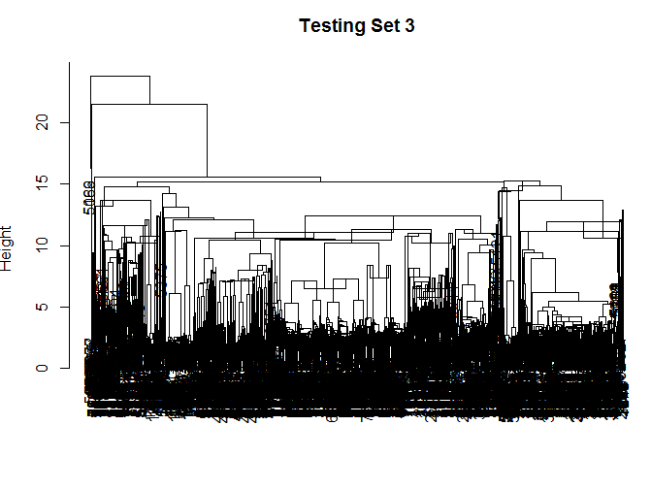
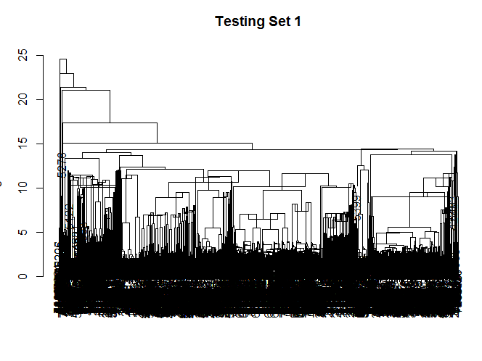
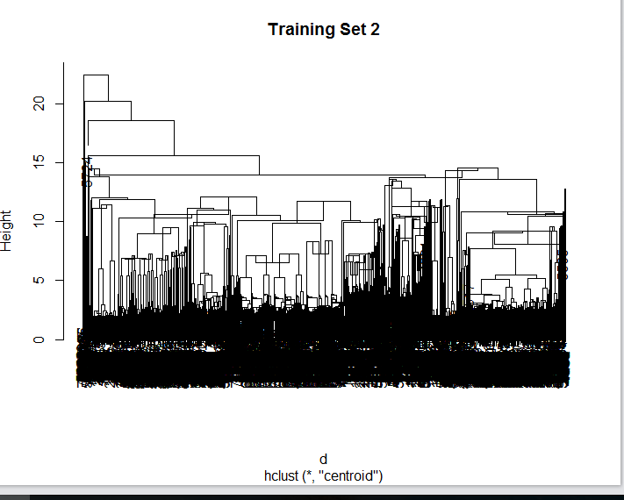
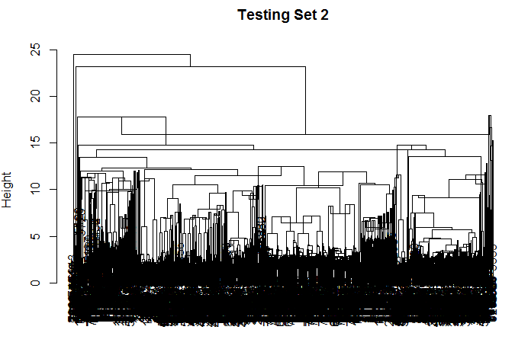
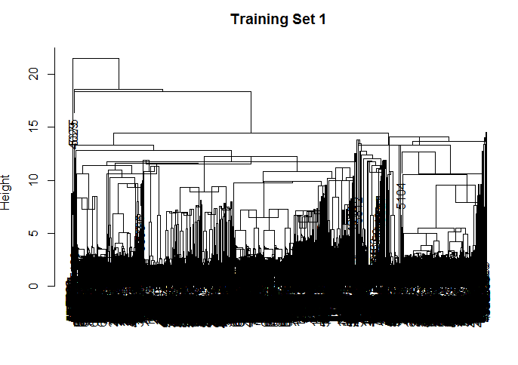
p- 1988 e - 2074 | p - 1928 e - 2134 | p - 2323 e - 2551 | p - 1593 e - 1657 | p - 2746 e - 2940 | p - 1170 e - 1268

Hierarchical Clustering train 50 % | Hierarchical Clustering test 50 % | Hierarchical Clustering train 60 % | Hierarchical Clustering test 40 % | Hierarchical Clustering train 70 % | Hierarchical Clustering test 30 %
Cluster method : centroid Distance : euclidean Number of objects: 4062 | Cluster method : centroid Distance : euclidean Number of objects: 4062 | Cluster method : centroid Distance : euclidean Number of objects: 4874 | Cluster method : centroid Distance : euclidean Number of objects: 3250 | Cluster method : centroid Distance : euclidean Number of objects: 5686 | Cluster method : centroid Distance : euclidean Number of objects: 2438

