Normalized_Data
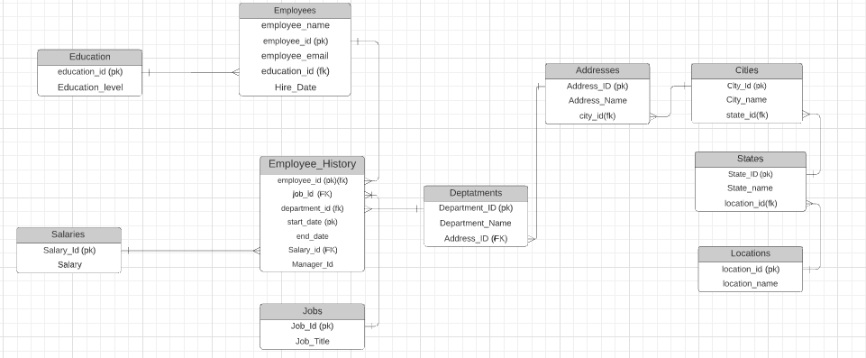
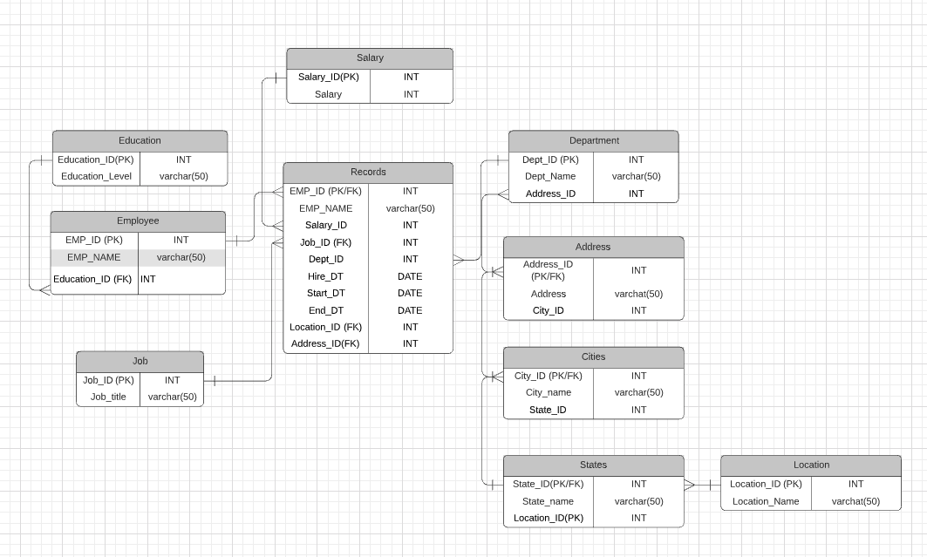
Location
 | State
 | City
 | Address

Department |  | Employee | Employee_Hist | Job | Department |  | Salary | Employee Location | City Table
 | Job | EMP_ID | Employee_ID | Job_ID | Department_NM |  | Employee_ID | Address_ID | City_ID
 | Manager | EMP_NM | Start_DT | JOB_TITLE |  |  | Salary | ADDRESS | City_Name
 | Employees | EMAIL | End_DT |  |  |  |  | CITY_ID | State_ID
 |  | HIRE_DT | Department_ID
 |  | Education_ID | Manager_ID
 |  |  | Job_ID |  |  |  |  |  | STATE | LOCATION
 |  | Education |  |  |  |  |  |  | State_ID | Location_ID
 |  | Education_ID |  |  |  |  |  |  | State_Name | Location Name
 |  | EDUCATION LEVEL |  |  |  |  |  |  | Location_ID

 |  |  |  |  |  | Design Consideration
 |  |  |  |  |  | 1 | If you know address you may not know the city as address may be common across multiple cities

