ComplexityLvChosenParticipant
Patern | (All)

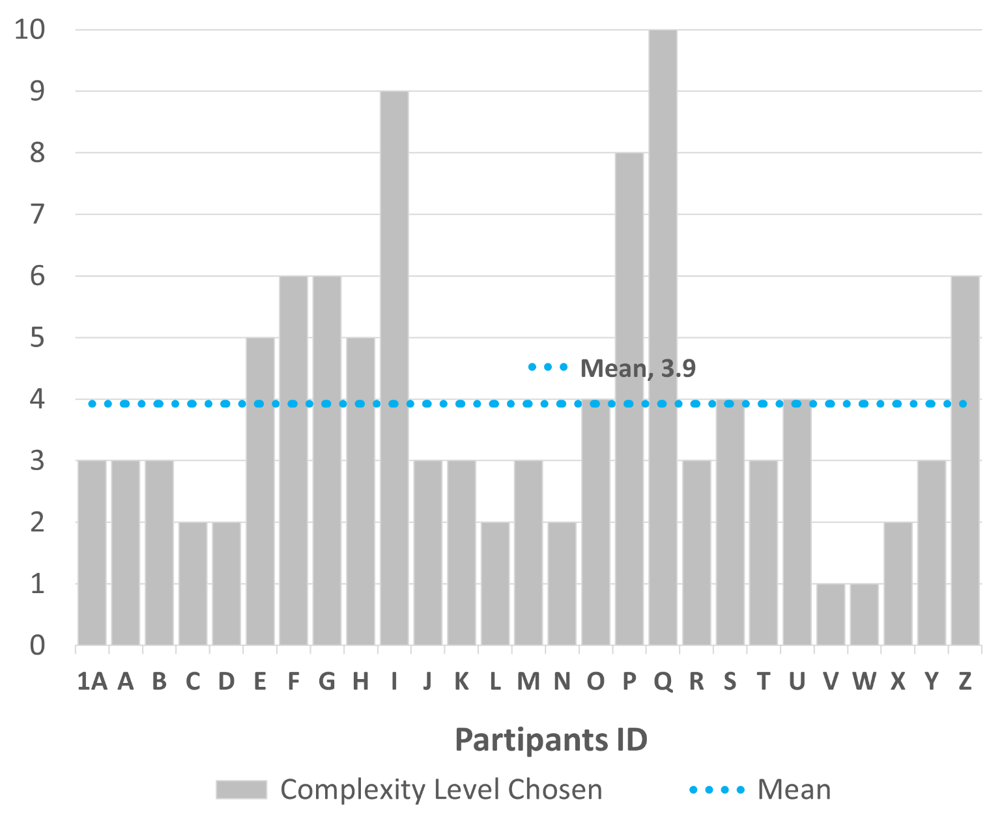
Row Labels | Complexity score | Façade Variation | Mean Complexity Score
1A | 3.804 | 3 | 3.82
A | 4.071 | 3 | 3.82
B | 3.381 | 3 | 3.82
C | 2.448 | 2 | 3.82
D | 3.105 | 2 | 3.82
E | 3.495 | 5 | 3.82
F | 6.054 | 6 | 3.82
G | 4.641 | 6 | 3.82
H | 3.495 | 5 | 3.82
I | 5.551 | 9 | 3.82
J | 4.071 | 3 | 3.82
K | 3.381 | 3 | 3.82
L | 2.448 | 2 | 3.82
M | 4.071 | 3 | 3.82
N | 2.760 | 2 | 3.82
O | 5.610 | 4 | 3.82
P | 4.747 | 8 | 3.82
Q | 3.659 | 10 | 3.82
R | 3.804 | 3 | 3.82
S | 5.010 | 4 | 3.82
T | 3.381 | 3 | 3.82
U | 5.610 | 4 | 3.82
V | 2.168 | 1 | 3.82
W | 2.127 | 1 | 3.82
X | 2.448 | 2 | 3.82
Y | 4.071 | 3 | 3.82
Z | 3.674 | 6 | 3.82
Grand Total | 103.085 | 106 | 3.82

Complex Perception per Lv
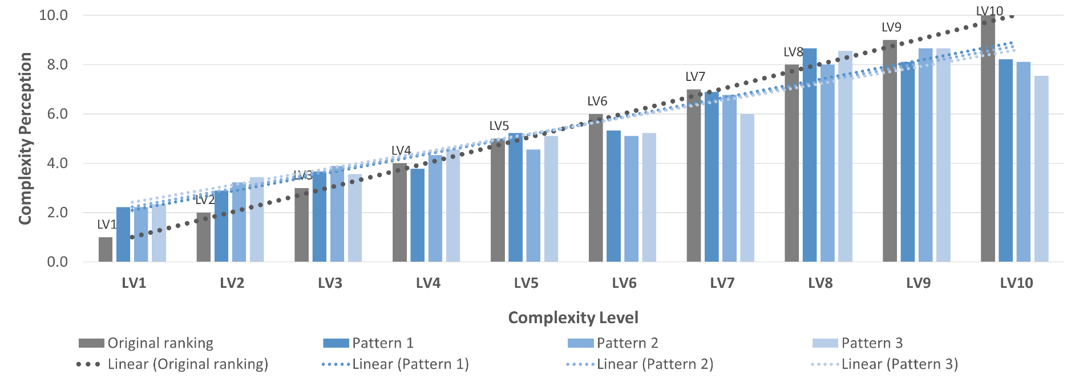
 | Column Labels
Complexity level | Original ranking | Pattern 1 | Pattern 2 | Pattern 3 | Grand Total
LV1 | 1 | 2.2 | 2.2 | 2.3 | 2.2
LV2 | 2 | 2.9 | 3.2 | 3.4 | 3.1
LV3 | 3 | 3.7 | 3.9 | 3.6 | 3.7
LV4 | 4 | 3.8 | 4.3 | 4.6 | 4.2
LV5 | 5 | 5.2 | 4.6 | 5.1 | 5.0
LV6 | 6 | 5.3 | 5.1 | 5.2 | 5.3
LV7 | 7 | 6.9 | 6.8 | 6.0 | 6.6
LV8 | 8 | 8.7 | 8.0 | 8.6 | 8.4
LV9 | 9 | 8.1 | 8.7 | 8.7 | 8.5
LV10 | 10 | 8.2 | 8.1 | 7.6 | 8.0

 |  |  |  |  |  | Rate of improvement (%) in accuracy with VR simulation

Complex Perception per Pattern
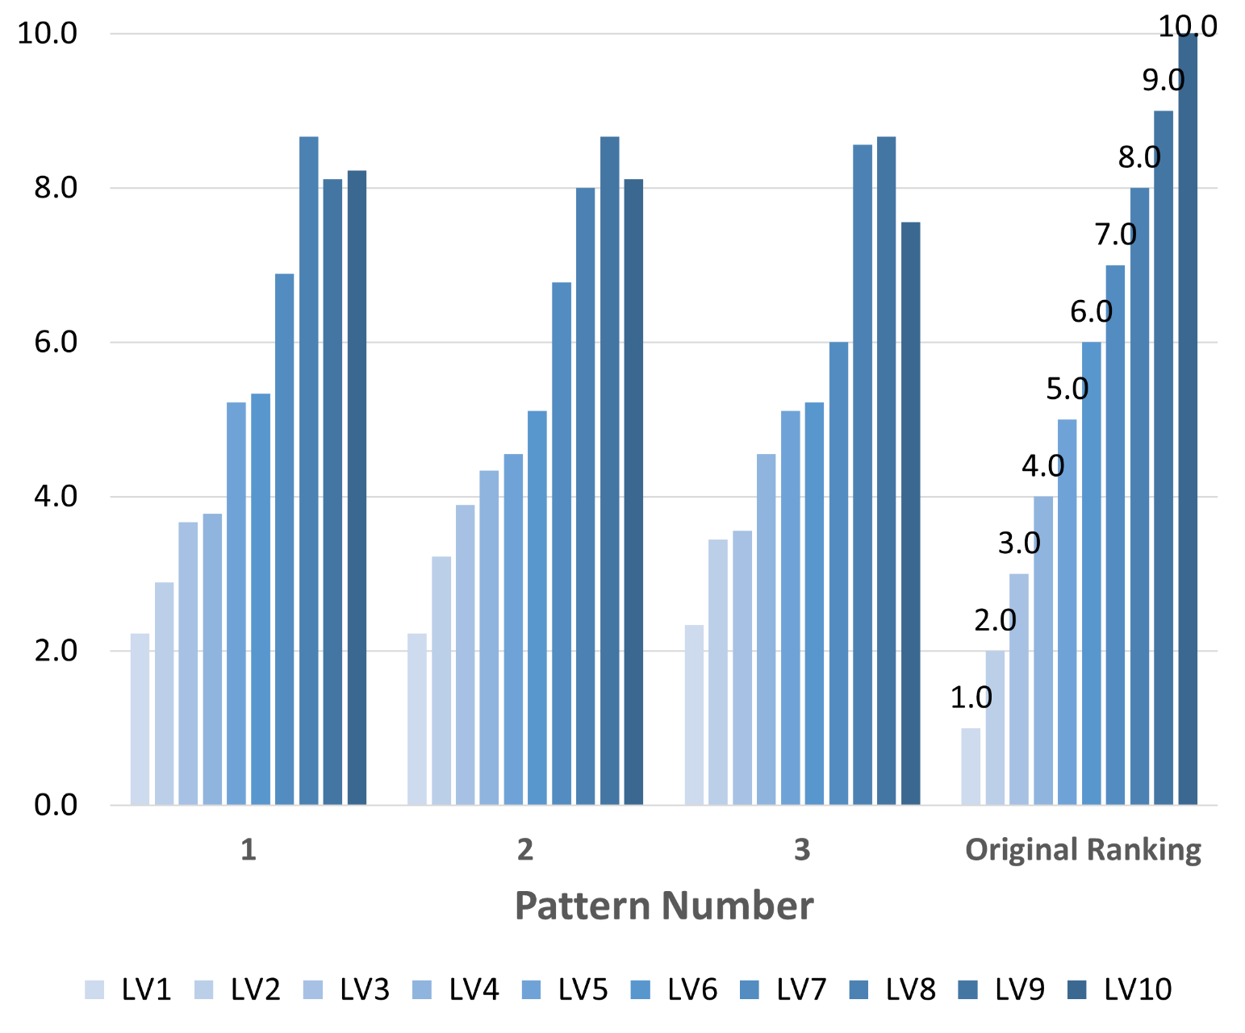
Row Labels | LV1 | LV2 | LV3 | LV4 | LV5 | LV6 | LV7 | LV8 | LV9 | LV10
1 | 2.22 | 2.89 | 3.67 | 3.78 | 5.22 | 5.33 | 6.89 | 8.67 | 8.11 | 8.22
2 | 2.22 | 3.22 | 3.89 | 4.33 | 4.56 | 5.11 | 6.78 | 8.00 | 8.67 | 8.11
3 | 2.33 | 3.44 | 3.56 | 4.56 | 5.11 | 5.22 | 6.00 | 8.56 | 8.67 | 7.56
Original Ranking | 1.00 | 2.00 | 3.00 | 4.00 | 5.00 | 6.00 | 7.00 | 8.00 | 9.00 | 10.00
Grand Total | 2.2 | 3.1 | 3.7 | 4.2 | 5.0 | 5.3 | 6.6 | 8.4 | 8.5 | 8.0

Complex Accuracy
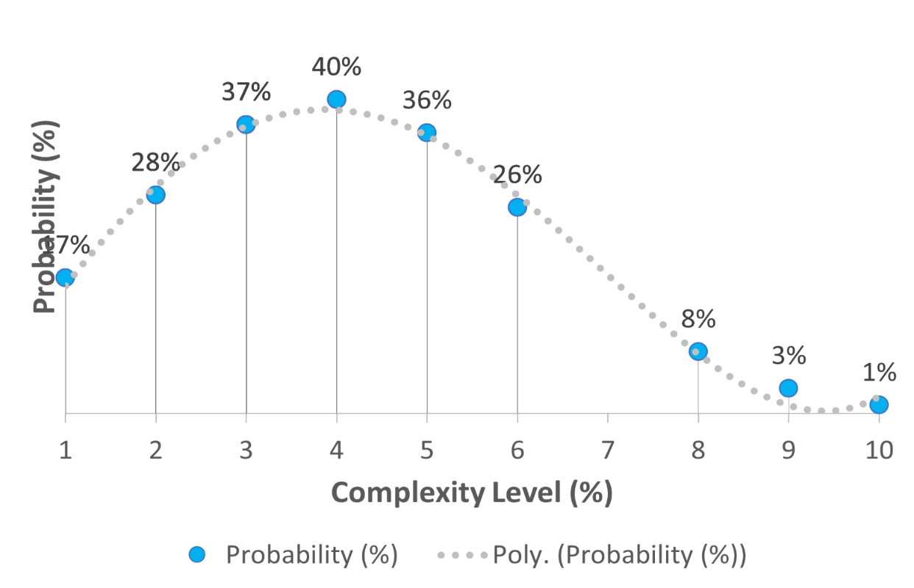
Row Labels | LV1 | LV2 | LV3 | LV4 | LV5 | LV6 | LV7 | LV8 | LV9 | LV10
1 | 2.2 | 2.9 | 3.7 | 3.8 | 5.2 | 5.3 | 6.9 | 8.7 | 8.1 | 8.2
2 | 2.2 | 3.2 | 3.9 | 4.3 | 4.6 | 5.1 | 6.8 | 8.0 | 8.7 | 8.1
3 | 2.3 | 3.4 | 3.6 | 4.6 | 5.1 | 5.2 | 6.0 | 8.6 | 8.7 | 7.6
Original Ranking | 1.0 | 2.0 | 3.0 | 4.0 | 5.0 | 6.0 | 7.0 | 8.0 | 9.0 | 10.0
Grand Total | 2.2 | 3.1 | 3.7 | 4.2 | 5.0 | 5.3 | 6.6 | 8.4 | 8.5 | 8.0

Table created to show scatter plot with SD per pattern when compared to the original ranking

Original Ranking | 1.0 | 2.0 | 3.0 | 4.0 | 5.0 | 6.0 | 7.0 | 8.0 | 9.0 | 10.0

Patterns | LV1 | LV2 | LV3 | LV4 | LV5 | LV6 | LV7 | LV8 | LV9 | LV10 | D1 | D2 | D3 | D4 | D5 | D6 | D7 | D8 | D9 | D10 | SD | Average SD
P1- participants | 2.2 | 2.9 | 3.7 | 3.8 | 5.2 | 5.3 | 6.9 | 8.7 | 8.1 | 8.2 | -1.2 | -0.9 | -0.7 | 0.2 | -0.2 | 0.7 | 0.1 | -0.7 | 0.9 | 1.8 | 0.9 | 1.0
P2- Participants | 2.2 | 3.2 | 3.9 | 4.3 | 4.6 | 5.1 | 6.8 | 8.0 | 8.7 | 8.1 | -1.2 | -1.2 | -0.9 | -0.3 | 0.4 | 0.9 | 0.2 | 0.0 | 0.3 | 1.9 | 0.9 | 1.0
P3- participants | 2.3 | 3.4 | 3.6 | 4.6 | 5.1 | 5.2 | 6.0 | 8.6 | 8.7 | 7.6 | -1.3 | -1.4 | -0.6 | -0.6 | -0.1 | 0.8 | 1.0 | -0.6 | 0.3 | 2.4 | 1.1 | 1.0
CICA Orig. Ranking | 1.0 | 2.0 | 3.0 | 4.0 | 5.0 | 6.0 | 7.0 | 8.0 | 9.0 | 10.0

ComplexLvChosen
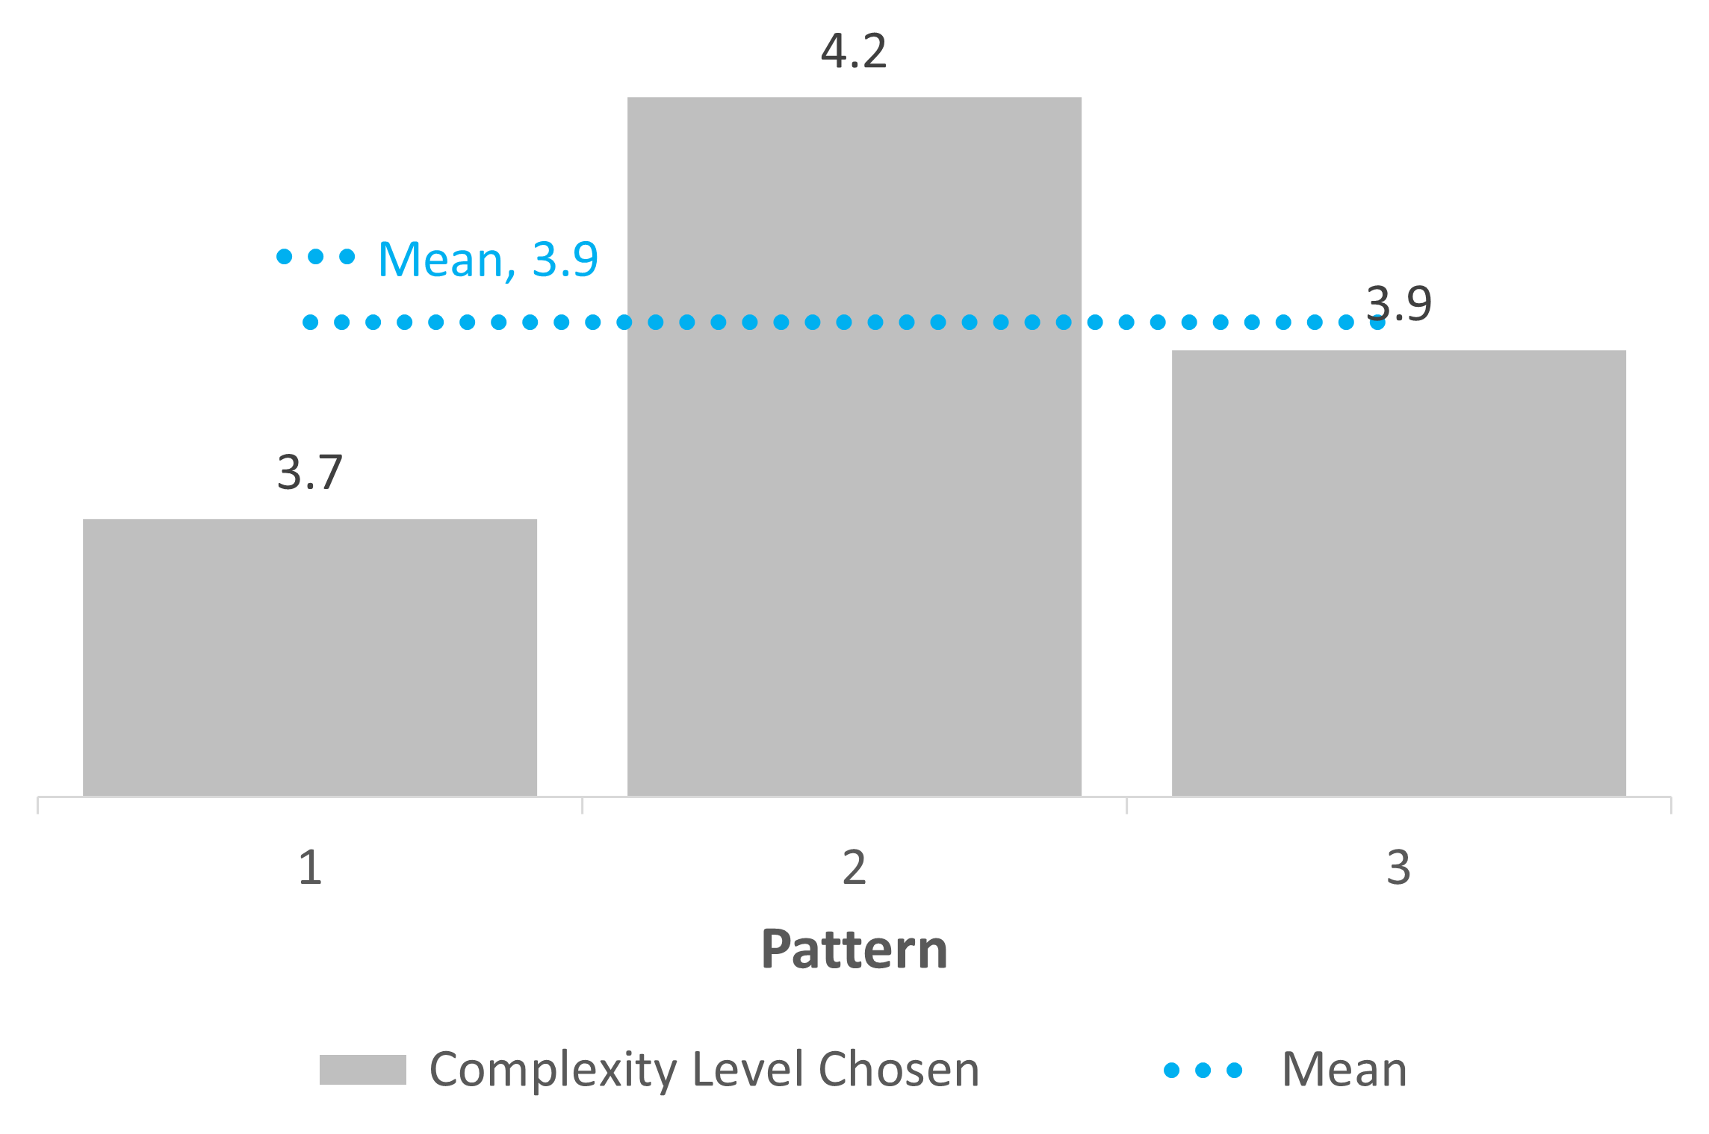
Row Labels | Complexity Score | Façade Variation | Mean Complexity Score
1 | 4.0 | 3.7 | 3.8
2 | 3.3 | 4.2 | 3.8
3 | 4.2 | 3.9 | 3.8
Grand Total | 3.82 | 3.93 | 3.8

 |  |  |  | Rate of improvement (%) in accuracy with VR simulation

ProbabilityGraph

 | Probability (%)
4.07 | 39%
3.38 | 37%
2.45 | 18%
3.10 | 32%
3.50 | 38%
6.05 | 5%
4.64 | 30%
3.50 | 38%
5.55 | 11%
4.07 | 39%
3.38 | 37%
2.45 | 18%
4.07 | 39%
2.76 | 25%
5.61 | 10%
4.75 | 27%
3.66 | 39%
3.80 | 40%
5.01 | 22%
3.38 | 37%
5.61 | 10%
2.17 | 12%
2.13 | 12%
2.45 | 18%
4.07 | 39%
3.67 | 40%
3.80 | 40%


 | Probability (%)
4.07 | 39%
3.38 | 37%
2.45 | 18%
3.10 | 32%
3.50 | 38%
6.05 | 5%
4.64 | 30%
3.50 | 38%
5.55 | 11%
4.07 | 39%
3.38 | 37%
2.45 | 18%
4.07 | 39%
2.76 | 25%
5.61 | 10%
4.75 | 27%
3.66 | 39%
3.80 | 40%
5.01 | 22%
3.38 | 37%
5.61 | 10%
2.17 | 12%
2.13 | 12%
2.45 | 18%
4.07 | 39%
3.67 | 40%
3.80 | 40%

SurveyTable
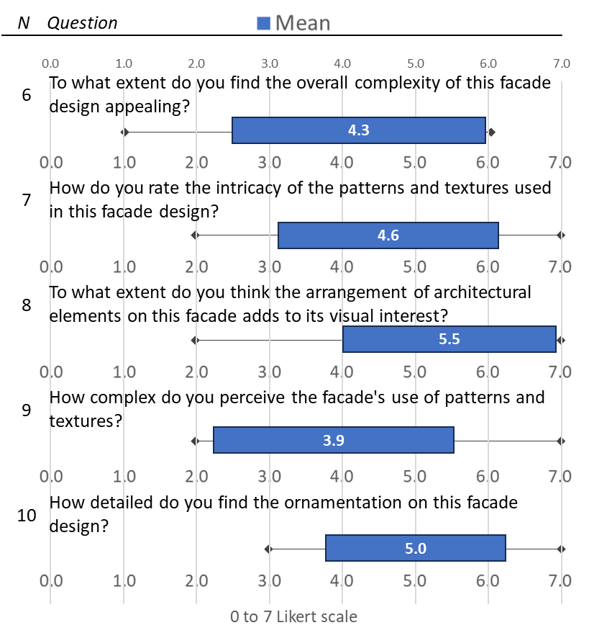
N | Question | Mean | SD | min | Max
6 | To what extent do you find the overall complexity of this facade design appealing? | 4.3 | 1.7 | 1 | 6
7 | How do you rate the intricacy of the patterns and textures used in this facade design? | 4.6 | 1.5 | 2 | 7
8 | To what extent do you think the arrangement of architectural elements on this facade adds to its visual interest? | 5.5 | 1.4 | 2 | 7
9 | How complex do you perceive the facade's use of patterns and textures? | 3.9 | 1.6 | 2 | 7
10 | How detailed do you find the ornamentation on this facade design? | 5.0 | 1.2 | 3 | 7
11 | How much do the combination of materials contribute to the overall complexity of the facade? | 4.9 | 1.5 | 3 | 7
12 | To what degree does the composition of the facade strike you as aesthetically intricate? | 4.9 | 1.8 | 2 | 7
13 | How much do you believe that the arrangement of shapes and forms on the facade contributes to its complexity? | 6.3 | 0.7 | 5 | 7
14 | How significantly does the use of color enhance the facade's visual complexity? | 5.1 | 1.5 | 2 | 7
15 | How much depth and layering do you observe in the design of this facade? | 4.3 | 1.9 | 2 | 7
Total |  | 4.9 | 1.5

Survey Graphs
Q1 | Count of Q1 | Q2 | Count of Q2
Computer engineer | 11.11% | a) None | 85.71%
Architect | 33.33% | c) 1-5 years | 14.29%
Mechanical Engineer | 11.11%
Mathematics | 11.11%
Marine biologist | 11.11%
Undergraduate Student | 22.22%

