Complexity Scores
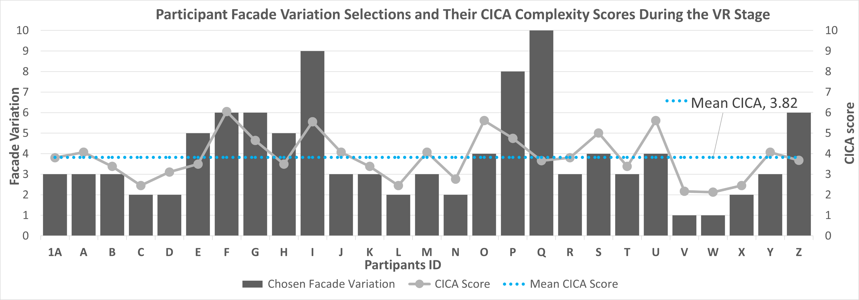
Table with average ranking from participants for façade variations

Pattern | LV1 | LV2 | LV3 | LV4 | LV5 | LV6 | LV7 | LV8 | LV9 | LV10
1 | 1.58 | 2.46 | 3.38 | 3.88 | 5.42 | 5.38 | 6.85 | 8.81 | 8.73 | 8.50
2 | 1.58 | 2.69 | 3.42 | 4.08 | 5.31 | 5.00 | 6.73 | 8.46 | 8.96 | 8.73
3 | 1.69 | 2.81 | 3.12 | 4.27 | 5.27 | 5.15 | 6.62 | 8.69 | 9.15 | 8.23
Grand Total | 1.62 | 2.65 | 3.31 | 4.08 | 5.33 | 5.18 | 6.73 | 8.65 | 8.95 | 8.49

Table average SD of ranking per pattern

 | Average SD
P1 | 1
P2 | 0.6
P3 | 1.1
Overall | 0.90

Table with CICA ranking and participant ranking extracted from their respective score |  |  |  |  |  |  |  |  |  |  | Graphs to check accuracy between CICA ranking and Participants ranking of facades variations per pattern
Comparative Analysis of Perceived Complexity vs. CICA Complexity Scores per Pattern
(a) Pattern 1
(b) Pattern 2
(c) Pattern 3
SD = 1.0
SD = 0.6
SD = 1.1
Comparative Analysis of Perceived Complexity vs. CICA Complexity Scores per Pattern
(a) Pattern 1
(b) Pattern 2
(c) Pattern 3
SD = 1.0
SD = 0.6
SD = 1.1
Façade ID | Pattern | Façade N | CICA score | Participant score | CICA ranking | Participant Ranking | Ranking SD | Average SD
P1-01 | Pattern1 | 1 | 2.1675370767 | 1.58 | 1 | 1 | 0 | 0.88
P1-02 | Pattern1 | 2 | 3.1046169384 | 2.46 | 2 | 2 | 0 | 0.88
P1-03 | Pattern1 | 3 | 4.0709468206 | 3.38 | 3 | 3 | 0 | 0.88
P1-04 | Pattern1 | 4 | 5.009634495 | 3.88 | 10 | 4 | 3 | 0.88
P1-05 | Pattern1 | 5 | 4.8155578021 | 5.42 | 8 | 6 | 1 | 0.88
P1-06 | Pattern1 | 6 | 4.6414756526 | 5.38 | 5 | 5 | 0 | 0.88
P1-07 | Pattern1 | 7 | 4.816937366 | 6.85 | 9 | 7 | 1 | 0.88
P1-08 | Pattern1 | 8 | 4.7471604313 | 8.81 | 6 | 10 | 2 | 0.88
P1-09 | Pattern1 | 9 | 4.7637043184 | 8.73 | 7 | 9 | 1 | 0.88
P1-10 | Pattern1 | 10 | 4.209892799 | 8.50 | 4 | 8 | 2 | 0.88
P2-01 | Pattern2 | 1 | 2.1269954638 | 1.58 | 1 | 1 | 0 | 0.88
P2-02 | Pattern2 | 2 | 2.7596209841 | 2.69 | 2 | 2 | 0 | 0.88
P2-03 | Pattern2 | 3 | 3.3810580167 | 3.42 | 3 | 3 | 0 | 0.88
P2-04 | Pattern2 | 4 | 3.7220473925 | 4.08 | 7 | 4 | 1.5 | 0.88
P2-05 | Pattern2 | 5 | 3.4953594781 | 5.31 | 4 | 6 | 1 | 0.88
P2-06 | Pattern2 | 6 | 3.6741751246 | 5.00 | 6 | 5 | 0.5 | 0.88
P2-07 | Pattern2 | 7 | 3.7748858103 | 6.73 | 8 | 7 | 0.5 | 0.88
P2-08 | Pattern2 | 8 | 3.9143774987 | 8.46 | 9 | 8 | 0.5 | 0.88
P2-09 | Pattern2 | 9 | 3.9802524146 | 8.96 | 10 | 10 | 0 | 0.88
P2-10 | Pattern2 | 10 | 3.6589860754 | 8.73 | 5 | 9 | 2 | 0.88
P3-01 | Pattern3 | 1 | 1.6370864345 | 1.69 | 1 | 1 | 0 | 0.88
P3-02 | Pattern3 | 2 | 2.4481410094 | 2.81 | 2 | 2 | 0 | 0.88
P3-03 | Pattern3 | 3 | 3.8040117433 | 3.12 | 3 | 3 | 0 | 0.88
P3-04 | Pattern3 | 4 | 5.6098050139 | 4.27 | 6 | 4 | 1 | 0.88
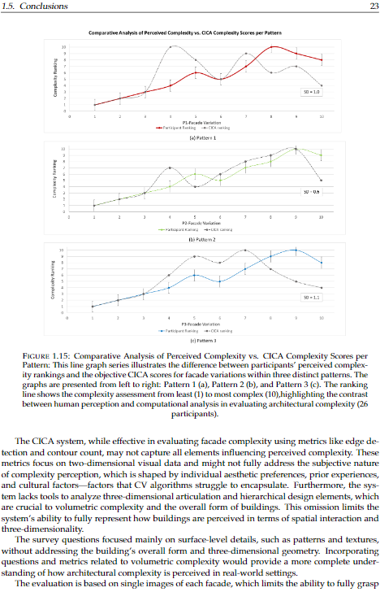
P3-05 | Pattern3 | 5 | 6.1141652622 | 5.27 | 9 | 6 | 1.5 | 0.88
P3-06 | Pattern3 | 6 | 6.0535753783 | 5.15 | 8 | 5 | 1.5 | 0.88
P3-07 | Pattern3 | 7 | 6.1751236847 | 6.62 | 10 | 7 | 1.5 | 0.88
P3-08 | Pattern3 | 8 | 5.8160472655 | 8.69 | 7 | 9 | 1 | 0.88
P3-09 | Pattern3 | 9 | 5.5513785928 | 9.15 | 5 | 10 | 2.5 | 0.88
P3-10 | Pattern3 | 10 | 4.1463703057 | 8.23 | 4 | 8 | 2 | 0.88

ComplexLvChosen
Comparison of Average Chosen Facade and CICA Scores by Pattern
Probability Distribution of Preferred CICA Scores Across Patterns
 | Probability CICA (%)
4.07 | 40%
3.38 | 34%
2.45 | 16%
3.10 | 29%
3.50 | 36%
6.05 | 10%
4.64 | 35%
3.50 | 36%
5.55 | 18%
4.07 | 40%
3.38 | 34%
2.45 | 16%
4.07 | 40%
2.76 | 22%
5.61 | 17%
4.75 | 34%
3.66 | 38%
3.80 | 39%
5.01 | 29%
3.38 | 34%
5.61 | 17%
2.17 | 12%
2.13 | 11%
2.45 | 16%
4.07 | 40%
3.67 | 38%
3.80 | 39%
4.82 | 33%
2.13 | 11%
6.18 | 8%
4.82 | 33%
3.66 | 38%
6.05 | 10%
4.07 | 40%
3.67 | 38%
3.80 | 39%
4.64 | 35%
2.13 | 11%
4.15 | 40%
4.64 | 35%
2.13 | 11%
6.05 | 10%
5.01 | 29%
3.50 | 36%
3.80 | 39%
3.10 | 29%
2.13 | 11%
2.45 | 16%
4.21 | 40%
3.38 | 34%
...
Pattern | Avg. Chosen Façade | Avg. CICA Score | Mean CICA Score
1 | 4.2 | 4.27 | 4.1
2 | 4.0 | 3.16 | 4.1
3 | 5.0 | 4.73 | 4.1
Grand Total | 4.4102564103 | 4.1 | 4.05

 |  | Façade variation | N repeats
Most Popular façade: |  | 3 | 17
 |  | 1 | 7
 |  | 2 | 11
 |  | 3 | 17
 |  | 4 | 11
 |  | 5 | 6
 |  | 6 | 14
 |  | 7 | 3
 |  | 8 | 2
 |  | 9 | 1
 |  | 10 | 6

Gender ratio |  | Female | 39
 |  | Male | 39

 | Probability (%)
4.07 | 40%
3.38 | 34%
2.45 | 16%
3.10 | 29%
3.50 | 36%
6.05 | 10%
4.64 | 35%
3.50 | 36%
5.55 | 18%
4.07 | 40%
3.38 | 34%
2.45 | 16%
4.07 | 40%
2.76 | 22%
5.61 | 17%
4.75 | 34%
3.66 | 38%
3.80 | 39%
5.01 | 29%
3.38 | 34%
5.61 | 17%
2.17 | 12%
2.13 | 11%
2.45 | 16%
4.07 | 40%
3.67 | 38%
3.80 | 39%
4.82 | 33%
2.13 | 11%
6.18 | 8%
4.82 | 33%
3.66 | 38%
6.05 | 10%
4.07 | 40%
3.67 | 38%
3.80 | 39%
4.64 | 35%
2.13 | 11%
4.15 | 40%
4.64 | 35%
2.13 | 11%
6.05 | 10%
5.01 | 29%
3.50 | 36%
3.80 | 39%
3.10 | 29%
2.13 | 11%
2.45 | 16%
4.21 | 40%
3.38 | 34%
...
 | Birth Year | gender | Age in years
 | 1999 | Female | 24
 | 1992 | Male | 31
 | 2001 | Female | 22
 | 1998 | Male | 25
 | 1992 | Female | 31
 | 2001 | Female | 22
 | 1997 | Female | 26
 | 1999 | Male | 24
 | 2000 | Male | 23
 | 1999 | Male | 24
 | 1998 | Male | 25
 | 1998 | Female | 25
 | 1993 | Female | 30
 | 1995 | female | 28
 | 2001 | Female | 22
 | 2001 | Male | 22
 | 1999 | Male | 24
 | 2005 | Male | 18
 | 1999 | Female | 24
 | 2002 | Male | 21
 | 2002 | Male | 21
 | 1999 | Female | 24
 | 1992 | Female | 31
 | 1999 | Male | 24
 | 2001 | Female | 22

 | 1A
 | 1B
 | 1C
 | 1D
 | 1E
 | 1F
 | 1G
 | 1H
 | 1I
 | 1J
 | 1K
 | 1L
 | 1M
 | 1N
 | 1O
 | 1P
 | 1Q
 | 1R
 | 1S
 | 1T
 | 1U
 | 1V
 | 1W
 | 1X
 | 1Y
 | 1Z
 | 2A
 | 2B
 | 2C
 | 2D
 | 2E
 | 2F
 | 2G
 | 2H
 | 2I
 | 2J
 | 2K
 | 2L
 | 2M
 | 2N
 | 2O
 | 2P
 | 2Q
 | 2R
 | 2S
 | 2T
 | 2U
 | 2V
 | 2W
 | 2X
 | 2Y
 | 2Z
 | 3A
 | 3B
 | 3C
 | 3D
 | 3E
 | 3F
 | 3G
 | 3H
 | 3I
 | 3J
 | 3K
 | 3L
 | 3M
 | 3N
 | 3O
 | 3P
 | 3Q
 | 3R
 | 3S
 | 3T
 | 3U
 | 3V
 | 3W
 | 3X
 | 3Y
 | 3Z

Survey Graphs
Q1 | Count of Q1 | Q2 | Count of Q2
Computer engineer | 3.85% | a) None | 80.00%
Architect | 23.08% | c) 1-5 years | 12.00%
Mechanical Engineer | 3.85% | b) Less than 1 year | 8.00%
Mathematics | 3.85%
Undergraduate Student | 11.54%
Industrial Designer | 3.85%
Aerospace Engineer | 3.85%
Graduate Student | 30.77%
Biologist | 11.54%
Civil engineer | 3.85%

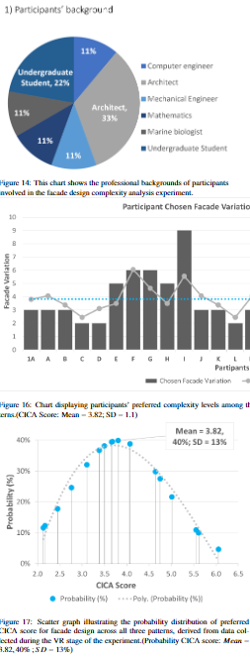
Participants' Background
Participants' Years of professional experience in Facade Design

ComplexityLvChosenParticipant
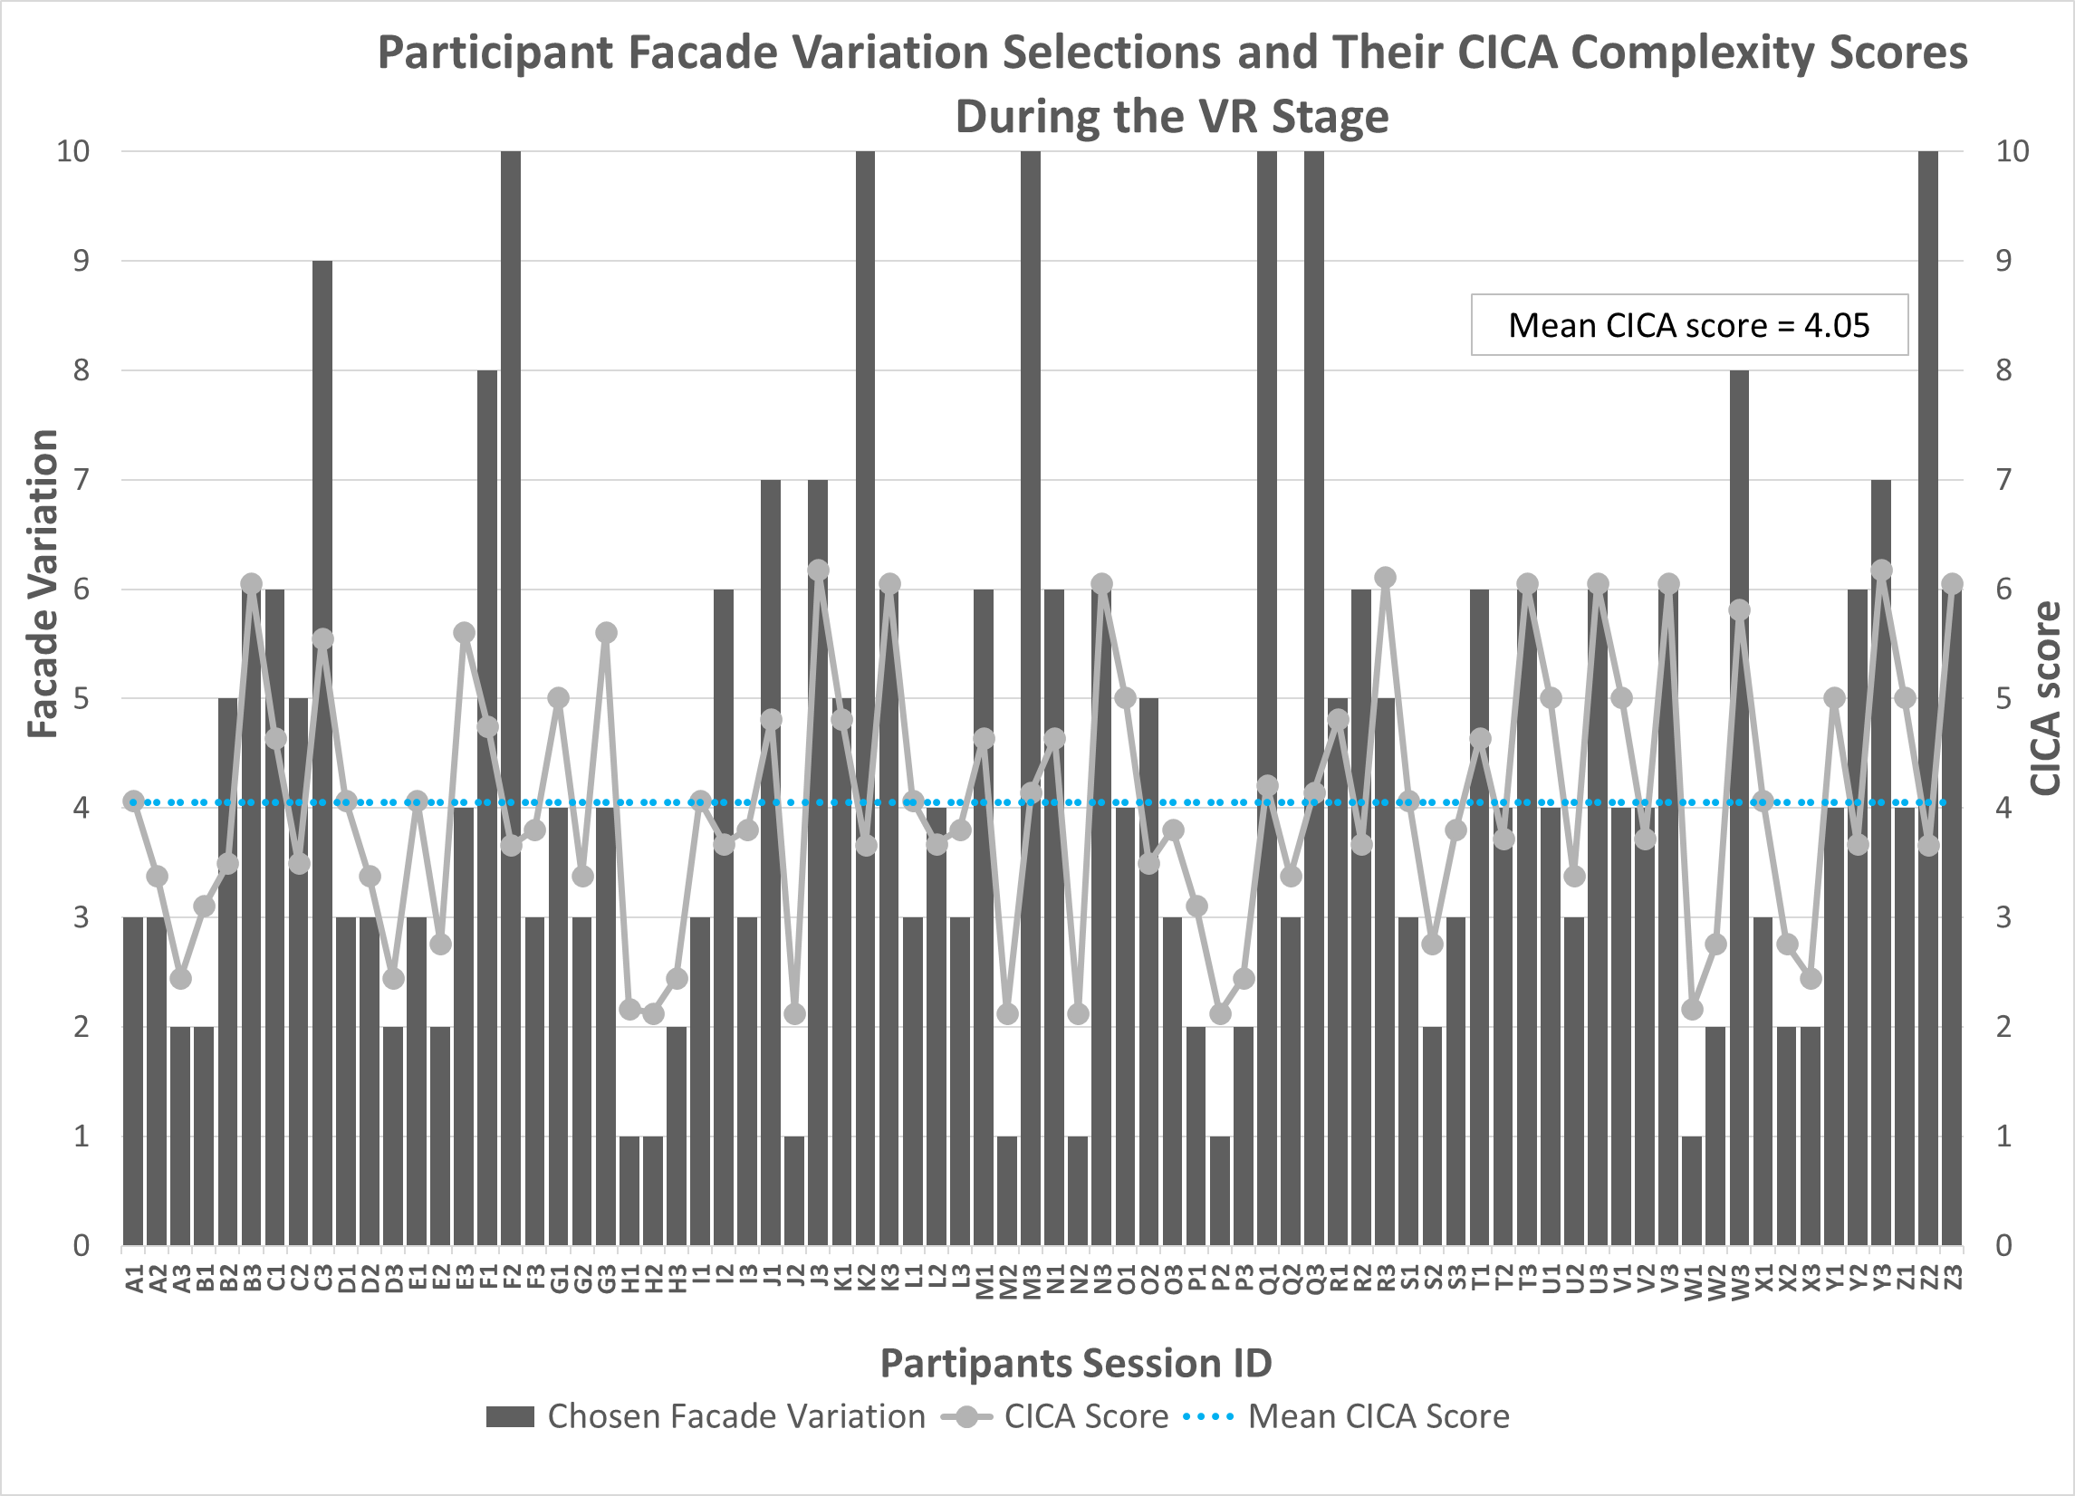
Patern | (All)

Row Labels | Chosen Facade Variation | CICA Score | Mean CICA Score
A1 | 3 | 4.07 | 4.05
A2 | 3 | 3.38 | 4.05
A3 | 2 | 2.45 | 4.05
B1 | 2 | 3.10 | 4.05
B2 | 5 | 3.50 | 4.05
B3 | 6 | 6.05 | 4.05
C1 | 6 | 4.64 | 4.05
C2 | 5 | 3.50 | 4.05
C3 | 9 | 5.55 | 4.05
D1 | 3 | 4.07 | 4.05
D2 | 3 | 3.38 | 4.05
D3 | 2 | 2.45 | 4.05
E1 | 3 | 4.07 | 4.05
E2 | 2 | 2.76 | 4.05
E3 | 4 | 5.61 | 4.05
F1 | 8 | 4.75 | 4.05
F2 | 10 | 3.66 | 4.05
F3 | 3 | 3.80 | 4.05
G1 | 4 | 5.01 | 4.05
G2 | 3 | 3.38 | 4.05
 | CICA Score | Mean
A1 | 4.07 | 4.1
A2 | 3.38 | 4.1
A3 | 2.45 | 4.1
B1 | 3.10 | 4.1
B2 | 3.50 | 4.1
B3 | 6.05 | 4.1
C1 | 4.64 | 4.1
C2 | 3.50 | 4.1
C3 | 5.55 | 4.1
D1 | 4.07 | 4.1
D2 | 3.38 | 4.1
D3 | 2.45 | 4.1
E1 | 4.07 | 4.1
E2 | 2.76 | 4.1
E3 | 5.61 | 4.1
F1 | 4.75 | 4.1
F2 | 3.66 | 4.1
F3 | 3.80 | 4.1
G1 | 5.01 | 4.1
G2 | 3.38 | 4.1
G3 | 5.61 | 4.1
H1 | 2.17 | 4.1
H2 | 2.13 | 4.1
H3 | 2.45 | 4.1
I1 | 4.07 | 4.1
I2 | 3.67 | 4.1
I3 | 3.80 | 4.1
J1 | 4.82 | 4.1
J2 | 2.13 | 4.1
J3 | 6.18 | 4.1
K1 | 4.82 | 4.1
K2 | 3.66 | 4.1
K3 | 6.05 | 4.1
L1 | 4.07 | 4.1
L2 | 3.67 | 4.1
L3 | 3.80 | 4.1
M1 | 4.64 | 4.1
M2 | 2.13 | 4.1
M3 | 4.15 | 4.1
N1 | 4.64 | 4.1
N2 | 2.13 | 4.1
N3 | 6.05 | 4.1
O1 | 5.01 | 4.1
O2 | 3.50 | 4.1
O3 | 3.80 | 4.1
P1 | 3.10 | 4.1
P2 | 2.13 | 4.1
P3 | 2.45 | 4.1
Q1 | 4.21 | 4.1
Q2 | 3.38 | 4.1
...
G3 | 4 | 5.61 | 4.05
H1 | 1 | 2.17 | 4.05
H2 | 1 | 2.13 | 4.05
H3 | 2 | 2.45 | 4.05
I1 | 3 | 4.07 | 4.05
I2 | 6 | 3.67 | 4.05
I3 | 3 | 3.80 | 4.05
J1 | 7 | 4.82 | 4.05
J2 | 1 | 2.13 | 4.05
J3 | 7 | 6.18 | 4.05
K1 | 5 | 4.82 | 4.05
K2 | 10 | 3.66 | 4.05
Participant Facade Variation Selections and Their CICA Complexity Scores During the VR Stage
K3 | 6 | 6.05 | 4.05
L1 | 3 | 4.07 | 4.05
L2 | 4 | 3.67 | 4.05
Mean CICA score = 4.05
L3 | 3 | 3.80 | 4.05
M1 | 6 | 4.64 | 4.05
M2 | 1 | 2.13 | 4.05
M3 | 10 | 4.15 | 4.05
N1 | 6 | 4.64 | 4.05
N2 | 1 | 2.13 | 4.05
N3 | 6 | 6.05 | 4.05
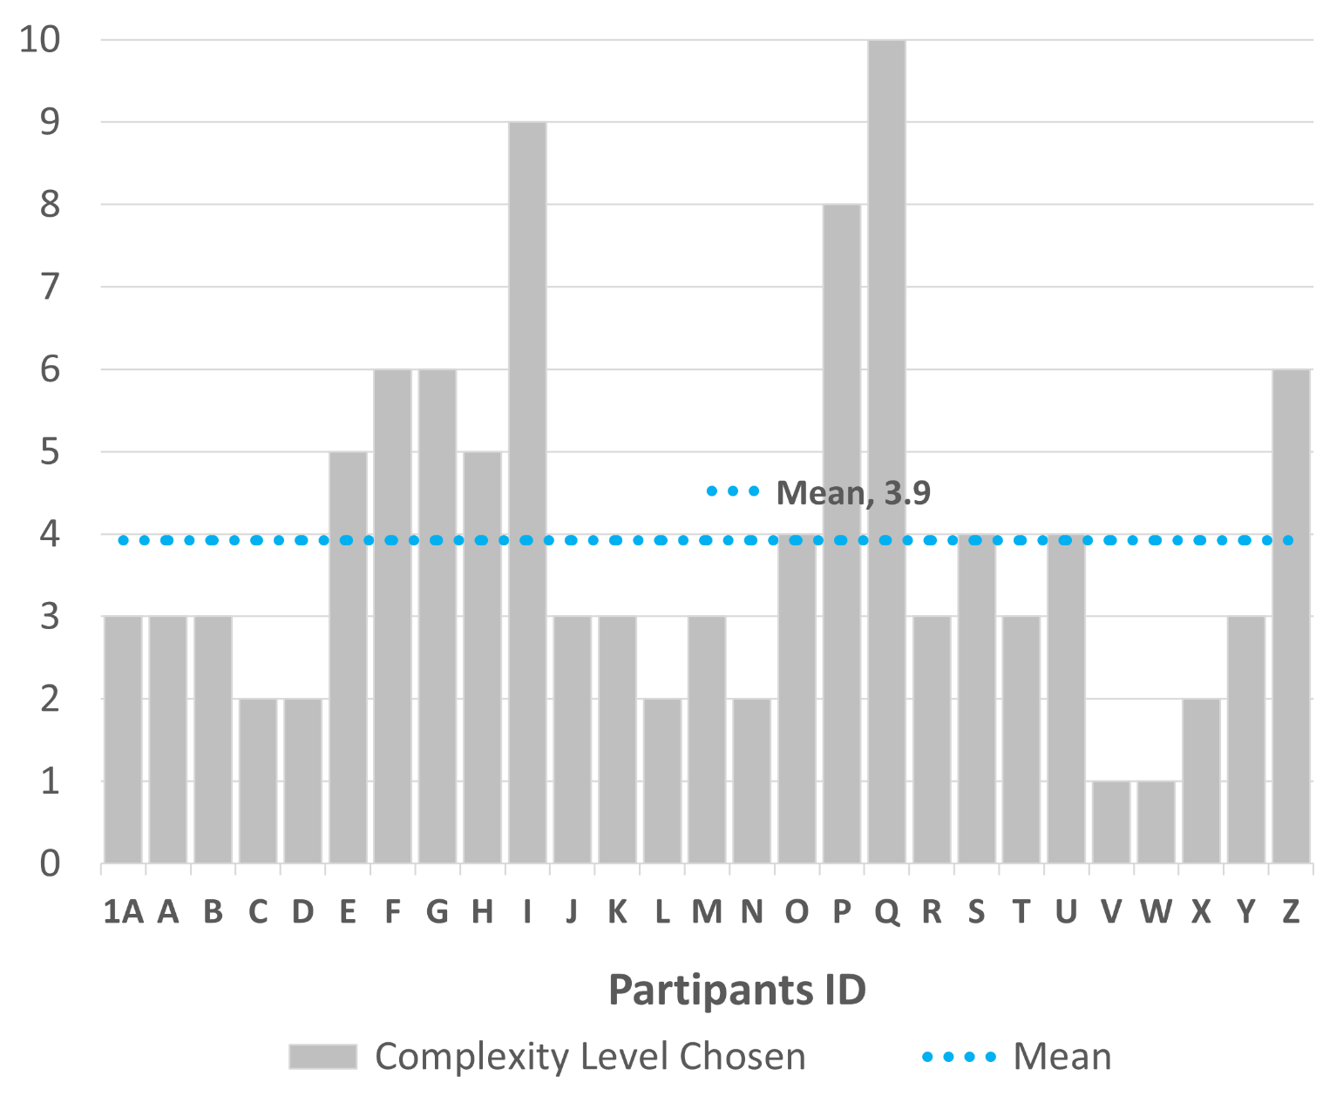
O1 | 4 | 5.01 | 4.05
O2 | 5 | 3.50 | 4.05
O3 | 3 | 3.80 | 4.05
P1 | 2 | 3.10 | 4.05
P2 | 1 | 2.13 | 4.05
P3 | 2 | 2.45 | 4.05
Q1 | 10 | 4.21 | 4.05
Q2 | 3 | 3.38 | 4.05
Q3 | 10 | 4.15 | 4.05
R1 | 5 | 4.82 | 4.05
R2 | 6 | 3.67 | 4.05
R3 | 5 | 6.11 | 4.05
S1 | 3 | 4.07 | 4.05
S2 | 2 | 2.76 | 4.05
S3 | 3 | 3.80 | 4.05
T1 | 6 | 4.64 | 4.05
T2 | 4 | 3.72 | 4.05
T3 | 6 | 6.05 | 4.05
U1 | 4 | 5.01 | 4.05
U2 | 3 | 3.38 | 4.05
Participant Facade Variation Selections and Their CICA Complexity Scores During the VR Stage
U3 | 6 | 6.05 | 4.05
V1 | 4 | 5.01 | 4.05
V2 | 4 | 3.72 | 4.05
V3 | 6 | 6.05 | 4.05
W1 | 1 | 2.17 | 4.05
W2 | 2 | 2.76 | 4.05
W3 | 8 | 5.82 | 4.05
X1 | 3 | 4.07 | 4.05
X2 | 2 | 2.76 | 4.05
X3 | 2 | 2.45 | 4.05
Mean CICA score = 4.05
Y1 | 4 | 5.01 | 4.05
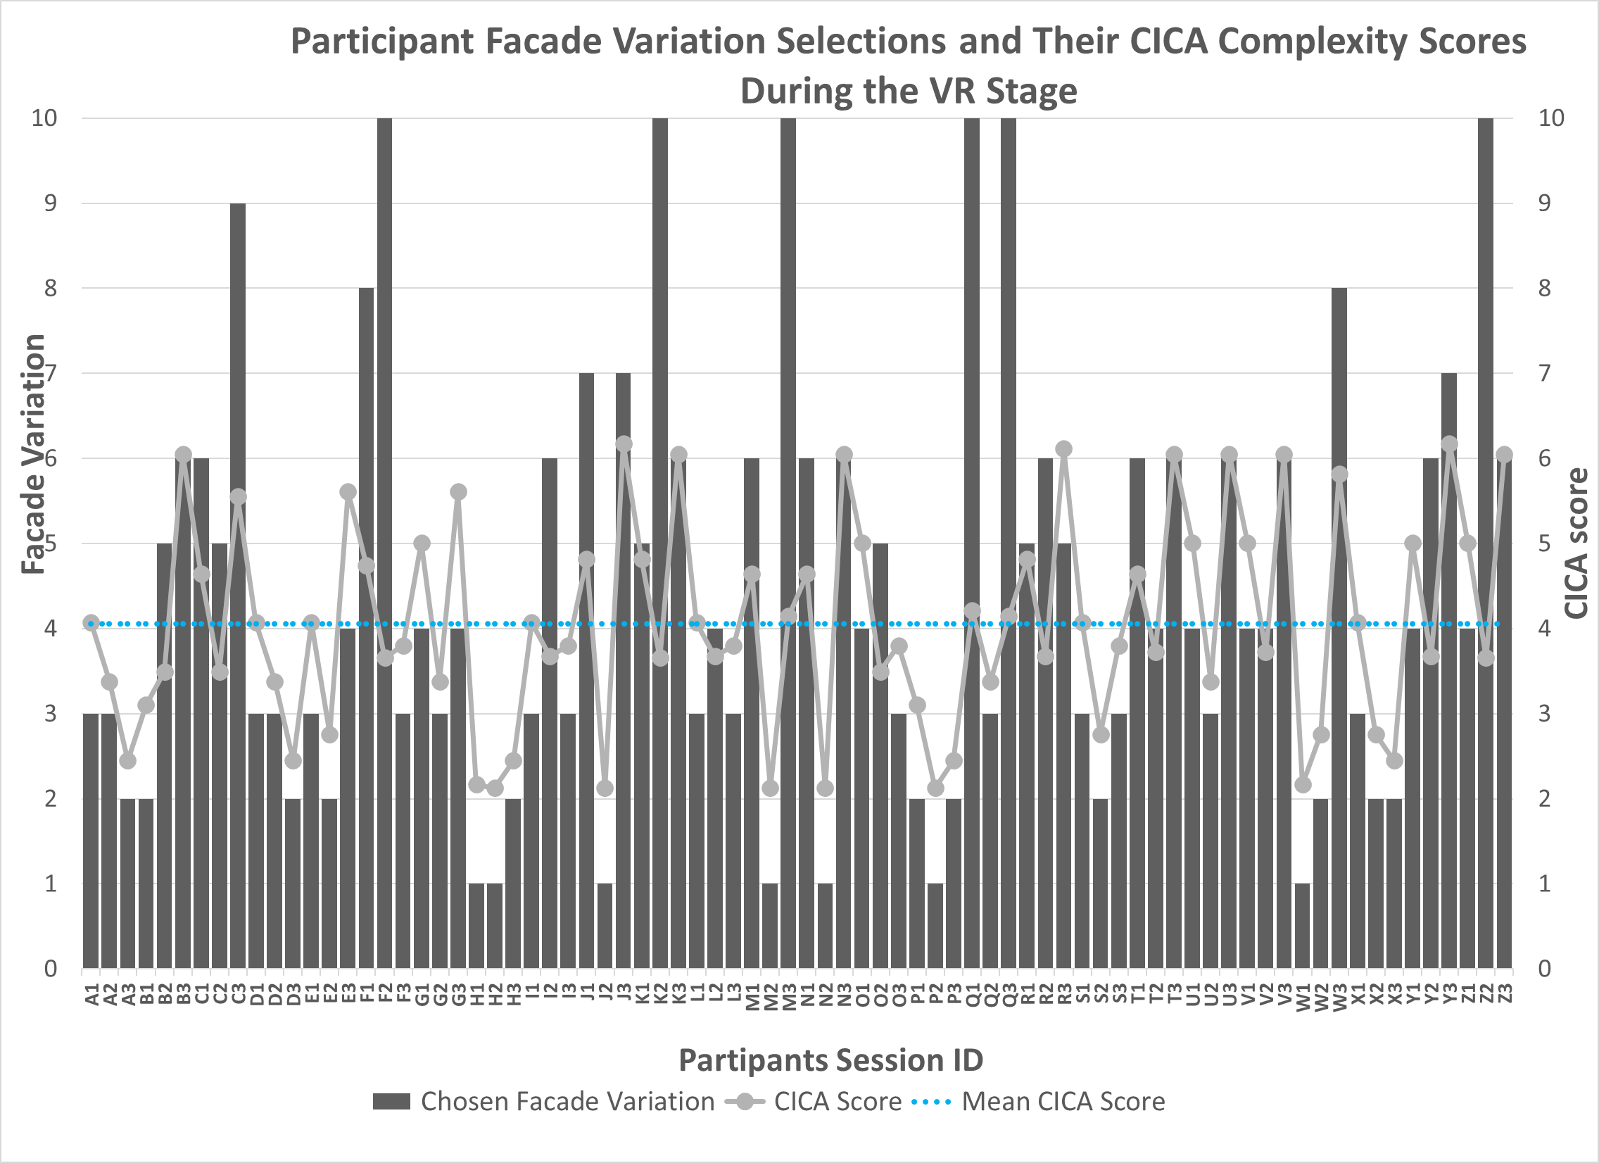
Y2 | 6 | 3.67 | 4.05
Y3 | 7 | 6.18 | 4.05
Z1 | 4 | 5.01 | 4.05
Z2 | 10 | 3.66 | 4.05
Z3 | 6 | 6.05 | 4.05
Grand Total | 344 | 316.23 | 4.05

ProbabilityGraph

 | Probability (%)
4.07 | 40%
3.38 | 34%
2.45 | 16%
3.10 | 29%
3.50 | 36%
6.05 | 10%
4.64 | 35%
3.50 | 36%
5.55 | 18%
4.07 | 40%
3.38 | 34%
2.45 | 16%
4.07 | 40%
2.76 | 22%
5.61 | 17%
4.75 | 34%
3.66 | 38%
3.80 | 39%
5.01 | 29%
3.38 | 34%
5.61 | 17%
2.17 | 12%
2.13 | 11%
2.45 | 16%
4.07 | 40%
3.67 | 38%
3.80 | 39%
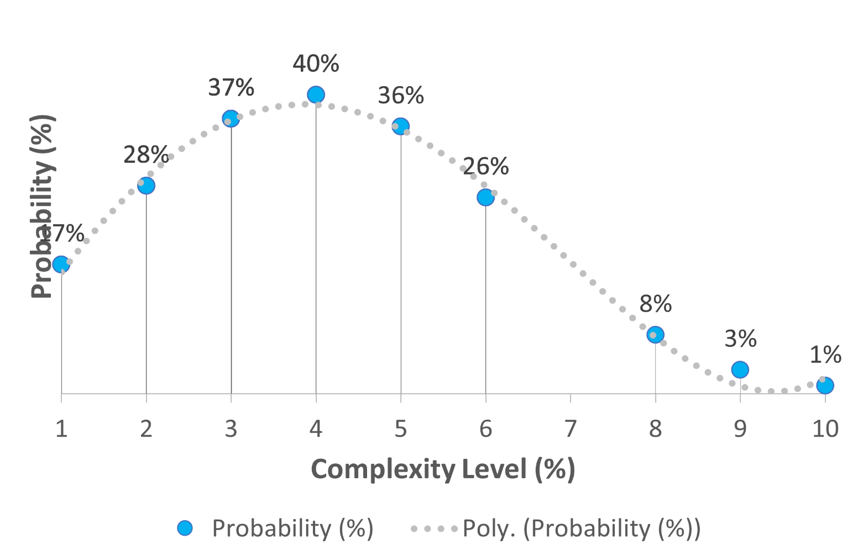

 | Probability (%)
4.07 | 40%
3.38 | 34%
2.45 | 16%
3.10 | 29%
3.50 | 36%
6.05 | 10%
4.64 | 35%
3.50 | 36%
5.55 | 18%
4.07 | 40%
3.38 | 34%
2.45 | 16%
4.07 | 40%
2.76 | 22%
5.61 | 17%
4.75 | 34%
3.66 | 38%
3.80 | 39%
5.01 | 29%
3.38 | 34%
5.61 | 17%
2.17 | 12%
2.13 | 11%
2.45 | 16%
4.07 | 40%
3.67 | 38%
3.80 | 39%

SurveyTable
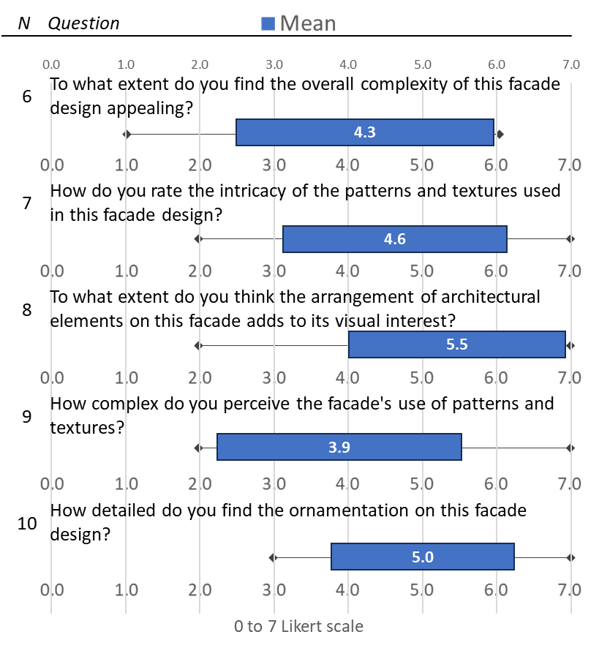
N | Question | Mean | SD | min | Max
6 | To what extent do you find the overall complexity of this facade design appealing? | 4.8 | 1.4 | 1 | 7
7 | How do you rate the intricacy of the patterns and textures used in this facade design? | 5.0 | 1.4 | 2 | 7
8 | To what extent do you think the arrangement of architectural elements on this facade adds to its visual interest? | 5.8 | 1.3 | 2 | 7
9 | How complex do you perceive the facade's use of patterns and textures? | 4.7 | 1.4 | 2 | 7
10 | How detailed do you find the ornamentation on this facade design? | 5.0 | 1.3 | 2 | 7
11 | How much do the combination of materials contribute to the overall complexity of the facade? | 5.4 | 1.4 | 2 | 7
12 | To what degree does the composition of the facade strike you as aesthetically intricate? | 5.2 | 1.3 | 2 | 7
13 | How much do you believe that the arrangement of shapes and forms on the facade contributes to its complexity? | 6.3 | 0.7 | 5 | 7
14 | How significantly does the use of color enhance the facade's visual complexity? | 5.1 | 1.5 | 2 | 7
15 | How much depth and layering do you observe in the design of this facade? | 4.6 | 1.6 | 1 | 7
Total |  | 5.2 | 1.3

Include min and max as extrem of middle line and box size to show the extent of standard deviation.

Complex Perception per Lv
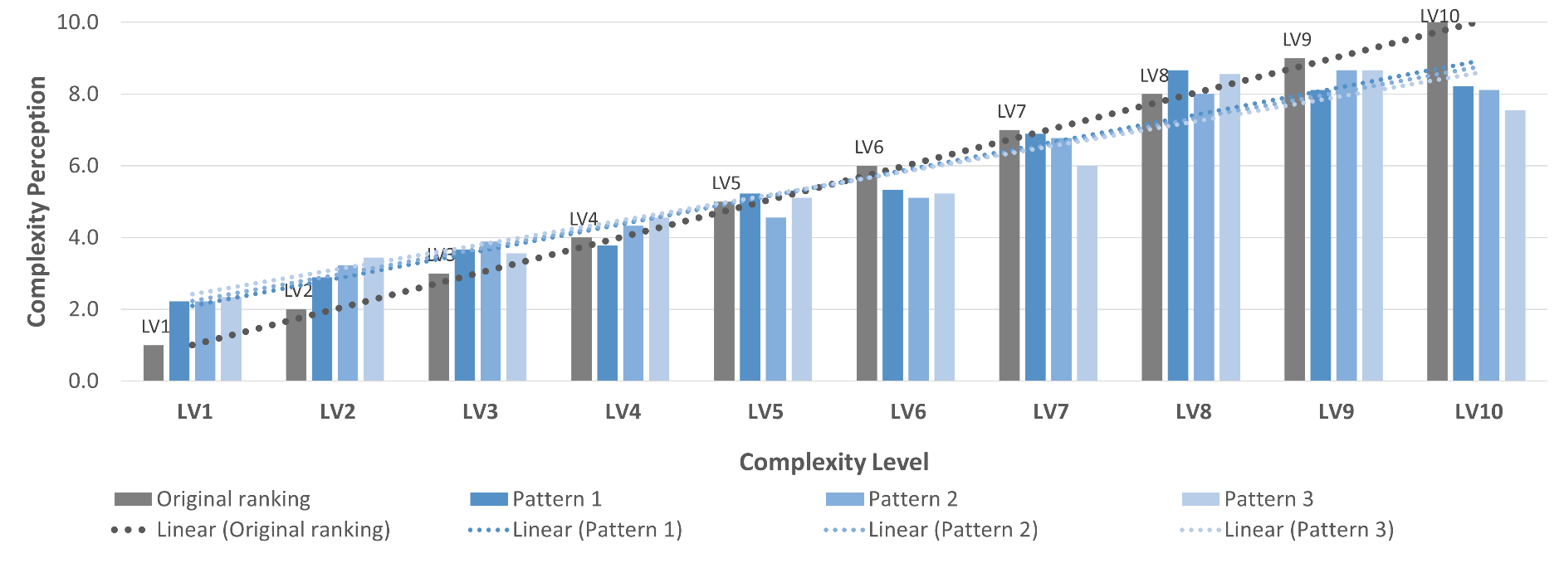
 | Column Labels
Complexity level | Original ranking | Pattern 1 | Pattern 2 | Pattern 3 | Grand Total
LV1 | 1 | 1.6 | 1.6 | 1.7 | 1.6
LV2 | 2 | 2.5 | 2.7 | 2.8 | 2.6
LV3 | 3 | 3.4 | 3.4 | 3.1 | 3.3
LV4 | 4 | 3.9 | 4.1 | 4.3 | 4.1
LV5 | 5 | 5.4 | 5.3 | 5.3 | 5.3
LV6 | 6 | 5.4 | 5.0 | 5.2 | 5.2
LV7 | 7 | 6.8 | 6.7 | 6.6 | 6.7
LV8 | 8 | 8.8 | 8.5 | 8.7 | 8.6
LV9 | 9 | 8.7 | 9.0 | 9.2 | 8.9
LV10 | 10 | 8.5 | 8.7 | 8.2 | 8.5

 |  |  |  |  |  | Rate of improvement (%) in accuracy with VR simulation

Complex Perception per Pattern
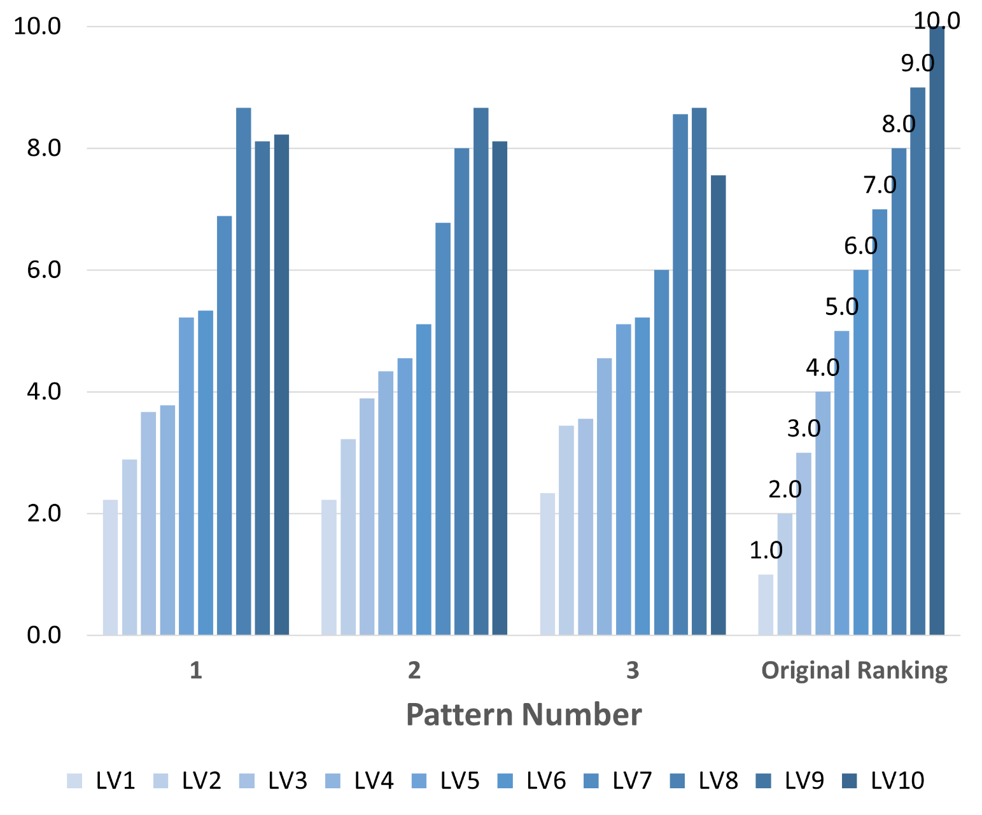
Row Labels | LV1 | LV2 | LV3 | LV4 | LV5 | LV6 | LV7 | LV8 | LV9 | LV10
1 | 1.58 | 2.46 | 3.38 | 3.88 | 5.42 | 5.38 | 6.85 | 8.81 | 8.73 | 8.50
2 | 1.58 | 2.69 | 3.42 | 4.08 | 5.31 | 5.00 | 6.73 | 8.46 | 8.96 | 8.73
3 | 1.69 | 2.81 | 3.12 | 4.27 | 5.27 | 5.15 | 6.62 | 8.69 | 9.15 | 8.23
Original Ranking | 1.00 | 2.00 | 3.00 | 4.00 | 5.00 | 6.00 | 7.00 | 8.00 | 9.00 | 10.00
Grand Total | 1.6 | 2.6 | 3.3 | 4.1 | 5.3 | 5.2 | 6.7 | 8.6 | 8.9 | 8.5

