Complexity Scores
Table with average ranking from participants for façade variations

Pattern | LV1 | LV2 | LV3 | LV4 | LV5 | LV6 | LV7 | LV8 | LV9 | LV10
1 | 2.2 | 2.9 | 3.7 | 3.8 | 5.2 | 5.3 | 6.9 | 8.7 | 8.1 | 8.2
2 | 2.2 | 3.2 | 3.9 | 4.3 | 4.6 | 5.1 | 6.8 | 8.0 | 8.7 | 8.1
3 | 2.3 | 3.4 | 3.6 | 4.6 | 5.1 | 5.2 | 6.0 | 8.6 | 8.7 | 7.6
Grand Total | 2.3 | 3.2 | 3.7 | 4.2 | 5.0 | 5.2 | 6.6 | 8.4 | 8.5 | 8.0

Table with CICA ranking and participant ranking extracted from their respective score |  |  |  |  |  |  |  |  |  |  | Graphs to check accuracy between CICA ranking and Participants ranking of facades variations per pattern

Façade ID | Pattern | Façade N | CICA score | Participant score | CICA ranking | Participant Ranking | Ranking SD | Average SD
P1-01 | Pattern1 | 1 | 2.1675370767 | 2.22 | 1 | 1 | 0 | 0.93
P1-02 | Pattern1 | 2 | 3.1046169384 | 2.89 | 2 | 2 | 0 | 0.93
P1-03 | Pattern1 | 3 | 4.0709468206 | 3.67 | 3 | 3 | 0 | 0.93
P1-04 | Pattern1 | 4 | 5.009634495 | 3.78 | 10 | 4 | 3 | 0.93
P1-05 | Pattern1 | 5 | 4.8155578021 | 5.22 | 8 | 5 | 1.5 | 0.93
P1-06 | Pattern1 | 6 | 4.6414756526 | 5.33 | 5 | 6 | 0.5 | 0.93
P1-07 | Pattern1 | 7 | 4.816937366 | 6.89 | 9 | 7 | 1 | 0.93
P1-08 | Pattern1 | 8 | 4.7471604313 | 8.67 | 6 | 10 | 2 | 0.93
P1-09 | Pattern1 | 9 | 4.7637043184 | 8.11 | 7 | 8 | 0.5 | 0.93
P1-10 | Pattern1 | 10 | 4.209892799 | 8.22 | 4 | 9 | 2.5 | 0.93
P2-01 | Pattern2 | 1 | 2.1269954638 | 2.22 | 1 | 1 | 0 | 0.93
P2-02 | Pattern2 | 2 | 2.7596209841 | 3.22 | 2 | 2 | 0 | 0.93
P2-03 | Pattern2 | 3 | 3.3810580167 | 3.89 | 3 | 3 | 0 | 0.93
P2-04 | Pattern2 | 4 | 3.7220473925 | 4.33 | 7 | 4 | 1.5 | 0.93
P2-05 | Pattern2 | 5 | 3.4953594781 | 4.56 | 4 | 5 | 0.5 | 0.93
P2-06 | Pattern2 | 6 | 3.6741751246 | 5.11 | 6 | 6 | 0 | 0.93
P2-07 | Pattern2 | 7 | 3.7748858103 | 6.78 | 8 | 7 | 0.5 | 0.93
P2-08 | Pattern2 | 8 | 3.9143774987 | 8.00 | 9 | 8 | 0.5 | 0.93
P2-09 | Pattern2 | 9 | 3.9802524146 | 8.67 | 10 | 10 | 0 | 0.93
P2-10 | Pattern2 | 10 | 3.6589860754 | 8.11 | 5 | 9 | 2 | 0.93
P3-01 | Pattern3 | 1 | 1.6370864345 | 2.33 | 1 | 1 | 0 | 0.93
P3-02 | Pattern3 | 2 | 2.4481410094 | 3.44 | 2 | 2 | 0 | 0.93
P3-03 | Pattern3 | 3 | 3.8040117433 | 3.56 | 3 | 3 | 0 | 0.93
P3-04 | Pattern3 | 4 | 5.6098050139 | 4.56 | 6 | 4 | 1 | 0.93
P3-05 | Pattern3 | 5 | 6.1141652622 | 5.11 | 9 | 5 | 2 | 0.93
P3-06 | Pattern3 | 6 | 6.0535753783 | 5.22 | 8 | 6 | 1 | 0.93
P3-07 | Pattern3 | 7 | 6.1751236847 | 6.00 | 10 | 7 | 1.5 | 0.93
P3-08 | Pattern3 | 8 | 5.8160472655 | 8.56 | 7 | 9 | 1 | 0.93
P3-09 | Pattern3 | 9 | 5.5513785928 | 8.67 | 5 | 10 | 2.5 | 0.93
P3-010 | Pattern3 | 10 | 4.1463703057 | 7.56 | 4 | 8 | 2 | 0.93

ComplexLvChosen
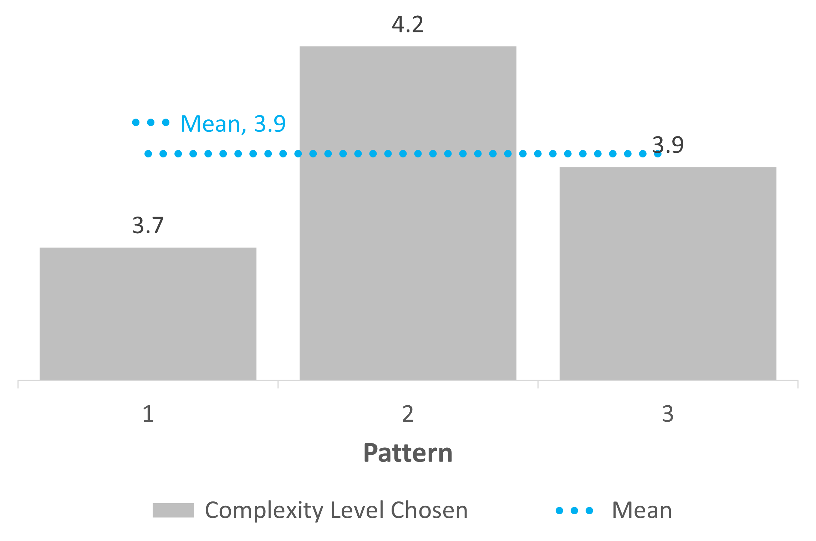
Pattern | Avg. Chosen Façade | Avg. CICA Score | Mean CICA Score
1 | 3.7 | 4.0 | 3.8
2 | 4.2 | 3.3 | 3.8
3 | 3.9 | 4.2 | 3.8
Grand Total | 3.9259259259 | 3.8179590016 | 3.8

 |  |  |  | Rate of improvement (%) in accuracy with VR simulation

ComplexityLvChosenParticipant
Patern | (All)

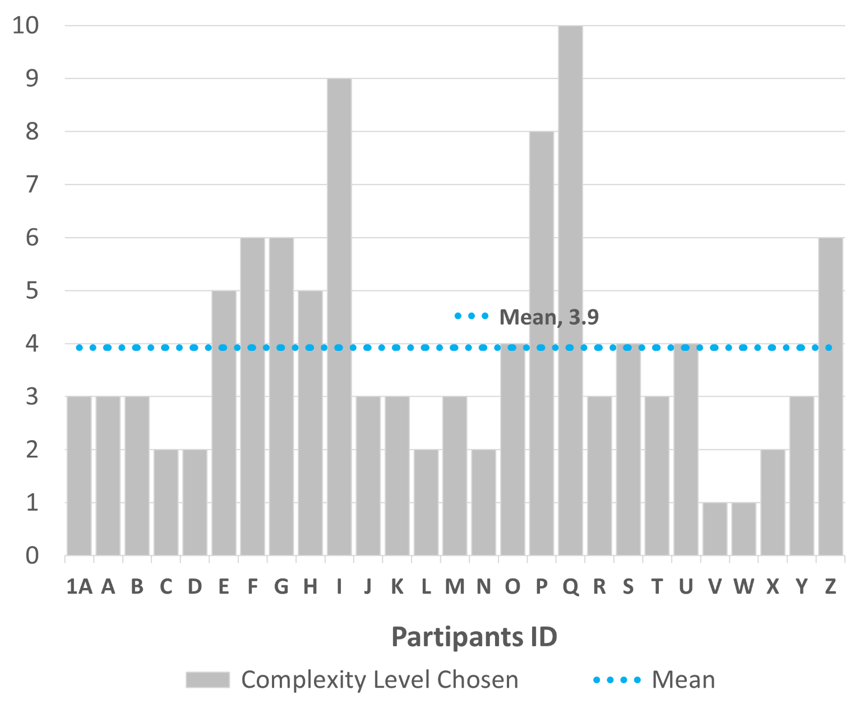
Row Labels | Façade Variation | CICA Score | Mean CICA Score
1A | 3 | 3.8040117433 | 3.82
A | 3 | 4.0709468206 | 3.82
B | 3 | 3.3810580167 | 3.82
C | 2 | 2.4481410094 | 3.82
D | 2 | 3.1046169384 | 3.82
E | 5 | 3.4953594781 | 3.82
F | 6 | 6.0535753783 | 3.82
G | 6 | 4.6414756526 | 3.82
H | 5 | 3.4953594781 | 3.82
I | 9 | 5.5513785928 | 3.82
J | 3 | 4.0709468206 | 3.82
K | 3 | 3.3810580167 | 3.82
L | 2 | 2.4481410094 | 3.82
M | 3 | 4.0709468206 | 3.82
N | 2 | 2.7596209841 | 3.82
O | 4 | 5.6098050139 | 3.82
P | 8 | 4.7471604313 | 3.82
Q | 10 | 3.6589860754 | 3.82
R | 3 | 3.8040117433 | 3.82
S | 4 | 5.009634495 | 3.82
T | 3 | 3.3810580167 | 3.82
U | 4 | 5.6098050139 | 3.82
V | 1 | 2.1675370767 | 3.82
W | 1 | 2.1269954638 | 3.82
X | 2 | 2.4481410094 | 3.82
Y | 3 | 4.0709468206 | 3.82
Z | 6 | 3.6741751246 | 3.82
Grand Total | 106 | 103.08489304 | 3.82

ProbabilityGraph

 | Probability (%)
4.07 | 39%
3.38 | 37%
2.45 | 18%
3.10 | 32%
3.50 | 38%
6.05 | 5%
4.64 | 30%
3.50 | 38%
5.55 | 11%
4.07 | 39%
3.38 | 37%
2.45 | 18%
4.07 | 39%
2.76 | 25%
5.61 | 10%
4.75 | 27%
3.66 | 39%
3.80 | 40%
5.01 | 22%
3.38 | 37%
5.61 | 10%
2.17 | 12%
2.13 | 12%
2.45 | 18%
4.07 | 39%
3.67 | 40%
3.80 | 40%
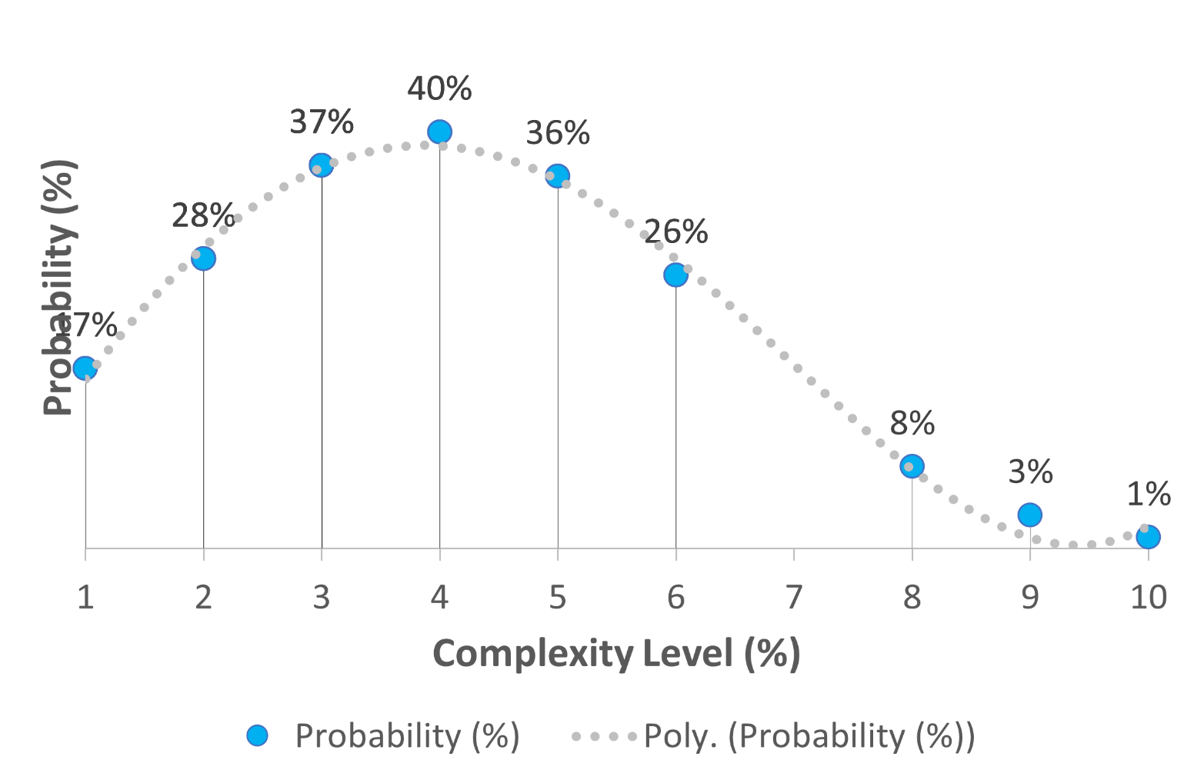

 | Probability (%)
4.07 | 39%
3.38 | 37%
2.45 | 18%
3.10 | 32%
3.50 | 38%
6.05 | 5%
4.64 | 30%
3.50 | 38%
5.55 | 11%
4.07 | 39%
3.38 | 37%
2.45 | 18%
4.07 | 39%
2.76 | 25%
5.61 | 10%
4.75 | 27%
3.66 | 39%
3.80 | 40%
5.01 | 22%
3.38 | 37%
5.61 | 10%
2.17 | 12%
2.13 | 12%
2.45 | 18%
4.07 | 39%
3.67 | 40%
3.80 | 40%

SurveyTable
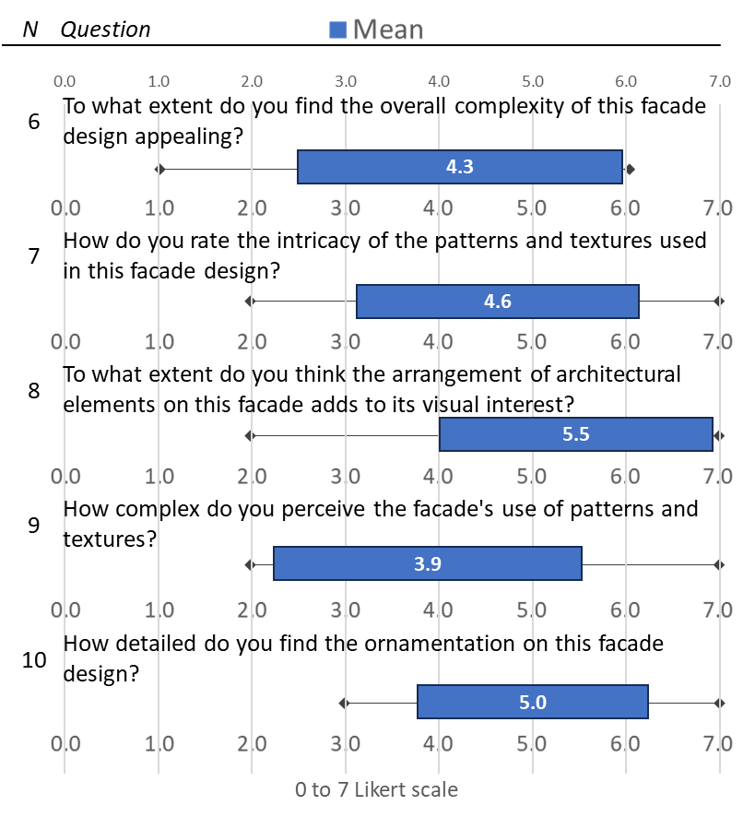
N | Question | Mean | SD | min | Max
6 | To what extent do you find the overall complexity of this facade design appealing? | 4.3 | 1.7 | 1 | 6
7 | How do you rate the intricacy of the patterns and textures used in this facade design? | 4.6 | 1.5 | 2 | 7
8 | To what extent do you think the arrangement of architectural elements on this facade adds to its visual interest? | 5.5 | 1.4 | 2 | 7
9 | How complex do you perceive the facade's use of patterns and textures? | 3.9 | 1.6 | 2 | 7
10 | How detailed do you find the ornamentation on this facade design? | 5.0 | 1.2 | 3 | 7
11 | How much do the combination of materials contribute to the overall complexity of the facade? | 4.9 | 1.5 | 3 | 7
12 | To what degree does the composition of the facade strike you as aesthetically intricate? | 4.9 | 1.8 | 2 | 7
13 | How much do you believe that the arrangement of shapes and forms on the facade contributes to its complexity? | 6.3 | 0.7 | 5 | 7
14 | How significantly does the use of color enhance the facade's visual complexity? | 5.1 | 1.5 | 2 | 7
15 | How much depth and layering do you observe in the design of this facade? | 4.3 | 1.9 | 2 | 7
Total |  | 4.9 | 1.5

Complex Accuracy
 |  |  |  |  |  |  |  |  |  |  |  |  |  |  |  |  |  |  |  | Pattern | CICA score
 |  |  |  |  |  |  |  |  |  |  |  |  |  |  |  |  |  |  | p1-01 | 1 | 1 | 1
 |  |  |  |  |  |  |  |  |  |  |  |  |  |  |  |  |  |  | p1-02 | 2 | 2 | 2

Pattern | LV1 | LV2 | LV3 | LV4 | LV5 | LV6 | LV7 | LV8 | LV9 | LV10 |  |  |  |  |  |  |  |  | p1-03 | 3 | 3 | 3
1 | 2.2 | 2.9 | 3.7 | 3.8 | 5.2 | 5.3 | 6.9 | 8.7 | 8.1 | 8.2 |  |  |  |  |  |  |  |  | p1-04 | 4 | 4 | 4
2 | 2.2 | 3.2 | 3.9 | 4.3 | 4.6 | 5.1 | 6.8 | 8.0 | 8.7 | 8.1 |  |  |  |  |  |  |  |  | p1-05 | 5 | 5 | 5
3 | 2.3 | 3.4 | 3.6 | 4.6 | 5.1 | 5.2 | 6.0 | 8.6 | 8.7 | 7.6 |  |  |  |  |  |  |  |  | p1-06 | 6 | 6 | 6
Original Ranking | 1.0 | 2.0 | 3.0 | 4.0 | 5.0 | 6.0 | 7.0 | 8.0 | 9.0 | 10.0 |  |  |  |  |  |  |  |  | p1-07 | 7 | 7 | 7
Grand Total | 2.2 | 3.1 | 3.7 | 4.2 | 5.0 | 5.3 | 6.6 | 8.4 | 8.5 | 8.0 |  |  |  |  |  |  |  |  | p1-08 | 10 | 8 | 9
 |  |  |  |  |  |  |  |  |  |  |  |  |  |  |  |  |  |  | p1-09 | 8 | 10 | 10
Table created to show scatter plot with SD per pattern when compared to the original ranking |  |  |  |  |  |  |  |  |  |  |  |  |  |  |  |  |  |  | p1-10 | 9 | 9 | 8

Original Ranking | 1.0 | 2.0 | 3.0 | 4.0 | 5.0 | 6.0 | 7.0 | 8.0 | 9.0 | 10.0

Patterns | LV1 | LV2 | LV3 | LV4 | LV5 | LV6 | LV7 | LV8 | LV9 | LV10 | D1 | D2 | D3 | D4 | D5 | D6 | D7 | D8 | D9 | D10 | SD | Average SD
P1- participants | 1 | 2 | 3 | 4 | 5 | 6 | 7 | 10 | 8 | 9 | 0.0 | 0.0 | 0.0 | 6.0 | 3.0 | -1.0 | 2.0 | -4.0 | -1.0 | -5.0 | 3.0 | 2.5
P2- Participants | 1 | 2 | 3 | 4 | 5 | 6 | 7 | 8 | 10 | 9 | 0.0 | 0.0 | 0.0 | -3.0 | 1.0 | 0.0 | -1.0 | -1.0 | 0.0 | 4.0 | 1.7 | 2.5
P3- participants | 1 | 2 | 3 | 4 | 5 | 6 | 7 | 9 | 10 | 8 | 0.0 | 0.0 | 0.0 | -2.0 | -4.0 | -2.0 | -3.0 | 2.0 | 5.0 | 4.0 | 2.8 | 2.5
P1- CICA | 1 | 2 | 3 | 10 | 8 | 5 | 9 | 6 | 7 | 4
P2-CICA | 1 | 2 | 3 | 7 | 4 | 6 | 8 | 9 | 10 | 5
P3-CICA | 1 | 2 | 3 | 6 | 9 | 8 | 10 | 7 | 5 | 4

Survey Graphs
Q1 | Count of Q1 | Q2 | Count of Q2
Computer engineer | 11.11% | a) None | 85.71%
Architect | 33.33% | c) 1-5 years | 14.29%
Mechanical Engineer | 11.11%
Mathematics | 11.11%
Marine biologist | 11.11%
Undergraduate Student | 22.22%

Complex Perception per Lv
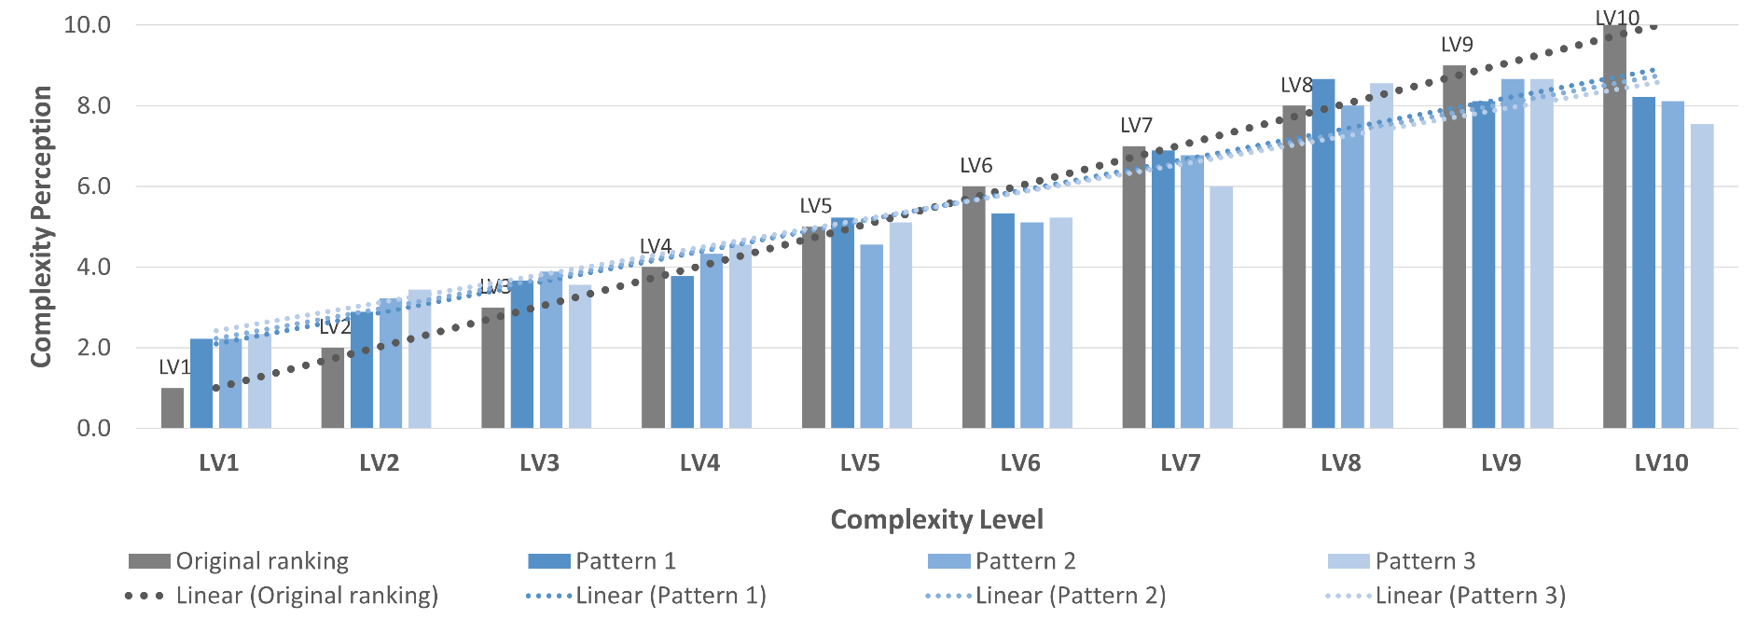
 | Column Labels
Complexity level | Original ranking | Pattern 1 | Pattern 2 | Pattern 3 | Grand Total
LV1 | 1 | 2.2 | 2.2 | 2.3 | 2.2
LV2 | 2 | 2.9 | 3.2 | 3.4 | 3.1
LV3 | 3 | 3.7 | 3.9 | 3.6 | 3.7
LV4 | 4 | 3.8 | 4.3 | 4.6 | 4.2
LV5 | 5 | 5.2 | 4.6 | 5.1 | 5.0
LV6 | 6 | 5.3 | 5.1 | 5.2 | 5.3
LV7 | 7 | 6.9 | 6.8 | 6.0 | 6.6
LV8 | 8 | 8.7 | 8.0 | 8.6 | 8.4
LV9 | 9 | 8.1 | 8.7 | 8.7 | 8.5
LV10 | 10 | 8.2 | 8.1 | 7.6 | 8.0

 |  |  |  |  |  | Rate of improvement (%) in accuracy with VR simulation

Complex Perception per Pattern
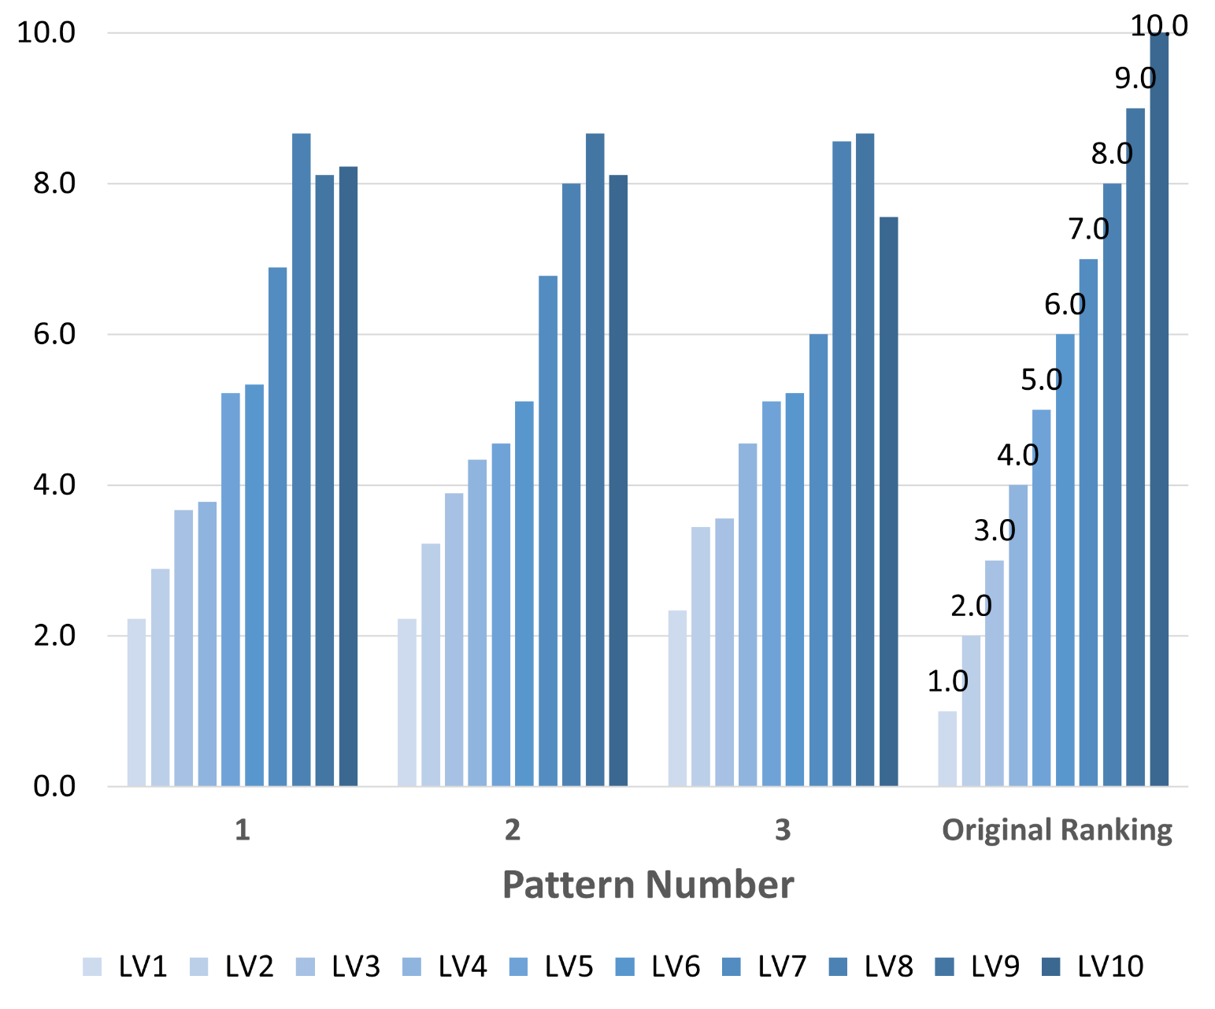
Row Labels | LV1 | LV2 | LV3 | LV4 | LV5 | LV6 | LV7 | LV8 | LV9 | LV10
1 | 2.22 | 2.89 | 3.67 | 3.78 | 5.22 | 5.33 | 6.89 | 8.67 | 8.11 | 8.22
2 | 2.22 | 3.22 | 3.89 | 4.33 | 4.56 | 5.11 | 6.78 | 8.00 | 8.67 | 8.11
3 | 2.33 | 3.44 | 3.56 | 4.56 | 5.11 | 5.22 | 6.00 | 8.56 | 8.67 | 7.56
Original Ranking | 1.00 | 2.00 | 3.00 | 4.00 | 5.00 | 6.00 | 7.00 | 8.00 | 9.00 | 10.00
Grand Total | 2.2 | 3.1 | 3.7 | 4.2 | 5.0 | 5.3 | 6.6 | 8.4 | 8.5 | 8.0

