Data Album
Pinterest
23 APRIL 2024
ID | Title | Description | Jumlah Like | Created At | Updated At | Image
1 | space? | begitula kira kira |  | 23 April 2024 08:49:00 | 23 April 2024 08:49:00 | 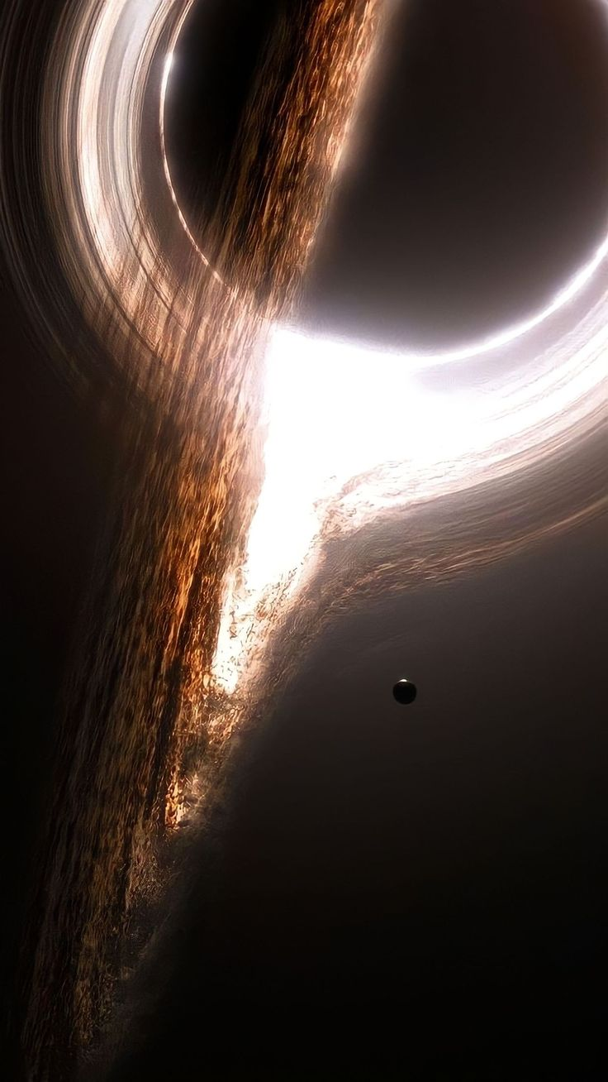
2 | kitten/kucing | miaw miaw |  | 23 April 2024 08:49:20 | 23 April 2024 08:49:20 | 
3 | art | amazing arttt |  | 23 April 2024 08:49:53 | 23 April 2024 08:49:53 | 
4 | car | gatau keren bgtttt |  | 23 April 2024 08:50:31 | 23 April 2024 08:50:31 | 
5 | goku | dbdbdb |  | 23 April 2024 08:53:41 | 23 April 2024 08:53:41 | 

6 | Gon Freecs | typo ga namanya tuh? |  | 23 April 2024 08:54:20 | 23 April 2024 08:54:20

7 | Money D Luffy / Mugiwara | baka senchou |  | 23 April 2024 08:54:49 | 23 April 2024 08:54:49

8 | JDM car | maaf klo burik yaa |  | 23 April 2024 08:55:18 | 23 April 2024 08:55:18

9 | JDM Car Pixel | kereennn |  | 23 April 2024 08:55:51 | 23 April 2024 08:55:51

10 | JDM CAR | sheeshh |  | 23 April 2024 08:56:09 | 23 April 2024 08:56:09

11 | JDM Car | low res soriiii |  | 23 April 2024 08:57:48 | 23 April 2024 08:57:48
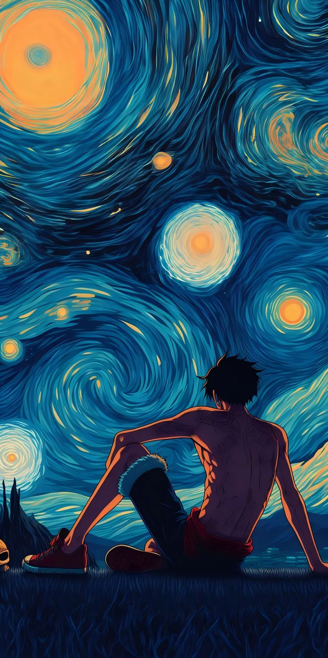
12 | Luffy apa iniii | wait wait wait wait |  | 23 April 2024 09:09:05 | 23 April 2024 09:09:05

