Sheet1
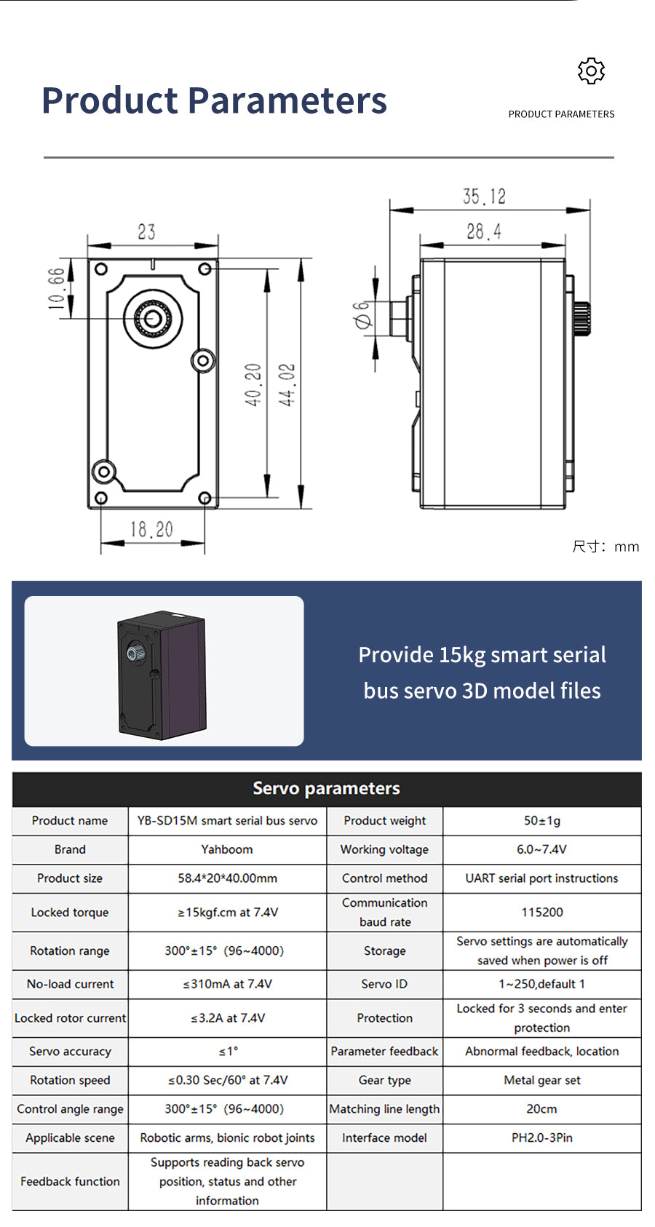
 |  | URDF (RAD) |  | URDF (DEG) |  | LINK RANGE | LINK REAL DEG |  | SERVO using INT |  | PRECISION | SERVO using ROUND
 | SERVO ID | lower | upper | lower | upper |  | lower | Upper | lower | upper | ERROR | lower | upper
arm_joint_01 | 1 | -1.5708 | 1.5708 | -90.00 | 90.00 | 180.00 | 0.00 | 180.00 | 899 | 3100 | 0.002572278 | 900 | 3100
arm_joint_02 | 2 | -1.5708 | 1.5708 | -90.00 | 90.00 | 180.00 | 0.00 | 180.00 | 3100 | 899 | 0.002572278 | 3100 | 900
arm_joint_03 | 3 | -1.5708 | 1.5708 | -90.00 | 90.00 | 180.00 | 0.00 | 180.00 | 3100 | 899 | 0.002572278 | 3100 | 900
arm_joint_04 | 4 | -1.5708 | 1.5708 | -90.00 | 90.00 | 180.00 | 0.00 | 180.00 | 3100 | 899 | 0.002572278 | 3100 | 900
arm_joint_05 | 5 | -1.5708 | 3.14159 | -90.00 | 180.00 | 270.00 | 0.00 | 270.00 | 379 | 3699 | 0.002587868 | 380 | 3700
grip_joint | 6 | 1.54 | 0 | 88.24 | 0.00 | 88.24 | 178.24 | 90.00 | 3078 | 2000 |  | 3078 | 2000
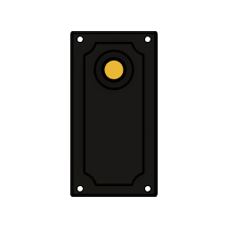
0º
+90º
-90º
180º

YB-SD15M, SERVO
DEGREES |  | BIT |  | DEG/BIT | TOL | OFFSET (DEG) |  | OFFSET (BIT)
lower | upper | lower | upper |  |  | lower | upper | lower | upper
0 | 300 | 96 | 4000 | 0.076844262295 | ±15 DEG | 67.5 | 232.5 | 900 | 3100

