sudoku
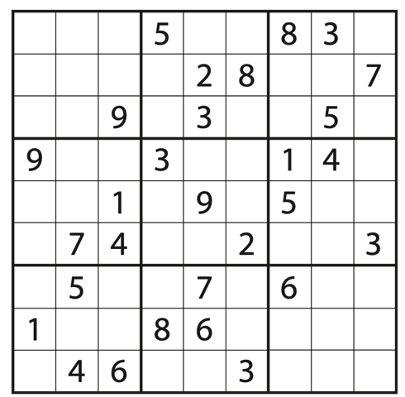
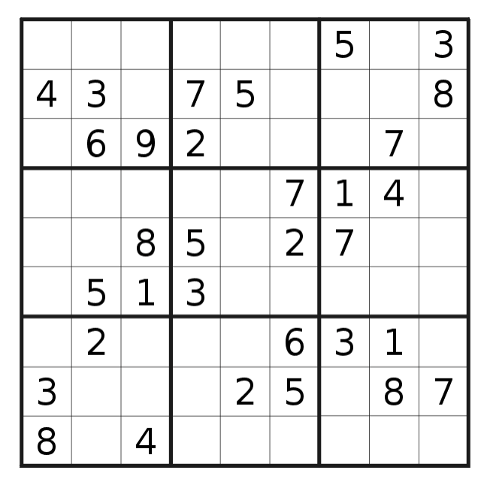
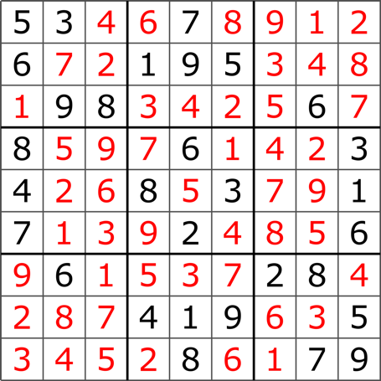
 |  |  | 5 |  |  | 8 | 3 |  | PUZZELL
 |  |  |  | 2 | 8 |  |  | 7
 |  | 9 |  | 3 |  |  | 5
9 |  |  | 3 |  |  | 1 | 4
 |  | 1 |  | 9 |  | 5
 | 7 | 4 |  |  | 2 |  |  | 3
 | 5 |  |  |  |  | 6
1
 | 4 | 6

4 | 2 | 7 | 5 | 1 | 6 | 8 | 3 | 9 | SOLUTION
6 | 3 | 5 | 9 | 2 | 8 | 4 | 1 | 7
8 | 1 | 9 | 4 | 3 | 7 | 2 | 5 | 6
9 | 6 | 2 | 3 | 7 | 5 | 1 | 4 | 8
3 | 8 | 1 | 6 | 9 | 4 | 5 | 7 | 2
5 | 7 | 4 | 1 | 8 | 2 | 9 | 6 | 3
7 | 5 | 3 | 8 | 4 | 9 | 6 | 2 | 1
1 | 9 | 6 | 2 | 5 | 3 | 7 | 8 | 4
2 | 4 | 8 | 7 | 6 | 1 | 3 | 9 | 5

 |  |  | 5 |  |  | 8 | 3
 |  |  |  | 2 | 8 |  |  | 7
 |  | 9 |  | 3 |  |  | 5
9 |  |  | 3 |  |  | 1 | 4
 |  | 1 |  | 9 |  | 5
 | 7 | 4 |  |  | 2 |  |  | 3
 | 5 |  |  | 7 |  | 6
1 |  |  | 8 | 6
 | 4 | 6 |  |  | 3

backup
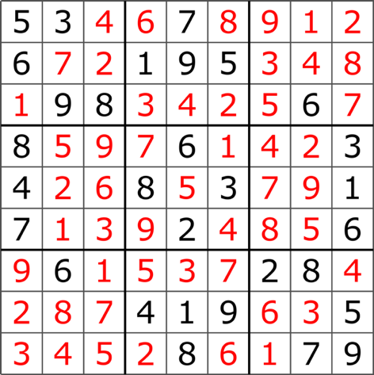
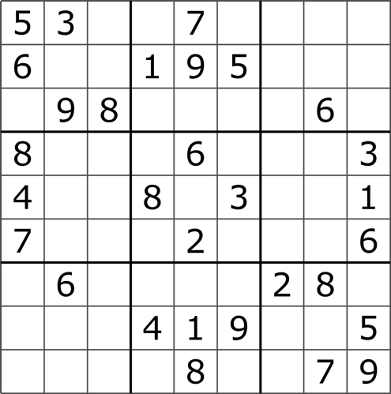
5 | 3 |  |  | 7 |  |  |  |  | PUZZELL
6 |  |  | 1 | 9 | 5 |  |  |  |  |  |  |  | 5 |  |  | 8 | 3
 | 9 | 8 |  |  |  |  | 6 |  |  |  |  |  |  | 2 | 8 |  |  | 7
8 |  |  |  | 6 |  |  |  | 3 |  |  |  | 9 |  | 3 |  |  | 5
4 |  |  | 8 |  | 3 |  |  | 1 |  | 9 |  |  | 3 |  |  | 1 | 4
7 |  |  |  | 2 |  |  |  | 6 |  |  |  | 1 |  | 9 |  | 5
 | 6 |  |  |  |  | 2 | 8 |  |  |  | 7 | 4 |  |  | 2 |  |  | 3
 |  |  | 4 | 1 | 9 |  |  | 5 |  |  | 5 |  |  | 7 |  | 6
 |  |  |  | 8 |  |  | 7 | 9 |  | 1 |  |  | 8 | 6
 |  |  |  |  |  |  |  |  |  |  | 4 | 6 |  |  | 3

5 | 3 | 4 | 6 | 7 | 8 | 9 | 1 | 2 | SOLUTION
6 | 7 | 2 | 1 | 9 | 5 | 3 | 4 | 8 |  | 5 | 3 |  |  | 7
1 | 9 | 8 | 3 | 4 | 2 | 5 | 6 | 7 |  | 6 |  |  | 1 | 9 | 5
8 | 5 | 9 | 7 | 6 | 1 | 4 | 2 | 3 |  |  | 9 | 8 |  |  |  |  | 6
4 | 2 | 6 | 8 | 5 | 3 | 7 | 9 | 1 |  | 8 |  |  |  | 6 |  |  |  | 3
7 | 1 | 3 | 9 | 2 | 4 | 8 | 5 | 6 |  | 4 |  |  | 8 |  | 3 |  |  | 1
9 | 6 | 1 | 5 | 3 | 7 | 2 | 8 | 4 |  | 7 |  |  |  | 2 |  |  |  | 6
2 | 8 | 7 | 4 | 1 | 9 | 6 | 3 | 5 |  |  | 6 |  |  |  |  | 2 | 8
3 | 4 | 5 | 2 | 8 | 6 | 1 | 7 | 9 |  |  |  |  | 4 | 1 | 9 |  |  | 5
 |  |  |  |  |  |  |  |  |  |  |  |  |  | 8 |  |  | 7 | 9

