Dashboard
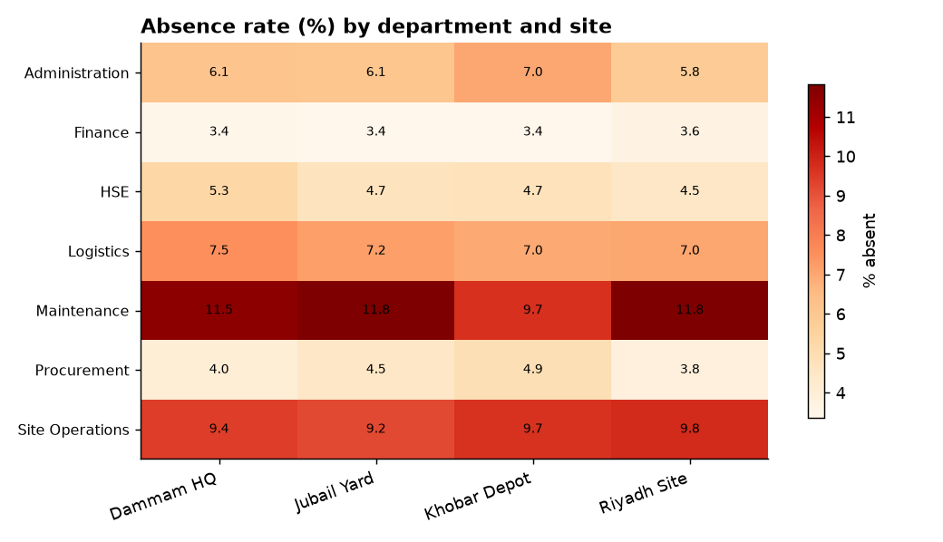
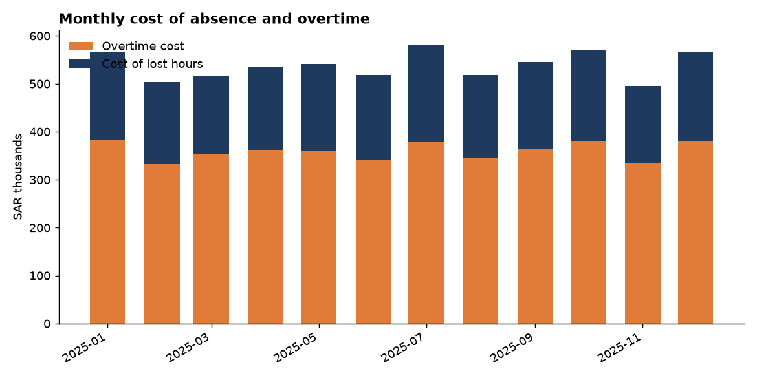
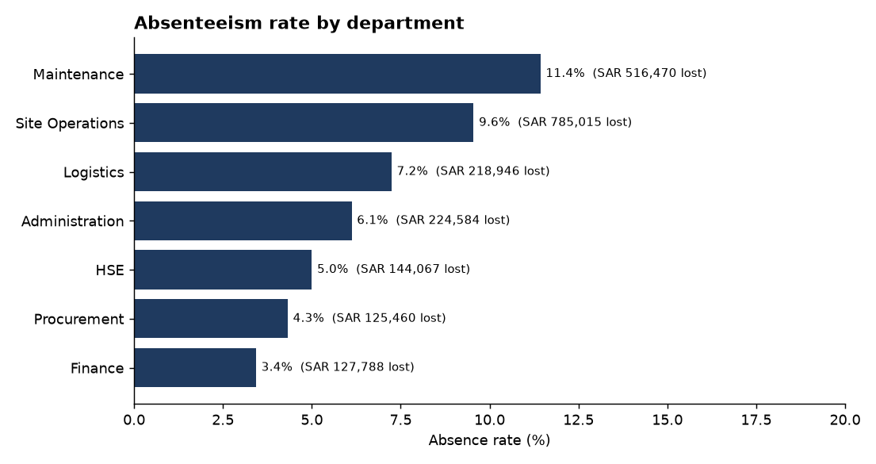
Workforce Attendance & Overtime - 2025
280 employees | 4 sites | SAR

KPI | Value
Attendance records | 73,080
Employees | 280.00
Attendance rate % | 91.15
Absenteeism rate % | 7.78
Late arrival rate % | 4.91
Overtime hours | 67,688
Overtime cost (SAR) | 4,316,311
Cost of lost hours (SAR) | 2,142,331

Top 10% of staff carry this share of overtime | 24.40

