NETWORK
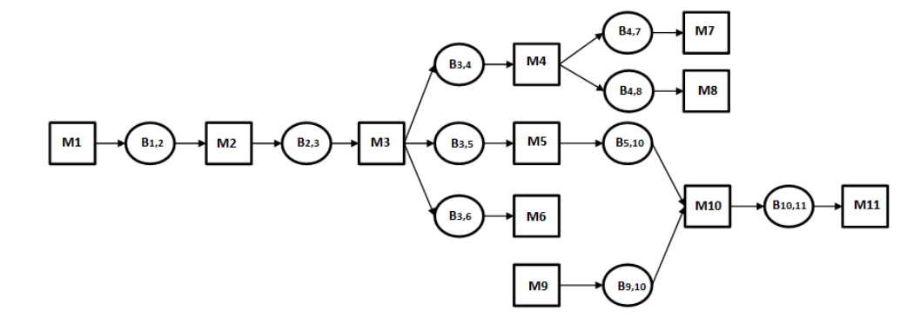
Nr. machines | 11
Nr. buffers | 10

Buffer ID | Capacity | Upstream Machine | Downstream Machine
1 | 5 | 1 | 2
2 | 6 | 2 | 3
3 | 6 | 3 | 4
4 | 5 | 3 | 5
5 | 4 | 3 | 6
6 | 5 | 4 | 7
7 | 5 | 4 | 8
8 | 5 | 5 | 10
9 | 4 | 9 | 10
10 | 5 | 10 | 11

