2023 Notes
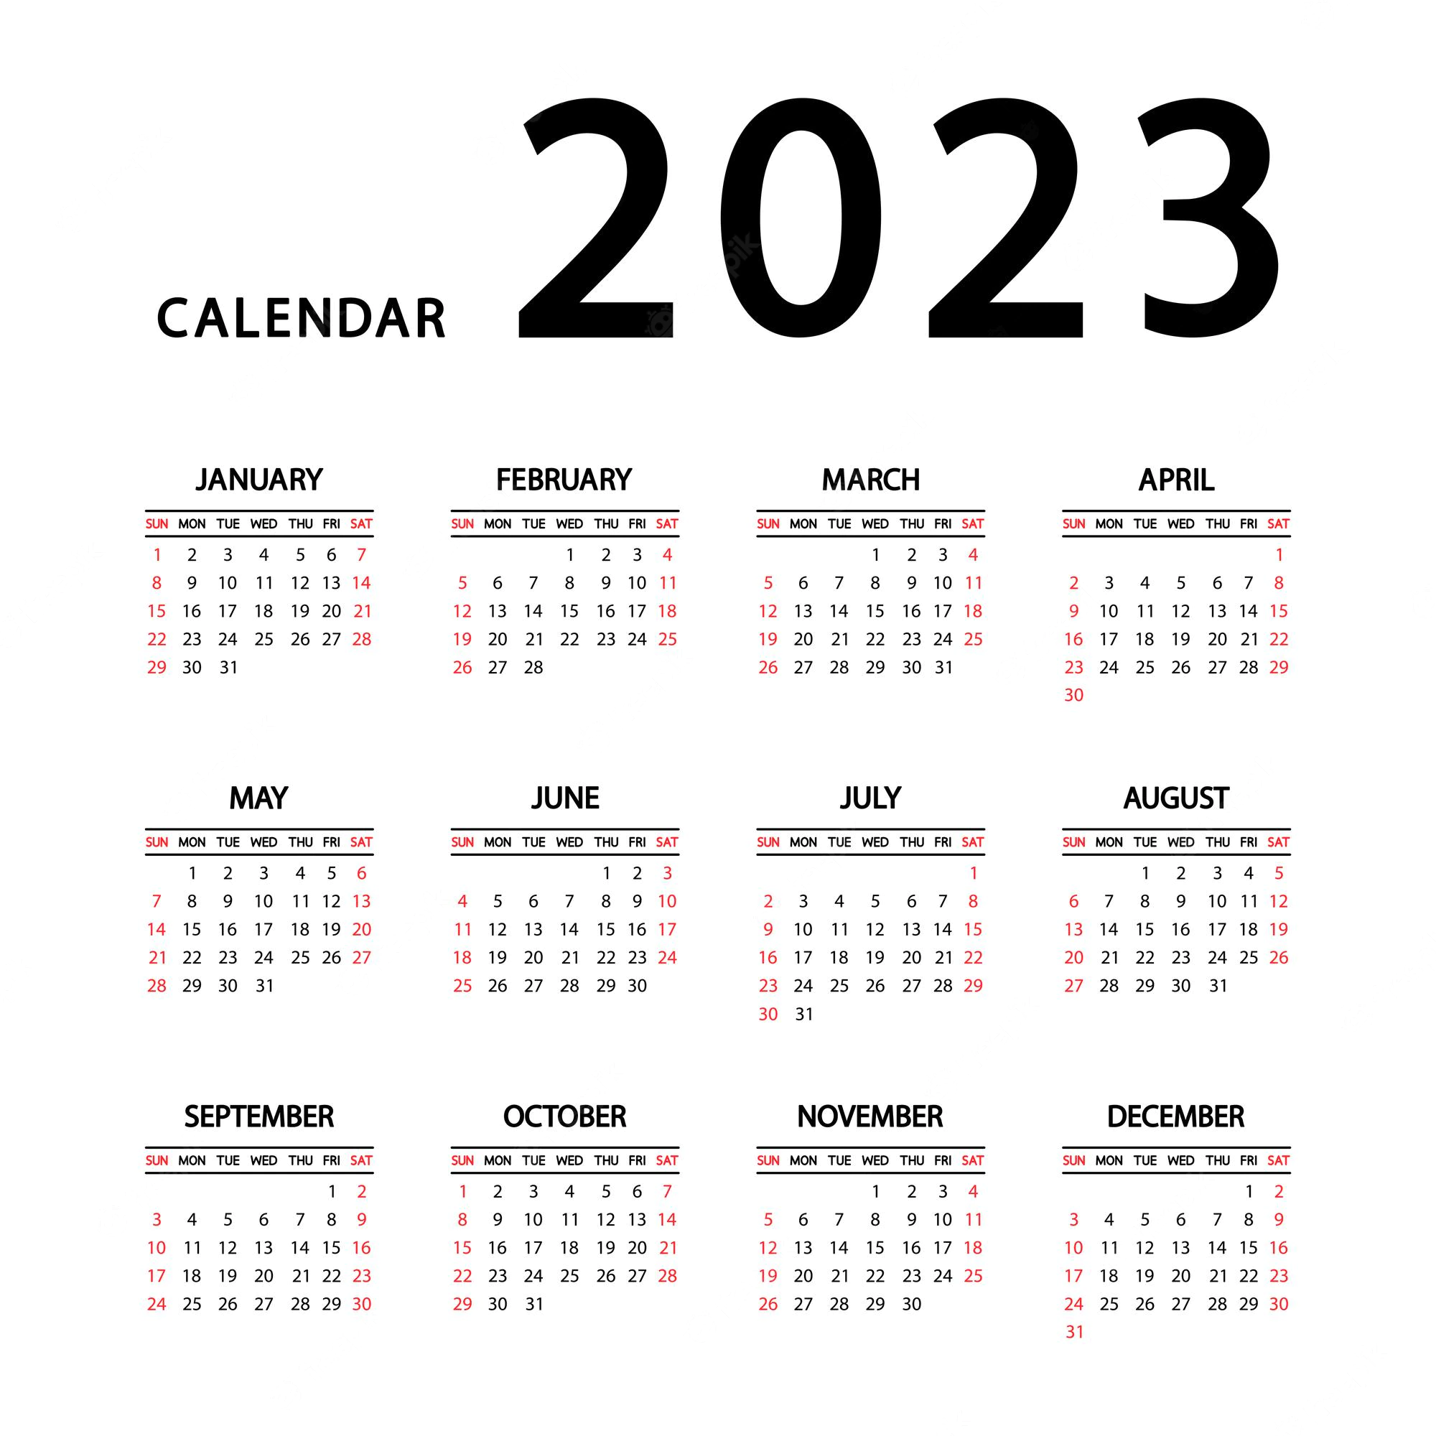
Ramadan | 2023-03-22 | 2023-04-21 |  | Ramadan 2023 in United Kingdom will begin in the evening of Wednesday, 22 March and ends in the evening of Friday, 21 April
Eid ul Fitr | 2023-04-22 |  |  | Eid al-Fitr 2023 in United Kingdom will begin in the evening of Friday, 21 April
Eid Al Adha | 2023-06-29 |  |  | Eid al-Adha 2023 in United Kingdom will begin in the evening of Wednesday, 28 June

Daylight saving time 2023 in United Kingdom will begin at 01:00 on
 | 2023-03-26
and ends at 02:00 on
 | 2023-10-29

 | Term Dates 2022 - 2023
 | Autumn Term 2022
 | 1 – 2 September | Staff Development Days
 | 2022-09-05 | Autumn Term Starts
 | 24 October – 28 October | Half Term
 | 2022-12-21 | Autumn Term Ends
 | Spring Term 2023
 | 2022-01-04 | Spring Term Starts
 | 13 February – 17 February | Half Term
 | 2022-03-31 | Spring Term Ends
 | Summer Term 2023
 | 2022-04-17 | Summer Term Starts
 | 2022-05-01 | May Day
 | 29 May -6 June | Half Term
 | 7 June – 9 June | Staff Development Days
 | 2022-07-21 | Summer Term Ends

81 | 22/03/2023 | 4:25:00 | 5:59:00 | 5:00:00 | NCP | 12:12:00 |  | 16:16:00 | 18:19:00 | 18:19:00 | 19:33:00 | 19:50:00 | 19 Shaban 1443
82 | 23/03/2023 | 4:22:00 | 5:56:00 | 5:00:00 | NCP | 12:11:00 |  | 16:17:00 | 18:21:00 | 18:21:00 | 19:34:00 | 19:50:00 | 20 Shaban 1443
83 | 24/03/2023 | 4:20:00 | 5:54:00 | 5:00:00 | NCP | 12:11:00 | 13:00:00 | 16:19:00 | 18:22:00 | 18:23:00 | 19:36:00 | 19:50:00 | 21 Shaban 1443
84 | 25/03/2023 | 4:17:00 | 5:52:00 | 5:00:00 | NCP | 12:11:00 |  | 16:20:00 | 18:24:00 | 18:24:00 | 19:37:00 | 19:50:00 | 22 Shaban 1443
85 | 26/03/2023 | 5:15:00 | 6:49:00 | 5:00:00 | NCP | 13:10:00 |  | 17:22:00 | 19:26:00 | 18:26:00 | 20:39:00 | 19:50:00 | 23 Shaban 1443
86 | 27/03/2023 | 5:12:00 | 6:47:00 | 5:30:00 | NCP | 13:10:00 |  | 17:23:00 | 19:28:00 | 19:28:00 | 20:40:00 | 21:00:00 | 24 Shaban 1443
87 | 28/03/2023 | 5:09:00 | 6:45:00 | 5:30:00 | NCP | 13:10:00 |  | 17:24:00 | 19:29:00 | 19:30:00 | 20:42:00 | 21:00:00 | 25 Shaban 1443
88 | 29/03/2023 | 5:07:00 | 6:42:00 | 5:30:00 | NCP | 13:10:00 |  | 17:25:00 | 19:31:00 | 19:31:00 | 20:43:00 | 21:00:00 | 26 Shaban 1443
89 | 30/03/2023 | 5:04:00 | 6:40:00 | 5:30:00 | NCP | 13:09:00 |  | 17:27:00 | 19:33:00 | 19:33:00 | 20:45:00 | 21:00:00 | 27 Shaban 1443
90 | 31/03/2023 | 5:02:00 | 6:38:00 | 5:30:00 | NCP | 13:09:00 | 13:10:00 | 17:28:00 | 19:34:00 | 19:35:00 | 20:46:00 | 21:00:00 | 28 Shaban 1443
91 | 01/04/2023 | 4:59:00 | 6:35:00 | 5:15:00 | NCP | 13:09:00 |  | 17:29:00 | 19:36:00 | 19:37:00 | 20:48:00 | 21:00:00 | 29 Shaban 1443
92 | 02/04/2023 | 4:56:00 | 6:33:00 | 5:15:00 | NCP | 13:08:00 |  | 17:31:00 | 19:38:00 | 19:38:00 | 20:49:00 | 21:00:00 | 1 Ramadan 1443
93 | 03/04/2023 | 4:54:00 | 6:31:00 | 5:10:00 | NCP | 13:08:00 |  | 17:32:00 | 19:40:00 | 19:40:00 | 20:51:00 | 21:00:00 | 2 Ramadan 1443
94 | 04/04/2023 | 4:51:00 | 6:28:00 | 5:10:00 | NCP | 13:08:00 |  | 17:33:00 | 19:41:00 | 19:42:00 | 20:52:00 | 21:00:00 | 3 Ramadan 1443
95 | 05/04/2023 | 4:49:00 | 6:26:00 | 5:05:00 | NCP | 13:07:00 |  | 17:34:00 | 19:43:00 | 19:43:00 | 20:54:00 | 21:00:00 | 4 Ramadan 1443
96 | 06/04/2023 | 4:46:00 | 6:24:00 | 5:05:00 | NCP | 13:07:00 |  | 17:36:00 | 19:45:00 | 19:45:00 | 20:55:00 | 21:00:00 | 5 Ramadan 1443
97 | 07/04/2023 | 4:44:00 | 6:21:00 | 5:00:00 | NCP | 13:07:00 | 13:10:00 | 17:37:00 | 19:47:00 | 19:47:00 | 20:57:00 | 21:00:00 | 6 Ramadan 1443
98 | 08/04/2023 | 4:41:00 | 6:19:00 | 5:00:00 | NCP | 13:07:00 |  | 17:38:00 | 19:48:00 | 19:49:00 | 20:58:00 | 21:15:00 | 7 Ramadan 1443
99 | 09/04/2023 | 4:38:00 | 6:17:00 | 4:55:00 | NCP | 13:06:00 |  | 17:39:00 | 19:50:00 | 19:50:00 | 21:00:00 | 21:15:00 | 8 Ramadan 1443
100 | 10/04/2023 | 4:36:00 | 6:15:00 | 4:50:00 | NCP | 13:06:00 |  | 17:40:00 | 19:52:00 | 19:52:00 | 21:01:00 | 21:15:00 | 9 Ramadan 1443
101 | 11/04/2023 | 4:33:00 | 6:12:00 | 4:50:00 | NCP | 13:06:00 |  | 17:42:00 | 19:53:00 | 19:54:00 | 21:03:00 | 21:15:00 | 10 Ramadan 1443
102 | 12/04/2023 | 4:31:00 | 6:10:00 | 4:45:00 | NCP | 13:06:00 |  | 17:43:00 | 19:55:00 | 19:56:00 | 21:04:00 | 21:15:00 | 11 Ramadan 1443
103 | 13/04/2023 | 4:28:00 | 6:08:00 | 4:45:00 | NCP | 13:05:00 |  | 17:44:00 | 19:57:00 | 19:57:00 | 21:06:00 | 21:15:00 | 12 Ramadan 1443
104 | 14/04/2023 | 4:26:00 | 6:06:00 | 4:40:00 | NCP | 13:05:00 | 13:10:00 | 17:45:00 | 19:59:00 | 19:59:00 | 21:07:00 | 21:15:00 | 13 Ramadan 1443
105 | 15/04/2023 | 4:23:00 | 6:03:00 | 4:40:00 | NCP | 13:05:00 |  | 17:46:00 | 20:00:00 | 20:01:00 | 21:09:00 | 21:15:00 | 14 Ramadan 1443
106 | 16/04/2023 | 4:21:00 | 6:01:00 | 4:35:00 | NCP | 13:05:00 |  | 17:48:00 | 20:02:00 | 20:02:00 | 21:10:00 | 21:15:00 | 15 Ramadan 1443
107 | 17/04/2023 | 4:18:00 | 5:59:00 | 4:35:00 | NCP | 13:04:00 |  | 17:49:00 | 20:04:00 | 20:04:00 | 21:12:00 | 21:15:00 | 16 Ramadan 1443
108 | 18/04/2023 | 4:16:00 | 5:57:00 | 4:30:00 | NCP | 13:04:00 |  | 17:50:00 | 20:05:00 | 20:06:00 | 21:13:00 | 21:30:00 | 17 Ramadan 1443
109 | 19/04/2023 | 4:13:00 | 5:55:00 | 4:30:00 | NCP | 13:04:00 |  | 17:51:00 | 20:07:00 | 20:08:00 | 21:15:00 | 21:30:00 | 18 Ramadan 1443
110 | 20/04/2023 | 4:11:00 | 5:52:00 | 4:30:00 | NCP | 13:04:00 |  | 17:52:00 | 20:09:00 | 20:09:00 | 21:16:00 | 21:30:00 | 19 Ramadan 1443
111 | 21/04/2023 | 4:09:00 | 5:50:00 | 4:25:00 | NCP | 13:03:00 | 13:10:00 | 17:53:00 | 20:11:00 | 20:11:00 | 21:18:00 | 21:30:00 | 20 Ramadan 1443

