showall
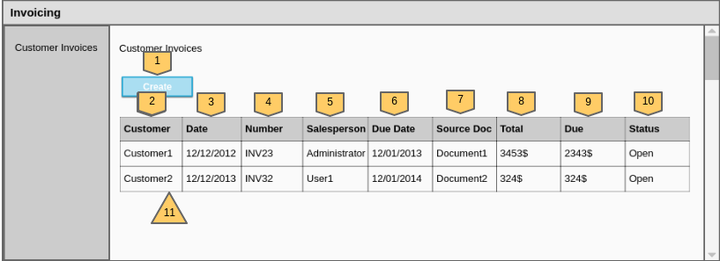

0. Overview
1. Path data validation
2. Retrieving data from database
3. Rendering the showall page

Description |  |  | URL |  | Method
Shows all currently available invoices |  |  | GET Invoicing/ |  | index()
 |  |  | GET Invoicing/{page}/{limit}

1. Path data validation
Parameter | Required | Data Type | Validate on server
 |  |  | Condition | True | False
page | no | Integer | 0<= , <=total | show invoices | show default
limit | no | Integer | >0 , <( total-page )

2. Retrieving data from database
Name | Data Type | Method
invoiceList | List<Invoice> | getAllInvoice()
customer | Customer | getCustomerById()

3. Rendering the showall page
Number on Wireframe | ID on the page | Field Type |  | Description

1 | createbutton | button |  | Redirect to createnew page
2 | customername | th |  | Invoice table customer name header
3 | date | th |  | Invoice table invoice date header
4 | number | th |  | Invoice number header
5 | salesperson | th |  | Name of salesperson header
6 | duedate | th |  | Due date header
7 | sourcedoc | th |  | Source document header
8 | total | th |  | Total amount to pay header
9 | due | th |  | Due after partial payment header
10 | status | th |  | Status of the invoice header
11 | customer | anchor |  | Redirect to details page

details
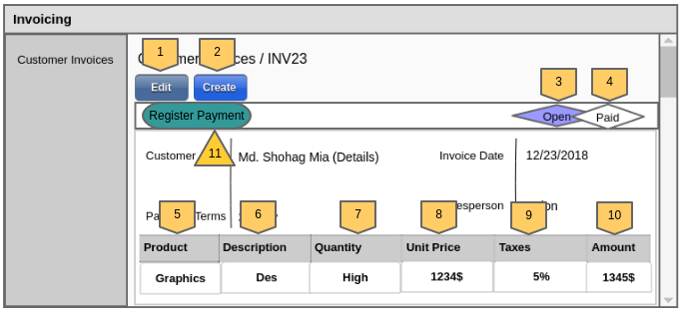

0. Overview
1. Path Data Validation
2. Retrieving Data from database
2. Rendering the details page

Function |  |  | URL |  | Method
show details page |  |  | GET Invoicing/details/{id} |  | shoDetails()

1. Path Data Validation
Parameter | Required | Data Type | Validate on server
 |  |  | Condition | True | False
id | yes | Integer | exist in db | show invoices | not found

2. Retrieving Data from database
Name |  | Data Type |  | Method
invoice |  | Invoice |  | getInvoiceById()
customer |  | Customer |  | getCustomerById()
customerAddress |  | CustomerAddress |  | getCustomerAddressById()
productList |  | List<Product> |  | getAllProduct()
productDetails |  | Products |  | getCustomerById()

3. Rendering the page
Number on Wireframe | ID on the Page | Field Type | Description

1 | editInvoice | button | Redirect to the update page to let us update the invoice
2 | createinvoice | button | Redirect to the createnew page to let us create new invoice
3 | statusopen | span | Indicate the status of the invoice
4 | statuspaid | span | Indicate the status of the invoice
5 | product | th | Product name header column in product list table
6 | description | th | Description of the product header
7 | quantity | th | Quantity of the product header
8 | unitprice | th | Unit-price of the product header
9 | taxes | th | Tax of the product header
10 | amount | th | Total money for that product header
11 | regpayment | button | Redirect to the payment page

createnew
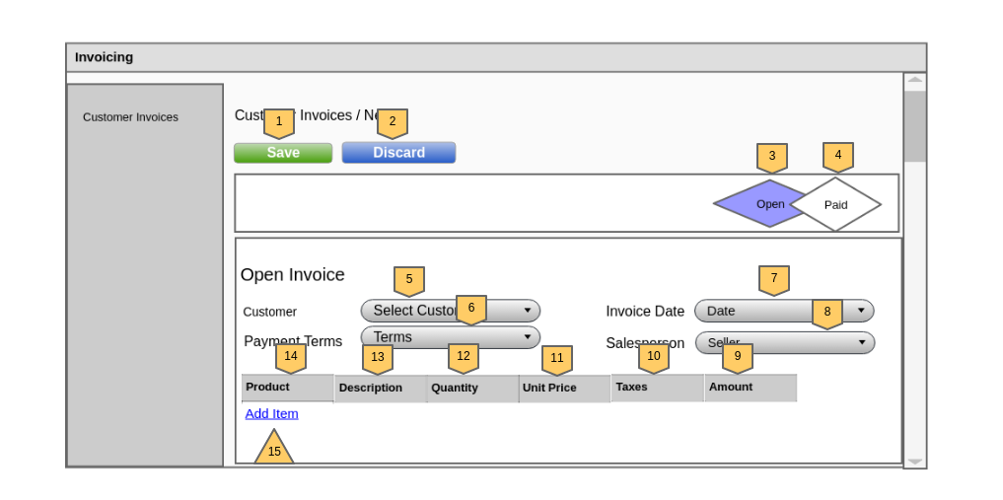

0. Overview
1. Retriving data
2. Input data validation
3. Data Persistence
4. Redirect to the Invoicing/ page

Function |  | URL |  | Method
Create new invoice |  | POST Invoicing/create |  | createNewInvoice

1. Retriving Data
Action |  | Name |  | Data Type |  | Method
Number on Wireframe | Id On Page

 |  | customer |  | List<Customer> |  | getAllCustomer()
15 | addproduct | products |  | List<Products> |  | getAllProducts()

2. Input data validation
Number on Wireframe | ID on the page | Validation On Browser |  | Validation on server
 |  | Required | Error Message | Required | Min Length | Max length | Validator | Check database | Error Message
5 | customerName | required | Please fill out this field | required | 8 | 255 | NotEmpty | isCustomerExist() | Invalid name
6 | paymentTerm | required | Please fill out this field | required |  |  | NotEmpty | isTermExist() | Invalid term
7 | invoiceDate | required | Please fill out this field | required |  |  | NotEmpty |  | Select a date
8 | salesPerson | required | Please fill out this field | required | 8 | 255 | NotEmpty | isSalesPersonExist() | Invalid Salesperson
9 | totalAmount | required | Please fill out this field | required |  |  | NotNull | isValidProduct() | Invalid Product
10 | taxes | required | Please fill out this field | required |  |  | NotNull
11 | unitPrice | required | Please fill out this field | required |  |  | NotNull
12 | quantity | required | Please fill out this field | required |  |  | NotNull
13 | description | required | Please fill out this field | required |  |  | NotEmpty
14 | productName | required | Please fill out this field | required |  |  | NotEmpty

3. Data Persistence
ID on the page | Persistence
 | Entity |  |  | Actions
 | Products | Product | Invoice
customerName |  |  | customer_id | Create new invoice and Product and Update the Products quantity by decreasing the quantity .
paymentTerm |  |  | payment_term
invoiceDate |  |  | invoiceDate
salesPerson |  |  | salesperson
totalAmount |  | total | totalBill , dueAmount
taxes
unitPrice
quantity | quantity | quantity
description
productName |  | products_id

4. Redirect to the Invoicing/ page
ID On Page | Number on Wireframe | Action |  |  | Redirecttion

saveinvoice | 1 | Save input data if all the validation is passed successfully |  |  | Invoicing/

discardinvoice | 2 | Discard all CRUD operations

update
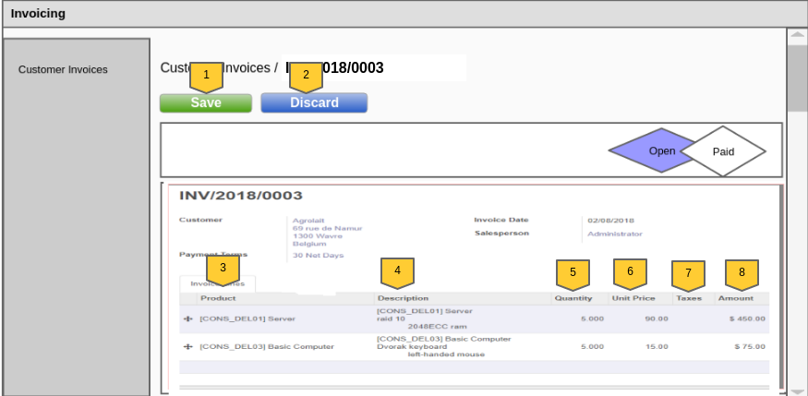

0. Overview
1. Validate path data
2. Retriving data from database
3. Validate input data
4. Update data
5. Rendering the page

Function |  |  | URL |  | Method
update invoice |  |  | POST Invoicing/update/{id} |  | updateInvoice()

1. Validate path data
Parameter | Required | Data Type | Validate on server
 |  |  | Condition | True | False
id | yes | Integer | exist in db | show editable invoices details | not found

2. Retrieving data from database
Name |  | Data Type |  | Method
invoice |  | Invoice |  | getInvoiceById()
customer |  | Customer |  | getCustomerById()
customerAddress |  | CustomerAddress |  | getCustomerAddressById()
productList |  | List<Product> |  | getAllProduct()
productDetails |  | Products |  | getCustomerById()

3. Validate input data
Number on Wireframe | ID on the page | Validation On Browser |  | Validation on server
 |  | Required | Error Message | Required | Min Length | Max length | Validator | Check database | Error Message
5 | quantity | required | Please fill out this field | required |  |  | NotEmpty | isProductExist() | Invalid product
6 | unitprice | required | Please fill out this field | required | 8 | 255 | NotEmpty
7 | taxes | required | Please fill out this field | required |  |  | NotNull
8 | amount | required | Please fill out this field | required |  |  | NotNull

4. Update data
ID on the page | Persistence
 | Entity |  | Actions
 | Products | Product
totalAmount |  | total | Update Product and Products by the input value
taxes | tax
unitPrice | price
quantity | quantity | quantity

5. Rendering the page
ID On Page | Number on Wireframe | Action |  |  | Redirecttion

updateinvoice | 1 | update invoice with the input data if all the validation is passed successfully |  |  | Invoicing/

discardinvoice | 2 | Discard all CRUD operations

payment
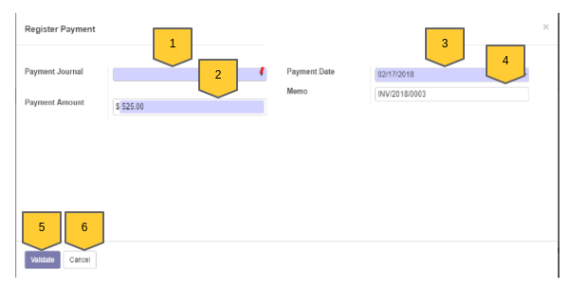

0. Overview
1. Validate path data
2. Retrive Data from Database
3. Validate input data
4. Update data
5. Rendering the page

Function |  |  | URL |  | Method
Register payment |  |  | POST Invoicing/payment/{id} |  | registerPayment()

1. Validate path data
Parameter | Required | Data Type | Validate on server
 |  |  | Condition | True | False
id | yes | Integer | exist in db | show payment form of that invoice | not found

2. Retrive Data from Database
Name |  | Data Type |  | Method
invoice |  | Invoice |  | getInvoiceById()

3. Validate input data
Number on Wireframe | ID on the page | Validation On Browser |  | Validation on server
 |  | Required | Error Message | Required | Validator | Check database | Error Message
1 | paymentmethod | required | Please fill out this field | required | NotEmpty | isValidMethod() | Invalid Input Data
2 | amount | required |  | required | NotNull | isValidAmount()
3 | paymentdate | required | Please fill out this field | required | NotEmpty | isValidDate()
4 | memo | required |  | required | NotEmpty | isValidMemo()

4. Update data
Persistence
Entity | Actions
Invoice
status | Update Product and Products by the input value

5. Rendering the page
ID On Page | Number on Wireframe | Action |  |  | Redirecttion

validatepayment | 5 | update invoice with the input data if all the validation is passed successfully |  |  | Invoicing/

cancelpayment | 6 | Discard all CRUD operations

